20x20m2
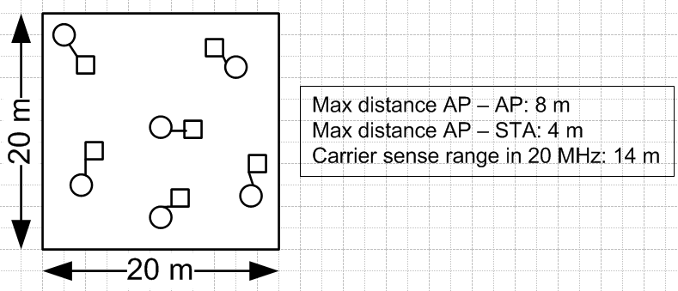
cb_type | load | num_pkt_gen | through | min_through | rho | delay | max_delay | util | wait_time | drop | std_delay | min_delay | max_throughput
0 | 1 | 0 | 0.99 | 0.97 | 0 | 0.6589 | 0.67745 | 0 | 0.11387488 | 0 | 0.0071445941894 | 0.64121247 | 1.007812
0 | 20 | 0 | 20.01865 | 19.6703 | 0 | 3.5979 | 15.6035 | 0 | 0.466913845 | 0 | 32.155926802 | 0.868838645 | 20.2033397
0 | 40 | 0 | 39.8094 | 38.7937 | 0 | 3.2837 | 6.8227 | 0 | 1.33463754 | 0 | 32.48471255 | 1.133184075 | 40.157742105 | 0.009
0 | 60 | 0 | 57.912 | 52.4682 | 0 | 8.97535 | 22.6026 | 0 | 3.06784733 | 0 | 33.792355318 | 1.57778492 | 60.19828906
0 | 80 | 0 | 71.4217 | 55.9814 | 0 | 16.89525 | 44.00155 | 0 | 4.920877045 | 0 | 36.822469114 | 2.204807615 | 79.976386725
0 | 100 | 0 | 81.8085 | 55.3101 | 0 | 22.42535 | 66.3243 | 0 | 6.07566839 | 0 | 46.993615469 | 3.0039056 | 99.633175775
0 | 120 | 0 | 91.91985 | 55.4139 | 0 | 27.46315 | 85.24205 | 0 | 7.87300175 | 0 | 57.391786702 | 4.57733571 | 119.2458672
0 | 140 | 0 | 99.8375 | 55.13045 | 0 | 46.38565 | 173.5194 | 0 | 14.487772365 | 0 | 103.9422288 | 9.76334088 | 137.40355469
0 | 160 | 0 | 100.91655 | 54.48085 | 0 | 69.53345 | 298.47855 | 0 | 23.18889613 | 0 | 208.35698081 | 13.33423219 | 140.15045312
0 | 180 | 0 | 100.8962 | 54.6725 | 0 | 78.6072 | 354.8858 | 0 | 26.580928375 | 0 | 330.81444646 | 13.858360265 | 140.08618358
0 | 200 | 0 | 100.886 | 54.8356 | 0 | 54.04275 | 208.05785 | 0 | 17.149997525 | 0 | 354.2461597 | 13.939456805 | 140.06569917
4 | 1 | 0 | 0.99 | 0.97 | 0 | 0.58585 | 0.6035 | 0 | 0.13347514 | 0 | 0.0052358927476 | 0.56890078 | 1.007812
4 | 20 | 0 | 19.95135 | 19.48265 | 0 | 5.4037 | 14.4632 | 0 | 1.791440795 | 0 | 1.7157173478 | 1.853942935 | 20.181867125
4 | 40 | 0 | 39.2637 | 36.7279 | 0 | 6.39185 | 15.6651 | 0 | 2.602629555 | 0 | 2.5843173462 | 2.38623478 | 40.106765635
4 | 60 | 0 | 58.176 | 52.7814 | 0 | 7.15825 | 15.6163 | 0 | 3.38859233 | 0 | 3.5315814361 | 2.958683695 | 60.163816415
4 | 80 | 0 | 75.4974 | 65.2482 | 0 | 8.8854 | 18.0345 | 0 | 4.32535714 | 0 | 4.7530970536 | 3.789426855 | 79.991812515
4 | 100 | 0 | 89.4671 | 71.03045 | 0 | 11.6573 | 22.7735 | 0 | 5.32688207 | 0 | 6.0794854527 | 4.991732625 | 99.474101555
4 | 120 | 0 | 98.4888 | 70.2578 | 0 | 14.7311 | 27.87545 | 0 | 6.084871595 | 0 | 7.1620441092 | 6.54994731 | 117.26345307
4 | 140 | 0 | 103.5468 | 68.75065 | 0 | 17.16155 | 31.23575 | 0 | 6.529816495 | 0 | 8.1861317056 | 8.08844938 | 131.18061718
4 | 160 | 0 | 106.26535 | 67.01285 | 0 | 18.9143 | 33.9604 | 0 | 6.803209125 | 0 | 9.325885575 | 9.249333665 | 141.21139844
4 | 180 | 0 | 108.0441 | 67.06735 | 0 | 20.12275 | 35.2895 | 0 | 6.989876175 | 0 | 10.709422141 | 10.120870145 | 148.29208594
4 | 200 | 0 | 109.14395 | 66.40935 | 0 | 21.1671 | 36.9033 | 0 | 7.175670015 | 0 | 12.578127405 | 10.687690455 | 153.99760546

40x40m2
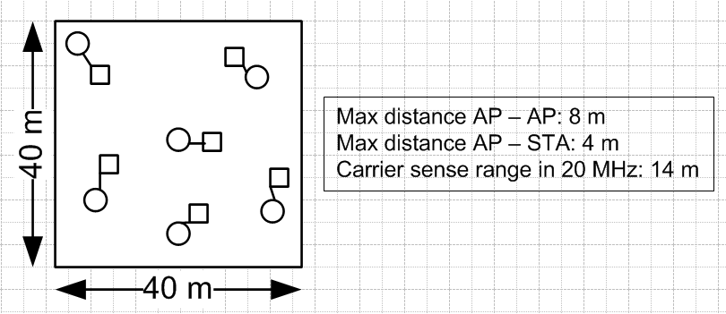
cb_type | load | num_pkt_gen | through | min_through | rho | delay | max_delay | util | wait_time | drop | std_delay | min_delay | max_throughput
0 | 1 | 0 | 0.99 | 0.97 | 0 | 0.65675 | 0.67385 | 0 | 0.11200937 | 0 | 0.006009832814 | 0.64144184 | 1.007812
0 | 20 | 0 | 20.03645 | 19.7704 | 0 | 1.04715 | 1.40155 | 0 | 0.265400975 | 0 | 0.17994503628 | 0.853680475 | 20.20364042
0 | 40 | 0 | 39.9477 | 39.3529 | 0 | 1.7456 | 3.18155 | 0 | 0.53567728 | 0 | 1.0094288922 | 1.081796025 | 40.16418741
0 | 60 | 0 | 59.54625 | 57.10915 | 0 | 4.0088 | 10.59775 | 0 | 1.22679529 | 0 | 4.428407556 | 1.38580107 | 60.25834756
0 | 80 | 0 | 76.39485 | 66.3812 | 0 | 9.23085 | 26.90705 | 0 | 2.570309735 | 0 | 10.811467032 | 1.94056861 | 80.187574155
0 | 100 | 0 | 90.82265 | 70.3556 | 0 | 12.1859 | 37.3607 | 0 | 3.193231035 | 0 | 17.426345892 | 2.683460635 | 100.02519139
0 | 120 | 0 | 104.9191 | 74.3936 | 0 | 17.13745 | 56.9309 | 0 | 4.4726676 | 0 | 27.494958523 | 4.200086455 | 119.87146485
0 | 140 | 0 | 115.96175 | 75.6343 | 0 | 47.5285 | 214.1332 | 0 | 16.172327435 | 0 | 148.12503638 | 9.322465955 | 138.62028516
0 | 160 | 0 | 117.32165 | 75.32855 | 0 | 51.2099 | 224.8599 | 0 | 15.446910205 | 0 | 207.45050608 | 12.87558831 | 141.38982027
0 | 180 | 0 | 117.3189 | 75.17325 | 0 | 50.35245 | 207.44095 | 0 | 15.918089725 | 0 | 241.4585706 | 13.466018525 | 141.38105859
0 | 200 | 0 | 117.3284 | 75.16825 | 0 | 55.2774 | 228.48915 | 0 | 16.89662073 | 0 | 289.94948005 | 13.528938175 | 141.39464842
4 | 1 | 0 | 0.99 | 0.97 | 0 | 0.57075 | 0.58825 | 0 | 0.119398285 | 0 | 0.0061747988391 | 0.553208435 | 1.007812
4 | 20 | 0 | 20.0662 | 19.9673 | 0 | 1.67745 | 3.34925 | 0 | 0.965774055 | 0 | 0.49751536932 | 0.91516213 | 20.20219519
4 | 40 | 0 | 39.93685 | 39.43035 | 0 | 2.8748 | 7.94985 | 0 | 1.826187485 | 0 | 1.5330342019 | 1.06807274 | 40.155359325
4 | 60 | 0 | 59.2901 | 55.80495 | 0 | 4.33475 | 14.0651 | 0 | 2.51886162 | 0 | 3.2350338565 | 1.200920785 | 60.25524215
4 | 80 | 0 | 77.2784 | 66.19105 | 0 | 6.0368 | 21.27655 | 0 | 3.113702865 | 0 | 5.3333534373 | 1.326483785 | 80.241855395
4 | 100 | 0 | 94.19845 | 71.9333 | 0 | 7.71515 | 28.1884 | 0 | 3.671156685 | 0 | 7.5506972336 | 1.44634798 | 100.24163284
4 | 120 | 0 | 110.05485 | 73.9958 | 0 | 9.44335 | 35.2599 | 0 | 4.25901024 | 0 | 9.7885533523 | 1.5638438 | 120.38741396
4 | 140 | 0 | 124.68685 | 72.63195 | 0 | 11.50445 | 43.8657 | 0 | 4.951715955 | 0 | 12.359957902 | 1.689927285 | 140.27257036
4 | 160 | 0 | 137.9029 | 68.8887 | 0 | 13.83045 | 53.50675 | 0 | 5.73570624 | 0 | 15.393649309 | 1.833834365 | 160.14204296
4 | 180 | 0 | 149.4999 | 64.4089 | 0 | 16.32085 | 63.684 | 0 | 6.58638879 | 0 | 19.054556205 | 1.9949405 | 179.97891405
4 | 200 | 0 | 159.6107 | 60.53135 | 0 | 18.60705 | 72.7201 | 0 | 7.37949279 | 0 | 23.183829519 | 2.172279545 | 199.9998437

80x80m2
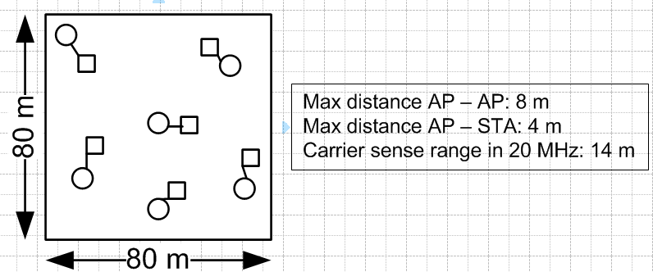
cb_type | load | num_pkt_gen | through | min_through | rho | delay | max_delay | util | wait_time | drop | std_delay | min_delay | max_throughput
0 | 1 | 0 | 0.99 | 0.97 | 0 | 0.65485 | 0.66985 | 0 | 0.11035993 | 0 | 0.0060131764865 | 0.640216245 | 1.007812
0 | 20 | 0 | 20.07 | 19.97 | 0 | 0.92015 | 1.03825 | 0 | 0.156051695 | 0 | 0.093488800286 | 0.851579225 | 20.203894285
0 | 40 | 0 | 40.02 | 39.77995 | 0 | 1.2614 | 1.5942 | 0 | 0.220775585 | 0 | 0.30230686762 | 1.07681676 | 40.165796645
0 | 60 | 0 | 60.05315 | 59.73035 | 0 | 1.97805 | 3.11785 | 0 | 0.386619105 | 0 | 1.4007256527 | 1.353453495 | 60.264613195
0 | 80 | 0 | 79.05155 | 76.7166 | 0 | 4.07415 | 8.5072 | 0 | 0.80672833 | 0 | 3.9274949462 | 1.771323015 | 80.25035539
0 | 100 | 0 | 96.9362 | 90.3467 | 0 | 5.39335 | 11.0877 | 0 | 0.87935103 | 0 | 5.9109869379 | 2.489559935 | 100.21127739
0 | 120 | 0 | 114.5483 | 103.5323 | 0 | 7.75015 | 15.32565 | 0 | 0.985375955 | 0 | 8.019507073 | 3.980371015 | 120.33658597
0 | 140 | 0 | 128.41705 | 110.19045 | 0 | 13.95545 | 24.62845 | 0 | 1.26057873 | 0 | 13.2295977 | 9.22475486 | 139.29136717
0 | 160 | 0 | 130.1359 | 110.44555 | 0 | 16.47155 | 25.24705 | 0 | 1.24739281 | 0 | 16.469895946 | 13.22049392 | 141.92794918
0 | 180 | 0 | 130.1293 | 110.39645 | 0 | 16.8752 | 25.51365 | 0 | 1.23544004 | 0 | 19.082463103 | 13.68526429 | 141.92995312
0 | 200 | 0 | 130.14035 | 110.48785 | 0 | 17.2586 | 26.36215 | 0 | 1.281556915 | 0 | 21.819061076 | 13.972504505 | 141.93103514
4 | 1 | 0 | 0.99 | 0.97 | 0 | 0.56385 | 0.57755 | 0 | 0.11243995 | 0 | 0.0056424005013 | 0.54923262 | 1.007812
4 | 20 | 0 | 20.0699 | 19.97 | 0 | 0.92435 | 1.2466 | 0 | 0.366922455 | 0 | 0.14785656162 | 0.689039035 | 20.20394504
4 | 40 | 0 | 40.01925 | 39.7777 | 0 | 1.2082 | 2.05965 | 0 | 0.58404627 | 0 | 0.31257242779 | 0.764500475 | 40.165890485
4 | 60 | 0 | 60.0681 | 59.74785 | 0 | 1.47785 | 3.0116 | 0 | 0.76175772 | 0 | 0.58383319407 | 0.814008245 | 60.26503122
4 | 80 | 0 | 79.89335 | 79.10395 | 0 | 1.7968 | 4.24375 | 0 | 0.921071735 | 0 | 1.0407716757 | 0.85602912 | 80.255621005
4 | 100 | 0 | 99.53325 | 96.982 | 0 | 2.14535 | 5.5728 | 0 | 1.055192185 | 0 | 1.667443061 | 0.895693465 | 100.26637887
4 | 120 | 0 | 118.7465 | 113.09105 | 0 | 2.4925 | 6.83805 | 0 | 1.171239015 | 0 | 2.3278349075 | 0.935431525 | 120.51436305
4 | 140 | 0 | 137.47285 | 127.03185 | 0 | 2.87125 | 8.20275 | 0 | 1.289568785 | 0 | 3.0065254354 | 0.97564762 | 140.38162898
4 | 160 | 0 | 155.718 | 138.61565 | 0 | 3.29485 | 9.6863 | 0 | 1.41610389 | 0 | 3.7032837791 | 1.0199016 | 160.28811718
4 | 180 | 0 | 173.19545 | 147.237 | 0 | 3.76155 | 11.24115 | 0 | 1.544869455 | 0 | 4.4000604487 | 1.06689287 | 180.18739464
4 | 200 | 0 | 189.67445 | 152.108 | 0 | 4.2911 | 13.04285 | 0 | 1.688266665 | 0 | 5.143542967 | 1.11744218 | 200.4157655

