ej11
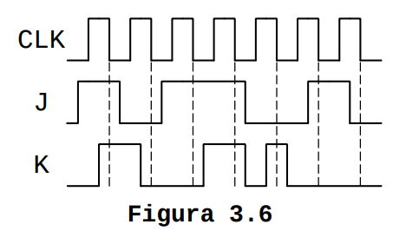
CLK

J

K | J = Set
 | K = Reset
Q

ej14
CLK

J

K

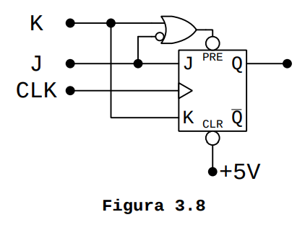
\J + K

PRE

Q

ej15a2
CLK

E
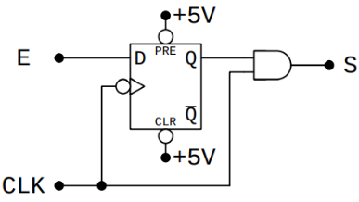

Q

S

ej17
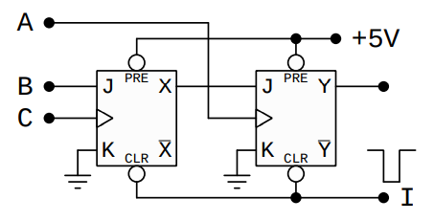
A

B

C

X

Y

CLR

ej18
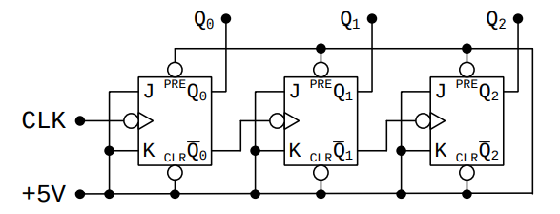
CLK

Q0

\Q0

Q1

\Q1

Q2

