Sheet1
CHANGE DECIMAL SEPARATOR TO "."

 |  | LOW |  | TYP |  | MAX
 | TEMP | kOhm | ohm | kOhm | ohm | kOhm | ohm | LOW | .param NTC_LOW=table(temp,-55,447841,1,-54,421877,6,-53,397521,4,-52,374668,3,-51,353221,5,-50,333090,3,-49,314190,1,-48,296442,1,-47,279772,5,-46,264112,4,-45,249397,7,-44,235568,2,-43,222568,-42,210344,5,-41,198848,9,-40,188020,2,-39,177804,4,-38,168214,1,-37,159206,9,-36,150743,5,-35,142787,7,-34,135305,5,-33,128265,9,-32,121639,7,-31,115400,1,-30,109522,1,-29,103989,4,-28,98772,5,-27,93851,2,-26,89207,1,-25,84822,7,-24,80681,9,-23,76769,8,-22,73072,2,-21,69576,1,-20,66269,4,-19,63147,7,-18,60192,3,-17,57393,3,-16,54741,5,-15,52228,3,-14,49845,6,-13,47585,9,-12,45442,2,-11,43407,8,-10,41476,5,-9,39634,5,-8,37885,5,-7,36224,4,-6,34646,1,-5,33146,2,-4,31720,2,-3,30364,1,-2,29074,-1,27846,5,0,26678,1,25569,2,24512,3,3,23505,2,4,22545,5,21629,4,6,20756,7,19922,7,8,19127,3,9,18368,10,17643,11,16949,4,12,16287,13,15654,1,14,15049,3,15,14471,2,16,13918,4,17,13389,8,18,12884,1,19,12400,2,20,11937,1,21,11494,5,22,11070,3,23,10663,7,24,10273,8,25,9900,26,9534,3,27,9183,8,28,8847,7,29,8525,4,30,8216,2,31,7920,4,32,7636,7,33,7364,7,34,7103,8,35,6853,4,36,6613,1,37,6382,5,38,6161,1,39,5948,5,40,5744,3,41,5547,4,42,5358,2,43,5176,4,44,5001,5,45,4833,3,46,4671,5,47,4515,9,48,4366,1,49,4222,50,4083,3,51,3949,8,52,3821,3,53,3697,5,54,3578,3,55,3463,4,56,3352,7,57,3246,1,58,3143,2,59,3044,1,60,2948,6,61,2857,8,62,2770,3,63,2685,8,64,2604,4,65,2525,9,66,2450,1,67,2377,68,2306,4,69,2238,2,70,2172,4,71,2108,6,72,2046,9,73,1987,3,74,1929,8,75,1874,1,76,1820,4,77,1768,4,78,1718,1,79,1669,5,80,1622,5,81,1577,2,82,1533,4,83,1490,9,84,1449,9,85,1410,1,86,1371,7,87,1334,4,88,1298,4,89,1263,5,90,1229,6,91,1196,6,92,1164,7,93,1133,7,94,1103,7,95,1074,6,96,1046,4,97,1019,98,992,5,99,966,8,100,941,9,101,917,9,102,894,6,103,872,104,850,1,105,828,8,106,808,1,107,788,1,108,768,6,109,749,7,110,731,3,111,713,5,112,696,2,113,679,3,114,663,115,647,1,116,631,6,117,616,6,118,602,119,587,8,120,574,121,560,6,122,547,6,123,534,9,124,522,6,125,510,6,126,499,127,487,6,128,476,6,129,465,8,130,455,4,131,445,2
 | -55 | 447.8411 | 447841.1 | 470.1223 | 470122.3 | 493.4627 | 493462.7 | TYP | .param NTC_TYP=table(temp,-55,470122,3,-54,442600,-53,416797,-52,392600,9,-51,369907,3,-50,348618,4,-49,328643,1,-48,309896,6,-47,292299,5,-46,275777,7,-45,260262,3,-44,245688,8,-43,231997,-42,219130,6,-41,207037,2,-40,195652,-39,184917,1,-38,174845,2,-37,165391,-36,156512,5,-35,148171,-34,140330,4,-33,132957,6,-32,126021,5,-31,119493,6,-30,113347,1,-29,107564,9,-28,102115,5,-27,96977,6,-26,92131,5,-25,87558,8,-24,83242,4,-23,79166,3,-22,75315,7,-21,71676,8,-20,68236,7,-19,64990,7,-18,61919,-17,59011,3,-16,56257,9,-15,53649,6,-14,51177,9,-13,48834,9,-12,46613,2,-11,44505,8,-10,42506,2,-9,40599,7,-8,38790,5,-7,37072,9,-6,35441,7,-5,33892,2,-4,32419,7,-3,31020,-2,29689,-1,28423,1,0,27218,6,1,26076,2,24987,7,3,23950,9,4,22962,9,5,22021,1,6,21123,7,20266,6,8,19449,5,9,18669,8,10,17925,5,11,17213,9,12,16534,4,13,15885,6,14,15265,8,15,14673,5,16,14107,5,17,13566,4,18,13048,9,19,12554,20,12080,5,21,11628,1,22,11194,7,23,10779,5,24,10381,5,25,10000,26,9634,2,27,9283,5,28,8947,29,8624,2,30,8314,5,31,8018,1,32,7733,7,33,7460,9,34,7199,1,35,6947,9,36,6706,7,37,6475,1,38,6252,6,39,6039,40,5833,6,41,5635,7,42,5445,4,43,5262,3,44,5086,3,45,4916,9,46,4753,9,47,4597,1,48,4446,1,49,4300,8,50,4160,9,51,4026,2,52,3896,4,53,3771,4,54,3651,55,3535,56,3423,1,57,3315,2,58,3211,3,59,3111,60,3014,3,61,2922,4,62,2833,7,63,2748,2,64,2665,7,65,2586,1,66,2509,3,67,2435,1,68,2363,5,69,2294,3,70,2227,5,71,2162,7,72,2100,1,73,2039,6,74,1981,1,75,1924,5,76,1869,8,77,1817,78,1765,8,79,1716,4,80,1668,5,81,1622,4,82,1577,7,83,1534,5,84,1492,7,85,1452,1,86,1412,9,87,1374,9,88,1338,1,89,1302,5,90,1268,91,1234,3,92,1201,6,93,1170,94,1139,3,95,1109,6,96,1080,7,97,1052,8,98,1025,6,99,999,3,100,973,8,101,949,2,102,925,4,103,902,2,104,879,8,105,858,106,836,8,107,816,2,108,796,3,109,776,9,110,758,111,739,7,112,721,9,113,704,6,114,687,8,115,671,5,116,655,6,117,640,2,118,625,2,119,610,6,120,596,4,121,582,6,122,569,2,123,556,2,124,543,5,125,531,1,126,519,1,127,507,4,128,496,1,129,485,130,474,2,131,463,7,132,453,
 | -54 | 421.8776 | 421877.6 | 442.6000 | 442600 | 464.2938 | 464293.8 | MAX | .param NTC_MAX=table(temp,-55,493462,7,-54,464293,8,-53,436963,5,-52,411350,7,-51,387342,5,-50,364833,9,-49,343726,6,-48,323929,4,-47,305356,9,-46,287929,5,-45,271573,1,-44,256218,6,-43,241801,2,-42,228260,9,-41,215541,2,-40,203573,1,-39,192295,1,-38,181719,5,-37,171798,1,-36,162486,-35,153741,8,-34,145527,4,-33,137807,1,-32,130548,1,-31,123719,8,-30,117294,-29,111252,2,-28,105561,1,-27,100198,1,-26,95142,3,-25,90374,1,-24,85875,5,-23,81629,5,-22,77620,4,-21,73833,6,-20,70255,4,-19,66880,7,-18,63688,9,-17,60668,9,-16,57810,5,-15,55104,-14,52540,6,-13,50111,7,-12,47809,7,-11,45627,1,-10,43557,-9,41584,3,-8,39713,1,-7,37937,4,-6,36251,9,-5,34651,5,-4,33131,3,-3,31686,9,-2,30314,-1,29008,8,0,27767,5,1,26590,4,2,25469,8,3,24402,6,4,23386,1,5,22417,5,6,21494,4,7,20614,3,8,19775,1,9,18974,5,10,18210,7,11,17480,7,12,16784,13,16118,9,14,15483,8,15,14877,2,16,14297,7,17,13743,9,18,13214,5,19,12708,4,20,12224,4,21,11762,1,22,11319,5,23,10895,5,24,10489,2,25,10100,26,9734,2,27,9383,3,28,9046,5,29,8723,4,30,8413,2,31,8116,2,32,7831,2,33,7557,6,34,7295,1,35,7043,36,6800,9,37,6568,3,38,6344,9,39,6130,2,40,5923,8,41,5724,8,42,5533,3,43,5349,2,44,5172,45,5001,5,46,4837,3,47,4679,3,48,4527,1,49,4380,6,50,4239,5,51,4103,6,52,3972,7,53,3846,5,54,3724,9,55,3607,6,56,3494,6,57,3385,6,58,3280,4,59,3179,60,3081,2,61,2988,1,62,2898,4,63,2811,8,64,2728,2,65,2647,6,66,2569,7,67,2494,5,68,2421,8,69,2351,7,70,2283,9,71,2218,1,72,2154,5,73,2093,74,2033,5,75,1976,1,76,1920,5,77,1866,7,78,1814,7,79,1764,4,80,1715,7,81,1668,7,82,1623,2,83,1579,2,84,1536,5,85,1495,2,86,1455,2,87,1416,5,88,1379,89,1342,6,90,1307,4,91,1273,92,1239,6,93,1207,3,94,1176,95,1145,6,96,1116,1,97,1087,5,98,1059,8,99,1032,8,100,1006,7,101,981,6,102,957,1,103,933,4,104,910,4,105,888,1,106,866,4,107,845,3,108,824,8,109,804,9,110,785,6,111,766,8,112,748,5,113,730,8,114,713,5,115,696,8,116,680,5,117,664,6,118,649,2,119,634,2,120,619,6,121,605,4,122,591,6,123,578,2,124,565,1,125,552,4,126,540,1,127,528,128,516,3,129,504,9,130,493
 | -53 | 397.5214 | 397521.4 | 416.7970 | 416797 | 436.9635 | 436963.5
 | -52 | 374.6683 | 374668.3 | 392.6009 | 392600.9 | 411.3507 | 411350.7
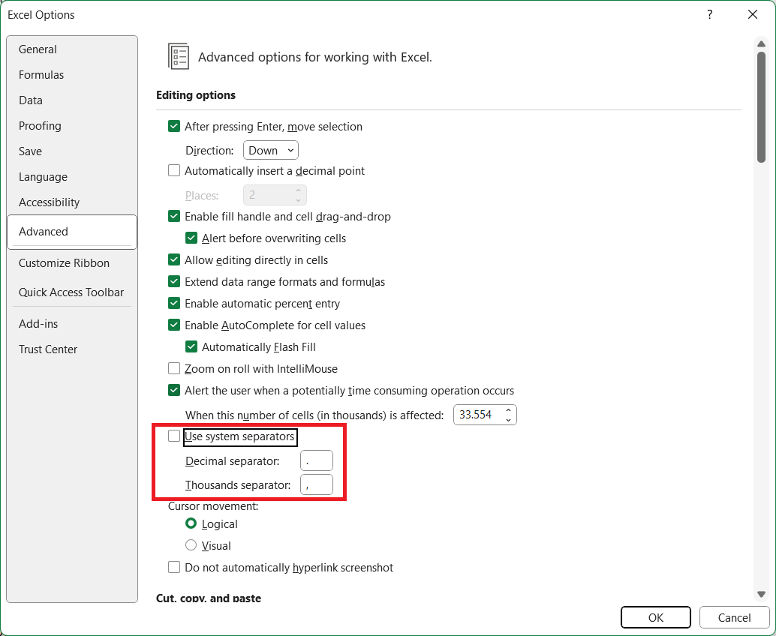
 | -51 | 353.2215 | 353221.5 | 369.9073 | 369907.3 | 387.3425 | 387342.5
 | -50 | 333.0903 | 333090.3 | 348.6184 | 348618.4 | 364.8339 | 364833.9
 | -49 | 314.1901 | 314190.1 | 328.6431 | 328643.1 | 343.7266 | 343726.6
 | -48 | 296.4421 | 296442.1 | 309.8966 | 309896.6 | 323.9294 | 323929.4
 | -47 | 279.7725 | 279772.5 | 292.2995 | 292299.5 | 305.3569 | 305356.9
 | -46 | 264.1124 | 264112.4 | 275.7777 | 275777.7 | 287.9295 | 287929.5
 | -45 | 249.3977 | 249397.7 | 260.2623 | 260262.3 | 271.5731 | 271573.1
 | -44 | 235.5682 | 235568.2 | 245.6888 | 245688.8 | 256.2186 | 256218.6
 | -43 | 222.5680 | 222568 | 231.9970 | 231997 | 241.8012 | 241801.2
 | -42 | 210.3445 | 210344.5 | 219.1306 | 219130.6 | 228.2609 | 228260.9
 | -41 | 198.8489 | 198848.9 | 207.0372 | 207037.2 | 215.5412 | 215541.2
 | -40 | 188.0202 | 188020.2 | 195.6520 | 195652 | 203.5731 | 203573.1
 | -39 | 177.8044 | 177804.4 | 184.9171 | 184917.1 | 192.2951 | 192295.1
 | -38 | 168.2141 | 168214.1 | 174.8452 | 174845.2 | 181.7195 | 181719.5
 | -37 | 159.2069 | 159206.9 | 165.3910 | 165391 | 171.7981 | 171798.1
 | -36 | 150.7435 | 150743.5 | 156.5125 | 156512.5 | 162.4860 | 162486
 | -35 | 142.7877 | 142787.7 | 148.1710 | 148171 | 153.7418 | 153741.8
 | -34 | 135.3055 | 135305.5 | 140.3304 | 140330.4 | 145.5274 | 145527.4
 | -33 | 128.2659 | 128265.9 | 132.9576 | 132957.6 | 137.8071 | 137807.1
 | -32 | 121.6397 | 121639.7 | 126.0215 | 126021.5 | 130.5481 | 130548.1
 | -31 | 115.4001 | 115400.1 | 119.4936 | 119493.6 | 123.7198 | 123719.8
 | -30 | 109.5221 | 109522.1 | 113.3471 | 113347.1 | 117.2940 | 117294
 | -29 | 103.9894 | 103989.4 | 107.5649 | 107564.9 | 111.2522 | 111252.2
 | -28 | 98.7725 | 98772.5 | 102.1155 | 102115.5 | 105.5611 | 105561.1
 | -27 | 93.8512 | 93851.2 | 96.9776 | 96977.6 | 100.1981 | 100198.1
 | -26 | 89.2071 | 89207.1 | 92.1315 | 92131.5 | 95.1423 | 95142.3
 | -25 | 84.8227 | 84822.7 | 87.5588 | 87558.8 | 90.3741 | 90374.1
 | -24 | 80.6819 | 80681.9 | 83.2424 | 83242.4 | 85.8755 | 85875.5
 | -23 | 76.7698 | 76769.8 | 79.1663 | 79166.3 | 81.6295 | 81629.5
 | -22 | 73.0722 | 73072.2 | 75.3157 | 75315.7 | 77.6204 | 77620.4
 | -21 | 69.5761 | 69576.1 | 71.6768 | 71676.8 | 73.8336 | 73833.6
 | -20 | 66.2694 | 66269.4 | 68.2367 | 68236.7 | 70.2554 | 70255.4
 | -19 | 63.1477 | 63147.7 | 64.9907 | 64990.7 | 66.8807 | 66880.7
 | -18 | 60.1923 | 60192.3 | 61.9190 | 61919 | 63.6889 | 63688.9
 | -17 | 57.3933 | 57393.3 | 59.0113 | 59011.3 | 60.6689 | 60668.9
 | -16 | 54.7415 | 54741.5 | 56.2579 | 56257.9 | 57.8105 | 57810.5
 | -15 | 52.2283 | 52228.3 | 53.6496 | 53649.6 | 55.1040 | 55104
 | -14 | 49.8456 | 49845.6 | 51.1779 | 51177.9 | 52.5406 | 52540.6
 | -13 | 47.5859 | 47585.9 | 48.8349 | 48834.9 | 50.1117 | 50111.7
 | -12 | 45.4422 | 45442.2 | 46.6132 | 46613.2 | 47.8097 | 47809.7
 | -11 | 43.4078 | 43407.8 | 44.5058 | 44505.8 | 45.6271 | 45627.1
 | -10 | 41.4765 | 41476.5 | 42.5062 | 42506.2 | 43.5570 | 43557
 | -9 | 39.6345 | 39634.5 | 40.5997 | 40599.7 | 41.5843 | 41584.3
 | -8 | 37.8855 | 37885.5 | 38.7905 | 38790.5 | 39.7131 | 39713.1
 | -7 | 36.2244 | 36224.4 | 37.0729 | 37072.9 | 37.9374 | 37937.4
 | -6 | 34.6461 | 34646.1 | 35.4417 | 35441.7 | 36.2519 | 36251.9
 | -5 | 33.1462 | 33146.2 | 33.8922 | 33892.2 | 34.6515 | 34651.5
 | -4 | 31.7202 | 31720.2 | 32.4197 | 32419.7 | 33.1313 | 33131.3
 | -3 | 30.3641 | 30364.1 | 31.0200 | 31020 | 31.6869 | 31686.9
 | -2 | 29.0740 | 29074 | 29.6890 | 29689 | 30.3140 | 30314
 | -1 | 27.8465 | 27846.5 | 28.4231 | 28423.1 | 29.0088 | 29008.8
 | 0 | 26.6780 | 26678 | 27.2186 | 27218.6 | 27.7675 | 27767.5
 | 1 | 25.5690 | 25569 | 26.0760 | 26076 | 26.5904 | 26590.4
 | 2 | 24.5123 | 24512.3 | 24.9877 | 24987.7 | 25.4698 | 25469.8
 | 3 | 23.5052 | 23505.2 | 23.9509 | 23950.9 | 24.4026 | 24402.6
 | 4 | 22.5450 | 22545 | 22.9629 | 22962.9 | 23.3861 | 23386.1
 | 5 | 21.6294 | 21629.4 | 22.0211 | 22021.1 | 22.4175 | 22417.5
 | 6 | 20.7560 | 20756 | 21.1230 | 21123 | 21.4944 | 21494.4
 | 7 | 19.9227 | 19922.7 | 20.2666 | 20266.6 | 20.6143 | 20614.3
 | 8 | 19.1273 | 19127.3 | 19.4495 | 19449.5 | 19.7751 | 19775.1
 | 9 | 18.3680 | 18368 | 18.6698 | 18669.8 | 18.9745 | 18974.5
 | 10 | 17.6430 | 17643 | 17.9255 | 17925.5 | 18.2107 | 18210.7
 | 11 | 16.9494 | 16949.4 | 17.2139 | 17213.9 | 17.4807 | 17480.7
 | 12 | 16.2870 | 16287 | 16.5344 | 16534.4 | 16.7840 | 16784
 | 13 | 15.6541 | 15654.1 | 15.8856 | 15885.6 | 16.1189 | 16118.9
 | 14 | 15.0493 | 15049.3 | 15.2658 | 15265.8 | 15.4838 | 15483.8
 | 15 | 14.4712 | 14471.2 | 14.6735 | 14673.5 | 14.8772 | 14877.2
 | 16 | 13.9184 | 13918.4 | 14.1075 | 14107.5 | 14.2977 | 14297.7
 | 17 | 13.3898 | 13389.8 | 13.5664 | 13566.4 | 13.7439 | 13743.9
 | 18 | 12.8841 | 12884.1 | 13.0489 | 13048.9 | 13.2145 | 13214.5
 | 19 | 12.4002 | 12400.2 | 12.5540 | 12554 | 12.7084 | 12708.4
 | 20 | 11.9371 | 11937.1 | 12.0805 | 12080.5 | 12.2244 | 12224.4
 | 21 | 11.4945 | 11494.5 | 11.6281 | 11628.1 | 11.7621 | 11762.1
 | 22 | 11.0703 | 11070.3 | 11.1947 | 11194.7 | 11.3195 | 11319.5
 | 23 | 10.6637 | 10663.7 | 10.7795 | 10779.5 | 10.8955 | 10895.5
 | 24 | 10.2738 | 10273.8 | 10.3815 | 10381.5 | 10.4892 | 10489.2
 | 25 | 9.9000 | 9900 | 10.0000 | 10000 | 10.1000 | 10100
 | 26 | 9.5343 | 9534.3 | 9.6342 | 9634.2 | 9.7342 | 9734.2
 | 27 | 9.1838 | 9183.8 | 9.2835 | 9283.5 | 9.3833 | 9383.3
 | 28 | 8.8477 | 8847.7 | 8.9470 | 8947 | 9.0465 | 9046.5
 | 29 | 8.5254 | 8525.4 | 8.6242 | 8624.2 | 8.7234 | 8723.4
 | 30 | 8.2162 | 8216.2 | 8.3145 | 8314.5 | 8.4132 | 8413.2
 | 31 | 7.9204 | 7920.4 | 8.0181 | 8018.1 | 8.1162 | 8116.2
 | 32 | 7.6367 | 7636.7 | 7.7337 | 7733.7 | 7.8312 | 7831.2
...

