Filter1
Company | Name | Region | Transaction | Date | Cust ID | Cust Name | Item | Item Description | Quantity | Sales USD
1020US | Meta Creations | America | 24030 | 2024-10-11 | 8020 | Erma | 108 | Laptop bag black | 80 | 2240 | 1. Write your filters, with the headers and everything, like m1->n2 in "data" tab
1020US | Meta Creations | America | 24031 | 2024-06-23 | 8020 | Erma | 108 | Laptop bag black | 20 | 560 | 2. Create a new tab and move in there
1020US | Meta Creations | America | 28112 | 2024-05-27 | 8020 | Erma | 108 | Laptop bag black | 10 | 280 | 3. Go to Data->Filter->Advanced, in "Copy To" yiou select the empty A1 cell
1040DE | Lucas Basics | Europe | 44015 | 2024-08-13 | 8060 | Liebher | 108 | Laptop bag black | 60 | 1970
1040DE | Lucas Basics | Europe | 44015 | 2024-07-01 | 8060 | Liebher | 109 | Laptop bag red | 70 | 2300
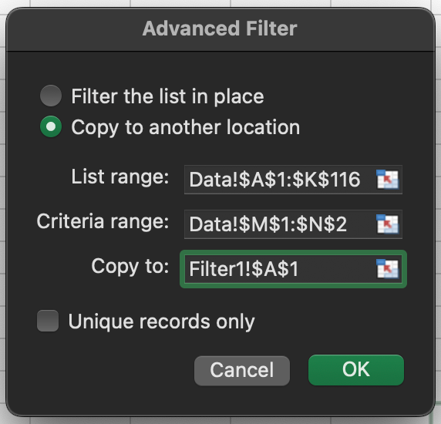
1040DE | Lucas Basics | Europe | 44016 | 2024-08-14 | 8050 | Aida GmbH | 108 | Laptop bag black | 70 | 2300
1040DE | Lucas Basics | Europe | 44016 | 2024-09-22 | 8050 | Aida GmbH | 109 | Laptop bag red | 60 | 1970
1040DE | Lucas Basics | Europe | 44017 | 2024-06-17 | 8060 | Liebher | 108 | Laptop bag black | 70 | 2300
1040DE | Lucas Basics | Europe | 44017 | 2024-09-14 | 8060 | Liebher | 109 | Laptop bag red | 70 | 2300
1040DE | Lucas Basics | Europe | 44030 | 2024-10-05 | 8060 | Liebher | 108 | Laptop bag black | 60 | 1970
1040DE | Lucas Basics | Europe | 44030 | 2024-09-27 | 8060 | Liebher | 109 | Laptop bag red | 60 | 1970
1040DE | Lucas Basics | Europe | 44031 | 2024-08-27 | 8050 | Aida GmbH | 108 | Laptop bag black | 60 | 1970
1040DE | Lucas Basics | Europe | 44031 | 2024-07-10 | 8050 | Aida GmbH | 109 | Laptop bag red | 50 | 1640
1040DE | Lucas Basics | Europe | 44032 | 2024-07-29 | 8060 | Liebher | 108 | Laptop bag black | 60 | 1970
1040DE | Lucas Basics | Europe | 44032 | 2024-08-20 | 8060 | Liebher | 109 | Laptop bag red | 70 | 2300
1040DE | Lucas Basics | Europe | 45427 | 2024-09-26 | 8050 | Aida GmbH | 108 | Laptop bag black | 70 | 2300
1040DE | Lucas Basics | Europe | 45427 | 2024-06-18 | 8050 | Aida GmbH | 109 | Laptop bag red | 60 | 1970
1040DE | Lucas Basics | Europe | 45429 | 2024-08-28 | 8060 | Liebher | 108 | Laptop bag black | 80 | 2630
1040DE | Lucas Basics | Europe | 45429 | 2024-07-09 | 8060 | Liebher | 109 | Laptop bag red | 80 | 2630
1040DE | Lucas Basics | Europe | 45431 | 2024-07-22 | 8050 | Aida GmbH | 108 | Laptop bag black | 60 | 1970
1040DE | Lucas Basics | Europe | 45438 | 2024-09-08 | 8070 | Robert Gross | 108 | Laptop bag black | 90 | 2880
1040DE | Lucas Basics | Europe | 45442 | 2024-09-28 | 8050 | Aida GmbH | 108 | Laptop bag black | 50 | 1640
1040DE | Lucas Basics | Europe | 45442 | 2024-06-11 | 8050 | Aida GmbH | 109 | Laptop bag red | 60 | 1970
1040DE | Lucas Basics | Europe | 45444 | 2024-05-28 | 8060 | Liebher | 108 | Laptop bag black | 60 | 1970
1040DE | Lucas Basics | Europe | 45444 | 2024-08-02 | 8060 | Liebher | 109 | Laptop bag red | 70 | 2300
1040DE | Lucas Basics | Europe | 45446 | 2024-07-03 | 8050 | Aida GmbH | 108 | Laptop bag black | 50 | 1640
1040DE | Lucas Basics | Europe | 48097 | 2024-08-28 | 8060 | Liebher | 109 | Laptop bag red | 60 | 1970
1040DE | Lucas Basics | Europe | 48099 | 2024-07-20 | 8050 | Aida GmbH | 109 | Laptop bag red | 60 | 1970
1040DE | Lucas Basics | Europe | 48101 | 2024-08-12 | 8060 | Liebher | 109 | Laptop bag red | 60 | 1970
1040DE | Lucas Basics | Europe | 48112 | 2024-05-30 | 8060 | Liebher | 109 | Laptop bag red | 60 | 1970
1040DE | Lucas Basics | Europe | 48114 | 2024-10-11 | 8050 | Aida GmbH | 109 | Laptop bag red | 60 | 1970
1040DE | Lucas Basics | Europe | 48116 | 2024-08-11 | 8060 | Liebher | 109 | Laptop bag red | 60 | 1970

Filter2
Transaction | Item | Quantity
24030 | 108 | 80 | 1. Write your filters, with the headers and everything, like m1->n2 in "data" tab
24031 | 108 | 20 | 2. I only want some columns after filtering, so I put their headers
28112 | 108 | 10
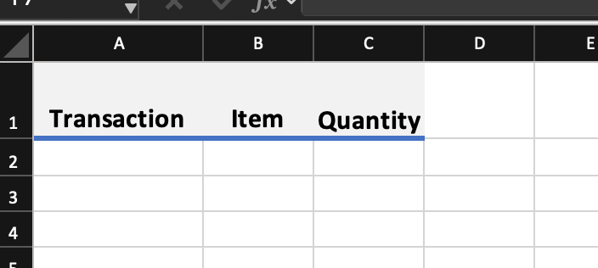
44015 | 108 | 60
44015 | 109 | 70
44016 | 108 | 70
44016 | 109 | 60
44017 | 108 | 70
44017 | 109 | 70
44030 | 108 | 60
44030 | 109 | 60
44031 | 108 | 60
44031 | 109 | 50
44032 | 108 | 60 | 3. Create a new tab and move in there
44032 | 109 | 70 | 4. Go to Data->Filter->Advanced, in "Copy To" you select the headers
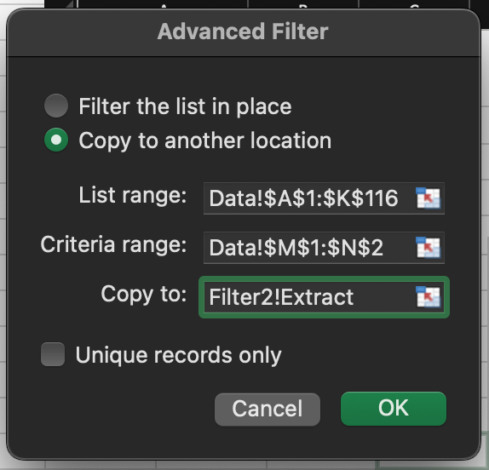
45427 | 108 | 70
45427 | 109 | 60
45429 | 108 | 80
45429 | 109 | 80
45431 | 108 | 60
45438 | 108 | 90
45442 | 108 | 50
45442 | 109 | 60
45444 | 108 | 60
45444 | 109 | 70
45446 | 108 | 50
48097 | 109 | 60
48099 | 109 | 60
48101 | 109 | 60
48112 | 109 | 60
48114 | 109 | 60
48116 | 109 | 60

