Template Chart 1
Manufacturing company sourcing parts from Chine & US
Parts sourced from China and United States
Parts sourced from China and United States
 |  |  | 1. select the numbers, insert "100% stacked bar chart"
 | China | United States | 2. insert data labels and format left/right
Battery cells | 370 | 291 | 3. remove the titles and the labels are standard textboxes
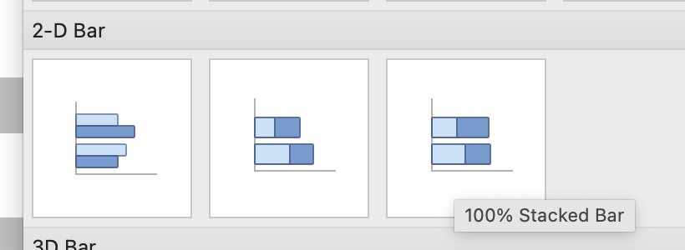
Microprocessors | 32 | 122
LCD Displays | 2 | 11
Sensors | 456 | 988
HPC chips | 116 | 689

Template Chart 2
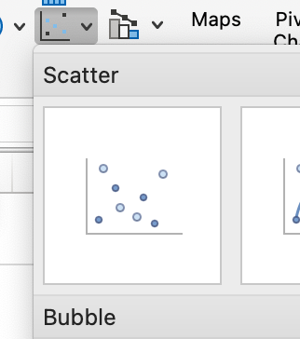
Employee Engagement Scores based on internal surveys

Employee Engagement Scores 2023 vs 2024
Department | Engagement Score in 2023 (%) | Engagement Score in 2024 (%) | y-position | Difference | labels | 1. first build the eux columns (in green)
Production | 20% | 35% | 1 | 15% | 0% | 2. without anything selected, insert scatter plot
Finance | 60% | 70% | 2 | 10% | 0% | 3. Right-click, add data then add legend entries
Customer Service | 80% | 70% | 3 | -10% | 0% | 3a. Name is the label
Operations | 85% | 78% | 4 | -7% | 0% | 3b. X-values asre percentages
IT | 45% | 55% | 5 | 10% | 0% | 3c. Y-values are the Y-position column
Procurement | 32% | 55% | 6 | 23% | 0% | 4. to do the connecting lines, select the second elements of the series, "chart design", add "error bar"
Sales | 60% | 65% | 7 | 5% | 0% | 4a. Delete the vertical error bar, right clich on horizontal and choose format
HR | 75% | 80% | 8 | 5% | 0% | 4b. Choose direction "minus", remove the caps
 |  |  |  |  |  | 4c. for the error amount, choose custom and then the difference colums for the negative error values
 |  |  |  |  |  | 5. the left column with the labels is a third legend, where the labels are formatted as values from the column A
 |  |  |  |  |  | right-click, format data labels, values from cells

