Average precipitation in depth
Average precipitation in depth - Ranks

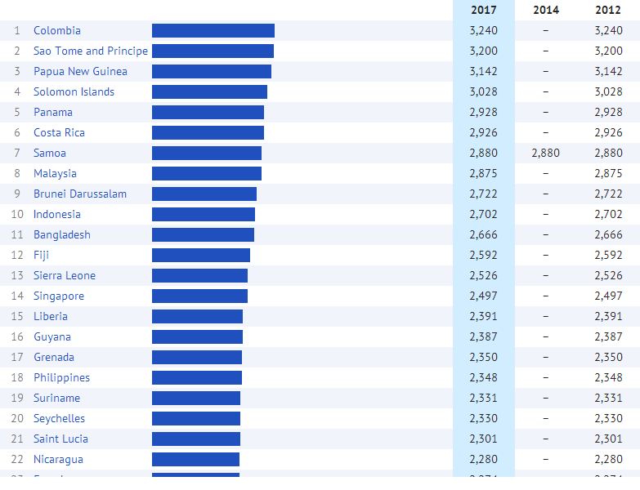

Source:

Created with knoema.com

