Bug Report1
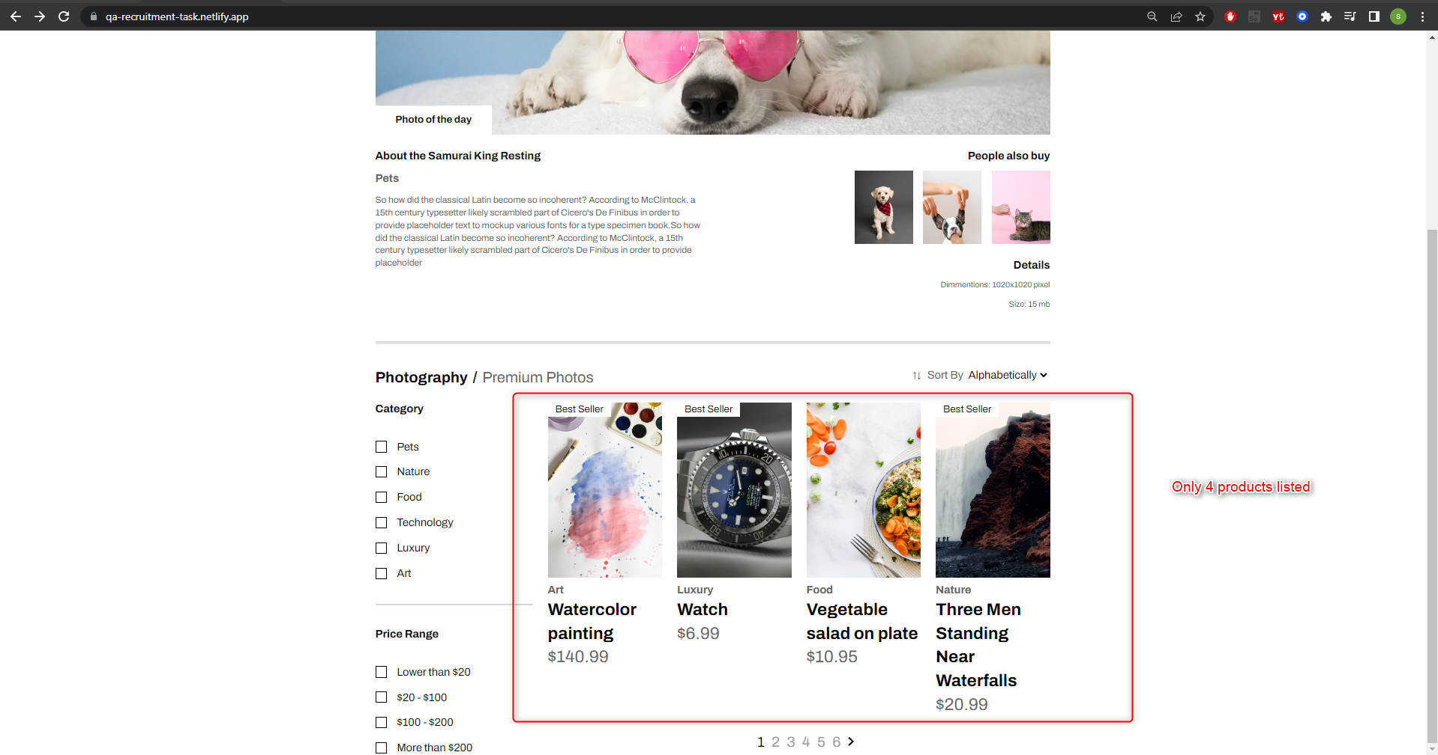
Category | Label | Value
Bug ID | ID number | #BJMS_01
 | Name | Displayed Product count not match the requirement
 | Reporter | Serhat Akan
 | Submit Date | 26/06/22
Bug overview | Summary | In product field displayed only 4 products but in the requirements and design page there 6 product displays.
 | URL | https://qa-recruitment-task.netlify.app/
Environment | Platform | Windows
 | Operating System | Windows 10 Pro 21H2
 | Browser | Chrome 102.0.5005.115
Bug details | Steps to reproduce | Navigate the URL and check to products field.
 | Expected result | There should 6 different products listed
 | Actual result | Only 4 different products listed
 | Description | /
Bug tracking | Severity | Major
 | Assigned to | /
 | Priority | High
Notes | Notes | /

Bug Report2
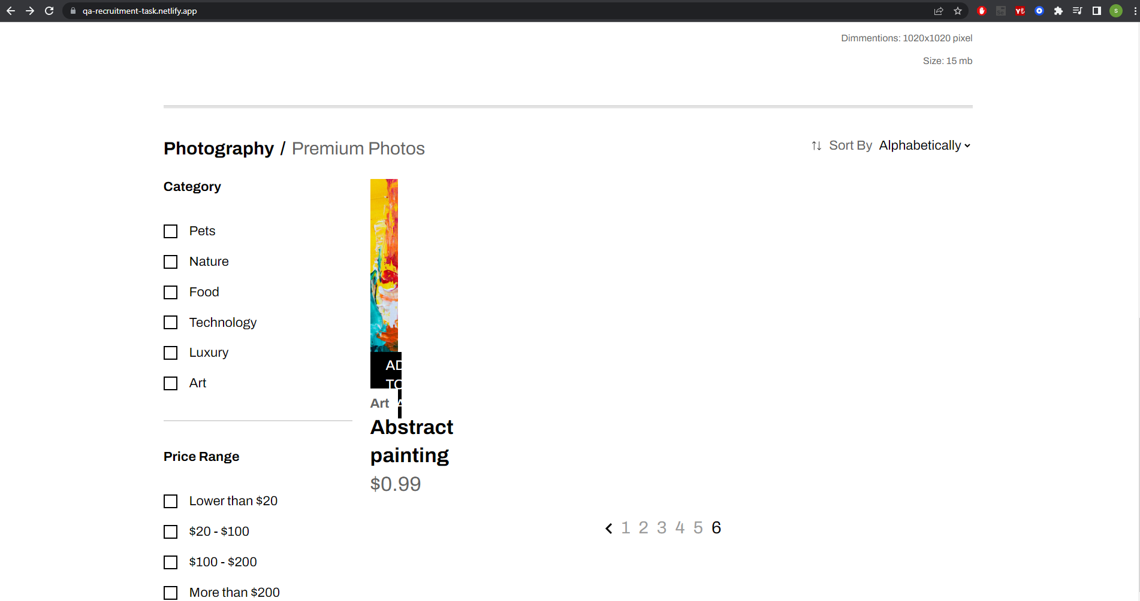
Category | Label | Value
Bug ID | ID number | #BJMS_02
 | Name | Product Image corrupts on last page
 | Reporter | Serhat Akan
 | Submit Date | 26/06/22
Bug overview | Summary | In last page(6th) displayed product as "Abstract painting" is corrupted.
 | URL | https://qa-recruitment-task.netlify.app/
Environment | Platform | Windows
 | Operating System | Windows 10 Pro 21H2
 | Browser | Chrome 102.0.5005.115
Bug details | Steps to reproduce | Navigate the last product page of the URL and check to Abstract painting product's image
 | Expected result | Product Image should not corrupted
 | Actual result | Product Image corrupted
 | Description | /
Bug tracking | Severity | Major
 | Assigned to | /
 | Priority | High
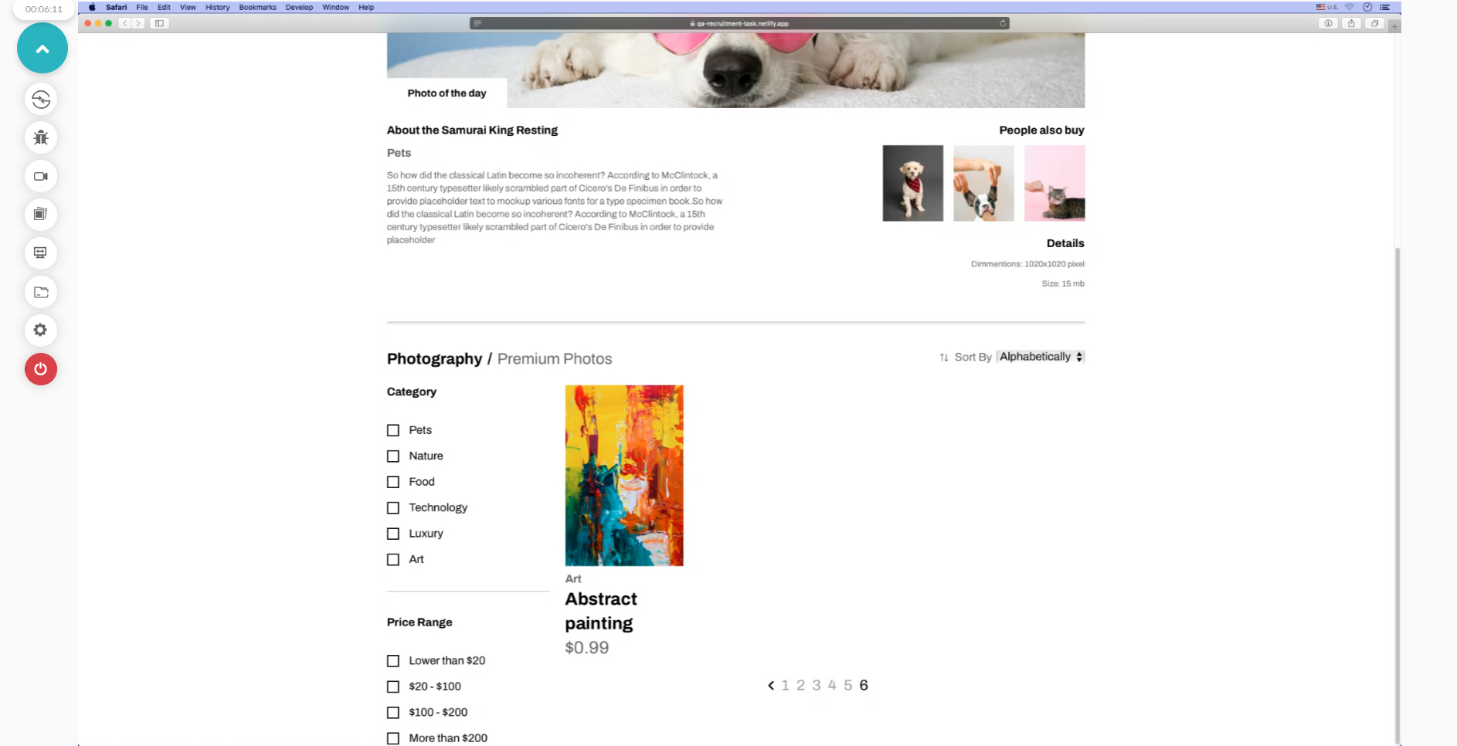
Notes | Notes | Not happens on Safari.

Bug Report3
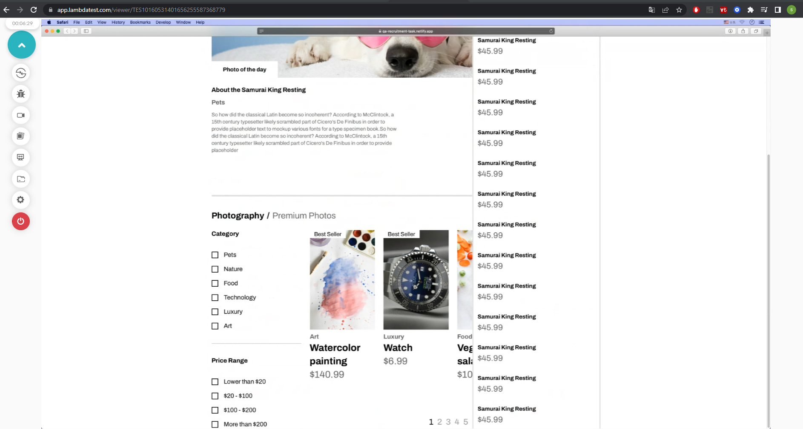
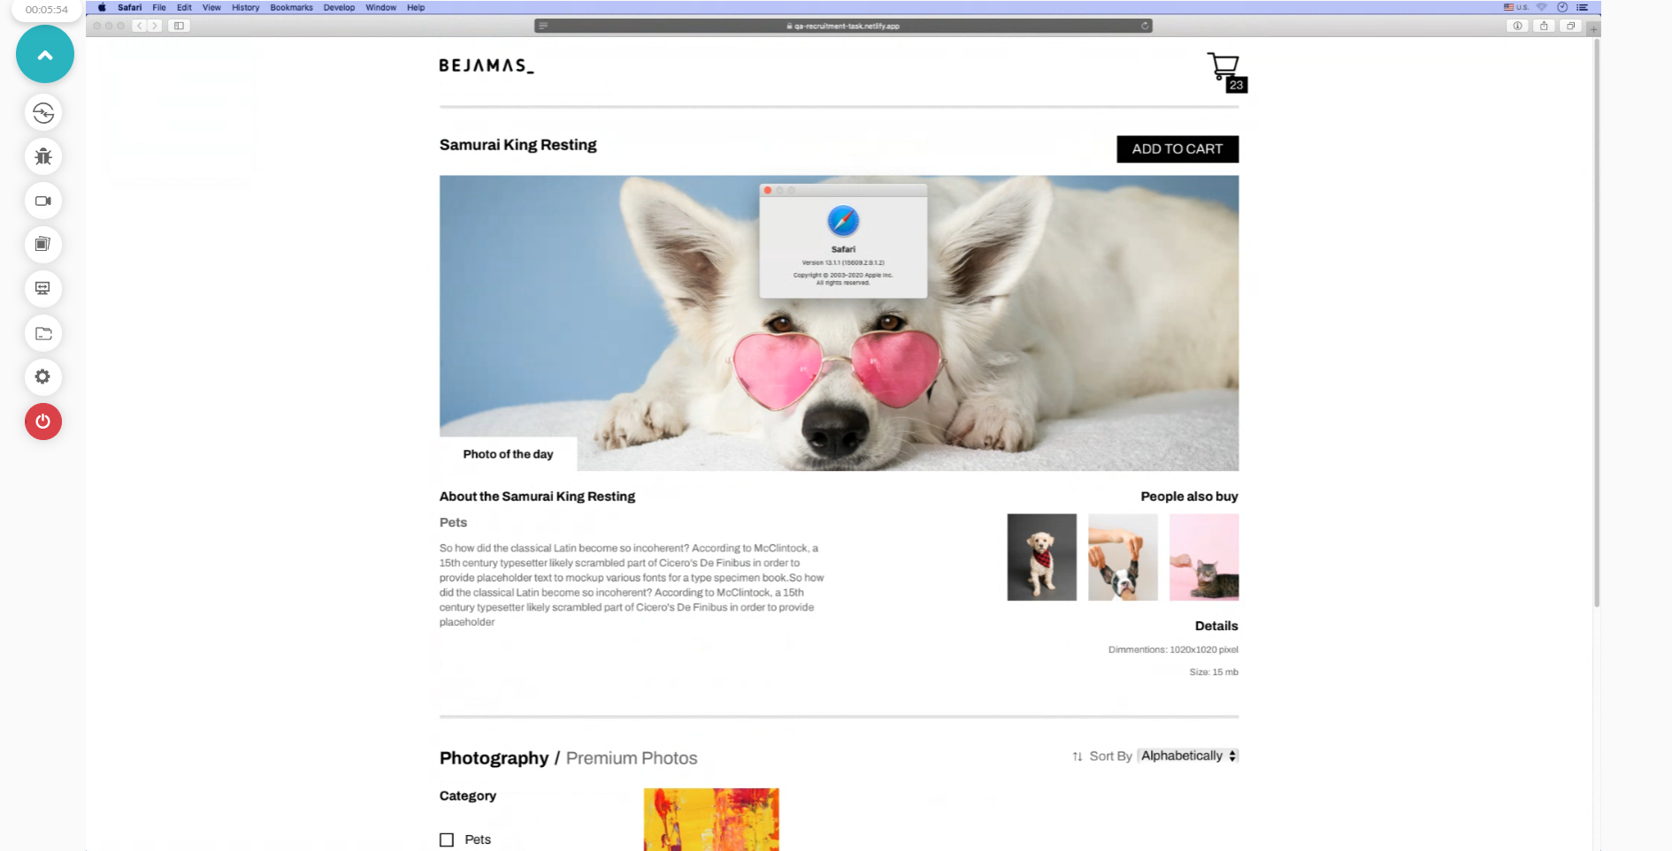
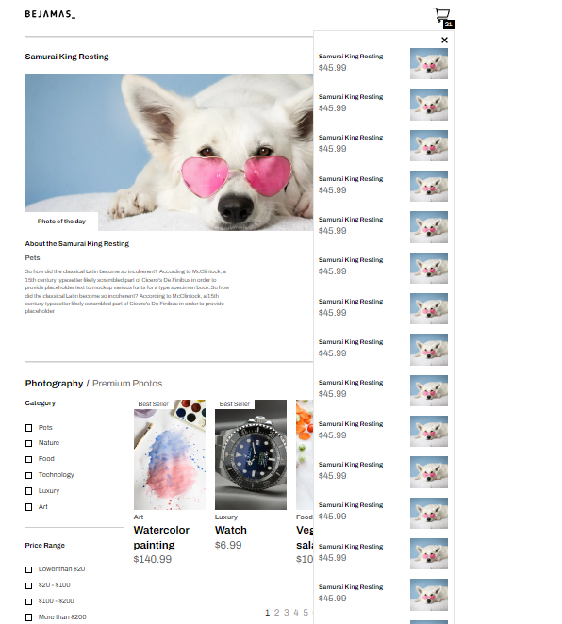
Category | Label | Value
Bug ID | ID number | #BJMS_03
 | Name | Add more than 14 product to Basket
 | Reporter | Serhat Akan
 | Submit Date | 26/06/22
Bug overview | Summary | When user adds more than 14 products to basket, not scroll down to see other products which are in cart dropdown
 | URL | https://qa-recruitment-task.netlify.app/
Environment | Platform | Windows
 | Operating System | Windows 10 Pro 21H2
 | Browser | Chrome 102.0.5005.115
Bug details | Steps to reproduce | Add more than 14 product to Basket
 | Expected result | User should scroll down to see cart dropdown
 | Actual result | User can not scroll down under the page limit
 | Description | /
Bug tracking | Severity | Mid
 | Assigned to | /
 | Priority | Mid
Notes | Notes | In Safari version 13(macOS Catalina) user can only see 17 product, can not scroll under the page limit

