Box 6.1 table
Back to Index
Box 6.1 Number of countries conducting surveys on violence against women, 1995–2014
Reference: United Nations, 2015. The World's Women 2015: Trends and Statistics. New York: United Nations, Department of Economic and Social Affairs, Statistics Division. Sales No. E.15.XVII.8.

Type of survey | 1995–2014 |  | 1995–2004 | 2005–2014

 | At least one survey | At least two surveys | At least one survey | At least one survey
Dedicated survey to measure violence against women | 51 | 7 | 17 | 35
Module of questions on violence against women | 64 | 31 | 25 | 60
Either a dedicated survey or module on violence against women | 102 | 43 | 44 | 89
Survey with questions on attitudes towards violence | 100 | 62 | 37 | 97
Survey with questions on Female genital mutilation | 29 | 25 | 20 | 27

Figure 6.1
Back to Index
Figure 6.1 Proportion of women aged 15–49 years experiencing physical violence (irrespective of the perpetrator) at least once in their lifetime and in the last 12 months,1995–2013 (latest available)
Reference: United Nations, 2015. The World's Women 2015: Trends and Statistics. New York: United Nations, Department of Economic and Social Affairs, Statistics Division. Sales No. E.15.XVII.8.

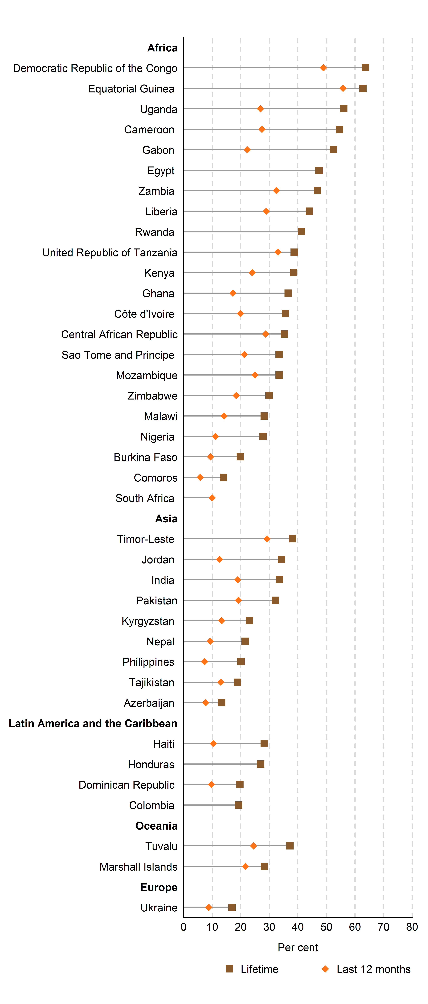
 | Physical Violence
 | Lifetime | Last 12 months | label position
Ukraine | 16.9 | 8.8
Europe |  |  | 0
Marshall Islands | 28.3 | 21.7 | 0
Tuvalu | 37.2 | 24.5 | 0
Oceania |  |  | 0
Colombia | 19.3 | .. | 0
Dominican Republic | 19.7 | 9.7 | 0
Honduras | 27.0 | .. | 0
Haiti | 28.2 | 10.4 | 0
Latin America and the Caribbean |  |  | 0
Azerbaijan | 13.3 | 7.7 | 0
Tajikistan | 18.8 | 13.0 | 0
Philippines | 20.1 | 7.3 | 0
Nepal | 21.5 | 9.3 | 0
Kyrgyzstan | 23.1 | 13.3 | 0
Pakistan | 32.2 | 19.2 | 0
India | 33.5 | 18.9 | 0
Jordan | 34.3 | 12.6 | 0
Timor-Leste | 38.1 | 29.2 | 0
Asia |  |  | 0
South Africa | .. | 10.0 | 0
Comoros | 14.0 | 5.8 | 0
Burkina Faso | 19.8 | 9.4 | 0
Nigeria | 27.8 | 11.2 | 0
Malawi | 28.2 | 14.2 | 0
Zimbabwe | 29.9 | 18.4 | 0
Mozambique | 33.4 | 25.0 | 0
Sao Tome and Principe | 33.4 | 21.2 | 0
Central African Republic | 35.3 | 28.7 | 0
Côte d'Ivoire | 35.6 | 19.9 | 0
Ghana | 36.6 | 17.2 | 0
Kenya | 38.5 | 24.0 | 0
United Republic of Tanzania | 38.7 | 33.0 | 0
Rwanda | 41.2 | .. | 0
Liberia | 44.0 | 28.9 | 0
Zambia | 46.8 | 32.5 | 0
Egypt | 47.4 | .. | 0
Gabon | 52.4 | 22.3 | 0
Cameroon | 54.6 | 27.4 | 0
Uganda | 56.1 | 26.9 | 0
Equatorial Guinea | 62.8 | 55.8 | 0
Democratic Republic of the Congo | 63.7 | 49.0 | 0
Africa |  |  | 0
 |  |  | 0
Source(s):
Compiled by the United Nations Statistics Division from Demographic and Health Surveys (DHS).(ICF International, 2014).

Note:
Ranking is for presentation purposes only (see introduction to section A for further details).

Figure 6.2
Back to Index
Figure 6.2 Proportion of women aged 18–74 years experiencing physical violence (irrespective of the perpetrator) at least once in their lifetime and in the last 12 months, European countries, 2012
Reference: United Nations, 2015. The World's Women 2015: Trends and Statistics. New York: United Nations, Department of Economic and Social Affairs, Statistics Division. Sales No. E.15.XVII.8.
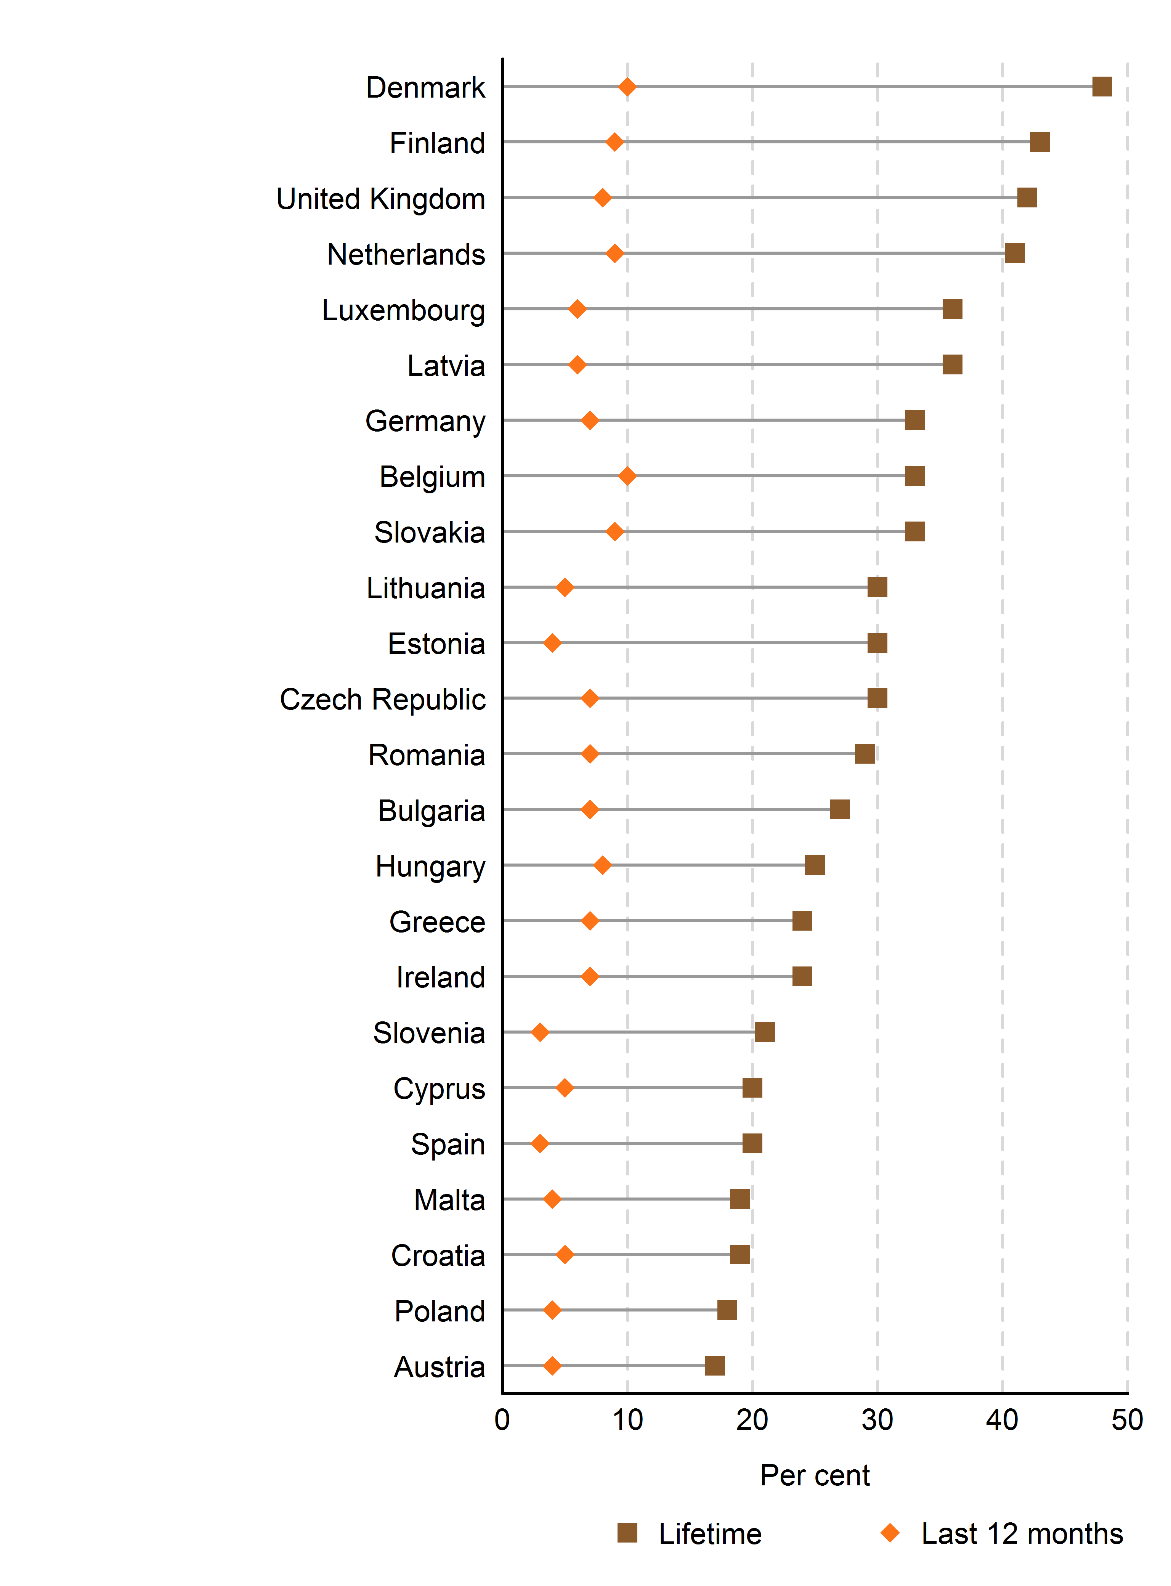
 | Physical Violence
 | Lifetime | Last 12 months
Austria | 17.0 | 4.0
Poland | 18.0 | 4.0
Croatia | 19.0 | 5.0
Malta | 19.0 | 4.0
Spain | 20.0 | 3.0
Cyprus | 20.0 | 5.0
Slovenia | 21.0 | 3.0
Ireland | 24.0 | 7.0
Greece | 24.0 | 7.0
Hungary | 25.0 | 8.0
Bulgaria | 27.0 | 7.0
Romania | 29.0 | 7.0
Czech Republic | 30.0 | 7.0
Estonia | 30.0 | 4.0
Lithuania | 30.0 | 5.0
Slovakia | 33.0 | 9.0
Belgium | 33.0 | 10.0
Germany | 33.0 | 7.0
Latvia | 36.0 | 6.0
Luxembourg | 36.0 | 6.0
Netherlands | 41.0 | 9.0
United Kingdom | 42.0 | 8.0
Finland | 43.0 | 9.0
Denmark | 48.0 | 10.0

Source(s):
European Union Agency for Fundamental Rights, Violence against Women: An EU-wide Survey, 2014. (European Union Agency for Fundamental Rights, 2014).

Note:
Some countries requested that only the results of their national surveys be presented (see table 6.1). Ranking is for presentation purposes only (see introduction to section A for further details).

Table 6.1
Back to Index
Table 6.1 Proportion of women experiencing physical violence (irrespective of the perpetrator) at least once in their lifetime and in the last 12 months, 2003–2012 (latest available)
Reference: United Nations, 2015. The World's Women 2015: Trends and Statistics. New York: United Nations, Department of Economic and Social Affairs, Statistics Division. Sales No. E.15.XVII.8.

 | Year | Lifetime | Last 12 months
Australia | 2012 | 34.0 | 4.6
Canada | 2009 | .. | 3.4
China Hong Kong SAR | 2005 | 12.0 | 2.0
Costa Rica | 2003 | 47.0 | 11.0
Denmark | 2013 | .. | 1.1
Ecuador | 2011 | 38.0 | ..
Fiji | 2010/11 | 68.5 | ..
Finland | 2013 | .. | 14.5
France | 2007 | .. | 1.8
Iceland | 2008 | 29.8 | 2.1
Italy | 2006 | 18.8 | 2.7
Mexico | 2011 | 15.2 | 6.4
Morocco | 2009/10 | 35.3 | 15.2
Poland | 2004 | 30.0 | 5.1
Singapore | 2009 | 6.8 | 1.0
Sweden | 2012 | .. | 1.3
Switzerland | 2003 | 27.0 | 1.0
Tonga | 2009 | 76.8 | ..
Tunisia | 2010 | 31.7 | 7.3
Viet Nam | 2010 | 35.2 | ..

Source(s):
Compiled by the United Nations Statistics Division from national surveys on violence against women. Personal communications with National Statistical Offices.

Note:
Age groups covered differ among countries; methodologies, questionnaire designs and sample sizes used in surveys by statistics offices to produce national data may differ from those used in internationally conducted surveys.

Figure 6.3
Back to Index
Figure 6.3 Proportion of women aged 15–49 years experiencing sexual violence (irrespective of the perpetrator) at least once in their lifetime and in the last 12 months, 1995–2013 (latest available)
Reference: United Nations, 2015. The World's Women 2015: Trends and Statistics. New York: United Nations, Department of Economic and Social Affairs, Statistics Division. Sales No. E.15.XVII.8.

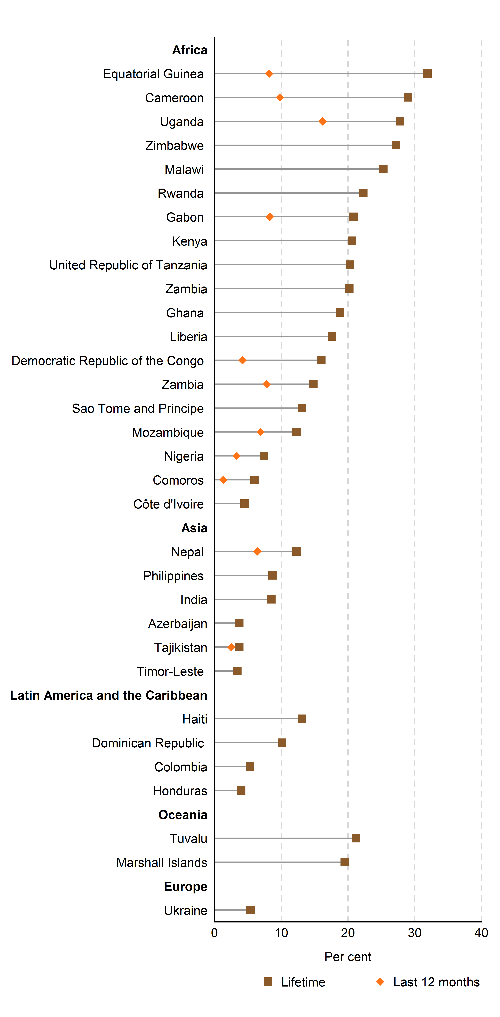
 | Sexual Violence
 | Lifetime | Last 12 months | label position
Ukraine | 5.4 | .. | 0
Europe |  |  | 0
Marshall Islands | 19.5 | .. | 0
Tuvalu | 21.2 | .. | 0
Oceania |  |  | 0
Honduras | 4.0 | .. | 0
Colombia | 5.3 | .. | 0
Dominican Republic | 10.1 | .. | 0
Haiti | 13.1 | .. | 0
Latin America and the Caribbean |  |  | 0
Timor-Leste | 3.4 | .. | 0
Tajikistan | 3.7 | 2.5 | 0
Azerbaijan | 3.7 | .. | 0
India | 8.5 | .. | 0
Philippines | 8.7 | .. | 0
Nepal | 12.3 | 6.4 | 0
Asia |  |  | 0
Côte d'Ivoire | 4.5 | .. | 0
Comoros | 6.0 | 1.3 | 0
Nigeria | 7.4 | 3.3 | 0
Mozambique | 12.3 | 6.9 | 0
Sao Tome and Principe | 13.1 | .. | 0
Zambia | 14.8 | 7.8 | 0
Democratic Republic of the Congo | 16.0 | 4.2 | 0
Liberia | 17.6 | .. | 0
Ghana | 18.8 | .. | 0
Zambia | 20.2 | .. | 0
United Republic of Tanzania | 20.3 | .. | 0
Kenya | 20.6 | .. | 0
Gabon | 20.8 | 8.3 | 0
Rwanda | 22.3 | .. | 0
Malawi | 25.3 | .. | 0
Zimbabwe | 27.2 | .. | 0
Uganda | 27.8 | 16.2 | 0
Cameroon | 29.0 | 9.8 | 0
Equatorial Guinea | 31.9 | 8.2 | 0
Africa |  |  | 0

Source(s):
Compiled by the United Nations Statistics Division from Demographic and Health Surveys (DHS). (ICF International, 2014).

Note:
Ranking is for presentation purposes only (see introduction to section A for further details).

Figure 6.4
Back to Index
Figure 6.4 Proportion of women aged 18–74 years experiencing sexual violence (irrespective of the perpetrator) at least once in their lifetime and in the last 12 months, European countries, 2012
Reference: United Nations, 2015. The World's Women 2015: Trends and Statistics. New York: United Nations, Department of Economic and Social Affairs, Statistics Division. Sales No. E.15.XVII.8.

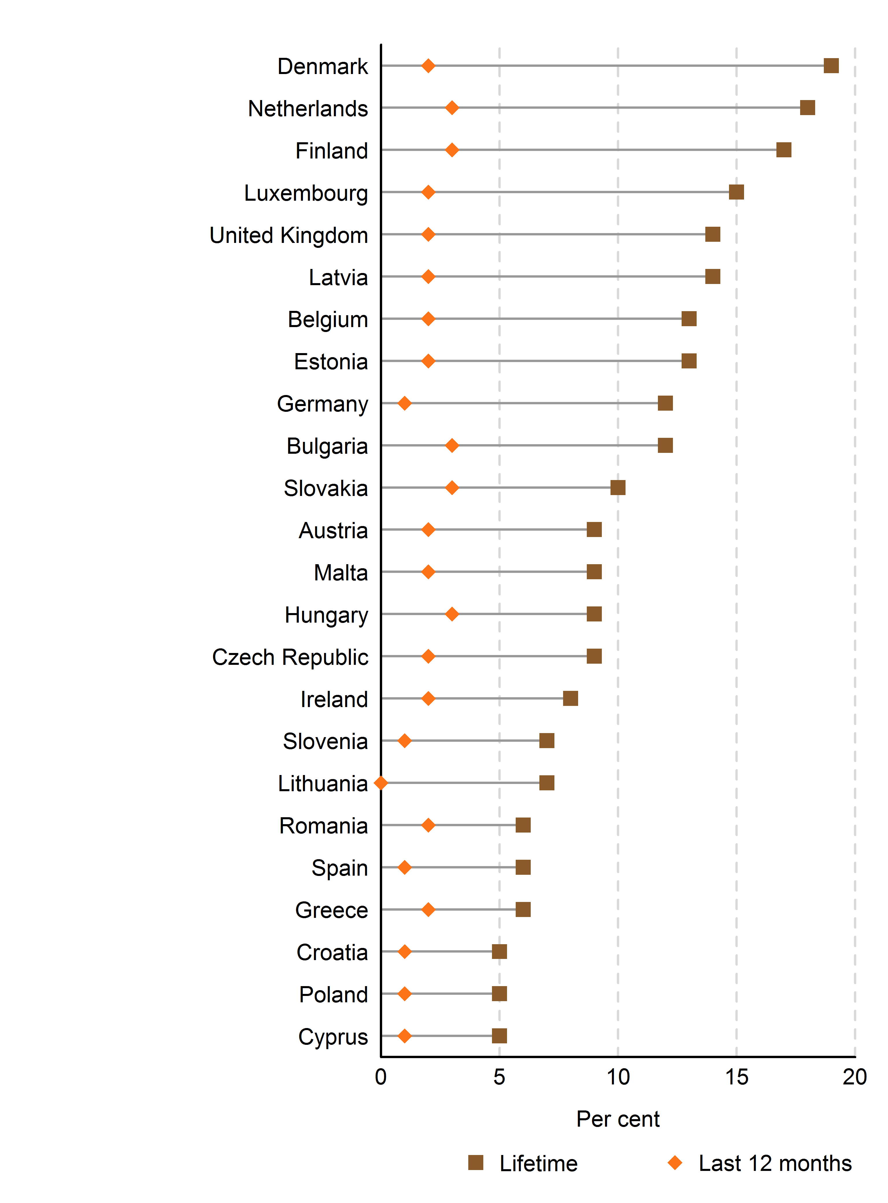
 | Sexual Violence
 | Lifetime | Last 12 months
Cyprus | 5 | 1
Poland | 5 | 1
Croatia | 5 | 1
Greece | 6 | 2
Spain | 6 | 1
Romania | 6 | 2
Lithuania | 7 | 0
Slovenia | 7 | 1
Ireland | 8 | 2
Czech Republic | 9 | 2
Hungary | 9 | 3
Malta | 9 | 2
Austria | 9 | 2
Slovakia | 10 | 3
Bulgaria | 12 | 3
Germany | 12 | 1
Estonia | 13 | 2
Belgium | 13 | 2
Latvia | 14 | 2
United Kingdom | 14 | 2
Luxembourg | 15 | 2
Finland | 17 | 3
Netherlands | 18 | 3
Denmark | 19 | 2

Source(s):
European Union Agency for Fundamental Rights, Violence against Women: An EU-wide Survey, 2014. (European Union Agency for Fundamental Rights, 2014).

Note:
Some countries requested that only the results of their national surveys be presented (see table 6.2). Ranking is for presentation purposes only (see introduction to section A for further details).

Table 6.2
Back to Index
Table 6.2 Proportion of women experiencing sexual violence (irrespective of the perpetrator) at least once in their lifetime and in the last 12 months, 2003–2012 (latest available)
Reference: United Nations, 2015. The World's Women 2015: Trends and Statistics. New York: United Nations, Department of Economic and Social Affairs, Statistics Division. Sales No. E.15.XVII.8.

 | Year | Lifetime | Last 12 months
Australia | 2012 | 19 | 1.2
Canada | 2009 | .. | 2
China, Hong Kong SAR | 2005 | 14 | 3
Costa Rica | 2003 | 41 | 7
Ecuador | 2011 | 25.7 | ..
Fiji | 2010/11 | 35.6 | ..
Finland | 2013 | .. | 2.3
France | 2007 | .. | 0.7
Iceland | 2008 | 24.2 | 1.6
Italy | 2006 | 23.7 | 3.5
Mexico | 2011 | 38.9 | 20.8
Morocco | 2009/10 | 22.6 | 8.7
Poland | 2004 | 16.5 | 1.6
Republic of Korea | 2013 | 19.5 | 2.7
Singapore | 2009 | 4.2 | 0.3
Sweden | 2012 | .. | 1.4
Switzerland | 2003 | 25 | 1
Tonga | 2009 | 17.4 | ..
Tunisia | 2010 | 15.7 | 7.4
United Kingdom (England and Wales only) | 2012/13 | 19.1 | 2
United States of America (a) | 2011 | 19.3 | 1.6
Viet Nam | 2010 | 10.8 | ..

Source(s):
Compiled by the United Nations Statistics Division from national surveys on violence against women, correspondence with National Statistical Offices.

Note:
Age groups covered differ among countries; methodologies, questionnaire designs and sample sizes used in surveys by statistics offices to produce national data may differ from those used in internationally conducted surveys.

(a) Refers to rape only

Figure 6.5
Back to Index
Figure 6.5 Proportion of women aged 15–49 years experiencing sexual violence perpetrated by someone other than an intimate partner at least once in their lifetime, 1995–2013 (latest available)
Reference: United Nations, 2015. The World's Women 2015: Trends and Statistics. New York: United Nations, Department of Economic and Social Affairs, Statistics Division. Sales No. E.15.XVII.8.

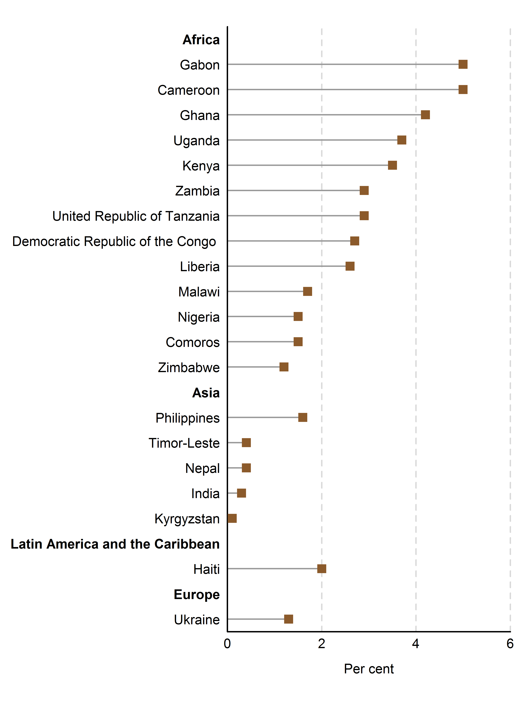
Country | Lifetime | labels

Ukraine | 1.3 | 0
Europe |  | 0
Haiti | 2 | 0
Latin America and the Caribbean |  | 0
Kyrgyzstan | 0.1 | 0
India | 0.3 | 0
Nepal | 0.4 | 0
Timor-Leste | 0.4 | 0
Philippines | 1.6 | 0
Asia |  | 0
Zimbabwe | 1.2 | 0
Comoros | 1.5 | 0
Nigeria | 1.5 | 0
Malawi | 1.7 | 0
Liberia | 2.6 | 0
Democratic Republic of the Congo | 2.7 | 0
United Republic of Tanzania | 2.9 | 0
Zambia | 2.9 | 0
Kenya | 3.5 | 0
Uganda | 3.7 | 0
Ghana | 4.2 | 0
Cameroon | 5 | 0
Gabon | 5 | 0
Africa |  | 0

Source(s):
Compiled by ICF International based on Demographic and Health Surveys (DHS). (ICF International, 2014).

Note:
Ranking is for presentation purposes only (see introduction to section A for further details).

Figure 6.6
Back to Index
Figure 6.6 Proportion of women aged 18–74 years experiencing sexual violence perpetrated by someone other than an intimate partner at least once in their lifetime, European countries, 2012
Reference: United Nations, 2015. The World's Women 2015: Trends and Statistics. New York: United Nations, Department of Economic and Social Affairs, Statistics Division. Sales No. E.15.XVII.8.

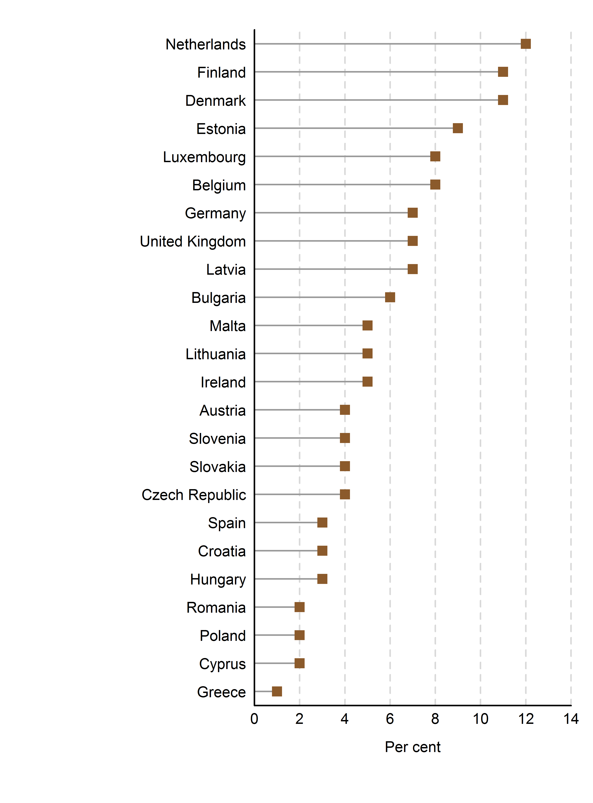
 | Lifetime
Greece | 1
Cyprus | 2
Poland | 2
Romania | 2
Hungary | 3
Croatia | 3
Spain | 3
Czech Republic | 4
Slovakia | 4
Slovenia | 4
Austria | 4
Ireland | 5
Lithuania | 5
Malta | 5
Bulgaria | 6
Latvia | 7
United Kingdom | 7
Germany | 7
Belgium | 8
Luxembourg | 8
Estonia | 9
Denmark | 11
Finland | 11
Netherlands | 12

Source(s):
European Union Agency for Fundamental Rights, Violence against Women: An EU-wide Survey, 2014. (European Union Agency for Fundamental Rights, 2014).

Note:
Some countries requested that only the results of their national surveys be presented. Ranking is for presentation purposes only (see introduction to section A for further details).

Box 6.3 table
Back to Index
Box 6.3 Proportion of women who experienced physical and/or sexual violence in the 12 months before the survey, by type of perpetrator, European Union-average, 2012
Reference: United Nations, 2015. The World's Women 2015: Trends and Statistics. New York: United Nations, Department of Economic and Social Affairs, Statistics Division. Sales No. E.15.XVII.8.

Age group | Partner violence (%) | Non-partner violence (%)
18-29 | 6 | 9
30-44 | 5 | 5
45-59 | 4 | 3
60+ | 3 | 3

Source(s):
European Union Agency for Fundamental Rights, Violence against Women: An EU-wide Survey, 2014.

Figure 6.7
Back to Index
Figure 6.7 Proportion of ever-partnered women aged 15-49 years experiencing intimate partner physical and/or sexual violence at least once in their lifetime and in the last 12 months, 1995–2013 (latest available)
Reference: United Nations, 2015. The World's Women 2015: Trends and Statistics. New York: United Nations, Department of Economic and Social Affairs, Statistics Division. Sales No. E.15.XVII.8.

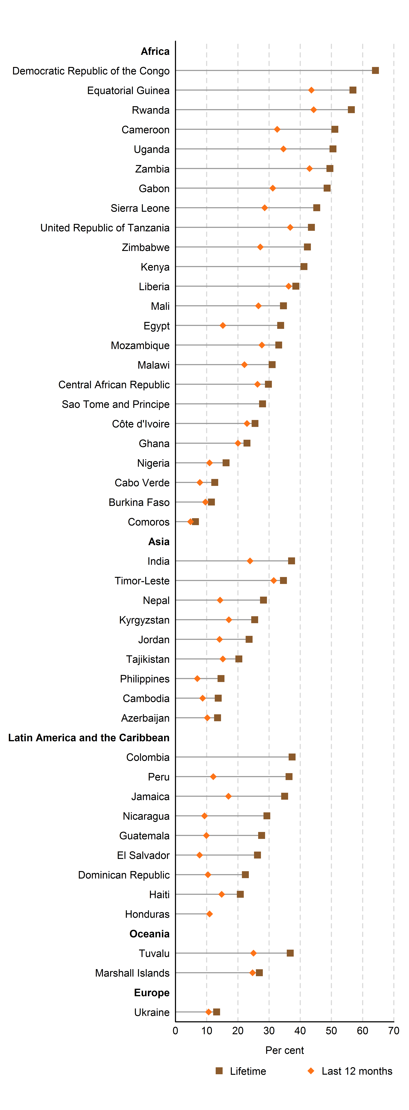
 | Lifetime | Last 12 months
Ukraine | 13.2 | 10.6
Europe
Marshall Islands | 26.9 | 24.7
Tuvalu | 36.8 | 25
Oceania
Honduras |  | 10.9
Haiti | 20.8 | 14.8
Dominican Republic | 22.4 | 10.4
El Salvador | 26.3 | 7.7
Guatemala | 27.6 | 9.9
Nicaragua | 29.3 | 9.3
Jamaica | 35 | 17
Peru | 36.4 | 12.1
Colombia | 37.4
Latin America and the Caribbean
Azerbaijan | 13.5 | 10.2
Cambodia | 13.7 | 8.7
Philippines | 14.6 | 7
Tajikistan | 20.3 | 15.2
Jordan | 23.6 | 14.1
Kyrgyzstan | 25.4 | 17.1
Nepal | 28.2 | 14.3
Timor-Leste | 34.6 | 31.5
India | 37.2 | 23.9
Asia
Comoros | 6.4 | 4.8
Burkina Faso | 11.5 | 9.6
Cabo Verde | 12.6 | 7.8
Nigeria | 16.2 | 10.9
Ghana | 22.9 | 20
Côte d'Ivoire | 25.5 | 22.9
Sao Tome and Principe | 27.9 | ..
Central African Republic | 29.8 | 26.3
Malawi | 31 | 22.1
Mozambique | 33.1 | 27.7
Egypt | 33.7 | 15.2
Mali | 34.6 | 26.6
Liberia | 38.6 | 36.3
Kenya | 41.2 | ..
Zimbabwe | 42.3 | 27.2
United Republic of Tanzania | 43.6 | 36.8
Sierra Leone | 45.3 | 28.6
Gabon | 48.6 | 31.2
Zambia | 49.5 | 43
Uganda | 50.5 | 34.6
Cameroon | 51.1 | 32.6
Rwanda | 56.4 | 44.3
Equatorial Guinea | 56.9 | 43.6
Democratic Republic of the Congo | 64.1 | ..
Africa

Source(s):
Compiled by the United Nations Statistics Division from Demographic and Health Surveys (DHS) and Reproductive Health Surveys (RHS). (ICF International, 2014 and CDC, 2014).

Note:
Ranking is for presentation purposes only (see introduction to section A for further details).

Figure 6.8
Back to Index
Figure 6.8 Proportion of ever-partnered women aged 18–74 years experiencing intimate partner physical and/or sexual violence at least once in their lifetime and in the last 12 months, European countries, 2012
Reference: United Nations, 2015. The World's Women 2015: Trends and Statistics. New York: United Nations, Department of Economic and Social Affairs, Statistics Division. Sales No. E.15.XVII.8.

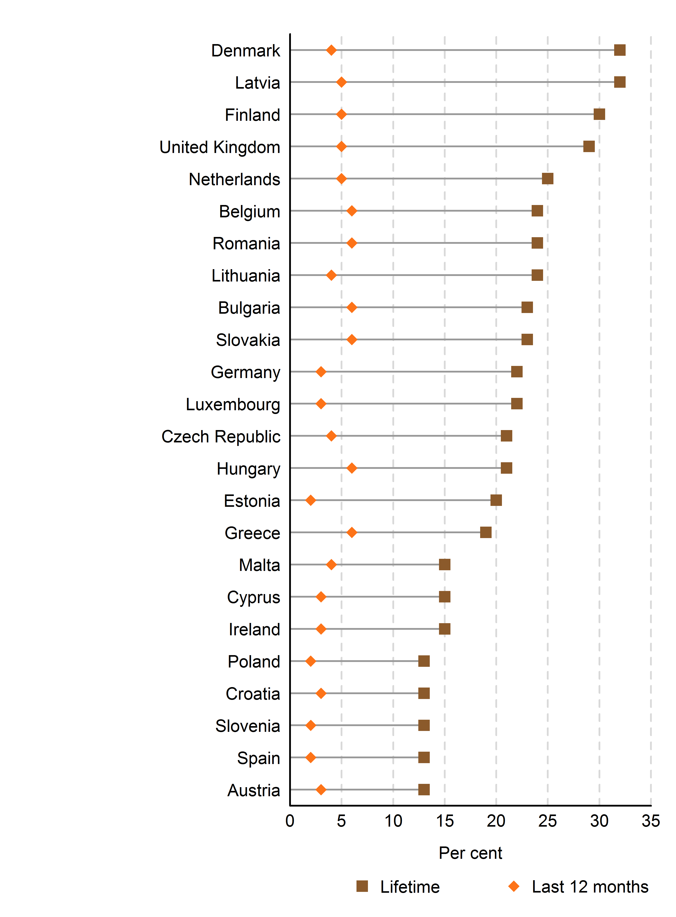
 | Lifetime | last 12 months
Austria | 13 | 3
Spain | 13 | 2
Slovenia | 13 | 2
Croatia | 13 | 3
Poland | 13 | 2
Ireland | 15 | 3
Cyprus | 15 | 3
Malta | 15 | 4
Greece | 19 | 6
Estonia | 20 | 2
Hungary | 21 | 6
Czech Republic | 21 | 4
Luxembourg | 22 | 3
Germany | 22 | 3
Slovakia | 23 | 6
Bulgaria | 23 | 6
Lithuania | 24 | 4
Romania | 24 | 6
Belgium | 24 | 6
Netherlands | 25 | 5
United Kingdom | 29 | 5
Finland | 30 | 5
Latvia | 32 | 5
Denmark | 32 | 4

Source(s):
European Union Agency for Fundamental Rights, Violence against Women: An EU-wide Survey, 2014. (European Union Agency for Fundamental Rights, 2014).

Note:
Some countries requested that only the results of their national surveys be presented (see table 6.3). Ranking is for presentation purposes only (see introduction to section A for further details).

Table 6.3
Back to Index
Table 6.3 Proportion of women experiencing intimate partner physical and/or sexual violence at least once in their lifetime and in the last 12 months, 2000–2013 (latest available)
Reference: United Nations, 2015. The World's Women 2015: Trends and Statistics. New York: United Nations, Department of Economic and Social Affairs, Statistics Division. Sales No. E.15.XVII.8.

Country | Year | Lifetime | Last 12 months
Albania | 2013 | 24.6 | ..
Armenia | 2008 | 9.5 | ..
Australia | 2012 | 16.9 | ..
Bangladesh | 2011 | 67.2 | 50.7
Canada | 2009 | .. | 1.3
Ecuador | 2011 | 37.5 | ..
Fiji | 2010/11 | 64 | 24
Finland | 2013 | .. | 5.8
France | 2007 | .. | 1
Iceland | 2008 | 22.4 | 1.8
Italy | 2006 | 14.3 | 2.4
Kiribati | 2008 | 67.6 | 36.1
Maldives | 2006 | 19.5 | 6.4
Mexico | 2011 | 14.1 | 6.6
Norway | 2008 | 27 | 6
Poland | 2004 | 15.6 | 3.3
Republic of Moldova | 2010 | 45.5 | ..
Samoa | 2000 | 46.1 | ..
Singapore | 2009 | 6.1 | 0.9
Solomon Islands | 2009 | 63.5 | ..
Sweden | 2012 | 15 | 2.2
Tonga | 2009 | 39.6 | 19
Turkey | 2014 | 38 | 11
Vanuatu | 2010 | 60 | 44
Viet Nam | 2010 | 34.4 | 9

Source(s):
Compiled by the United Nations Statistics Division from national surveys on violence against women, correspondence with National Statistical Offices.

Note:
Age groups covered differ among countries; methodologies, questionnaire designs and sample sizes used in surveys by statistics offices to produce national data may differ from those used in internationally conducted surveys.

Figure 6.9
Back to Index
Figure 6.9 Proportion of women aged 15–49 years experiencing intimate partner psychological violence at least once in their lifetime and in the last 12 months, 1995–2013 (latest available)
Reference: United Nations, 2015. The World's Women 2015: Trends and Statistics. New York: United Nations, Department of Economic and Social Affairs, Statistics Division. Sales No. E.15.XVII.8.

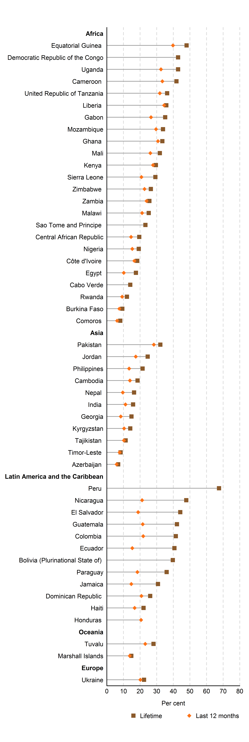
 | Psychological
 | Lifetime | Last 12 months | labels
Ukraine | 22.4 | 20.2 | 0
Europe |  |  | 0
Marshall Islands | 14.7 | 13.8 | 0
Tuvalu | 28.1 | 23.1 | 0
Oceania |  |  | 0
Honduras | .. | 20.6 | 0
Haiti | 22.1 | 16.7 | 0
Dominican Republic | 26.1 | 20.8 | 0
Jamaica | 30.8 | 14.7 | 0
Paraguay | 36.0 | 18.4 | 0
Bolivia (Plurinational State of) | 39.7 | .. | 0
Ecuador | 40.7 | 15.3 | 0
Colombia | 41.5 | 21.9 | 0
Guatemala | 42.2 | 21.6 | 0
El Salvador | 44.2 | 18.8 | 0
Nicaragua | 47.8 | 21.2 | 0
Peru | 67.5 | .. | 0
Latin America and the Caribbean |  |  | 0
Azerbaijan | 6.8 | 5.9 | 0
Timor-Leste | 8.3 | 7.7 | 0
Tajikistan | 11.3 | 10.3 | 0
Kyrgyzstan | 14.1 | 10.4 | 0
Georgia | 14.8 | 8.4 | 0
India | 15.8 | 11.2 | 0
Nepal | 16.4 | 9.6 | 0
Cambodia | 18.5 | 13.9 | 0
Philippines | 21.5 | 13.4 | 0
Jordan | 24.6 | 17.4 | 0
Pakistan | 32.2 | 28.3 | 0
Asia |  |  | 0
Comoros | 8.1 | 6.2 | 0
Burkina Faso | 9.3 | 7.5 | 0
Rwanda | 12.1 | 9.2 | 0
Cabo Verde | 14.1 | .. | 0
Egypt | 17.5 | 10.2 | 0
Côte d'Ivoire | 18.3 | 16.6 | 0
Nigeria | 19.2 | 15.3 | 0
Central African Republic | 19.5 | 14.6 | 0
Sao Tome and Principe | 23.2 | .. | 0
Malawi | 25.2 | 21.2 | 0
Zambia | 25.6 | 23.9 | 0
Zimbabwe | 26.5 | 22.7 | 0
Sierra Leone | 29.2 | 20.8 | 0
Kenya | 29.5 | 27.8 | 0
Mali | 31.9 | 26.2 | 0
Ghana | 33.4 | 30.8 | 0
Mozambique | 33.8 | 29.6 | 0
Gabon | 35.1 | 26.6 | 0
Liberia | 35.8 | 34.5 | 0
United Republic of Tanzania | 36.3 | 31.9 | 0
Cameroon | 41.9 | 33.4 | 0
Uganda | 42.9 | 32.6 | 0
Democratic Republic of the Congo | 42.9 | .. | 0
Equatorial Guinea | 48.0 | 39.8 | 0
Africa |  |  | 0

Source(s):
Compiled by the United Nations Statistics Division from Demographic and Health Surveys (DHS), Reproductive Health Surveys (RHS) and Multiple Indicator Cluster Surveys (MICS).(ICF International, 2014, CDC, 2014 and UNICEF, 2014c).

Note:
Ranking is for presentation purposes only (see introduction to section A for further details).

Figure 6.10
Back to Index
Figure 6.10 Proportion of women aged 18–74 years experiencing intimate partner psychological violence at least once in their lifetime, European countries, 2012
Reference: United Nations, 2015. The World's Women 2015: Trends and Statistics. New York: United Nations, Department of Economic and Social Affairs, Statistics Division. Sales No. E.15.XVII.8.

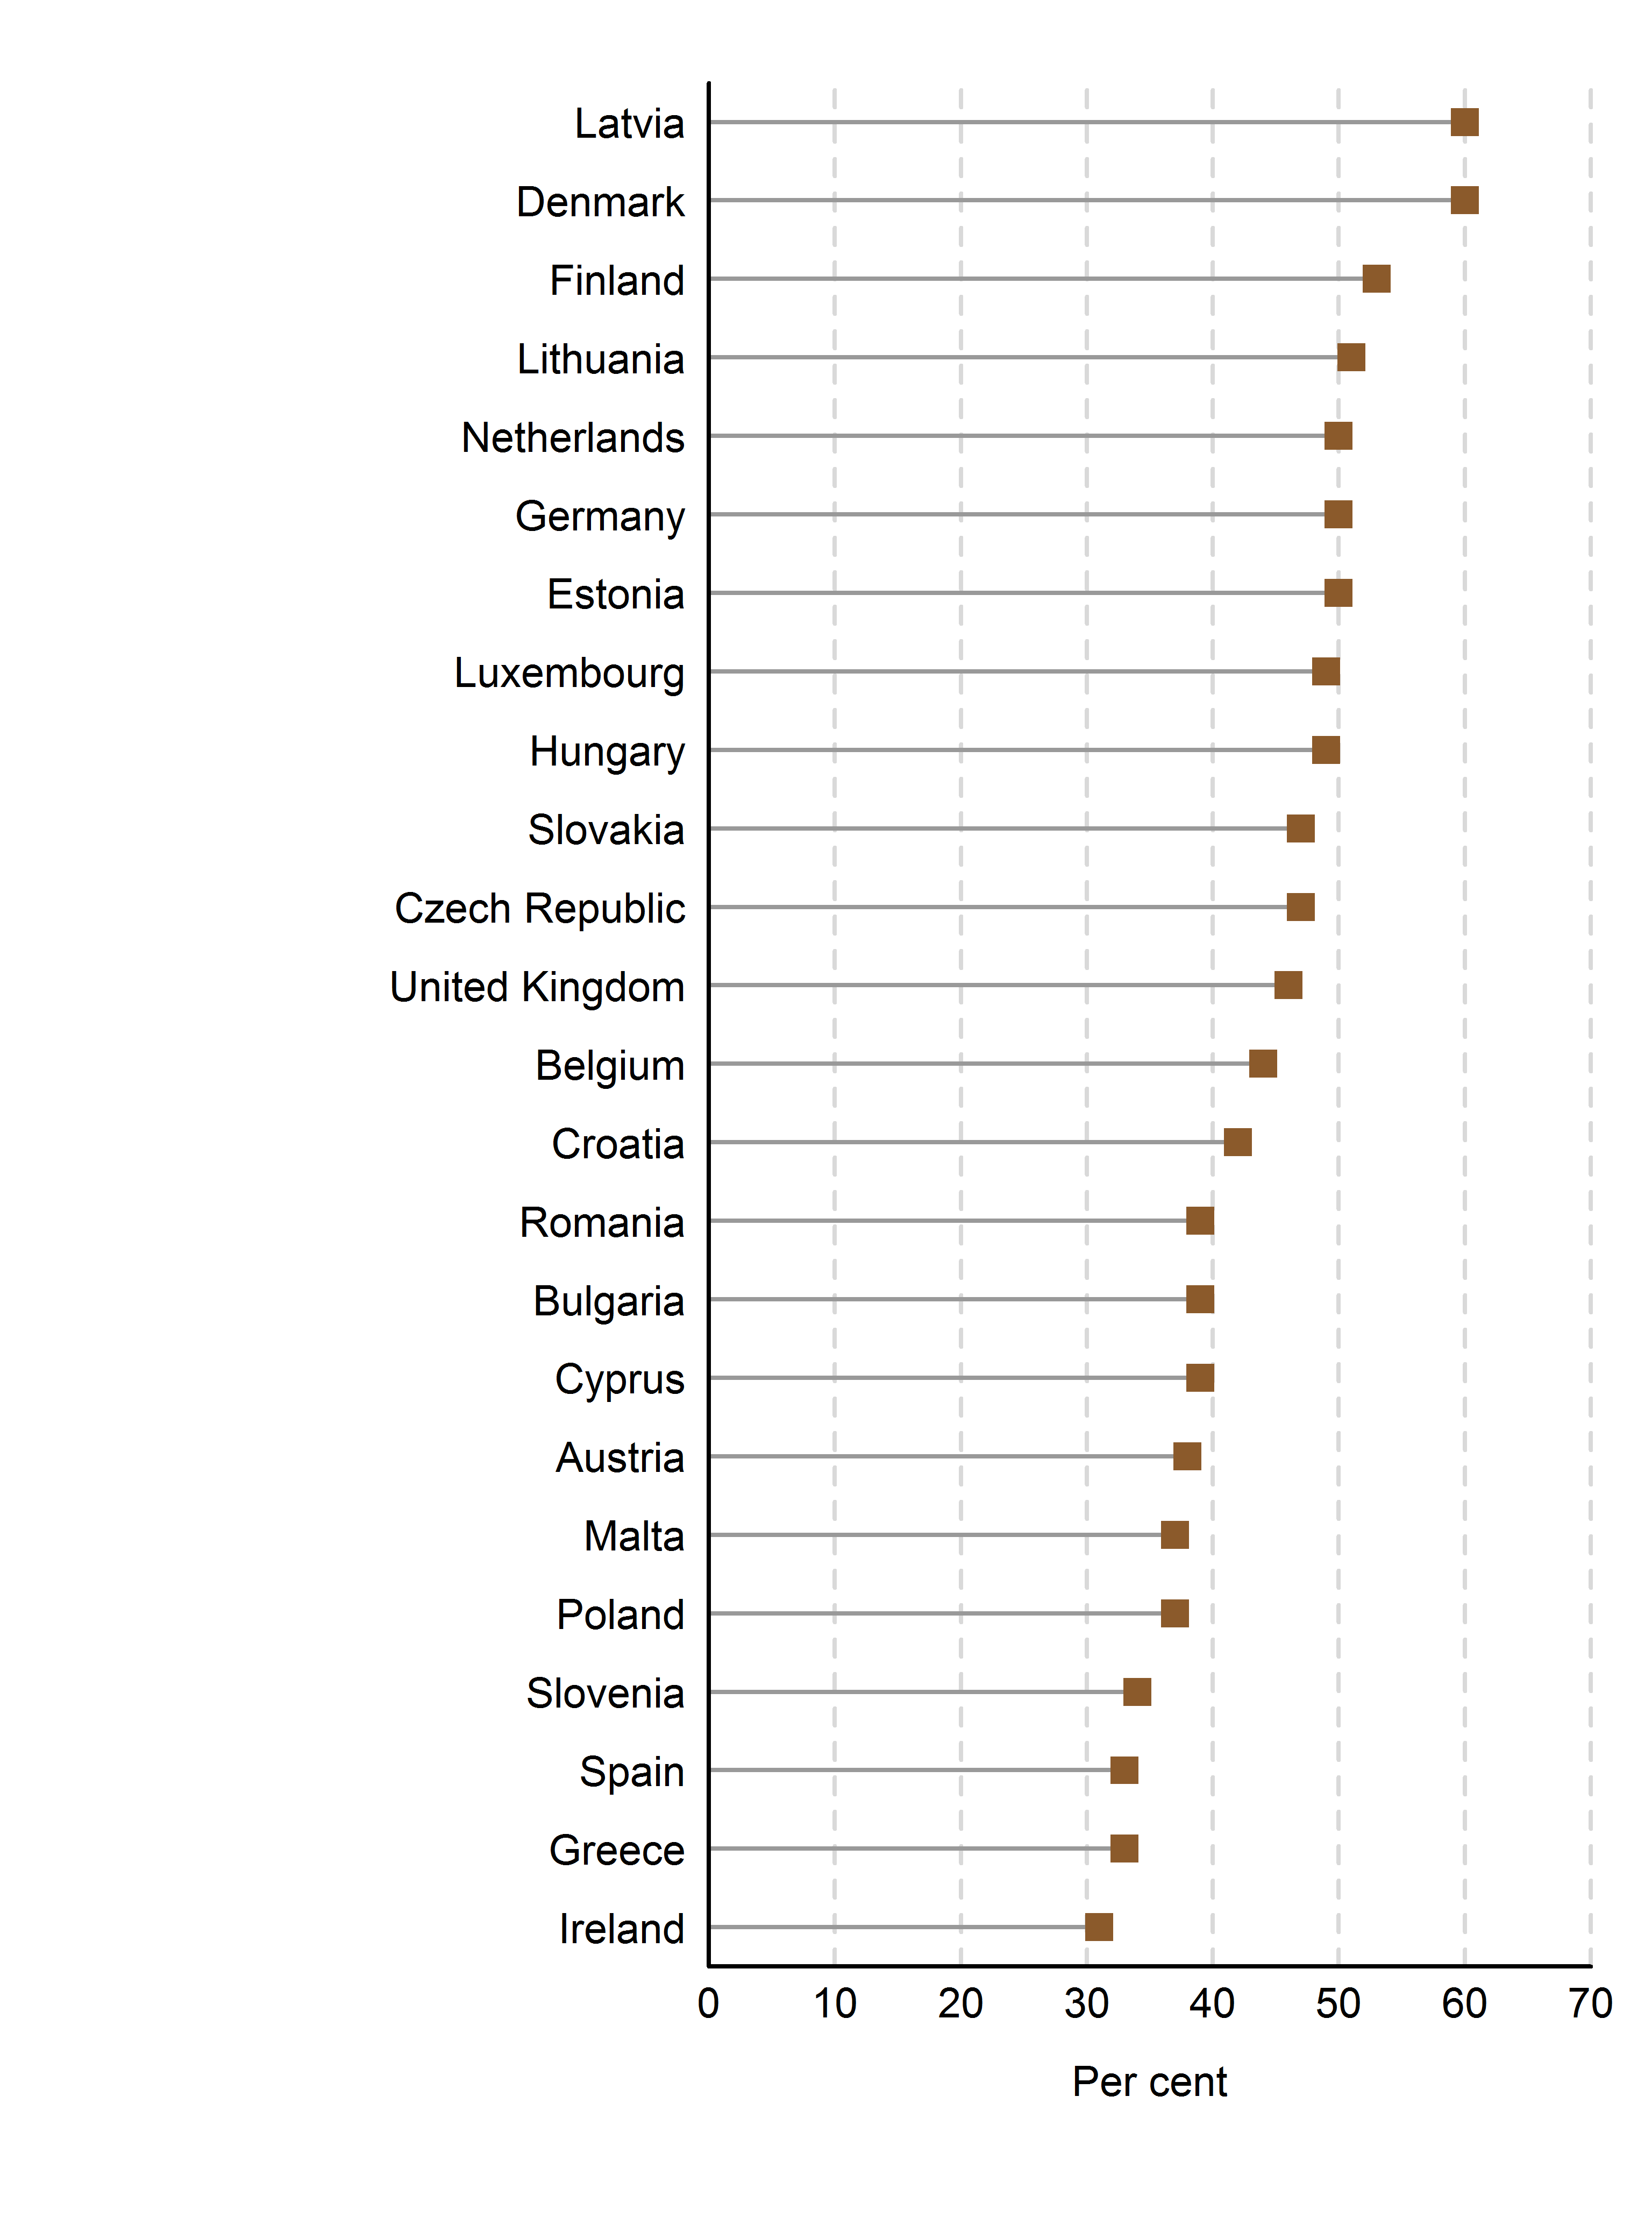
 | Lifetime
Ireland | 31.0
Greece | 33.0
Spain | 33.0
Slovenia | 34.0
Poland | 37.0
Malta | 37.0
Austria | 38.0
Cyprus | 39.0
Bulgaria | 39.0
Romania | 39.0
Croatia | 42.0
Belgium | 44.0
United Kingdom | 46.0
Czech Republic | 47.0
Slovakia | 47.0
Hungary | 49.0
Luxembourg | 49.0
Estonia | 50.0
Germany | 50.0
Netherlands | 50.0
Lithuania | 51.0
Finland | 53.0
Denmark | 60.0
Latvia | 60.0

Source(s):
European Union Agency for Fundamental Rights, Violence against Women: An EU-wide Survey, 2014.(European Agency for Fundamental Rights, 2014).

Note:
Some countries requested that only the results of their national surveys be presented. Ranking is for presentation purposes only (see introduction to section A for further details).

Table 6.4
Back to Index
Table 6.4 Proportion of women experiencing intimate partner psychological violence at least once in their lifetime and in the last 12 months, 2000–2013 (latest available)
Reference: United Nations, 2015. The World's Women 2015: Trends and Statistics. New York: United Nations, Department of Economic and Social Affairs, Statistics Division. Sales No. E.15.XVII.8.

Country | Year | Lifetime | Last 12 months
Albania | 2013 | 58.2 | 52.8
Armenia | 2008 | 25 | ..
Australia | 2012 | 24.5 | 4.7
Bangladesh | 2011 | 81.6 | 71.9
Canada | 2009 | 11.4 | ..
Ecuador | 2011 | 43.4 | ..
Fiji | 2010/11 | 58.3 | 28.8
Italy | 2006 | 43.2 | ..
Japan | 2010 | 17.8 | ..
Kiribati | 2008 | 47 | 30.1
Maldives | 2006 | 28.2 | 12.3
Morocco | 2009/10 | .. | 38.7
Republic of Korea | 2013 | .. | 36.4
Republic of Moldova | 2010 | 59.4 | 25.7
Samoa | 2000 | 19.6 | 12.3
Solomon Islands | 2009 | 56.1 | 42.6
State of Palestine | 2011 | 58.8 | 58.6
Sweden | 2012 | 23.5 | 6.8
Tonga | 2009 | 24 | 13
Tunisia | 2010 | 24.8 | 17
Turkey | 2014 | 44 | 26
United Kingdom (England and Wales only) | 2012/13 | 17.2 | 2.5
United States of America | 2011 | 47.1 | 14.2
Vanuatu | 2010 | 68 | 54
Viet Nam | 2010 | 53.6 | 25.4

Source(s):
Compiled by the United Nations Statistics Division from national surveys on violence against women, correspondence with National Statistical Offices.

Note:
Age groups covered differ among countries; methodologies, questionnaire designs and sample sizes used in surveys by statistics offices to produce national data may differ significantly from those used in internationally conducted surveys.

Box 6.4 Chart
Back to Index
Box 6.4 Proportion of women who report experiencing lifetime intimate partner physical violence, as victims and perpetrators, 2005­2013 (latest available)
Reference: United Nations, 2015. The World's Women 2015: Trends and Statistics. New York: United Nations, Department of Economic and Social Affairs, Statistics Division. Sales No. E.15.XVII.8.

 | Women victims | Women perpetrators
Ukraine | 12.7 | 10.9
Republic of Moldova | 24.1 | 7.1
Marshall Islands | 22.1 | 12.0
Tuvalu | 33.3 | 9.7
Haiti | 15.6 | 4.9
Peru | 35.7 | 8.5
Philippines | 12.7 | 15.8
Cambodia | 12.8 | 6.0
Tajikistan | 19.5 | 2.0
Nepal | 23.1 | 3.1
Kyrgyzstan | 25.1 | 4.2
Timor-Leste | 33.5 | 5.5
India | 35.1 | 0.7
Comoros | 5.6 | 5.1
Nigeria | 14.4 | 1.7
Cabo Verde | 15.7 | 4.6
Ghana | 20.6 | 7.0
Malawi | 21.7 | 4.1
Côte d'Ivoire | 24.6 | 1.6
Central Africa Republic | 25.4 | 8.8
Zimbabwe | 28.8 | 3.6
Mali | 29.8 | 3.2
Rwanda | 30.7 | 0.9
Mozambique | 31.5 | 3.7
Liberia | 35.0 | 9.5
Kenya | 37.0 | 3.0
United Republic of Tanzania | 39.2 | 2.4
Uganda | 42.7 | 6.6
Sierra Leone | 44.2 | 7.5
Cameroon | 44.8 | 7.4
Gabon | 46.2 | 22.3
Zambia | 46.5 | 9.8
Equatorial Guinea | 54.4 | 21.5
 | Women victims | Women perpetrators
Ukraine | 12.7 | 10.9
Republic of Moldova | 24.1 | 7.1

Marshall Islands | 22.1 | 12.0
Tuvalu | 33.3 | 9.7

Haiti | 15.6 | 4.9
Peru | 35.7 | 8.5

Philippines | 12.7 | 15.8
Cambodia | 12.8 | 6.0
Tajikistan | 19.5 | 2.0
Nepal | 23.1 | 3.1
Kyrgyzstan | 25.1 | 4.2
Timor-Leste | 33.5 | 5.5
India | 35.1 | 0.7

Comoros | 5.6 | 5.1
Nigeria | 14.4 | 1.7
Cabo Verde | 15.7 | 4.6
Ghana | 20.6 | 7.0
Malawi | 21.7 | 4.1
Côte d'Ivoire | 24.6 | 1.6
Central Africa Republic | 25.4 | 8.8
Zimbabwe | 28.8 | 3.6
Mali | 29.8 | 3.2
Rwanda | 30.7 | 0.9
Mozambique | 31.5 | 3.7
Liberia | 35.0 | 9.5
Kenya | 37.0 | 3.0
United Republic of Tanzania | 39.2 | 2.4
Uganda | 42.7 | 6.6
Sierra Leone | 44.2 | 7.5
Cameroon | 44.8 | 7.4
Gabon | 46.2 | 22.3
Zambia | 46.5 | 9.8
Equatorial Guinea | 54.4 | 21.5

Source(s):
Compiled by the United Nations Statistics Division from Demographic and Health Surveys (DHS). (ICF International, 2014).

Note:
The chart presents the proportion of women who report experiencing lifetime intimate partner physical violence (women victims) alongside the proportion of women who report ever committing physical violence against their husband/partner when he was not already beating or physically hurting them (women perpetrators).

Figure 6.11
Back to Index
Figure 6.11 Attitudes towards wife-beating: proportion of women and men aged 15–49 years who agree that a husband is justified in hitting or beating his wife for at least one of five specified reasons, 1995–2014 (latest available)
Reference: United Nations, 2015. The World's Women 2015: Trends and Statistics. New York: United Nations, Department of Economic and Social Affairs, Statistics Division. Sales No. E.15.XVII.8.

 | Women | Men
Ukraine | 2.9 | 9.4
Serbia | 2.9 | 6.6
Republic of Moldova | 20.8 | 21.7
Albania | 29.8 | 36.4
Marshall Islands | 55.9 | 57.6
Samoa | 60.8 | 45.7
Tuvalu | 70.0 | 73.1
Dominican Republic | 3.9 | 7.9
Honduras | 12.4 | 9.9
Nicaragua | 13.8 | 0.0
Bolivia (Plurinational State of) | 16.1 | 0.0
Guyana | 16.3 | 19.3
Haiti | 16.7 | 14.9
Armenia | 9.3 | 19.9
Kazakhstan | 12.2 | 16.7
Philippines | 12.9 | 0.0
Thailand | 13.1 | 0.0
Georgia | 19.3 | 0.0
Nepal | 23.2 | 21.5
Indonesia | 34.5 | 17.3
Maldives | 30.8 | 0.0
Bangladesh | 32.5 | 0.0
Kyrgyzstan | 33.7 | 50.4
Turkey | 39.2 | 0.0
Cambodia | 45.7 | 22.4
Azerbaijan | 49.0 | 58.3
India | 54.4 | 51.0
Jordan | 69.9 | 0.0
Timor-Leste | 86.2 | 80.7
Malawi | 12.9 | 8.0
Benin | 16.2 | 14.8
Cabo Verde | 17.3 | 16.3
Sao Tome and Principe | 19.5 | 21.7
Mozambique | 22.9 | 19.9
Swaziland | 27.6 | 23.1
Madagascar | 32.3 | 30.1
Nigeria | 34.7 | 24.7
Namibia | 35.2 | 40.8
Lesotho | 37.1 | 48.4
Zimbabwe | 37.4 | 23.7
Egypt | 39.3 | 0.0
Liberia | 42.5 | 24.2
Burkina Faso | 43.5 | 34.1
Cameroon | 46.5 | 38.7
Côte d'Ivoire | 47.9 | 42.0
Gabon | 50.2 | 39.7
...
 | Women | Men
Ukraine | 2.9 | 9.4
Serbia | 2.9 | 6.6
Republic of Moldova | 20.8 | 21.7
Albania | 29.8 | 36.4

Marshall Islands | 55.9 | 57.6
Samoa | 60.8 | 45.7
Tuvalu | 70.0 | 73.1

Dominican Republic | 3.9 | 7.9
Honduras | 12.4 | 9.9
Nicaragua | 13.8 | ..
Bolivia (Plurinational State of) | 16.1 | ..
Guyana | 16.3 | 19.3
Haiti | 16.7 | 14.9

Armenia | 9.3 | 19.9
Kazakhstan | 12.2 | 16.7
Philippines | 12.9 | ..
Thailand | 13.1 | ..
Georgia | 19.3 | ..
Nepal | 23.2 | 21.5
Indonesia | 34.5 | 17.3
Maldives | 30.8 | ..
Bangladesh | 32.5 | ..
Kyrgyzstan | 33.7 | 50.4
Turkey | 39.2 | ..
Cambodia | 45.7 | 22.4
Azerbaijan | 49.0 | 58.3
India | 54.4 | 51.0
Jordan | 69.9 | ..
Timor-Leste | 86.2 | 80.7

Malawi | 12.9 | 8.0
Benin | 16.2 | 14.8
Cabo Verde | 17.3 | 16.3
Sao Tome and Principe | 19.5 | 21.7
Mozambique | 22.9 | 19.9
Swaziland | 27.6 | 23.1
Madagascar | 32.3 | 30.1
Nigeria | 34.7 | 24.7
Namibia | 35.2 | 40.8
Lesotho | 37.1 | 48.4
Zimbabwe | 37.4 | 23.7
Egypt | 39.3 | ..
Liberia | 42.5 | 24.2
Burkina Faso | 43.5 | 34.1
Cameroon | 46.5 | 38.7
Côte d'Ivoire | 47.9 | 42.0
Gabon | 50.2 | 39.7
Kenya | 52.6 | 44.0
Equatorial Guinea | 52.6 | 51.9
United Republic of Tanzania | 53.5 | 38.1
Rwanda | 56.2 | 25.1
Uganda | 58.3 | 43.7
Niger | 59.6 | 26.8
Ghana | 59.8 | 35.9
Senegal | 60.0 | 24.7
Zambia | 61.9 | 49.3
Sierra Leone | 62.8 | 34.2
Morocco | 63.9 | ..
Ethiopia | 68.4 | 44.9
Eritrea | 70.7
Burundi | 72.9 | 44.3
Congo | 73.1 | 61.8
Mali | 75.2 | ..
Democratic Republic of the Congo | 75.9 | ..
Guinea | 92.1 | 66.2

Source(s):
Demographic and Health Surveys (DHS), Reproductive Health Surveys (RHS) and Multiple Indicator Cluster Surveys (MICS). (ICF, 2014, CDC, 2014 and UNICEF, 2014c).

Note:
Some surveys have different reasons for justifying wife-beating (details of these differences are presented in the Statistical Annex available at unstats.un.org/unsd/ gender/default.html). Ranking is for presentation purposes only (see introduction to section A for further details).

Figure 6.12
Back to Index
Figure 6.12 Girls and women aged 15–19 years and 45–49 years subjected to female genital mutilation, 2002–2013 (latest available)
Reference: United Nations, 2015. The World's Women 2015: Trends and Statistics. New York: United Nations, Department of Economic and Social Affairs, Statistics Division. Sales No. E.15.XVII.8.

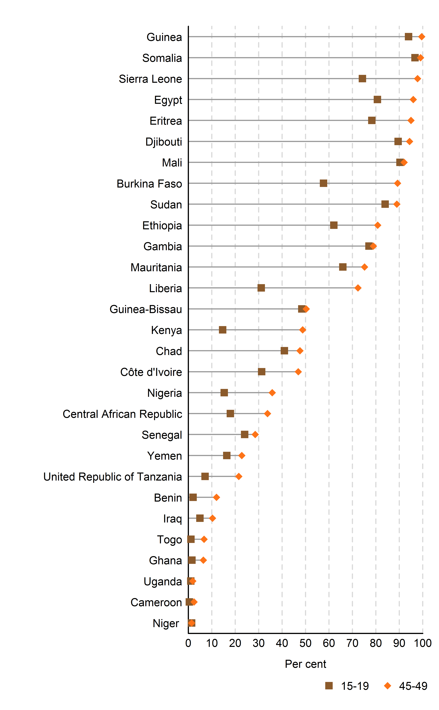
 | 15-19 | 45-49 | Difference
Niger | 1.4 | 1.4 | 0
Cameroon | 0.4 | 2.4 | 2
Uganda | 1 | 1.9 | 0.9
Ghana | 1.5 | 6.4 | 4.9
Togo | 1.1 | 6.7 | 5.6
Iraq | 4.9 | 10.3 | 5.4
Benin | 2 | 12 | 10
United Republic of Tanzania | 7.1 | 21.5 | 14.4
Yemen | 16.4 | 22.8 | 6.4
Senegal | 24 | 28.5 | 4.5
Central African Republic | 17.9 | 33.8 | 15.9
Nigeria | 15.3 | 35.8 | 20.5
Côte d'Ivoire | 31.3 | 46.9 | 15.6
Chad | 41 | 47.6 | 6.6
Kenya | 14.6 | 48.8 | 34.2
Guinea-Bissau | 48.4 | 50.3 | 1.9
Liberia | 31.1 | 72.4 | 41.3
Mauritania | 65.9 | 75.2 | 9.3
Gambia | 77.1 | 79 | 1.9
Ethiopia | 62.1 | 80.8 | 18.7
Sudan | 84 | 89 | 5
Burkina Faso | 57.7 | 89.3 | 31.6
Mali | 90.3 | 92.1 | 1.8
Djibouti | 89.5 | 94.4 | 4.9
Eritrea | 78.3 | 95 | 16.7
Egypt | 80.7 | 96 | 15.3
Sierra Leone | 74.3 | 97.8 | 23.5
Somalia | 96.7 | 99.1 | 2.4
Guinea | 94 | 99.6 | 5.6

Source(s):
Compiled by the United Nations Statistics Division from Demographic and Health Survey (DHS) and Multiple Indicator Cluster Survey (MICS) reports.(ICF, 2014 and UNICEF, 2014c).

Note:
In the 29 countries where FGM is concentrated, almost all girls undergoing FGM are cut before the age of 15 (UNICEF, 2013). Ranking is for presentation purposes only (see introduction to section A for further details).

Figure 6.13
Back to Index
Figure 6.13 Proportion of women aged 15–49 years who experienced violence and sought help, 2000–2013 (latest available)
Reference: United Nations, 2015. The World's Women 2015: Trends and Statistics. New York: United Nations, Department of Economic and Social Affairs, Statistics Division. Sales No. E.15.XVII.8.

 | Sought help | Albania (2013) | 8.4
Georgia | 71.2 | Burkina Faso (2010) | 38.2
Guatemala | 61.9 | Cabo Verde (2005) | 36.2
Paraguay | 58.5 | Cambodia (2000) | 20.3
Sierra Leone | 54.5 | Cambodia (2005) | 31.0
Malawi | 51.9 | Cameroon (2004) | 35.3
Tuvalu | 50.7 | Cameroon (2011) | 37.1
Honduras | 47.7 | Central African Republic (2006) | 41.2
United Republic of Tanzania | 46.6 | Cote d'Ivoire (2011-12) | 36.9
Zambia | 46.3 | Egypt (2005) | 34.5
Gabon | 42.6 | Equatorial Guinea (2011) | 33.0
Rwanda | 42.4 | Georgia (2005) | 79.5
Uganda | 41.9 | Georgia (2010) | 71.2
Central African Republic | 41.2 | Ghana (2008) | 38.5
Dominican Republic | 40.8 | Guatemala (2008-09) | 61.9
Jordan | 40.7 | Haiti (2000) | 29.4
Belarus | 39.7 | Haiti(2012) | 31.4
Kyrgyzstan | 39.3 | Honduras (2005-06) | 31.7
Comoros | 39.2 | Honduras (2011-12) | 47.7
Ghana | 38.5 | India (2005-06) | 23.8
Burkina Faso | 38.2 | Kenya (2008-09) | 37.2
Ukraine | 38.1 | Kyrgyzstan (2012) | 39.3
Colombia | 37.9 | Malawi (2004) | 41.9
Kenya | 37.2 | Malawi (2010) | 51.9
Zimbabwe | 37.2 | Malta (2010) | 46.4
Cameroon | 37.1 | Mozambique (2011) | 36.1
Côte d'Ivoire | 36.9 | Nepal (2011) | 22.8
Cabo Verde | 36.2 | Paraguay (2008) | 58.5
Mozambique | 36.1 | Republic of Moldova (2010) | 72.5
Pakistan | 35.2 | Rwanda (2005) | 43.8
Egypt | 34.5 | Rwanda (2010) | 42.4
Equatorial Guinea | 33.0 | Timor-Leste (2009-10) | 23.7
Haiti | 31.4 | Tuvalu (2007) | 50.7
Nigeria | 31.3 | Ukraine (2007) | 38.1
Cambodia | 31.0 | United Republic of Tanzania (2010) | 46.6
Philippines | 30.0 | Vanuatu (2009) | 43.0
Marshall Islands | 25.8 | Zambia (2007) | 46.3
India | 23.8 | Zimbabwe (2010-11) | 37.2
Timor-Leste | 23.7
Nepal | 22.8
Tajikistan | 20.3
Mali | 17.5

Source(s):
Compiled by the United Nations Statistics Division from Demographic and Health Surveys (DHS), Reproductive Health Surveys (RHS) and Multiple Indicator Cluster Surveys (MICS). (ICF, 2014, CDC, 2014 and UNICEF, 2014c).

Note:
Ranking is for presentation purposes only (see introduction to section A for further details).

Figure 6.14
Back to Index
Figure 6.14 Proportion of women aged 15–49 years who experienced violence and sought help from the police, as a proportion of those who sought help from any source, 2005/06–2013 (latest available)
Reference: United Nations, 2015. The World's Women 2015: Trends and Statistics. New York: United Nations, Department of Economic and Social Affairs, Statistics Division. Sales No. E.15.XVII.8.

 | Percentage of women who have experienced physical or sexual violence and sought help from the police, out of those who sought help
Ukraine | 32.1
Honduras | 17.9
Zimbabwe | 12.6
Dominican Republic | 12.5
Haiti | 8.5
Zambia | 7.2
Rwanda | 6.5
Kenya | 6.4
Philippines | 5.7
Uganda | 5.6
United Republic of Tanzania | 5.5
Kyrgystan | 5.4
Ghana | 5.3
Georgia | 5
Tuvalu | 5
Nepal | 4.2
Tajikistan | 4.2
Sierra Leone | 3.9
Comoros | 3.5
Malawi | 3.5
Gabon | 3.2
Marshall Islands | 2.8
Nigeria | 2.4
Cameroon | 2.3
India | 2.1
Equatorial Guinea | 1.8
Mozambique | 1.8
Jordan | 1.5
Pakistan | 0.8

Source(s):
Compiled by the United Nations Statistics Division from Demographic and Health Surveys (DHS) and Reproductive Health Surveys (RHS). (ICF, 2014 and CDC, 2014).

Note:
Ranking is for presentation purposes only (see introduction to section A for further details).

