Sheet1
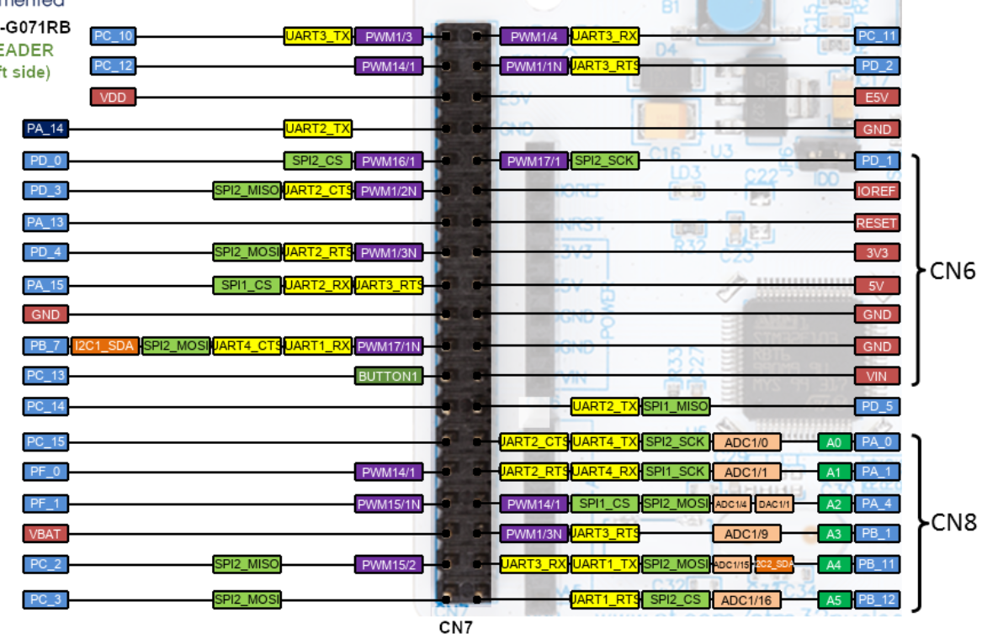
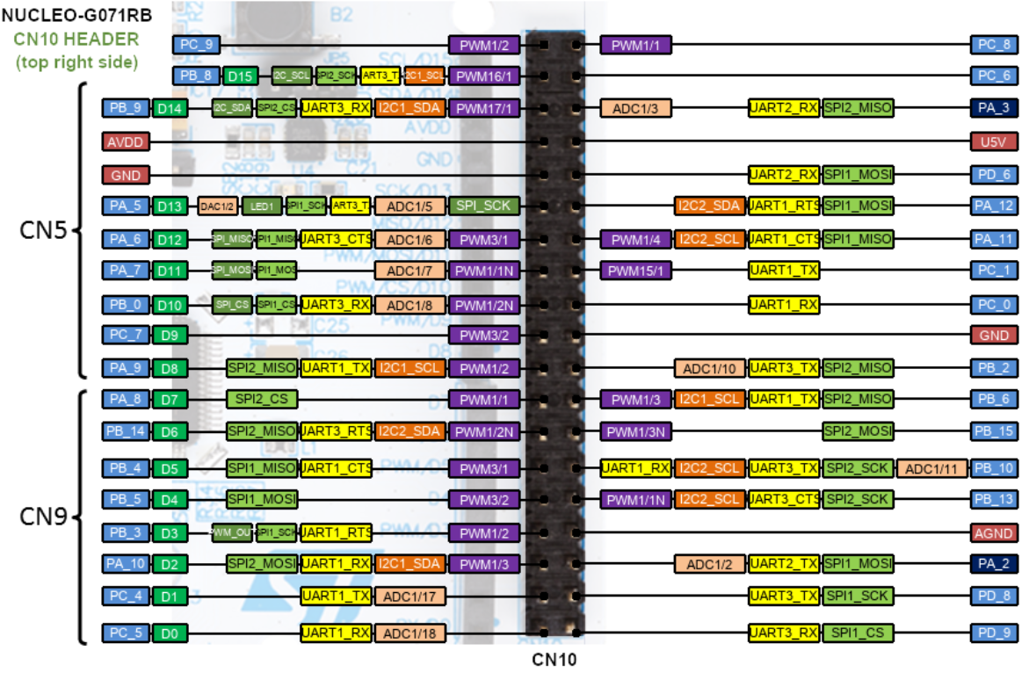
STM32-NUCLEO-G071RB

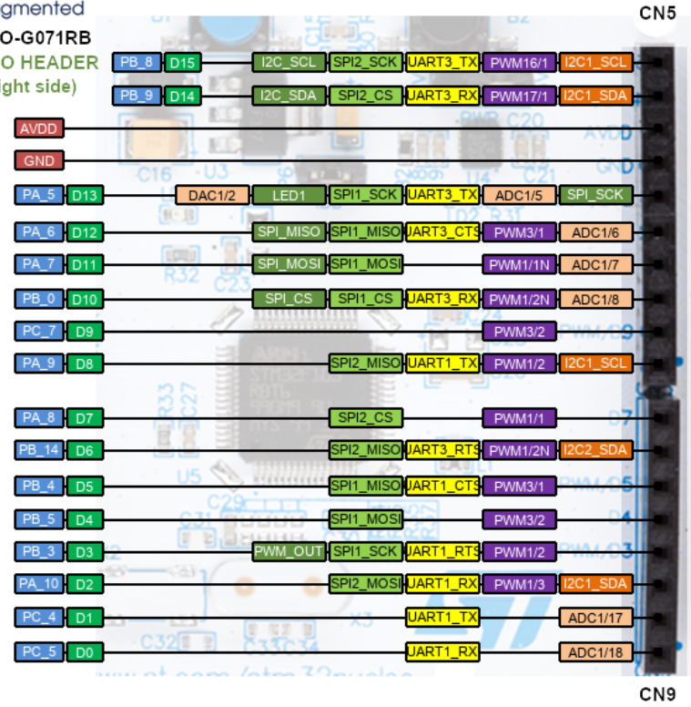
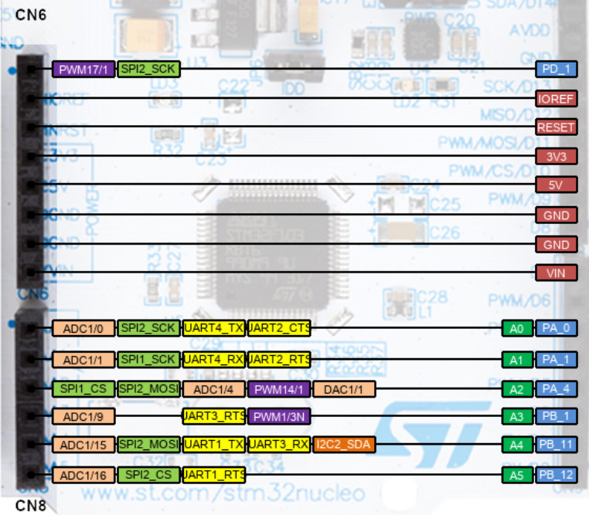
MCU PIN | Label | Shield PIN
PA0 | POT | P
PA1 | TEMP | I - MCU in; K-sensor
 |  | J + sensor
 |  | L - sensor
PA6 | FLOW | O
PB12 | BUZZ | E
PA9 | I2C1_SCL | H
PA10 | I2C1_SDA | G
PB5 | LED_RED | D
PB4 | LED_GREEN | C
PB3 | LED_BLUE | B
PB11 | BUTTON | N
 | GND | M
 | 3.3V | F

