EG2 2024 F2 TREE
INPUT JSON FILE GRAMMAR
File ::= | Object_Start Data Object_End
Object_Start ::= | {
Object_End ::= | }
Data ::= | Field1 Separator Field2
Field1 ::= | Label1 Equals Value1
Field2 ::= | Label2 Equals Value2
Separator ::= | ,
Equals ::= | :
Label1 ::= | Quotation Label1Value Quotation
Label1Value ::= | Localizer
Value1 ::= | Quotation LocalizerValue Quotation
LocalizerValue ::= | a|b|c|e|f|0|1….|9| {32}
Quotation ::= | "
Label2 ::= | Quotation Label2Value Quotation
Label2Value ::= | IdCard
Value2 ::= | Quotation IdCardValue Quotation
IdCardValue ::= | 0-9{8}a-z{1}
1
Quotation ::= | "
 |  |  |  |  |  |  |  |  |  | File
2
3
4
5
6
 |  | Object_Start |  |  |  |  |  |  |  | Data |  |  |  |  |  |  |  | Object_End
 |  | { |  |  |  |  |  |  |  |  |  |  |  |  |  |  |  | }
7
8
9
10
 |  |  |  |  |  | Field1 |  |  |  | Separator |  |  |  | Field2
 |  |  |  |  |  |  |  |  |  | ,
11
12
13
14
15
16
17
18
 |  |  |  | Label1 |  | Equals |  | Value1 |  |  |  | Label2 |  | Equals |  | Value2
 |  |  |  |  |  | : |  |  |  |  |  |  |  | :
19
20
21
22
23
24
25
26
27
28
29
30
31
32
33
34
35
36
37
38
39
40
41
42
 |  |  | Quotation | Label1Value | Quotation |  | Quotation | LocalizerValue | Quotation |  | Quotation | Label2Value | Quotation |  | Quotation | IdCardValue | Quotation
 |  |  | " | Localizer | " |  | " | a|b|c|e|f|0|1….|9| {32} | " |  | " | IdCard | " |  | " | 0-9{8}a-z{1} | "

EG2 2024 F3 GRAPH
1
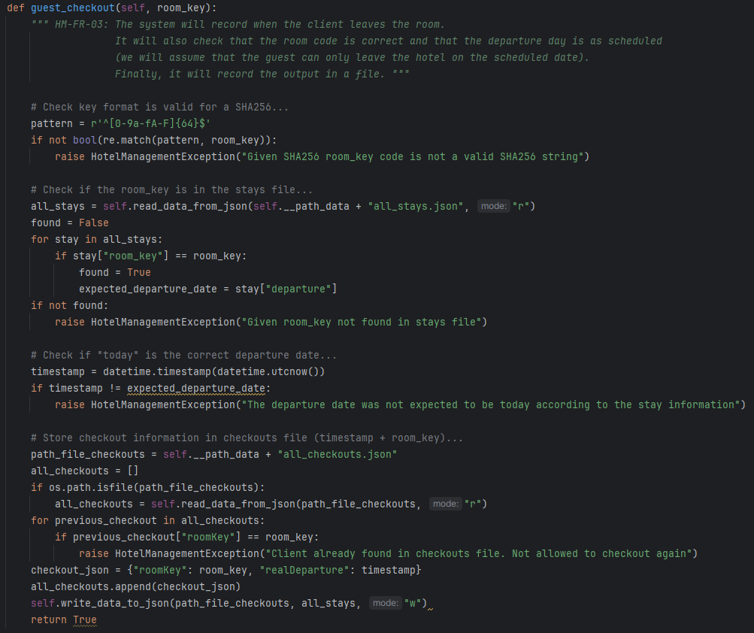

Complexity = | 23E - 17N + 2 = 8
2
3

1
4
Path 1 | 1_2_3_F
Path 2 | 1_2_4_7_8_F
Path 3 | 1_2_4_5_4_7_8_F
2
Path 4 | 1_2_4_5_6_7_9_10_F
3
Path 5 | 1_2_4_5_6_7_9_11_12_13_16_F
Path 6 | 1_2_4_5_6_7_9_11_13_16_F
5
6
Path 7 | 1_2_4_5_6_7_9_11_13_14_15_F
Path 8 | 1_2_4_5_6_7_9_11_13_14_13_16_F

4
7
8
5
6

7
9
10
8

11
12

9
10
13

11
14
15
12
13

14
16
15
16

F
F

