Sheet1
 | cost | sources
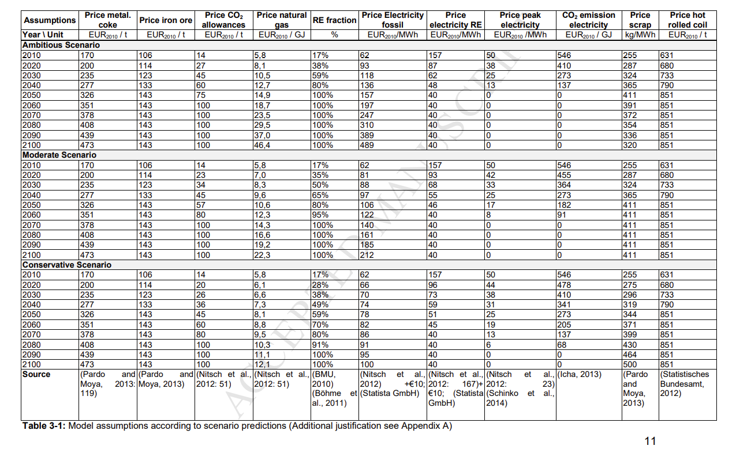

Source: Fischedick, M.; Marzinkowski, J.; Winzer, P.; Weigel, M. Techno-economic evaluation of innovative steel production technologies. J. Clean. Prod. 2014, 84, 563–580.

