Theatre Outcomes by Launch Date
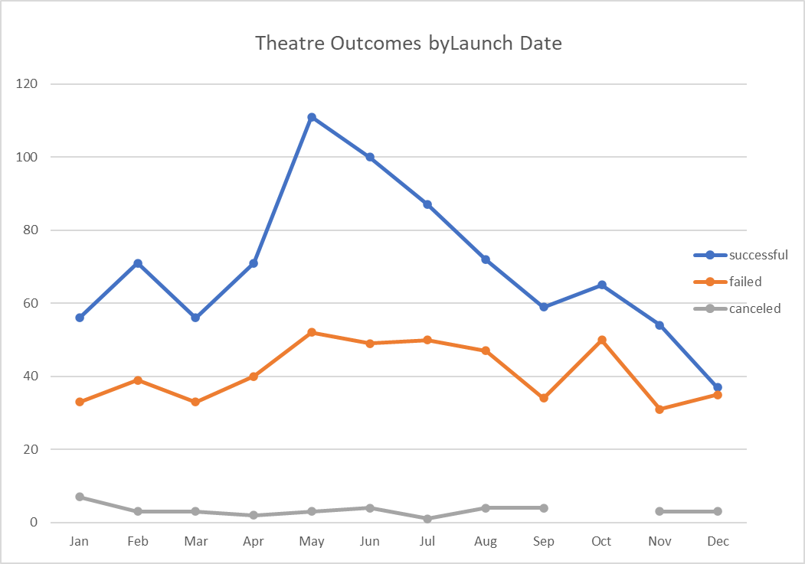
parent Category | theater
Year | (All)

Count of currency | Column Labels
Row Labels | successful | failed | canceled | Grand Total
Jan | 56 | 33 | 7 | 96
Feb | 71 | 39 | 3 | 113
Mar | 56 | 33 | 3 | 92
Apr | 71 | 40 | 2 | 113
May | 111 | 52 | 3 | 166
Jun | 100 | 49 | 4 | 153
Jul | 87 | 50 | 1 | 138
Aug | 72 | 47 | 4 | 123
Sep | 59 | 34 | 4 | 97
Oct | 65 | 50 |  | 115
Nov | 54 | 31 | 3 | 88
Dec | 37 | 35 | 3 | 75
Grand Total | 839 | 493 | 37 | 1369

First Pivot Table
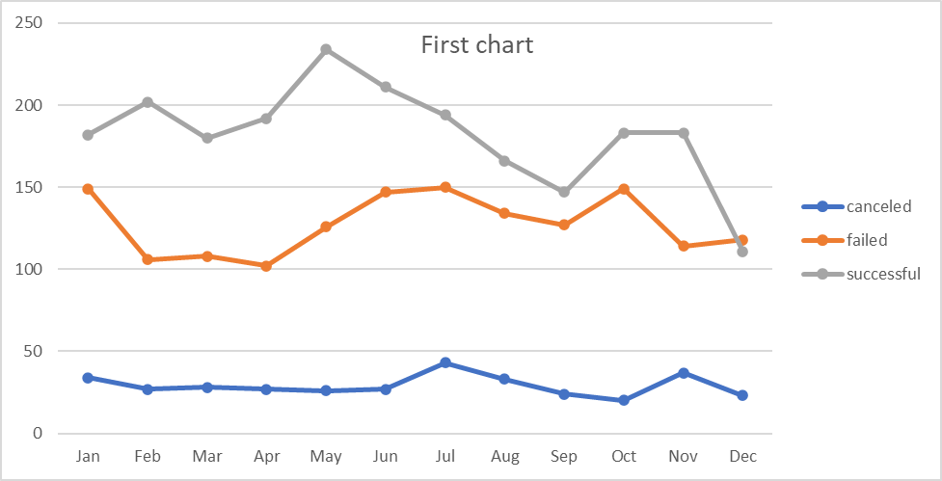
Years | (All)
parent Category | (All)

Count of currency | Column Labels
Row Labels | canceled | failed | successful | Grand Total
Jan | 34 | 149 | 182 | 365
Feb | 27 | 106 | 202 | 335
Mar | 28 | 108 | 180 | 316
Apr | 27 | 102 | 192 | 321
May | 26 | 126 | 234 | 386
Jun | 27 | 147 | 211 | 385
Jul | 43 | 150 | 194 | 387
Aug | 33 | 134 | 166 | 333
Sep | 24 | 127 | 147 | 298
Oct | 20 | 149 | 183 | 352
Nov | 37 | 114 | 183 | 334
Dec | 23 | 118 | 111 | 252
Grand Total | 349 | 1530 | 2185 | 4064

Outcome Based on Goals
Goal | Number successful | Number Failed | Number Canceled | Total Projects | Percentage successful % | Percentage Failed % | Percentage canceled %
less than 1000 | 141 | 45 | 0 | 186 | 76 | 24 | 0
1000 to 4999 | 388 | 146 | 0 | 534 | 73 | 27 | 0
5000 to 9999 | 93 | 76 | 0 | 169 | 55 | 45 | 0
10000 to 14999 | 39 | 33 | 0 | 72 | 54 | 46 | 0
15000 to 19999 | 12 | 12 | 0 | 24 | 50 | 50 | 0
20000 to24999 | 9 | 11 | 0 | 20 | 45 | 55 | 0
25000 to 29999 | 1 | 4 | 0 | 5 | 20 | 80 | 0
30000 to 34999 | 3 | 8 | 0 | 11 | 27 | 73 | 0
35000 to 39999 | 4 | 2 | 0 | 6 | 67 | 33 | 0
40000 to 44999 | 2 | 1 | 0 | 3 | 67 | 33 | 0
45000 to 49999 | 0 | 1 | 0 | 1 | 0 | 100 | 0
50000 or more | 2 | 14 | 0 | 16 | 13 | 88 | 0

Outcomes based on Goals
 | Percentage successful % | Percentage Failed % | Percentage canceled %
1000 to 4999 | 73 | 27 | 0
5000 to 9999 | 55 | 45 | 0
10000 to 14999 | 54 | 46 | 0
15000 to 19999 | 50 | 50 | 0
20000 to24999 | 45 | 55 | 0
25000 to 29999 | 20 | 80 | 0
30000 to 34999 | 27 | 73 | 0
35000 to 39999 | 67 | 33 | 0
40000 to 44999 | 67 | 33 | 0
45000 to 49999 | 0 | 100 | 0
50000 or more | 13 | 88 | 0

ANALYSIS
OVERVIEW OF PROJECT
We are helping Louise to figure out how she can fund her campaign project by using data to perform analysis with two different approaches to discover the real intuitions.
Purpose:
The purpose of this project is to show the analysis of the campaigns by launch date and funding goals.
ANALYSIS AND CHALLENGES
Analysis based on Launch Date
I used the following approach to split parent category and subcategory:
Data tab>text column button>convert text to columns wizard>delimited>next>uncheck “TAB” box and check “other”>place a backlash (/) in the box>click next>select text>finish.
I used the formular ”(((J2/60)/60)/24+DATE(1970,1,1)” to get date created conversion
I used =YEAR(Q2) to extract the year from data created conversion.
Analysis based on Goals
(1) I used CONTIFS Formular to form thr number successful, failed and canceled
e.g, =COUNTIFS(Kickstater!$D:$D,"<1000",Kickstater!F:F,"successful",Kickstater!P:P,"plays") to get the “number successful” for “goal” that is less than $1,000
(2) I used the “SUM” formular to get total project.
(3) I used =ROUND(B2/E2*100,0) for the percentages.
CHALLENGES AND DIFFICULTIES
One of the challenges I encountered was using CONTIFS formular to get the values of number successful, failed and canceled, after putting lots of efforts, I was able to overcome this challenge.
RESULTS
Conclusions:
(A) BASED ON LAUNCH DATE
May and June were the most successful months while December and November were least successful months respectively.
(B) BASED ON GOALS
Based on the analysis, the campaign was most successful between less than $1,000 and less than or equal to $4,999. Which means targets should be between less $1,000 and $4,999.
LIMITATIONS
Data for few years were used in this analysis, however large data would have brought about good and reliable results since the whole analysis depends solely on them.
WHAT ARE SOME OTHER TABLES AND/OR GRAPHS THAT WE CAN CREATE?
Tables:
Tables of Deadline and timeline would give great analysis of the campaign.
Graphs:
Bar chat, histogram, and pie.

