Sheet1
 | Michael Pradel michael@binaervarianz.de | Vadim Markovtsev vadim@athenian.co | Markus Borg markus.borg@ri.se | Andrea Girardello (andrea@42matters.com) & Xuan (half-day) | Wuan Zhang undefined [xuan@42matters.com] | Baishakhi Ray (rayb@cs.columbia.edu) (half-day)
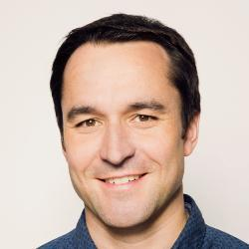
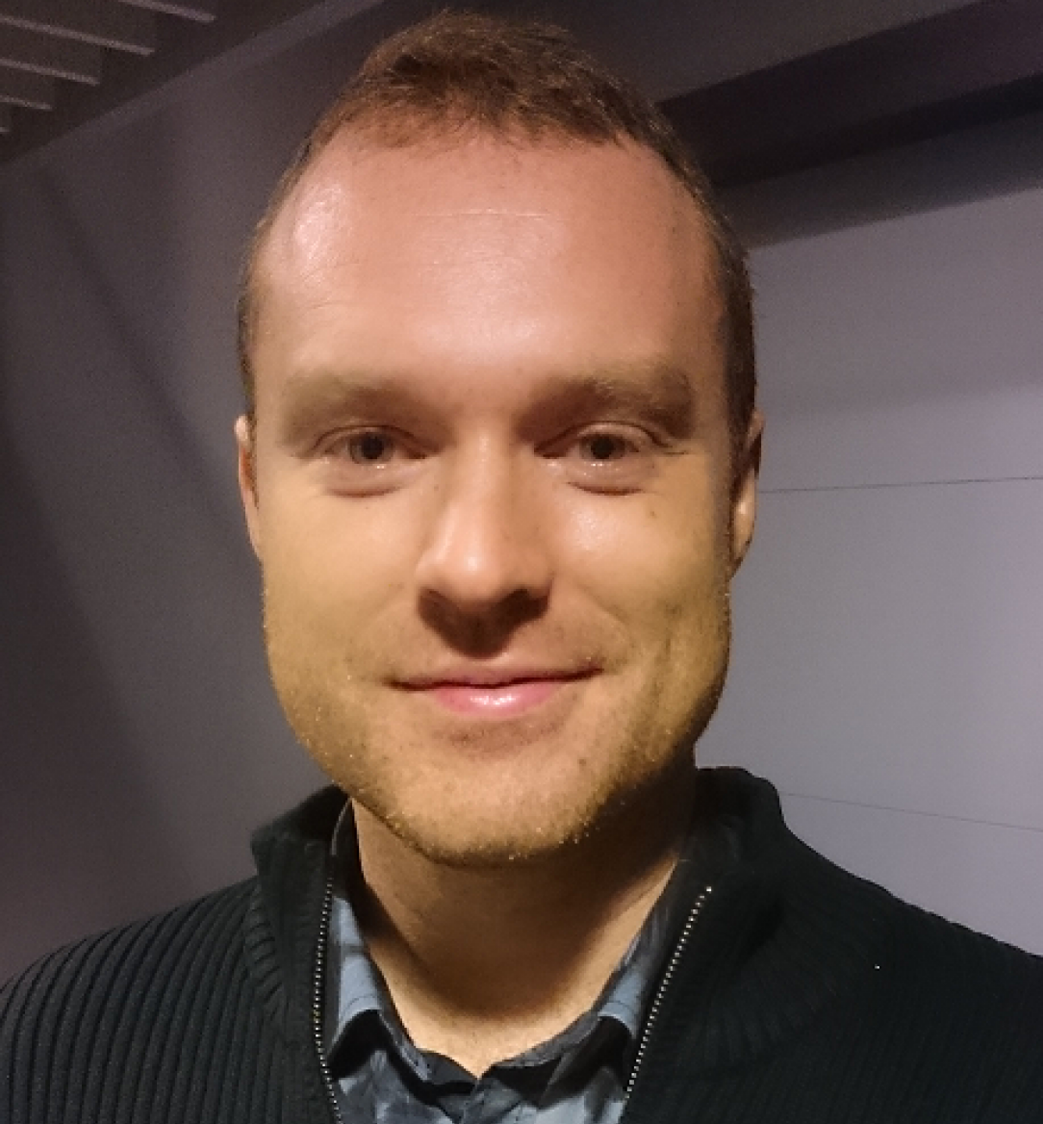
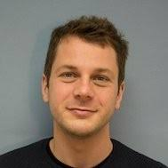
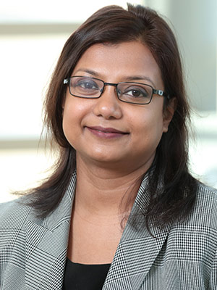
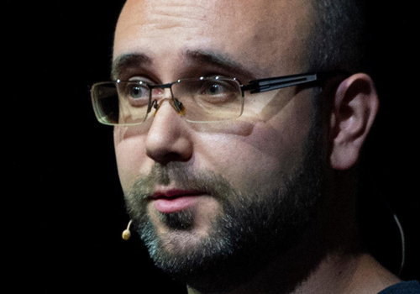

Title | Analyzing Software using Deep Learning |  | Trained, not coded – Toward Safe AI in the Automotive Domain
Abstract | Software developers use tools that automate particular subtasks of the development process. Recent advances in machine learning, in particular deep learning, are enabling tools that had seemed impossible only a few years ago, such as tools that predict what code to write next, which parts of a program are likely to be incorrect, and how to fix software bugs. This tutorial introduces recent techniques developed at the intersection of program analysis and machine learning. We will cover some basics of the two fields, study two recent learning-based analysis tools (DeepBugs and TypeWriter) in more detail, and get some hands-on experience with a simple deep-learning based program analysis. |  | While Deep Neural Networks (DNN) have revolutionized applications that rely on computer vision, their characteristics introduce substantial challenges to automotive safety engineering. The behavior of a DNN is not explicitly expressed by an engineer in source code, instead enormous amounts of annotated data are used to learn a mapping between input and output. Automotive functional safety as defined by ISO 26262 does not match the characteristics of machine learning. New safety standards are currently evolving to meet the pressing industry need. Last year, ISO/PAS 21148 Safety of the Intended Functionality (SOTIF) was published, a stepping-stone toward a new ISO standard. SOTIF is intended to complement functional safety for automotive systems that rely on machine learning. Also last year, a public draft of the UL 4600 standard was released – another initiative to tackle safe machine learning. However, UL 4600 is not restricted to the automotive domain and does not rely on a human driver ultimately responsible for safe operation. In this session, we will compare and contrast the two standards and explore how they can be used to guide the development of safe AI.
Short bio | Michael Pradel is a full professor at University of Stuttgart, which he joined after a PhD at ETH Zurich, a post-doc at UC Berkeley, an assistant professorship at TU Darmstadt, and a sabbatical at Facebook. His research interests span software engineering, programming languages, security, and machine learning, with a focus on tools and techniques for building reliable, efficient, and secure software. In particular, he is interested in dynamic program analysis, test generation, concurrency, performance profiling, JavaScript-based web applications, and machine learning-based program analysis. Michael has been awarded the Software Engineering Award of the Ernst-Denert-Foundation for his dissertation, the Emmy Noether grant by the German Research Foundation (DFG), and an ERC Starting Grant. |  | Dr. Markus Borg is a senior researcher with RISE Research Institutes of Sweden AB. He is also an adjunct lecturer at Lund University from where he obtained a PhD in software engineering in 2015. His research interests include empirical software engineering, machine learning, and software testing. Before embarking on the career in research, Markus worked at ABB as a software engineer in safety-critical process automation. Markus is also a board member of Swedsoft, an independent non-profit organization with the mission to increase the competitiveness of Swedish software.

