Sensitivity Analysis Report
Cost of desalination using traditional process(GBP/cu. Meter) | £0.10

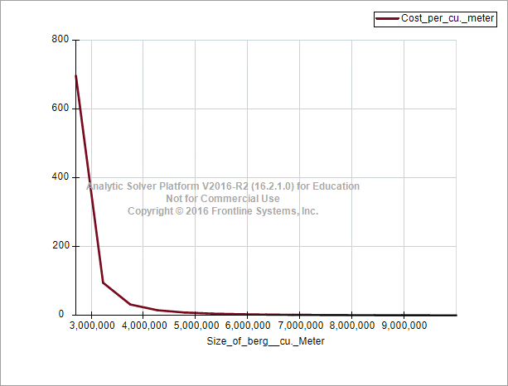
Speed = 1 kmph
Size_of_berg__cu._Meter | [Icebergs_Kuwait_Model_V2_4_abhinav.xlsx]Base case model_sensitivity'!$E$42
100,000 | #NUM!
621,053 | #NUM!
1,142,105 | #NUM!
1,663,158 | #NUM!
2,184,211 | #NUM!
2,705,263 | £697.7888
3,226,316 | £95.7279
3,747,368 | £32.5221
4,268,421 | £15.7080
4,789,474 | £9.1361
5,310,526 | £5.9553
5,831,579 | £4.1877
6,352,632 | £3.1087
6,873,684 | £2.4040
7,394,737 | £1.9194
7,915,789 | £1.5714
8,436,842 | £1.3131
8,957,895 | £1.1161
9,478,947 | £0.9622
10,000,000 | £0.8396

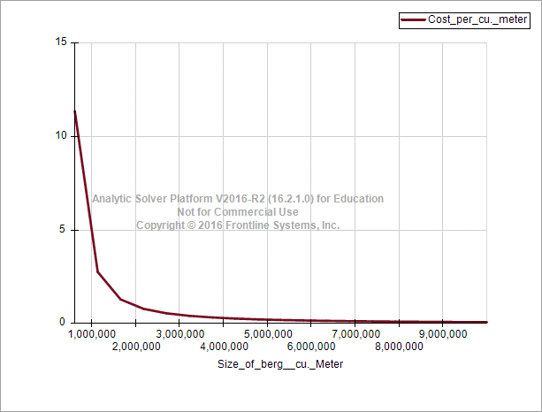
Speed = 3 kmph
Size_of_berg__cu._Meter | [Icebergs_Kuwait_Model_V2_4_abhinav.xlsx]Base case model_sensitivity'!$E$42
100,000 | #NUM!
621,053 | £11.3746
1,142,105 | £2.7679
1,663,158 | £1.2971
2,184,211 | £0.7918
2,705,263 | £0.5520
3,226,316 | £0.4160
3,747,368 | £0.3303
4,268,421 | £0.2701
4,789,474 | £0.2263
5,310,526 | £0.1937
5,831,579 | £0.1686
6,352,632 | £0.1487
6,873,684 | £0.1327
7,394,737 | £0.1195
7,915,789 | £0.1086
8,436,842 | £0.0993
8,957,895 | £0.0913
9,478,947 | £0.0845
10,000,000 | £0.0785

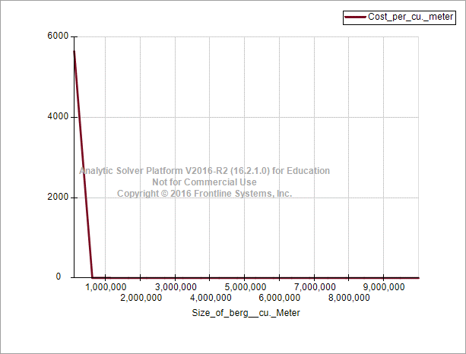
Speed = 5 kmph
Size_of_berg__cu._Meter | [Icebergs_Kuwait_Model_V2_4_abhinav.xlsx]Base case model_sensitivity'!$E$42
100,000 | £5,652.2571
621,053 | £3.2079
1,142,105 | £1.1711
1,663,158 | £0.6583
2,184,211 | £0.4461
2,705,263 | £0.3333
3,226,316 | £0.2615
3,747,368 | £0.2121
4,268,421 | £0.1774
4,789,474 | £0.1517
5,310,526 | £0.1322
5,831,579 | £0.1168
6,352,632 | £0.1044
6,873,684 | £0.0942
7,394,737 | £0.0858
7,915,789 | £0.0786
8,436,842 | £0.0725
8,957,895 | £0.0672
9,478,947 | £0.0626
10,000,000 | £0.0585

Tornado_charts
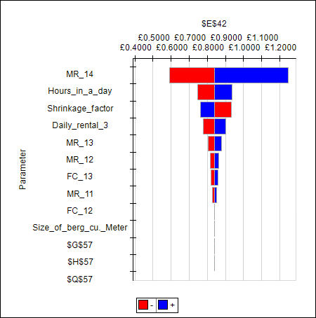
Speed = 1kmph

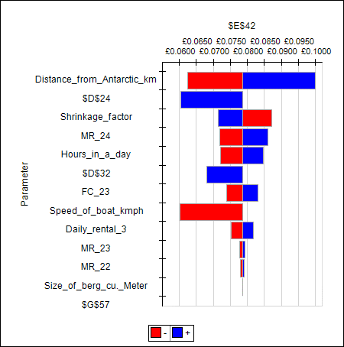
Speed = 3kmph

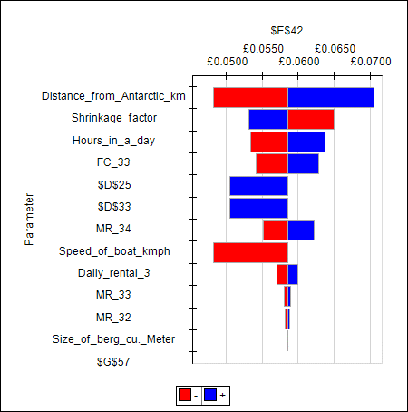
Speed = 5kmph

