ENEMY BUILDER
 |  |  | Deadbough Root-Tender | <- COPY THIS COLUMN |  | Base | Role | Def x2 | Def x1 | Armor | Action | Ability 1 | Ability 2 | Ability 3 | Ability 4 | Ability 5 | Ability 6 | Ability 7 | Ability 8 | Ability 9 | Ability 10 | Ability 11
Enemy Level |  | 2 | Enemy Level: 2 | Enemy Level | 2 | 2
Encounter Slots |  | 0.5 | Encounter Slots: 0.5 | Encounter Slots | 0.5
Role |  |  | Reflex: 4 | Reflex | 4 | 4
Defensive |  |  | Health: 3 | Health | 3 | 8

Primary Defense |  |  | Other Resist: 2 | Other Resist | 2 | 2
Parry/Dodge |  |  | Physical Resist: 3 | Physical Resist | 3 | 2 |  |  |  | 1
Secondary Defense |  |  |  | Fire Resist | 2 | 2
Mental |  |  |  | Frost Resist | 2 | 2
 |  |  |  | Brilliant Resist | 2 | 2
Action |  |  |  | Shadow Resist | 2 | 2
Defensive Melee
Alternate vs. Defense? |  |  | Parry Defense: 17 | Parry Defense | 17 | 12 | 1 | 2 | 0 |  | 2
Parry/Dodge |  |  | Dodge Defense: 15 | Dodge Defense | 15 | 12 | 1 | 2 | 0
 |  |  | Bodily Defense: 13 | Bodily Defense | 13 | 12 | 1 | 0 | 0
Battle Tactics |  |  | Mental Defense: 14 | Mental Defense | 14 | 12 | 1 | 0 | 1
Hold the Line
Fighting Style |  |  | Speed: 3 | Speed | 3 | 3
Flurry
 |  |  | Hold the Line: Focuses on most aggressive characters
 |  |  | Flurry: Attacks/supports twice if possible | Defensive Melee: | Defensive Melee | Defensive Melee |  |  |  |  | Defensive Melee
Armor |  |  |  | Close Range | 0 | 0
Light Armor |  |  | Defensive Melee: Close Range | Accuracy +7 vs. Parry/Dodge | Damage 5 Physical | | Accuracy +7 | 7 | 6 |  |  |  |  | 1
 |  |  |  | vs. Parry/Dodge | Parry/Dodge | Parry/Dodge |  |  |  |  | Parry/Dodge
 |  |  |  | | Damage 5 | 5 | 2 |  |  |  |  | 3
Abilities | Count | Points |  | Physical | Physical | Physical |  |  |  |  | Physical
Strike (Battering) | 1 | 5 | Strike (Battering): Attack is Parried -> target gains a stack of Bleeding
Action (Parting Shot) | 1 | 5
 | 1 | 0 | Action (Parting Shot): Enemy moves out of melee -> free attack against them | Basic Attack: | Basic Attack | Basic Attack
 | 1 | 0 |  | Close Range | 0 | 0
 | 1 | 0 |  | | Accuracy +6 | 6 | 6
 | 1 | 0 |  | vs. Parry/Dodge | Parry/Dodge | Parry/Dodge
 | 1 | 0 |  | | Damage 2 | 2 | 2
 | 1 | 0 |  | Physical | Physical | Physical
 | 1 | 0
 | 1 | 0
 | 1 | 0 |  | Strike (Battering): | Strike (Battering) | Strike (Battering)
Total |  | 10 |  |  | 0
Allotment |  | 10 |  |  | 0 | 0

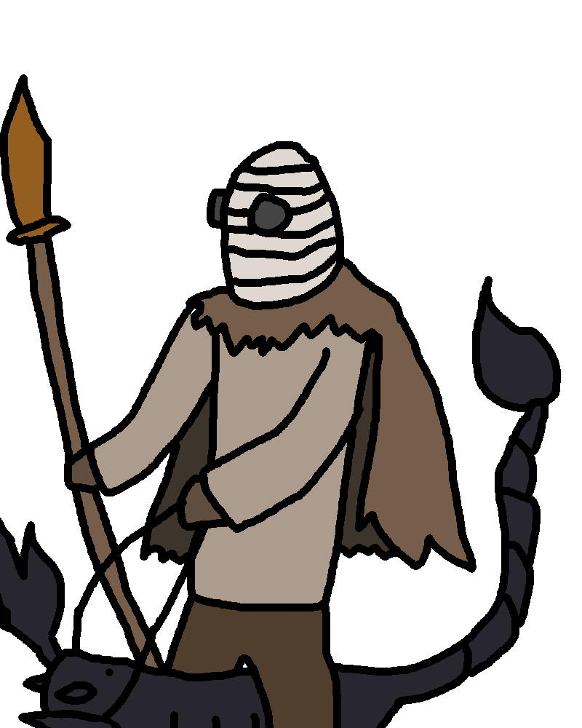
 |  |  |  | Attack is Parried -> target gains a stack of Bleeding | Attack is Parried -> target gains a stack of Bleeding | Attack is Parried -> target gains a stack of Bleeding

 |  |  |  | Action (Parting Shot): | Action (Parting Shot) | Action (Parting Shot)
 |  |  |  |  | 0 | 0
 |  |  |  |  | 0 | 0

 |  |  |  | Enemy moves out of melee -> free attack against them | Enemy moves out of melee -> free attack against them | Enemy moves out of melee -> free attack against them

 |  |  |  | #N/A
 |  |  |  | #N/A | #N/A | #N/A
 |  |  |  | #N/A | #N/A | #N/A
 |  |  |  | #N/A | #N/A | #N/A
 |  |  |  | #N/A | #N/A | #N/A

 |  |  |  | #N/A
 |  |  |  | #N/A | #N/A | #N/A
 |  |  |  | #N/A | #N/A | #N/A
 |  |  |  | #N/A | #N/A | #N/A
 |  |  |  | #N/A | #N/A | #N/A

 |  |  |  | #N/A
 |  |  |  | #N/A | #N/A | #N/A
 |  |  |  | #N/A | #N/A | #N/A
 |  |  |  | #N/A | #N/A | #N/A
 |  |  |  | #N/A | #N/A | #N/A

 |  |  |  | #N/A
 |  |  |  | #N/A | #N/A | #N/A
 |  |  |  | #N/A | #N/A | #N/A
 |  |  |  | #N/A | #N/A | #N/A
 |  |  |  | #N/A | #N/A | #N/A

