Sheet2
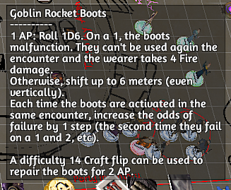
Athletics
Acrobatics
Insight
Academics
Arcana
Awareness
Archery
Masquerade
Craft
Meditation
Might
Brawl
Persuasion
Composure
Performance
Presence
Melee
Streetwise
Medicine
Rapport
Resilience
Stealth
Survival
Mixology
Theurgy

