Resistoflex Products
 |  | RESISTOFLEX PRODUCT LIST

Category | Product Family | Model / Product Name | Image

FOR MORE PICTURES AND SPECIFICATIONS: REFER TO |  | https://www.resistoflex.in/british-origin-mounts

Expansion Joints | Rubber Expansion Joint | Single Arch Rubber Expansion Joint with Retaining Ring & Control Unit
Expansion Joints | Rubber Expansion Joint | Single Arch Rubber Expansion Joint with Control Unit | 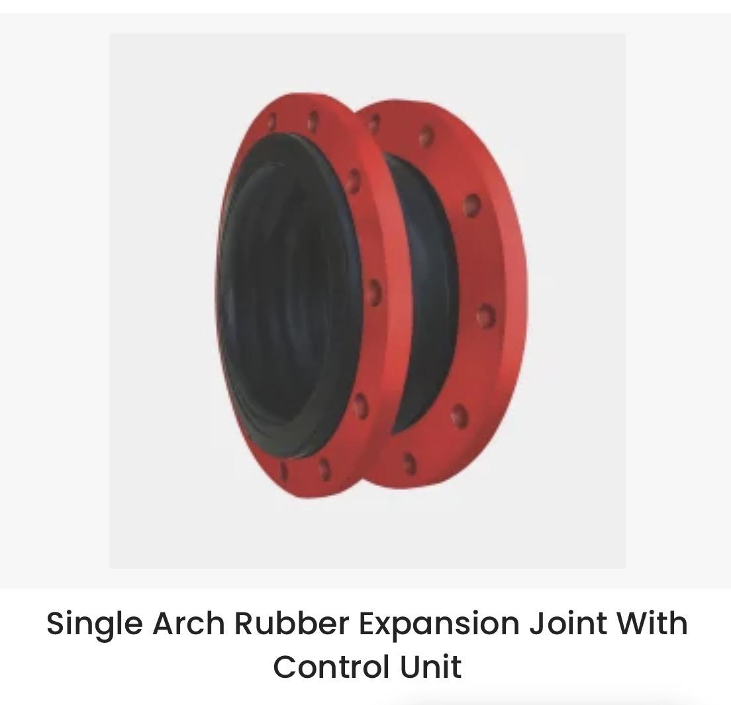
Expansion Joints | Rubber Expansion Joint | Double Arch Rubber Expansion Joint
Expansion Joints | Rubber Expansion Joint | Flexible Rubber Connector with Standard Union Ends
Expansion Joints | Rubber Expansion Joint | Flexible Rubber Connector with Flanged Union Ends

Expansion Joints | Metal Expansion Joint | Metal Expansion Joint with Control Unit
Expansion Joints | Flexible Duct Connector | RFDC (Flame Resistant Flexible Duct Connector)

Anti Vibration Mounts | Rubber Mounting | Circular Vibration & Shock Isolator CMS
Anti Vibration Mounts | Rubber Mounting | Combined Spring & Rubber Unit TSC
Anti Vibration Mounts | Rubber Mounting | Combined Spring & Rubber Unit SC
Anti Vibration Mounts | Rubber Mounting | Conical Vibration Shock Mounting BC 530
Anti Vibration Mounts | Rubber Mounting | Cup Mount Type CT
Anti Vibration Mounts | Rubber Mounting | Equifrequency Mounting Type KLR
Anti Vibration Mounts | Rubber Mounting | Flanged Tubular Vibration Shock Mounting Type FTS
Anti Vibration Mounts | Rubber Mounting | Flanged Tubular Vibration Shock Mounting Type FT
Anti Vibration Mounts | Rubber Mounting | Fleximount Rubber Isolator

Anti Vibration Mounts | Rubber Mounting | Genflex Rubber Mounting Type GF | 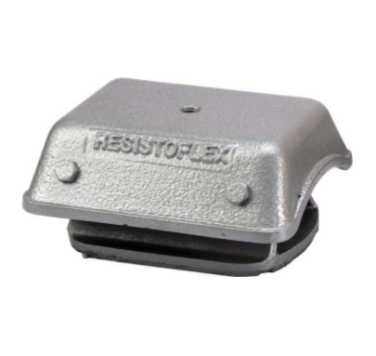
Anti Vibration Mounts | Rubber Mounting | Mobiflex Mounting Type MOB 144 | 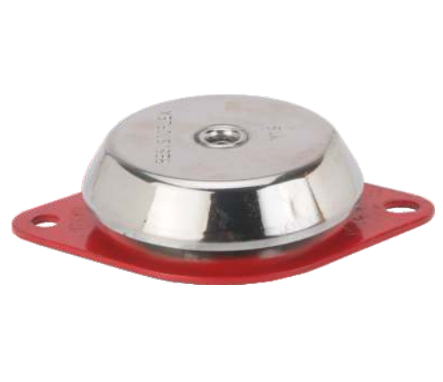
Anti Vibration Mounts | Rubber Mounting | Stabiflex Vibration & Shock Isolator Type STB
Anti Vibration Mounts | Spring Isolator | Seismic Restrained Spring Mount
Anti Vibration Mounts | Spring Isolator | Enclosed Spring Mount
Anti Vibration Mounts | Spring Isolator | Housed Spring Mounting
Anti Vibration Mounts | Spring Isolator | Open Restrained Spring
Anti Vibration Mounts | Spring Isolator | Open Spring Mount
Anti Vibration Mounts | Spring Isolator | Inertia Pouring Frame
Anti Vibration Mounts | Spring Isolator | Cup Spring Mount (CS)
Anti Vibration Mounts | Spring Isolator | Open Spring Unit Mount (OSU) | 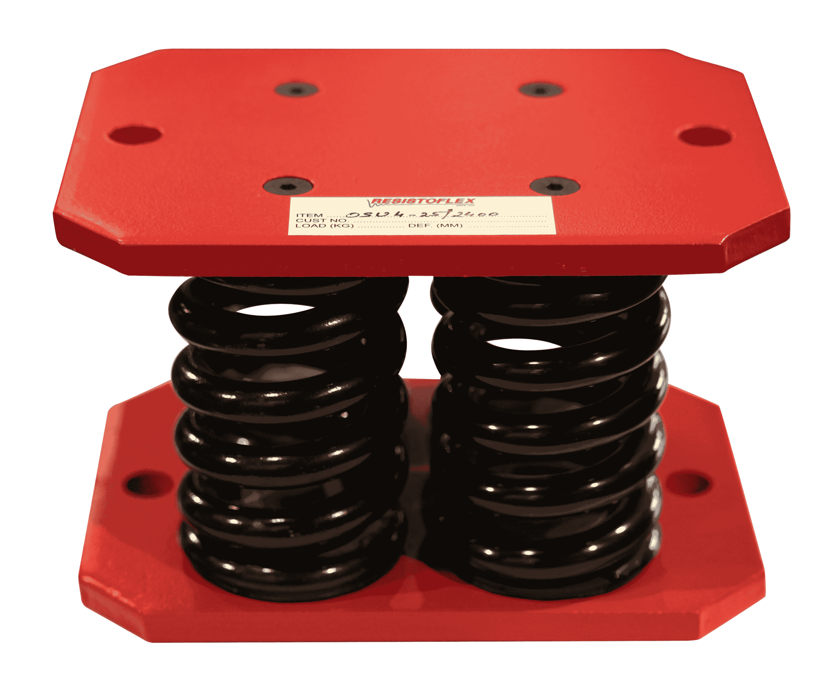
Anti Vibration Mounts | Bonded Buffers | Buffers
Anti Vibration Mounts | Hangers | Hangers
 |  | Resilient Hanger
 |  | Spring Cushion Hanger
 |  | Spring hangers without connector
 |  | Rubber hangers

Anti Vibration Mounts | Rubber Pads & Mats | Rubber Pads & Mats
 | Super shock absorbing pads
 | Compression stud pad
 | Studflex Vibration Isoltaion pad
Anti Vibration Mounts | Spring Viscous Damper System | Spring Viscous Damper System

Platform Vibration isolator |  |  | 