SANT LIST
 | SANT VALVES

Product | Material | Model/Code | Remarks | Sizes | Image

Butterfly Valve | Cast Iron | CR21 |  | Available on demand | 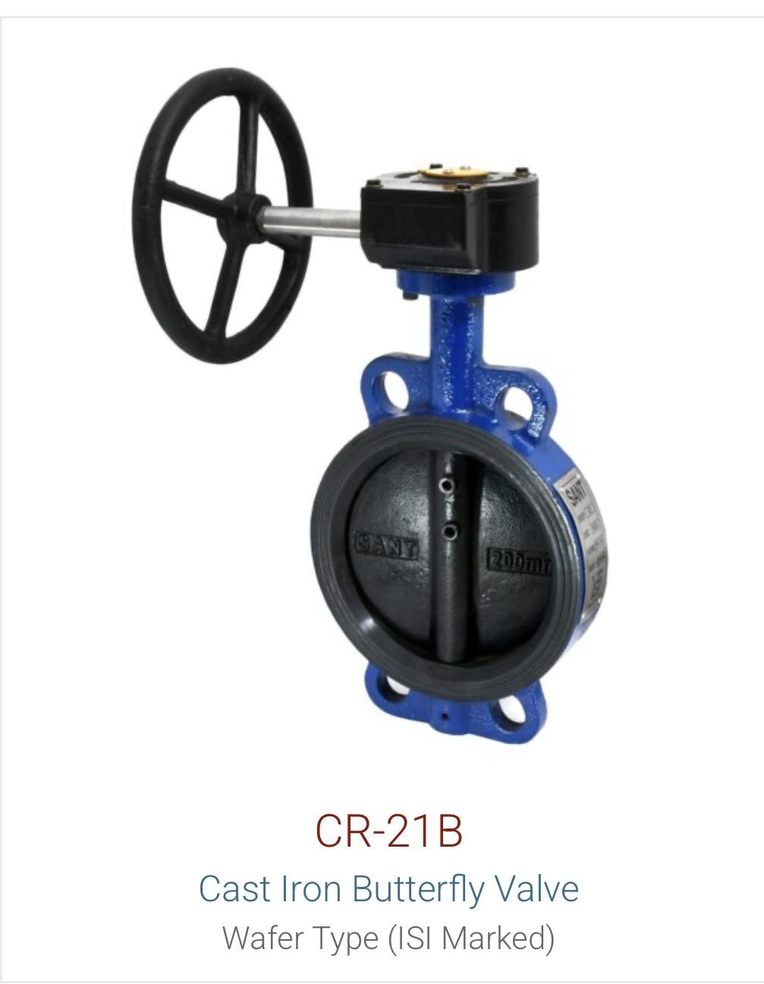 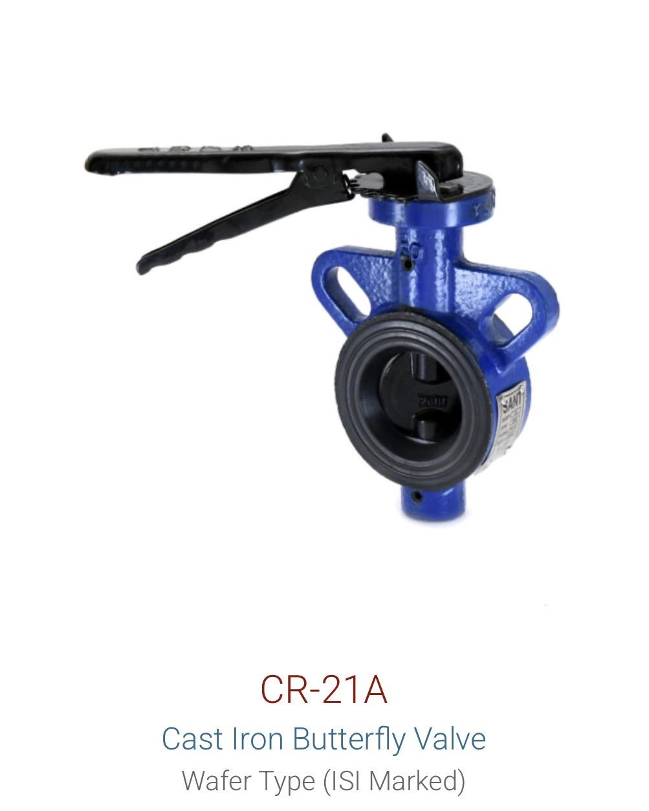
Butterfly Valve | Cast Iron | CR28D |  | Available on demand | 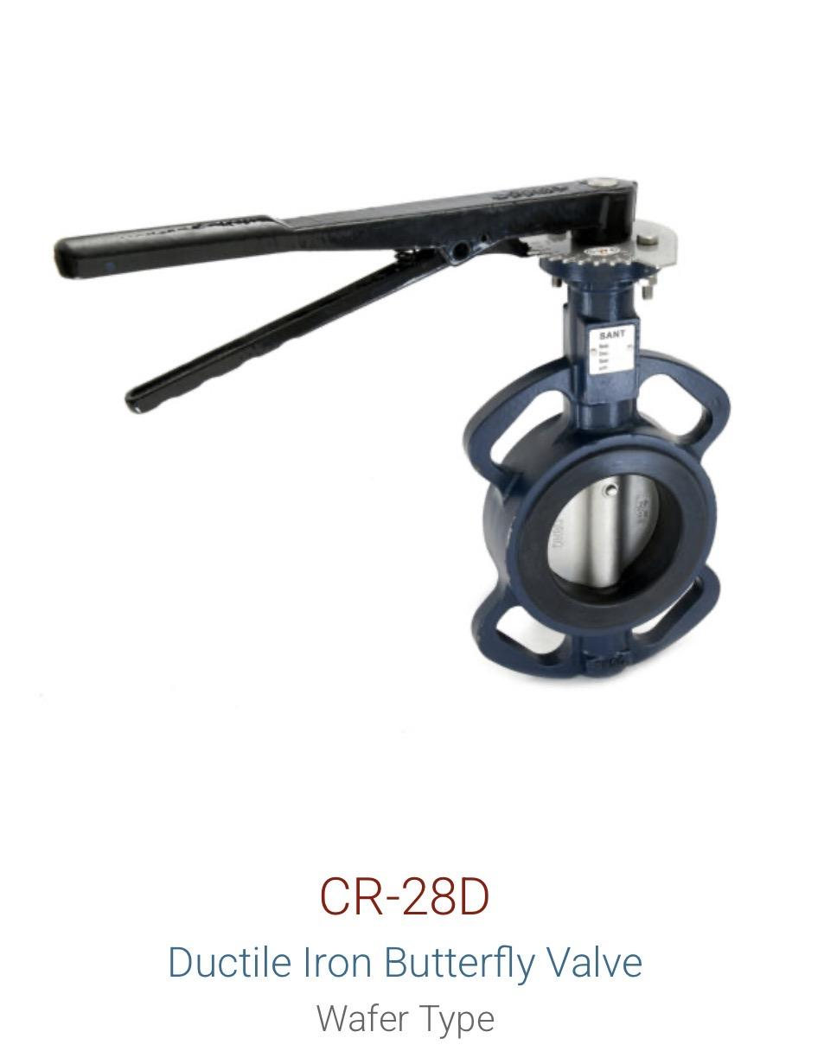
Butterfly Valve | Cast Iron | CIBFE |  | Available on demand | 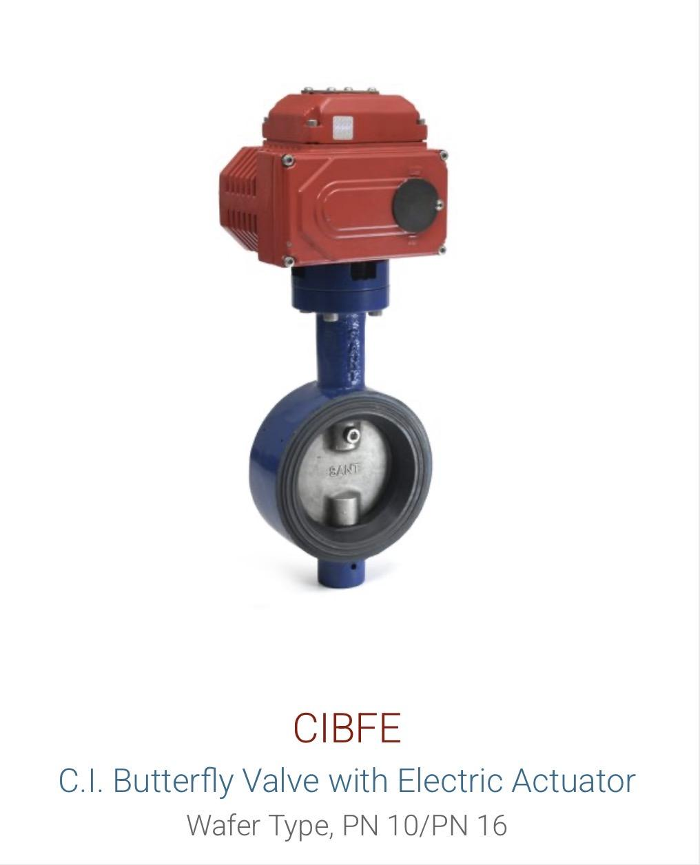
Butterfly Valve | Cast Iron | CIBFL (6A) |  | Available on demand | 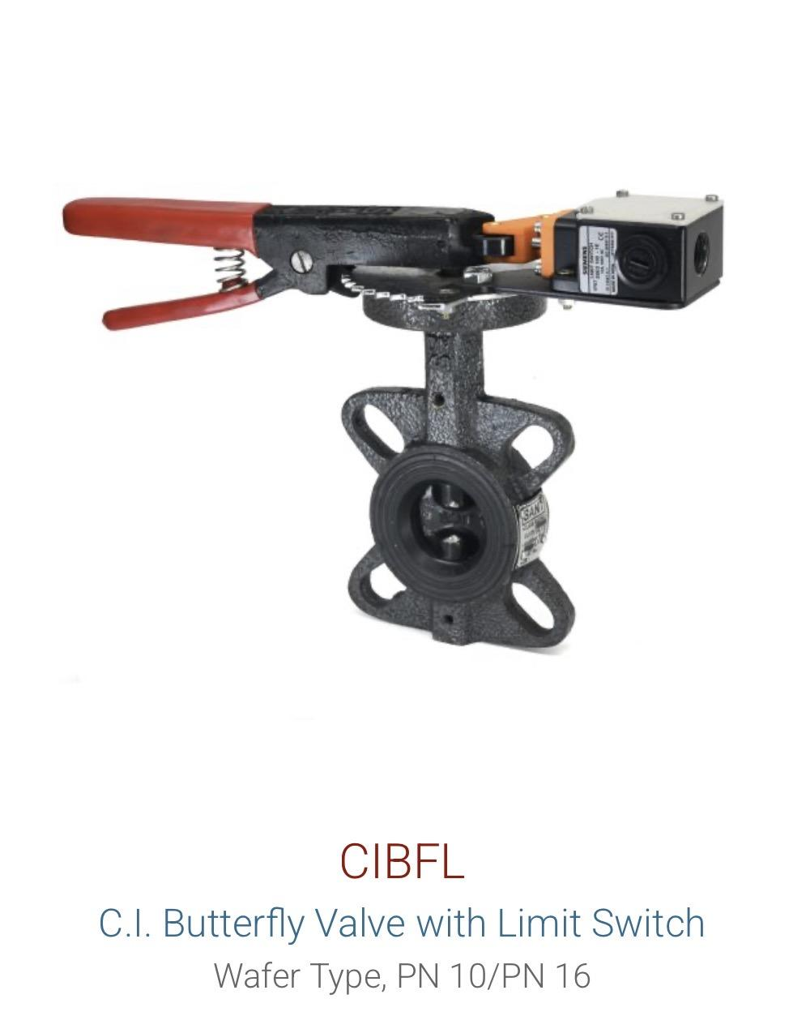
Butterfly Valve | Cast Iron | CIBFP |  | Available on demand | 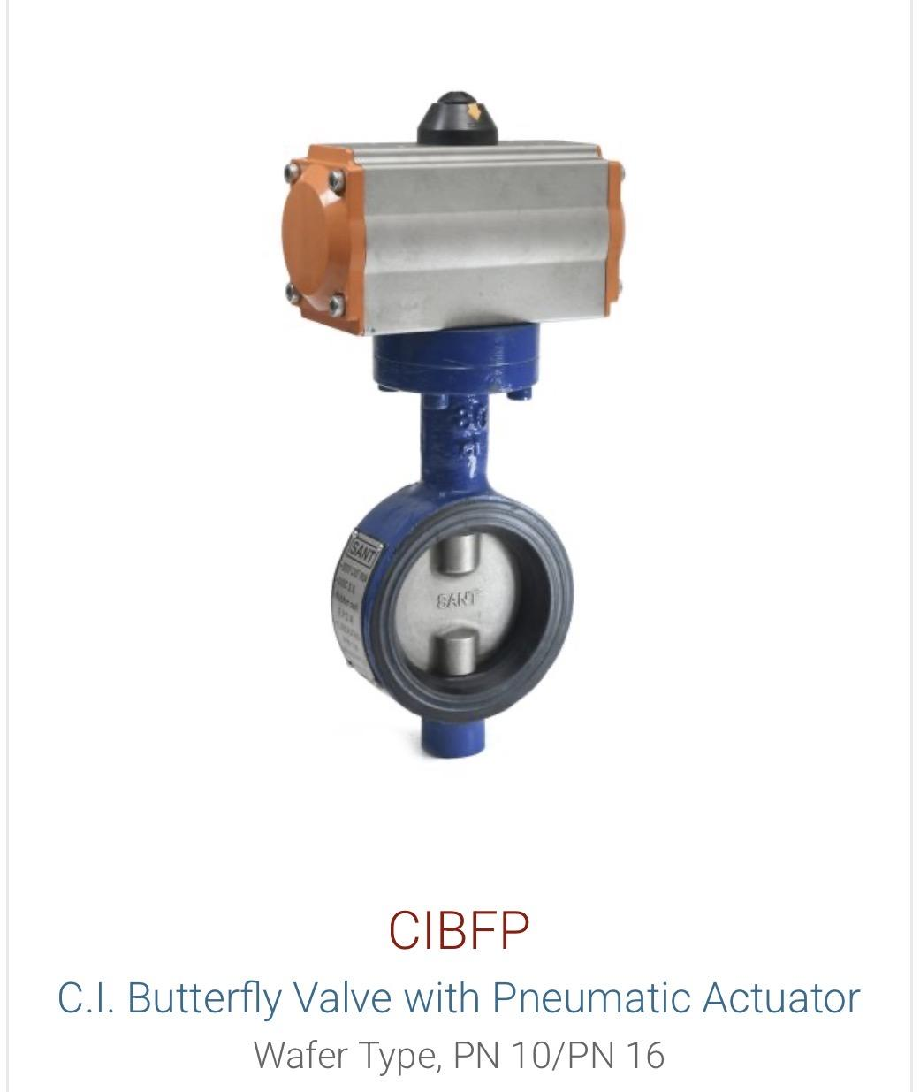

Gate Valve | Cast Iron | CR32B |  | Available on demand
Gate Valve | Cast Iron | CR19B | Rising Stem | Available on demand
Gate Valve | Cast Steel | CS7 |  | Available on demand | 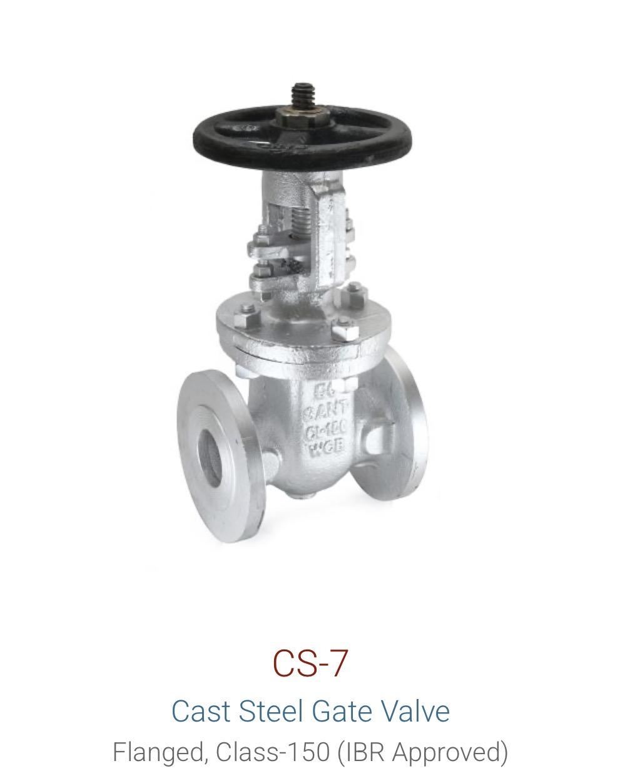
Gate Valve | Cast Steel | CS7A | Rising Stem | Available on demand | 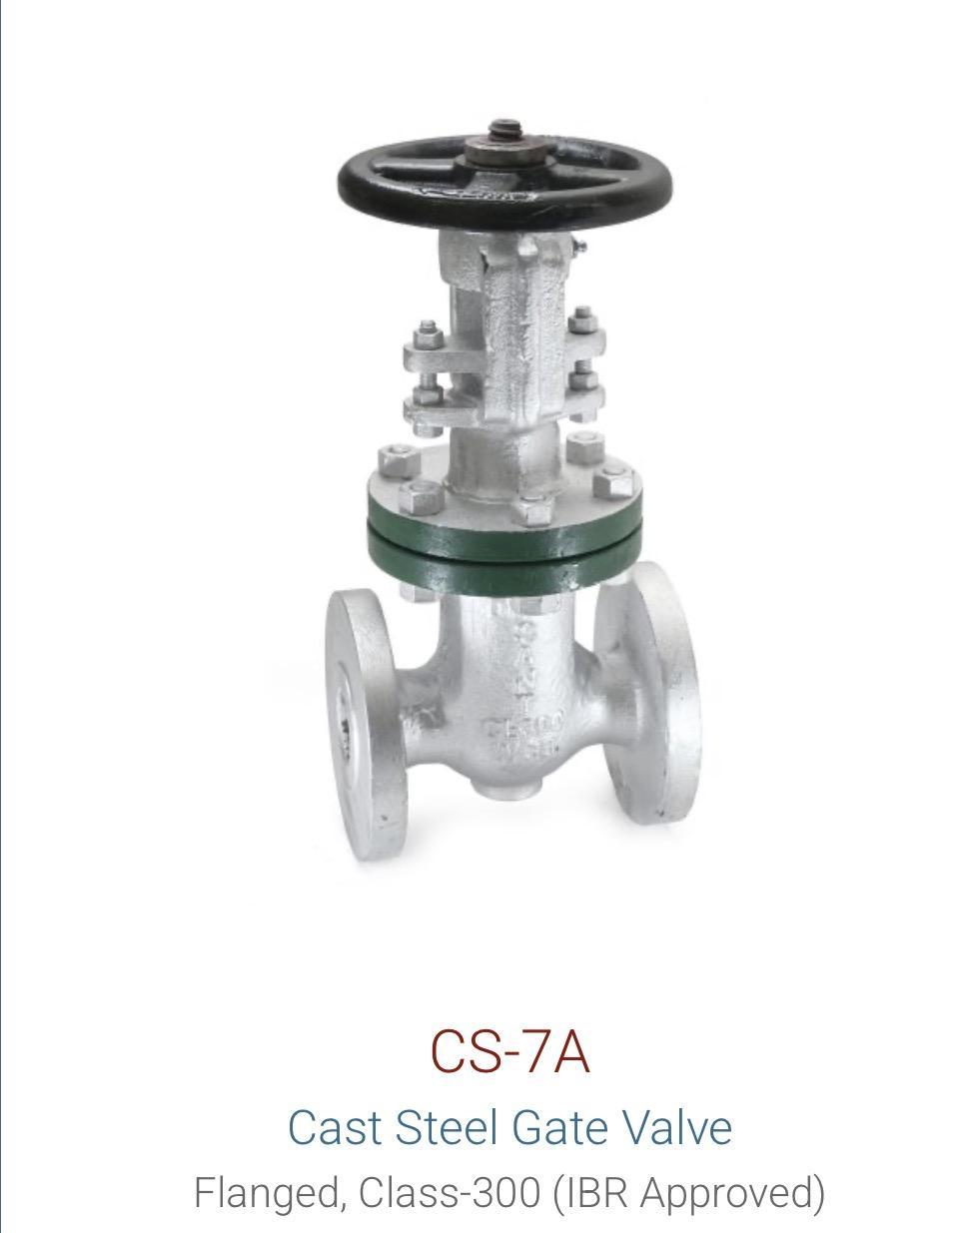
Gate Valve | Forged Steel | FSV1A / FS11 |  | Available on demand | 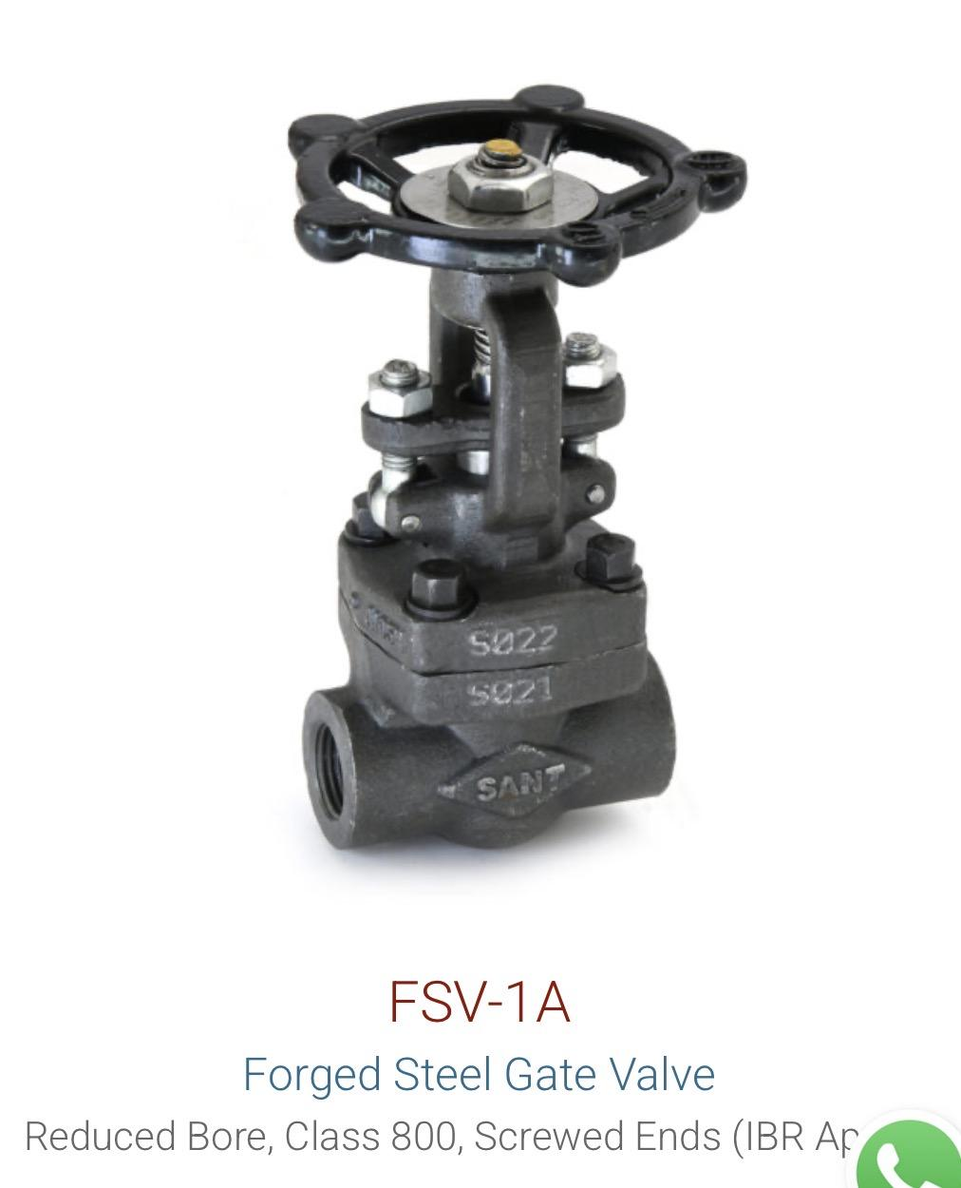 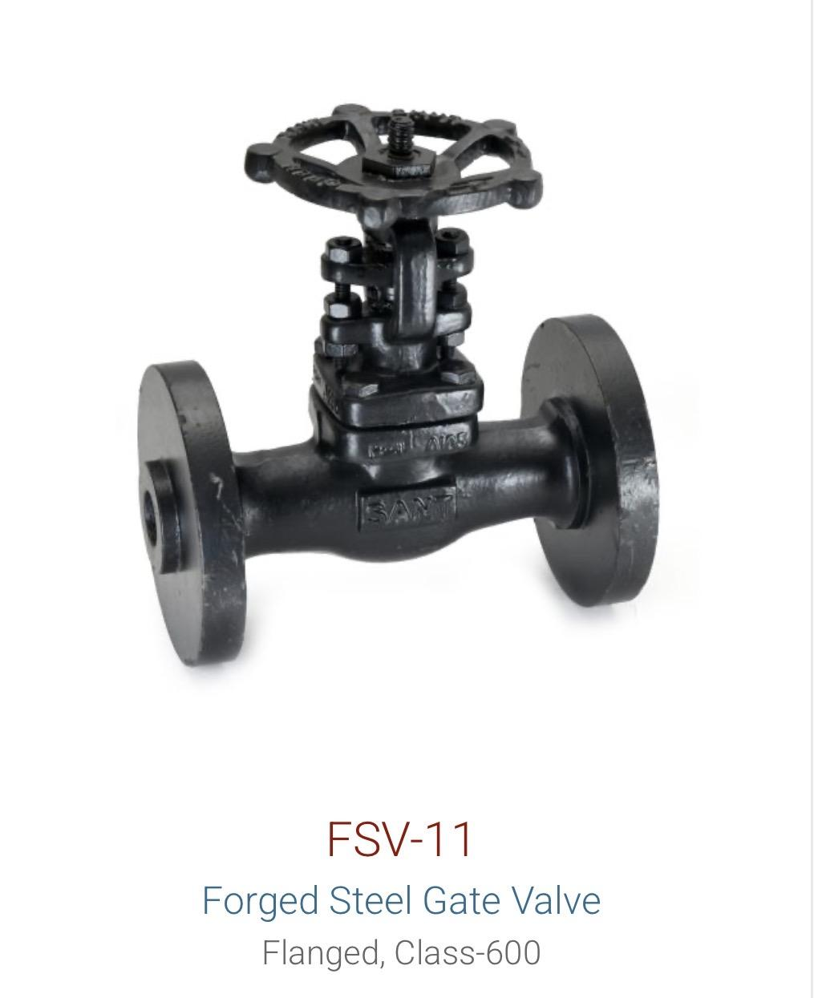
Gate Valve | Gun Metal | IS1 |  | Available on demand | 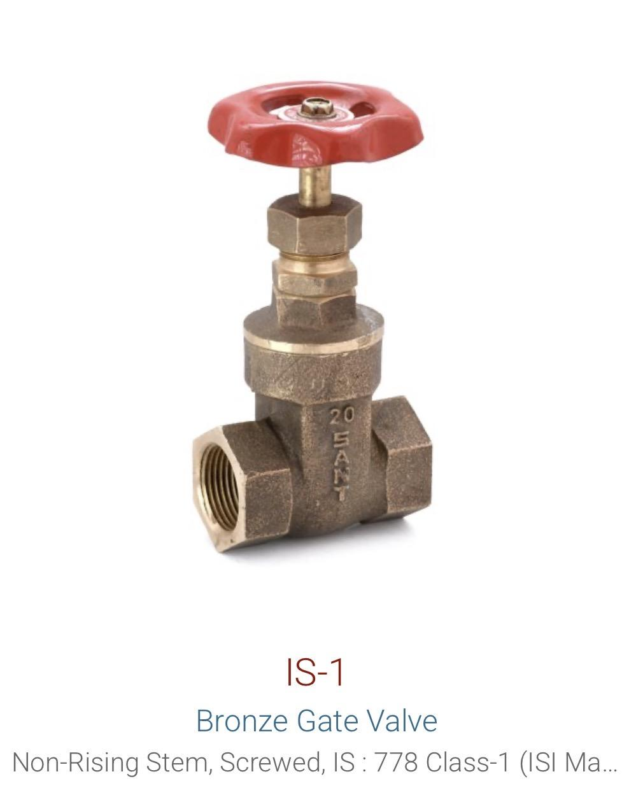
 |  |  |  | Available on demand
Globe Valve | Cast Steel | CS9 |  | Available on demand | 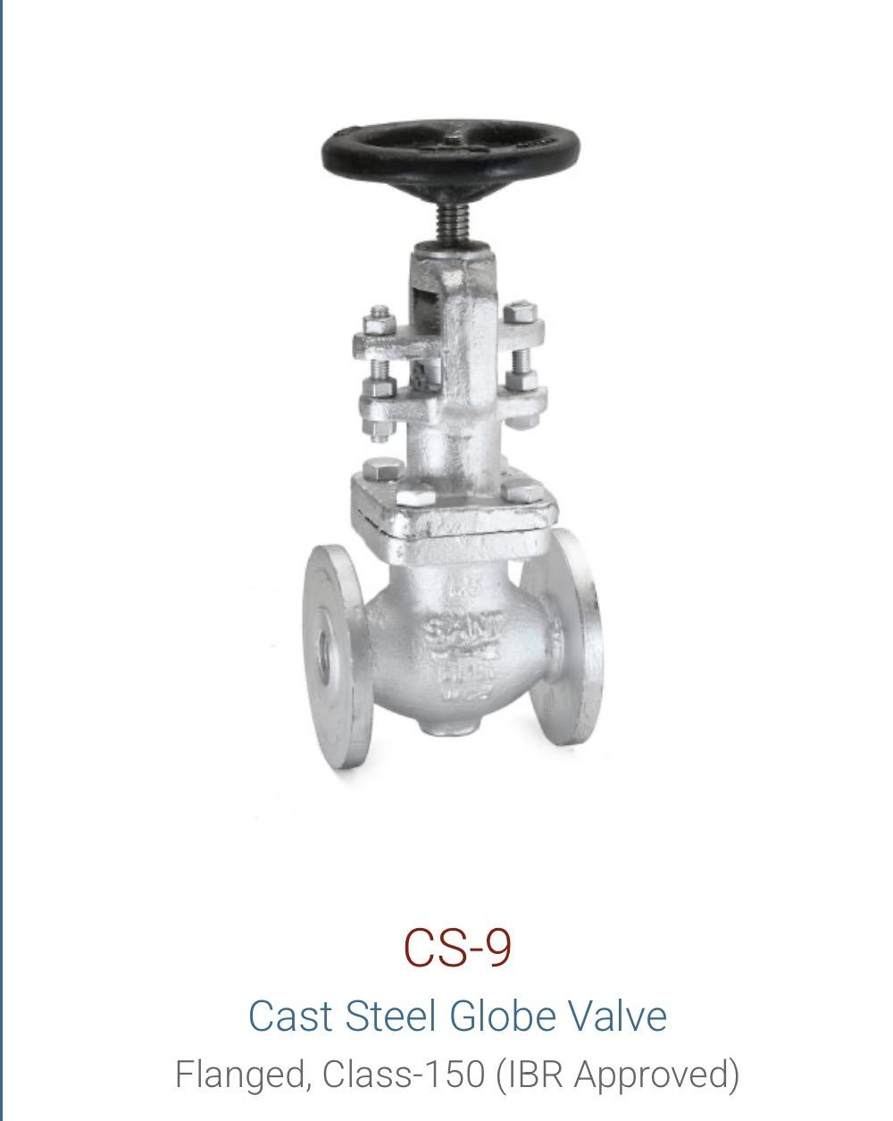
Globe Valve | Forged Steel | FSV2A / FSV12 |  | Available on demand | 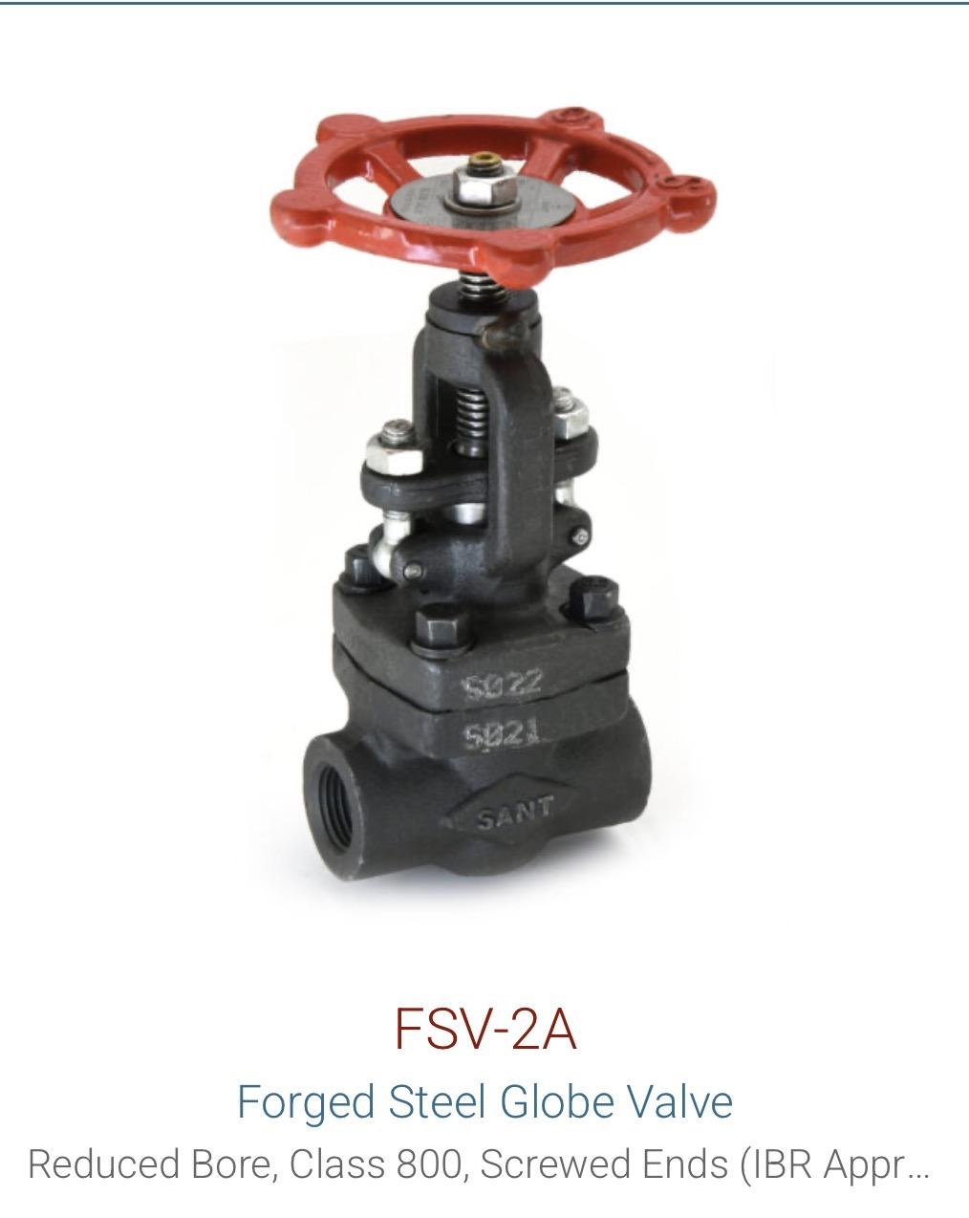
Globe Valve | Gun Metal | IS9 |  | Available on demand | 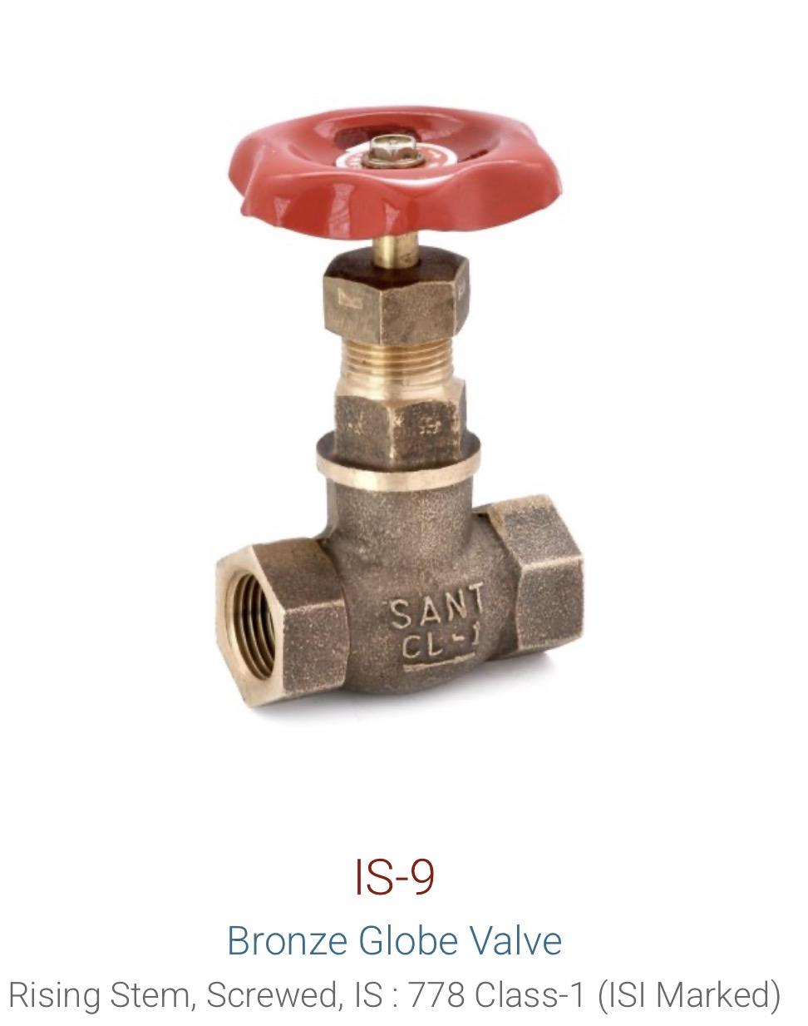
 |  |  |  | Available on demand
Ball Valve | Cast Iron | CI18 |  | Available on demand | 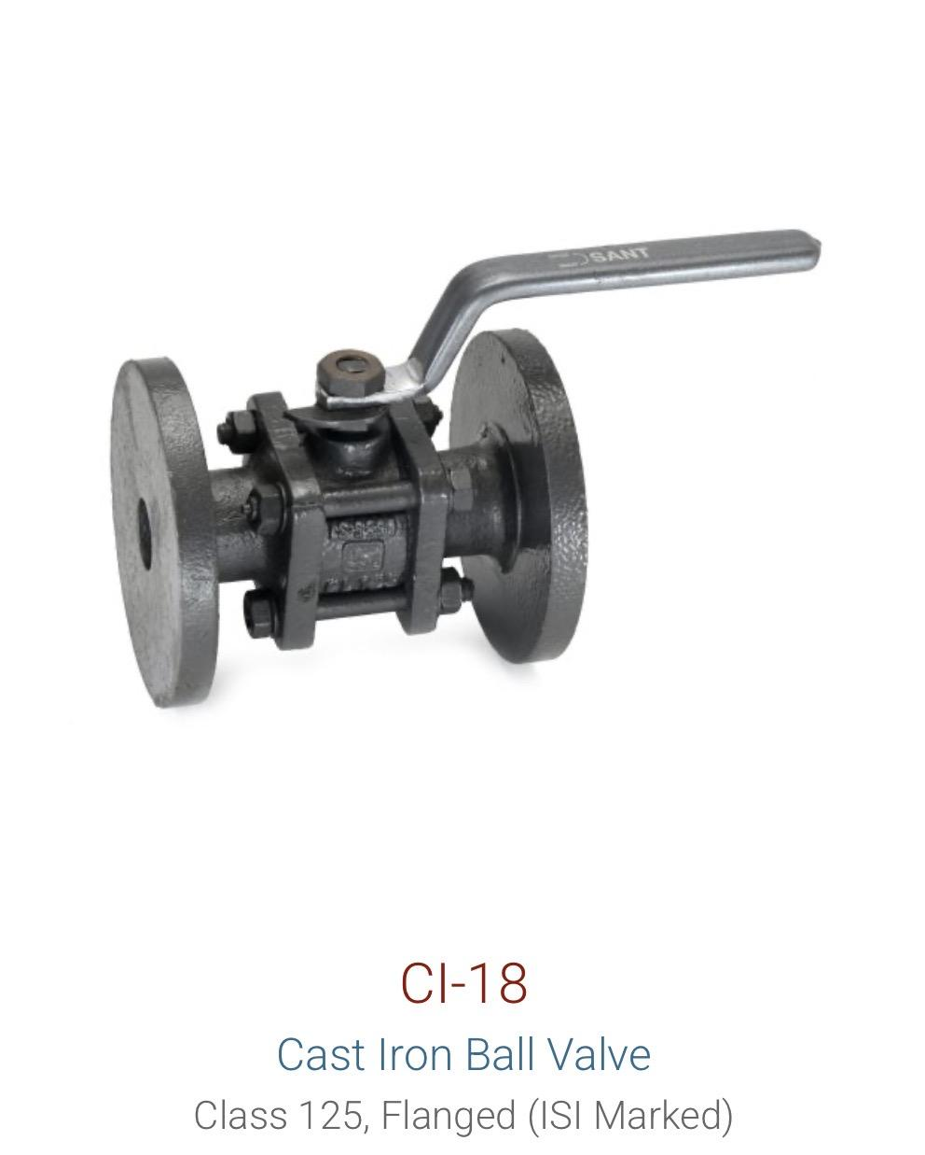
Ball Valve | Cast Steel | CS11 (WCB) |  | Available on demand | 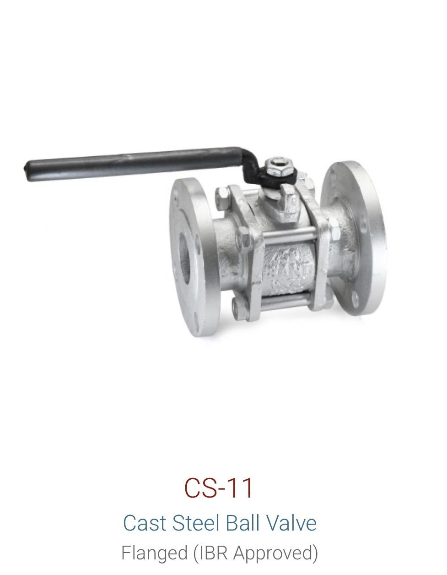
Ball Valve | Forged Steel | FS13 |  | Available on demand
Ball Valve | Stainless Steel | IC11 / SSBVF |  | Available on demand | 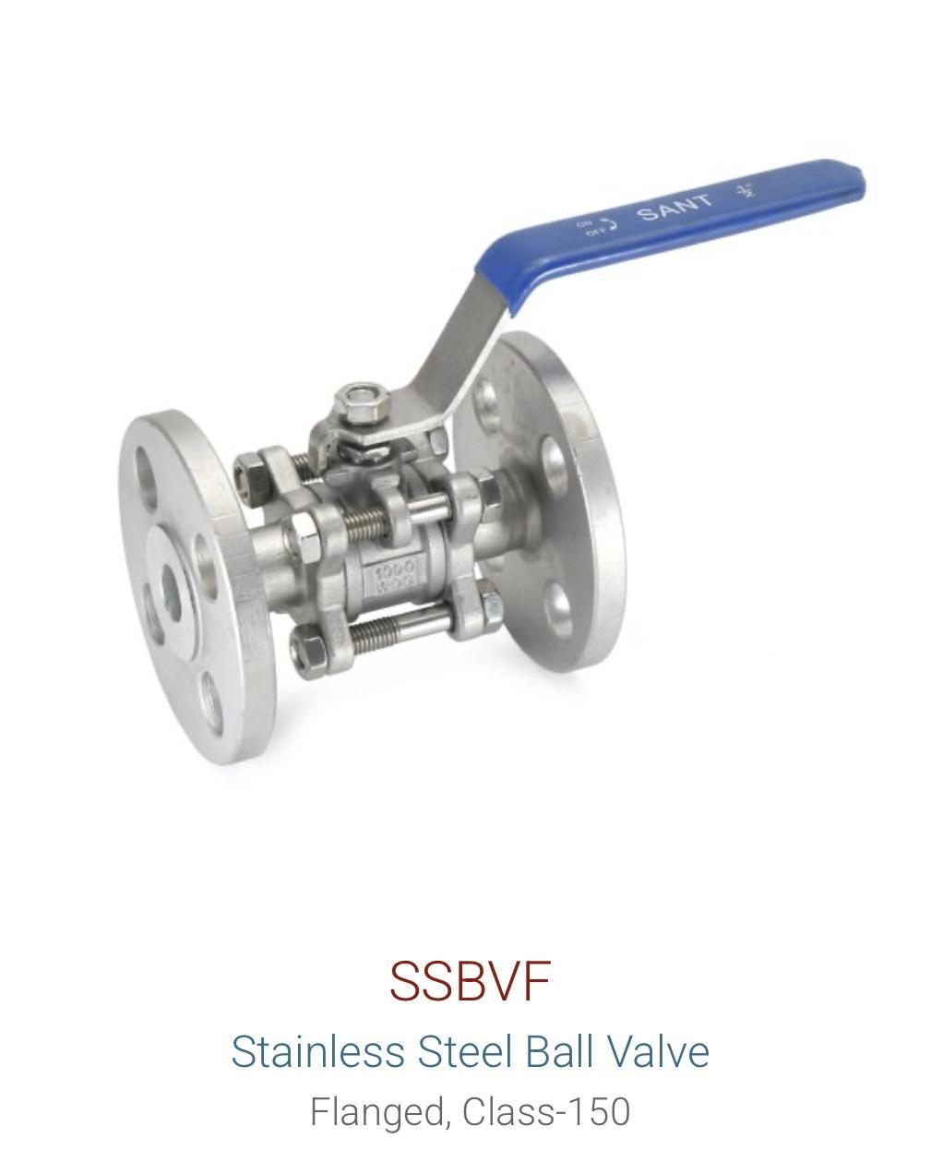
Ball Valve | Forged Brass | FBV2 |  | Available on demand | 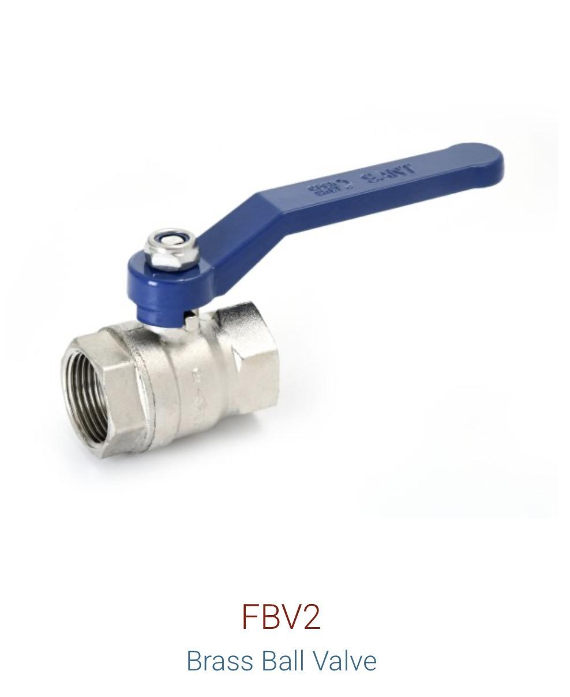
Ball Valve | Forged Brass | BBFV2 |  | Available on demand
Ball Valve | Forged Brass | BVVSF |  | Available on demand | 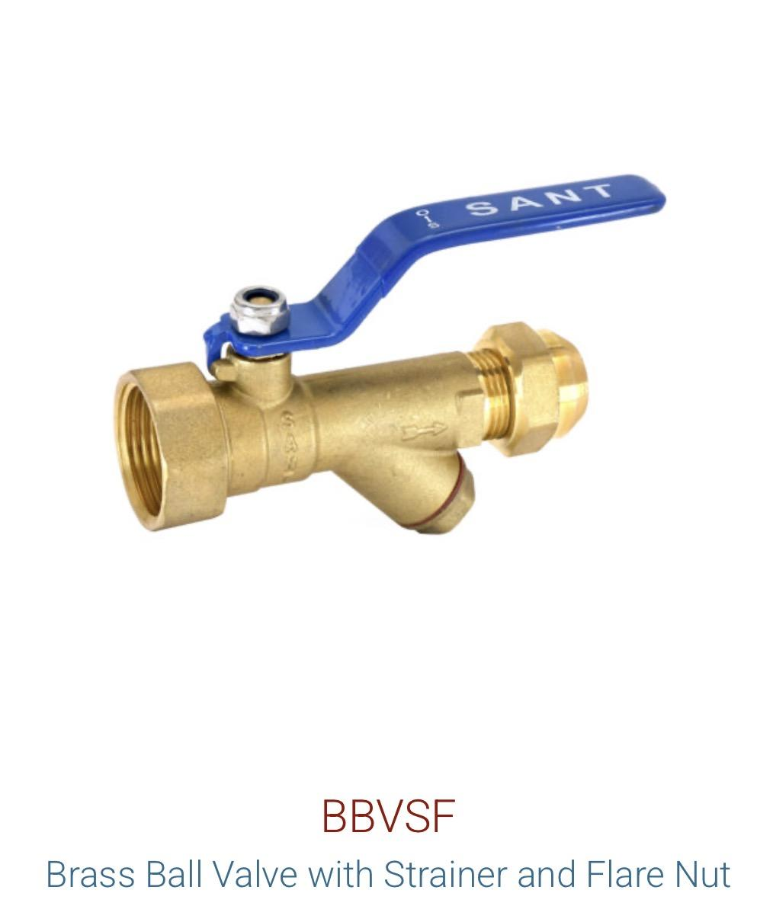
Ball Valve | Forged Brass | FBV4 |  | Available on demand | 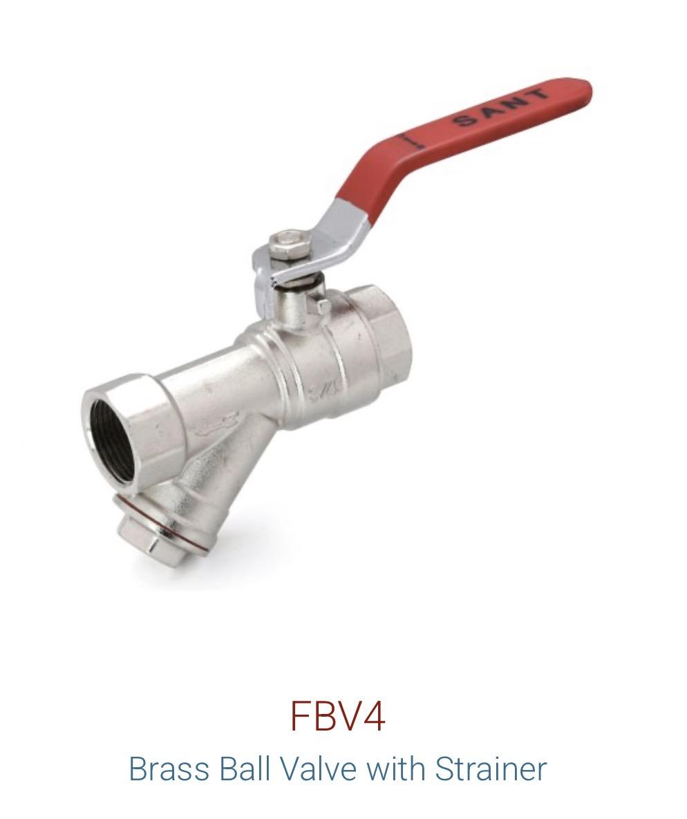

Check Valve / NRV | Cast Steel | CS8 | Class 150 | Available on demand | 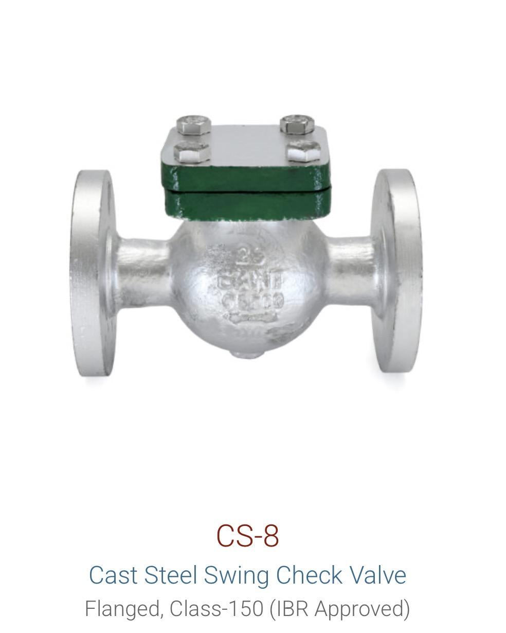
Check Valve / NRV | Cast Steel | CS8A | Class 300 | Available on demand | 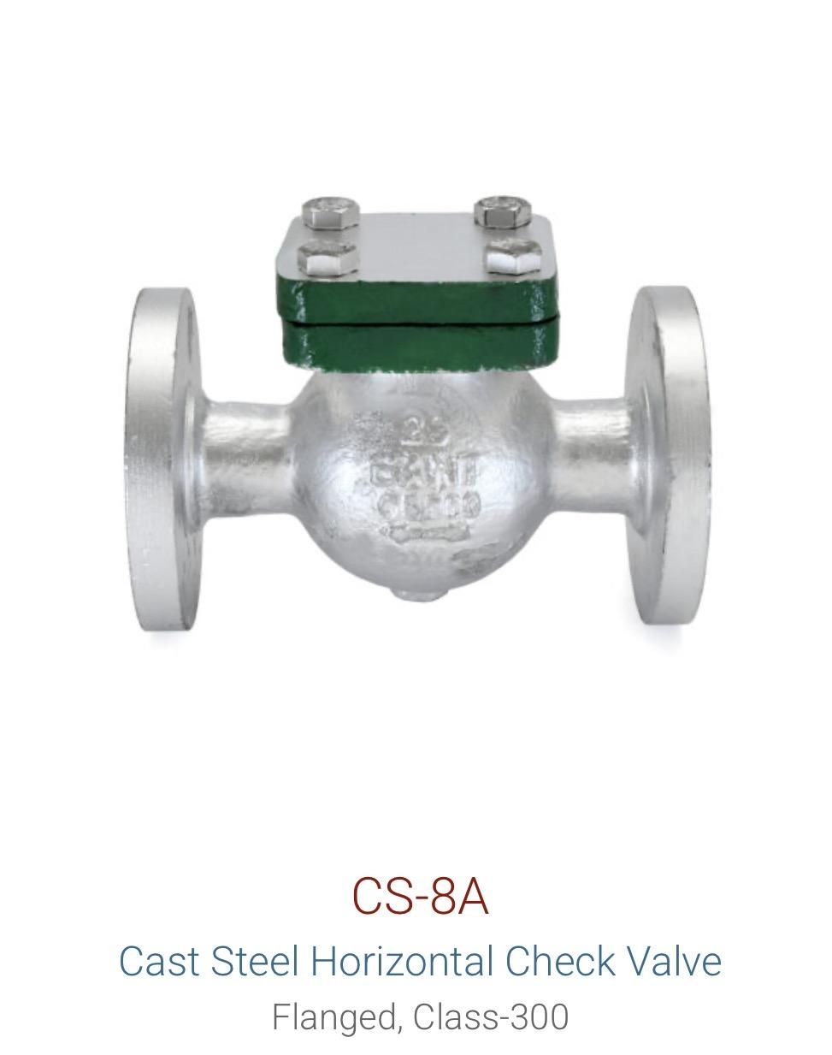
Check Valve / NRV | Cast Iron | CR31A | Reflux | Available on demand | 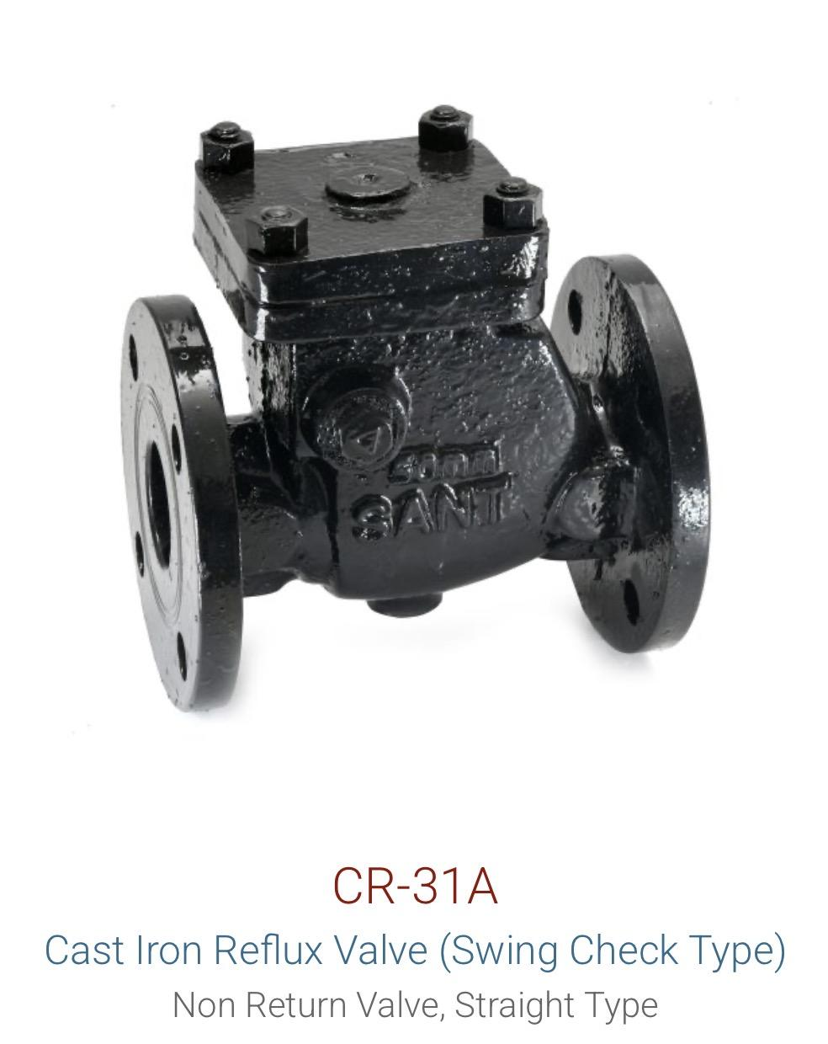
Check Valve / NRV | Dual Plate | DP-1 |  | Available on demand | 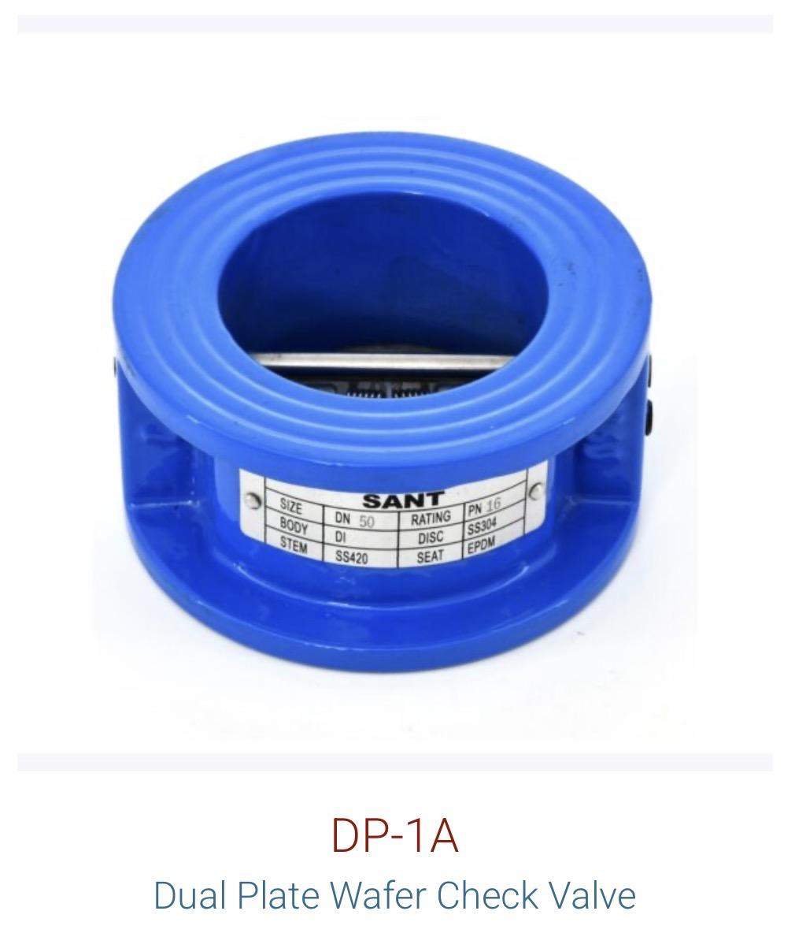
Check Valve / NRV | Dual Plate | DP-2 |  | Available on demand | 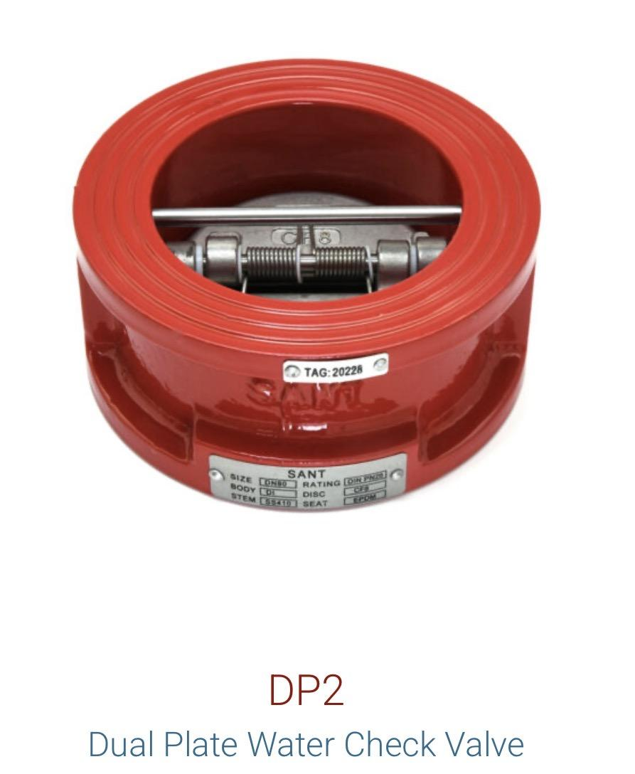
Check Valve / NRV | Forged Steel | FSV3A | Horizontal | Available on demand | 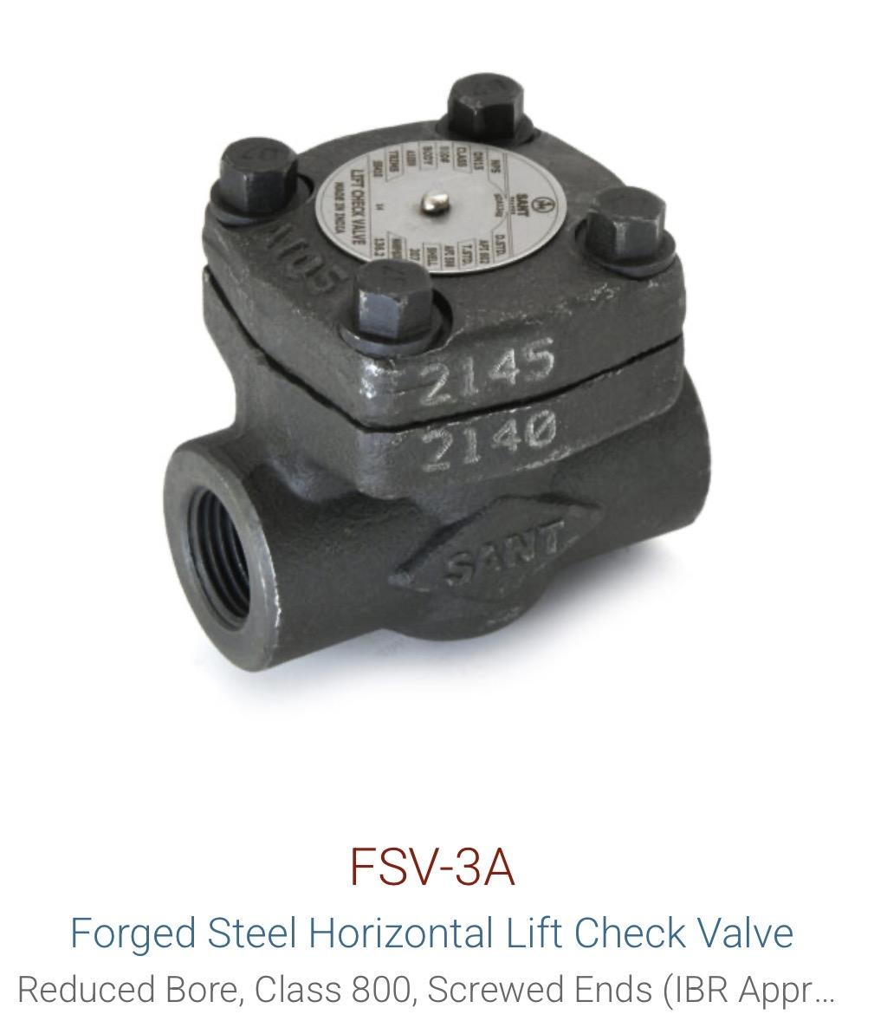
Check Valve / NRV | Gun Metal | IS8 | Vertical | Available on demand | 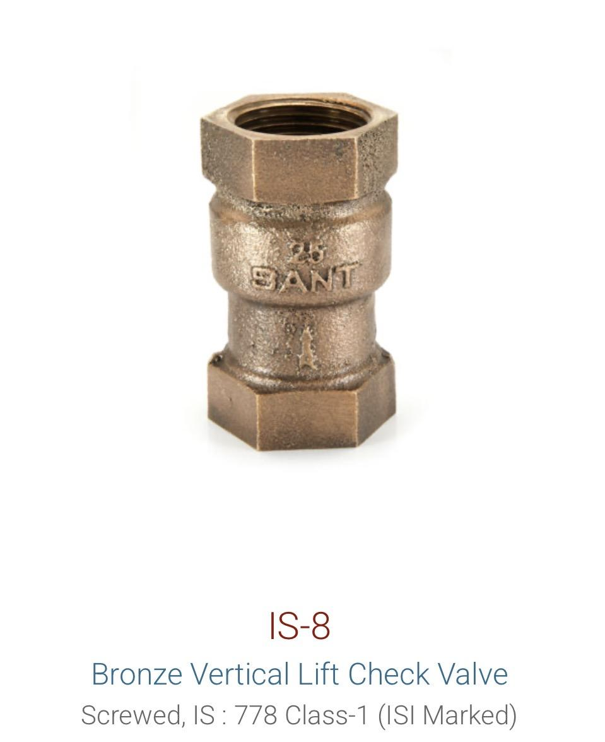
Check Valve / NRV | Gun Metal | IS14A | Horizontal | Available on demand | 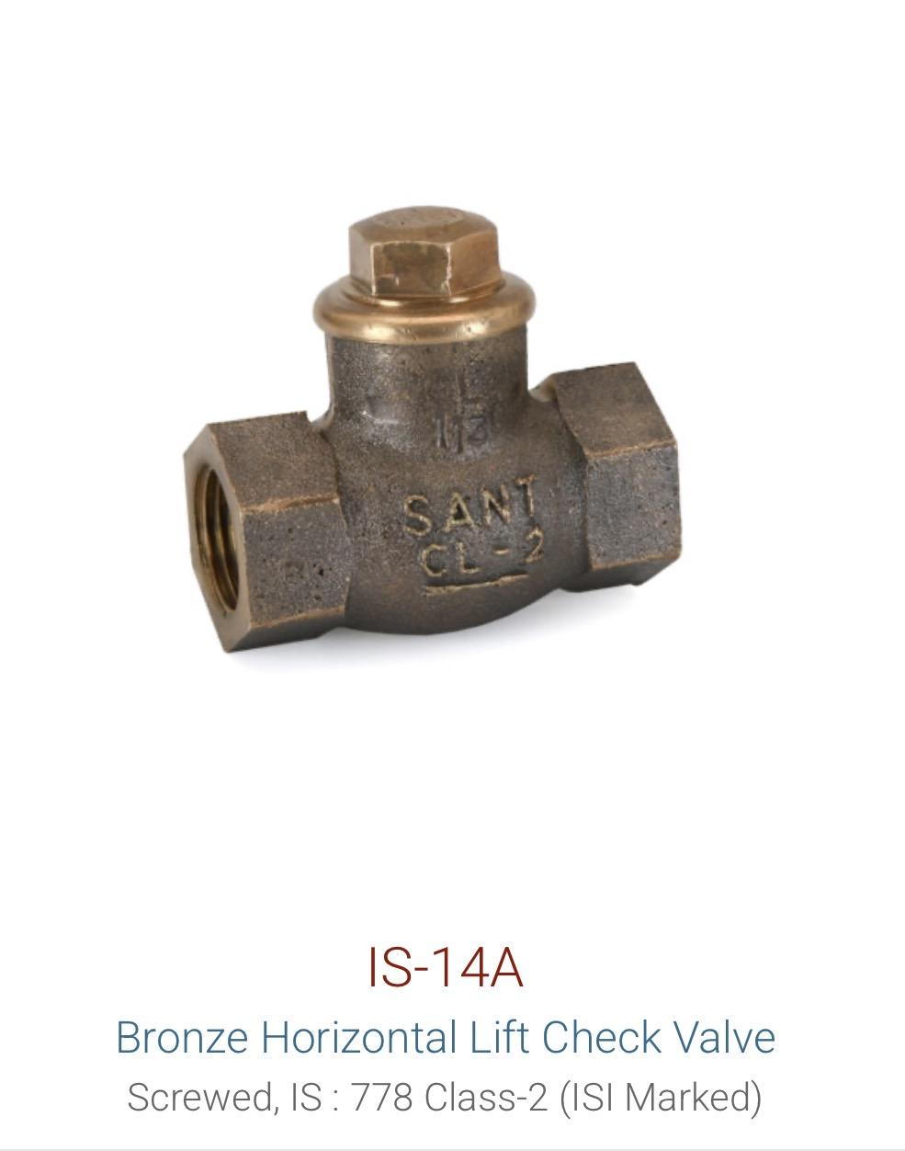
Check Valve / NRV | Gun Metal | IS16 | Swing | Available on demand | 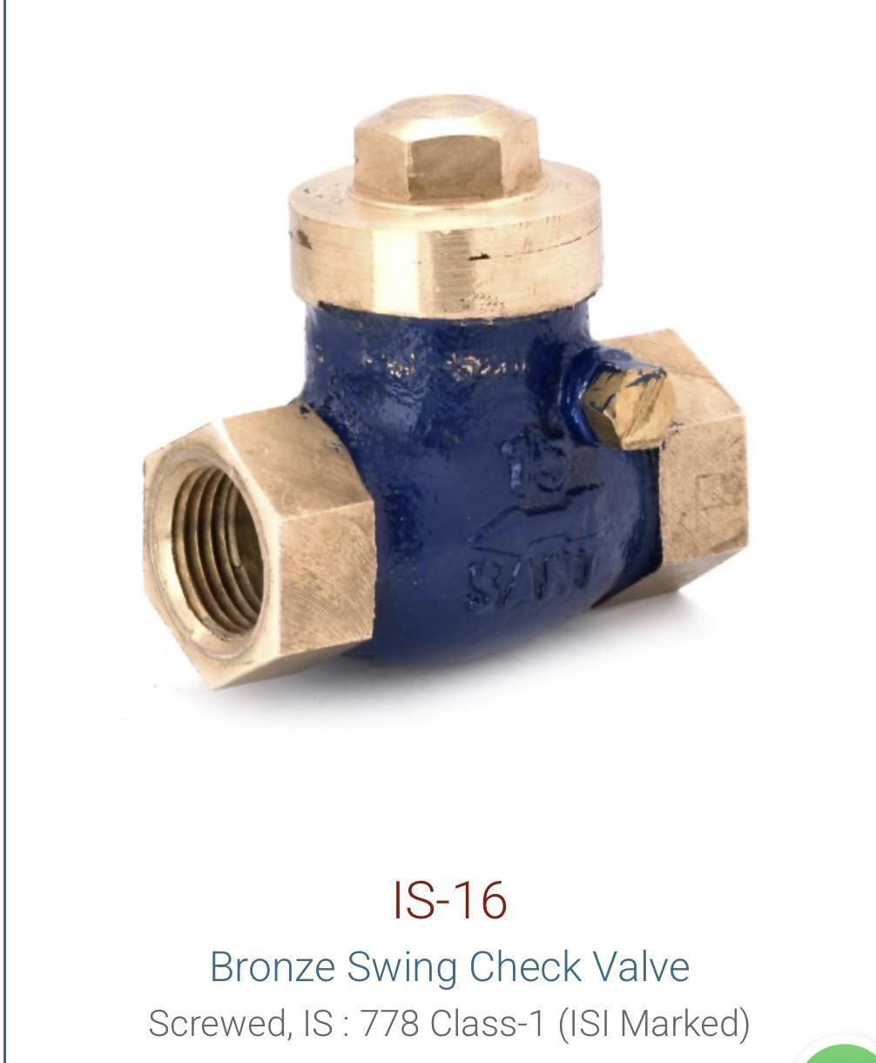

Foot Valve | Cast Iron | BFV / |  | Available on demand | 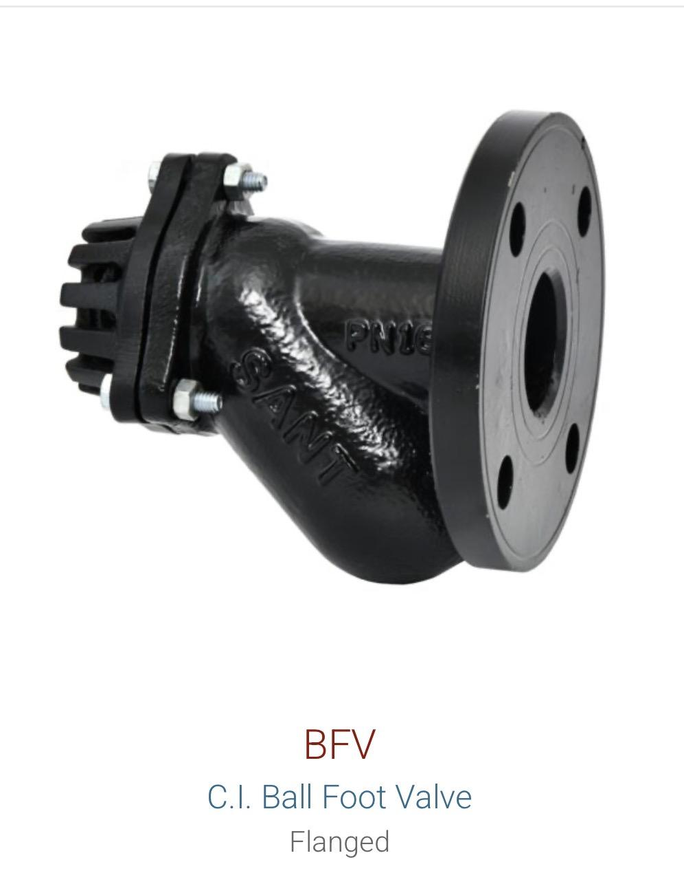
Foot Valve |  | IS21 |  | Available on demand | 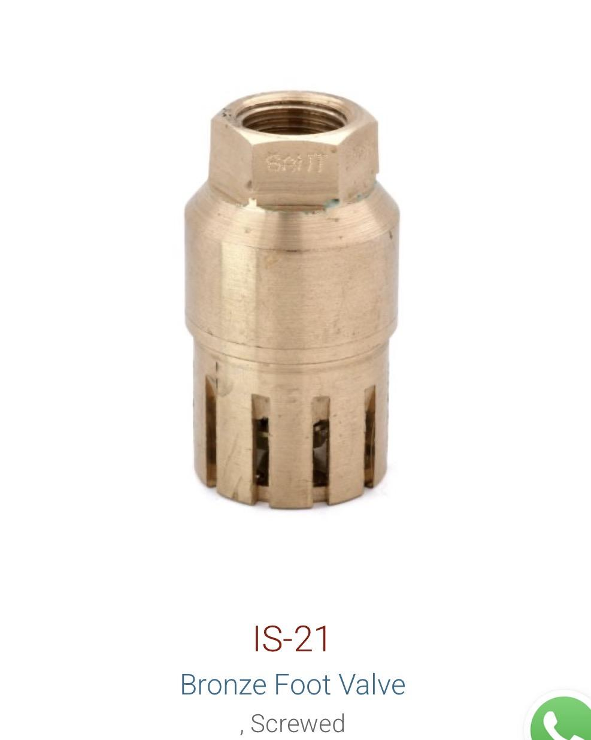

Balancing Valve | Cast Iron | SCBV | 65-600 mm | Available on demand
Balancing Valve | Brass | SBBV | 20-50 mm | Available on demand | 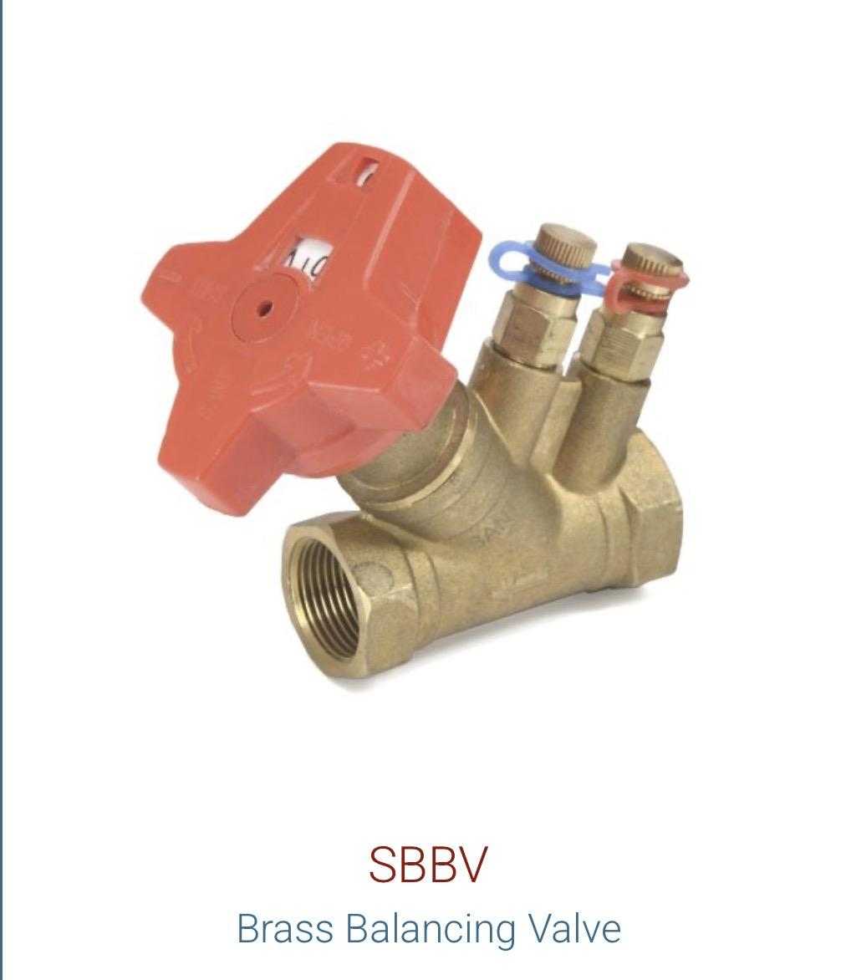

Pressure Reducing Valve | Cast Iron | PRV |  | Available on demand | 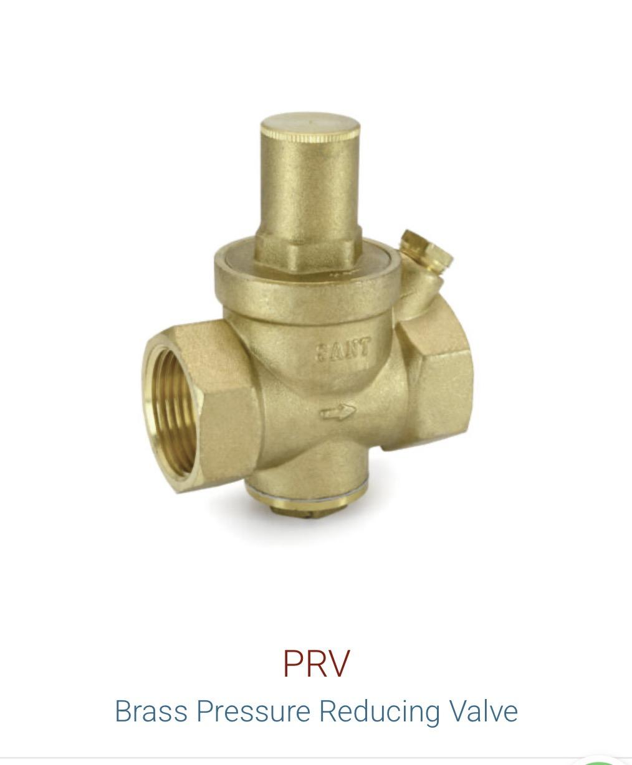
Pressure Reducing Valve | Cast Iron | SK200X |  | Available on demand

Y-Strainer | Cast Iron | CI16B |  | Available on demand | 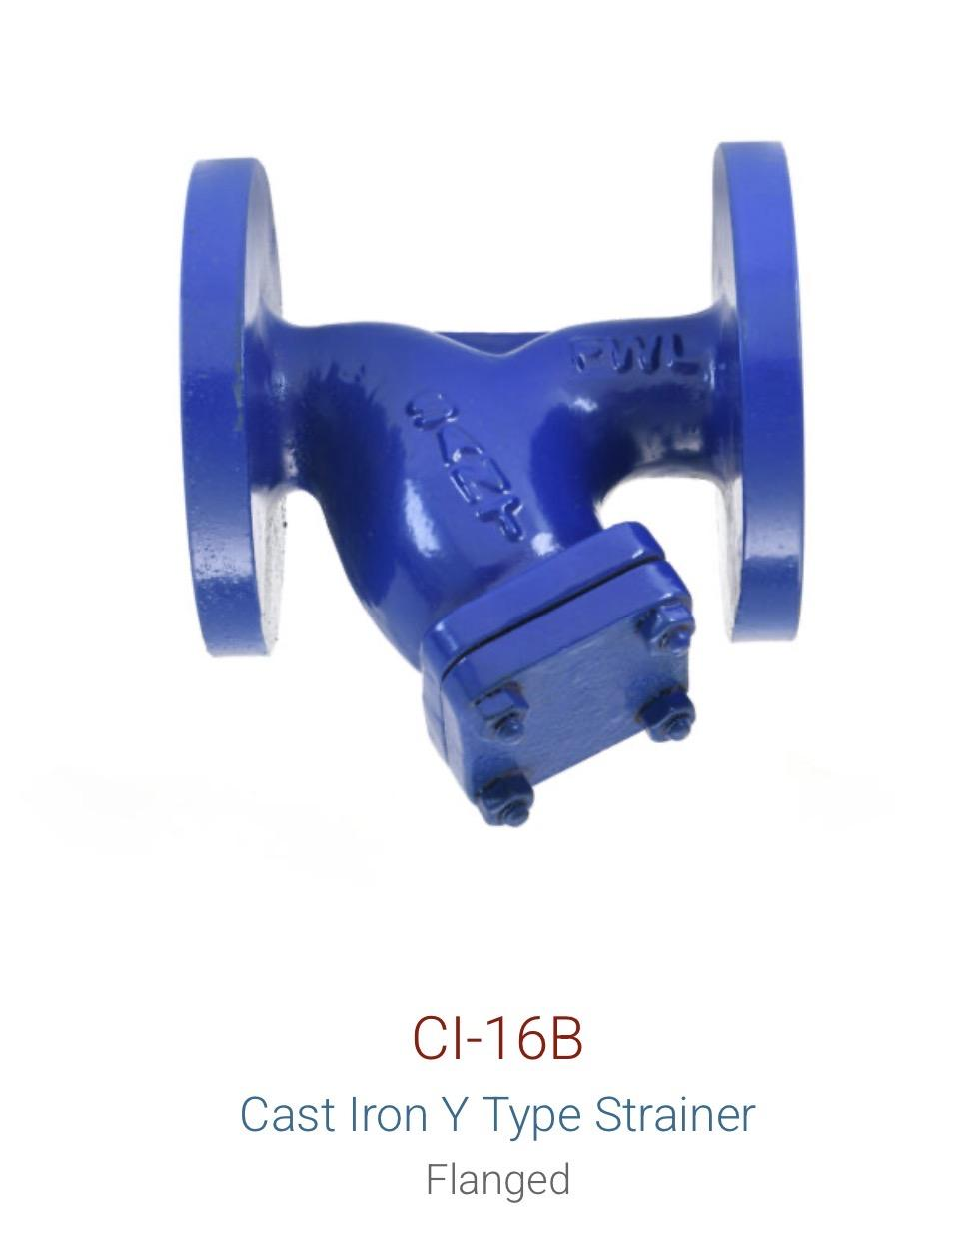
Y-Strainer | Cast Steel | CS3A | Flanged | Available on demand | 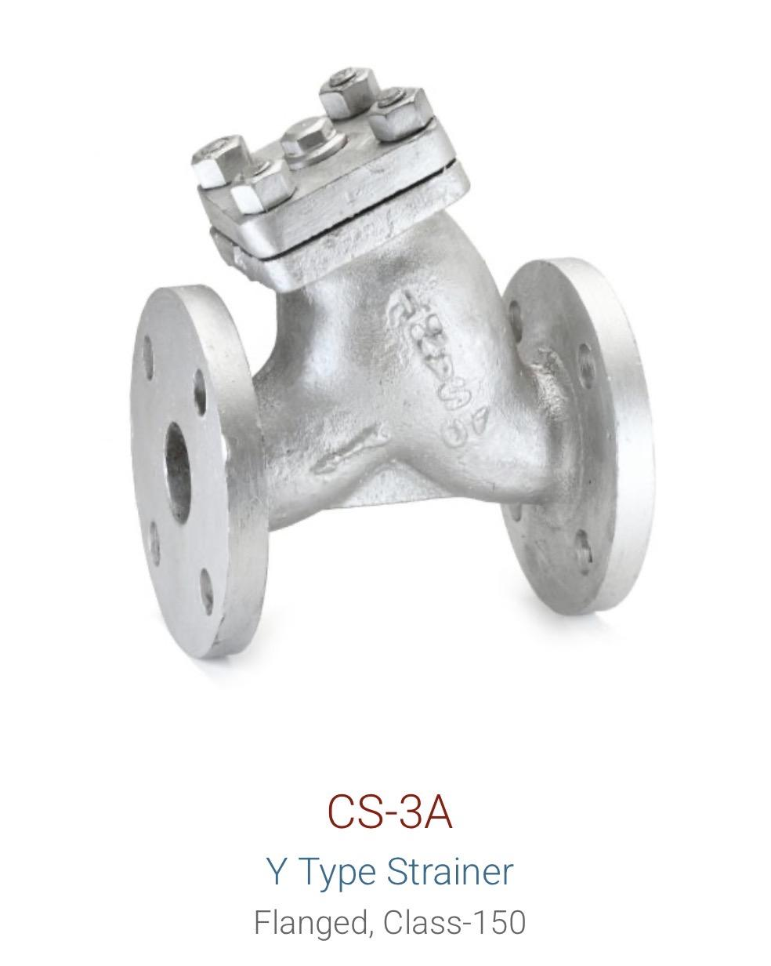
Y-Strainer | Stainless Steel | ICS |  | Available on demand
Pot Strainer | Cast Iron | CR19D |  | Available on demand

Steam Trap | Forged Steel | FSV4A | Thermodynamic | Available on demand | 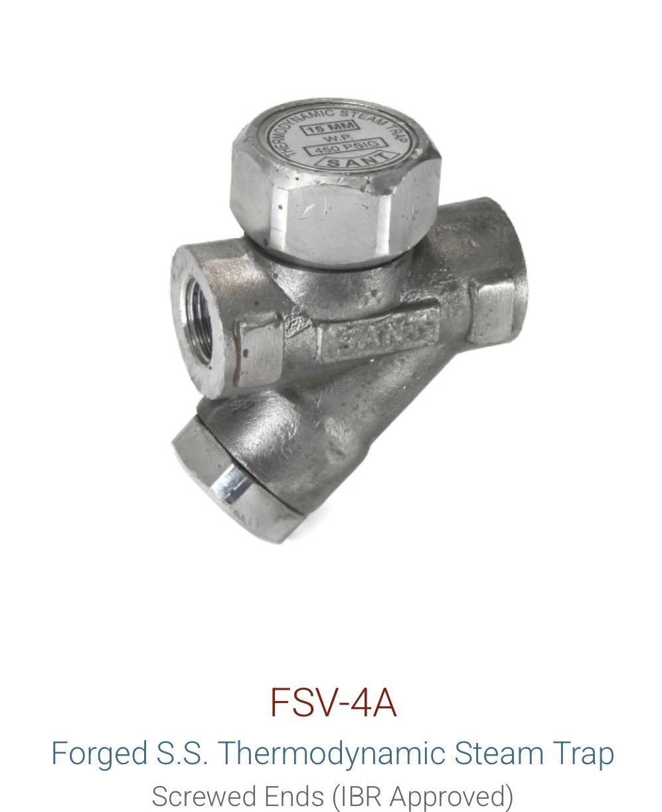

Air Vent | Stainless Steel | AV IBR 21 |  | Available on demand

Sight Glass | Stainless Steel | IC4 |  | Available on demand
Sight Glass | Gun Metal | IS24 |  | Available on demand

Rubber Bellow | Rubber | SANT Rubber Bellow |  | Available on demand
Water Meter | - | WM1, WM2, WM7, WM8, WM9, WM10, WM12, WM13, WM14, WM15 |  | Available on demand | 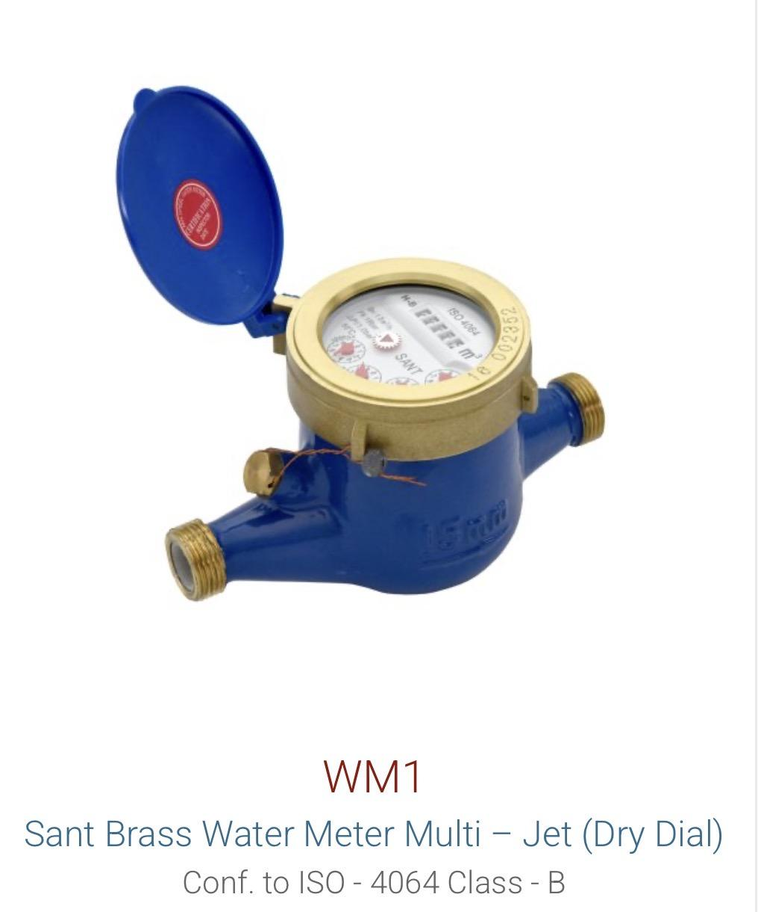

Resistoflex
Resistoflex

Product | Sizes | Image

Spring mountings | Available on demand

 |  | 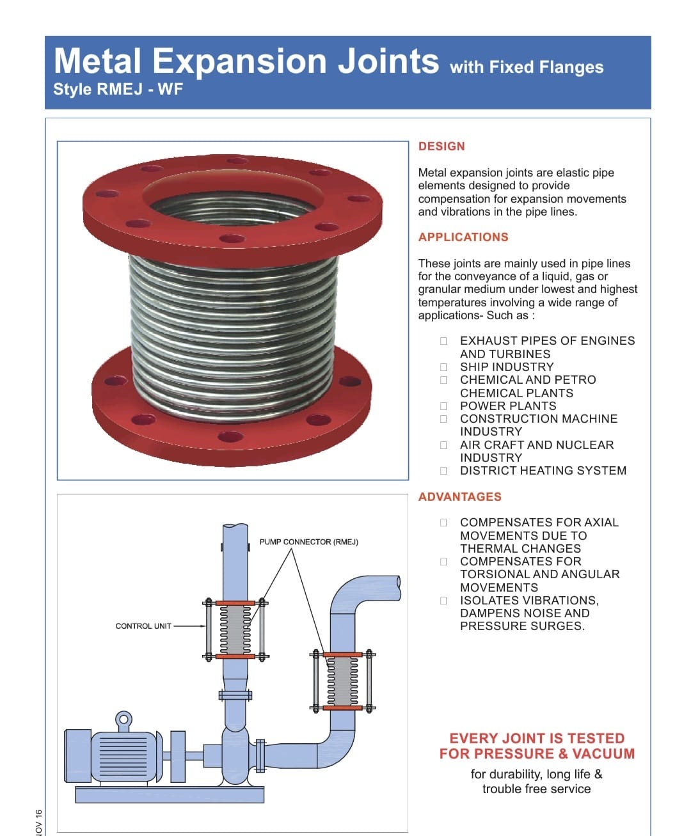

Rubber bellow and stainless steel bellow | Available on demand

 |  | 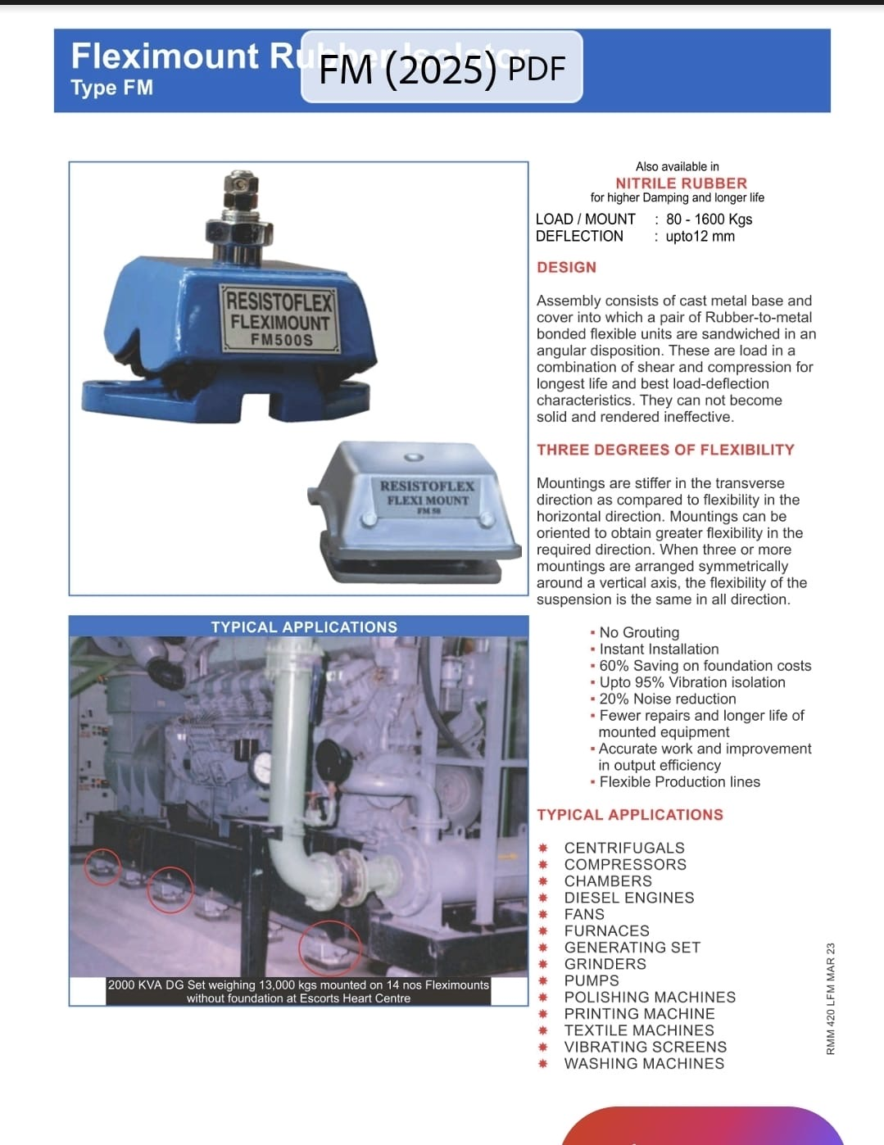

Material Wise
Material | Product | Model/Code | Remarks | Product Image

- | Water Meter | WM1, WM2, WM7, WM8, WM9, WM10, WM12, WM13, WM14, WM15

Brass | Balancing Valve | SBBV | 20-50 mm

Cast Iron | Butterfly Valve | CR21
Cast Iron | Butterfly Valve | CR28D
Cast Iron | Butterfly Valve | CIBFE
Cast Iron | Butterfly Valve | CIBFL (6A)
Cast Iron | Butterfly Valve | CIBFP
Cast Iron | Gate Valve | CR32B
Cast Iron | Gate Valve | CR19B | Rising Stem
Cast Iron | Ball Valve | CI18
Cast Iron | Check Valve / NRV | CR31A | Reflux
Cast Iron | Foot Valve | BFV / IS21
Cast Iron | Balancing Valve | SCBV | 65-600 mm
Cast Iron | Pressure Reducing Valve | PRV
Cast Iron | Pressure Reducing Valve | SK200X
Cast Iron | Y-Strainer | CI16B
Cast Iron | Pot Strainer | CR19D

Cast Steel | Gate Valve | CS7
Cast Steel | Gate Valve | CS7A | Rising Stem
Cast Steel | Globe Valve | CS9
Cast Steel | Ball Valve | CS11 (WCB) |  | 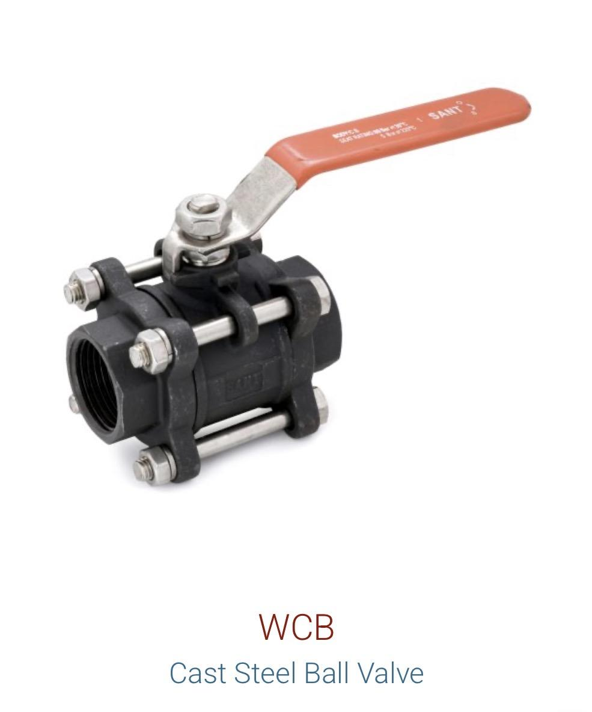
Cast Steel | Check Valve / NRV | CS8 | Class 150
Cast Steel | Check Valve / NRV | CS8A | Class 300
Cast Steel | Y-Strainer | CS3A | Flanged

Dual Plate | Check Valve / NRV | DP-1
Dual Plate | Check Valve / NRV | DP-2

Forged Brass | Ball Valve | FBV2
Forged Brass | Ball Valve | BBFV2
Forged Brass | Ball Valve | BVVSF
Forged Brass | Ball Valve | FBV4
Forged Steel | Gate Valve | FSV1A / FS11
Forged Steel | Globe Valve | FSV2A / FSV12
Forged Steel | Ball Valve | FS13
Forged Steel | Check Valve / NRV | FSV3A | Horizontal
Forged Steel | Steam Trap | FSV4A | Thermodynamic

Gun Metal | Gate Valve | IS1
Gun Metal | Globe Valve | IS9
Gun Metal | Check Valve / NRV | IS8 | Vertical
Gun Metal | Check Valve / NRV | IS14A | Horizontal
Gun Metal | Check Valve / NRV | IS16 | Swing
Gun Metal | Sight Glass | IS24

Rubber | Rubber Bellow | SANT Rubber Bellow

Stainless Steel | Ball Valve | IC11 / SSBVF
Stainless Steel | Y-Strainer | ICS
Stainless Steel | Air Vent | AV IBR 21
Stainless Steel | Sight Glass | IC4

