Honeywell Product list
 | KAMSTRUP

Category | Product | Model | Image

Meter | BTU Meter | Kamstrup | 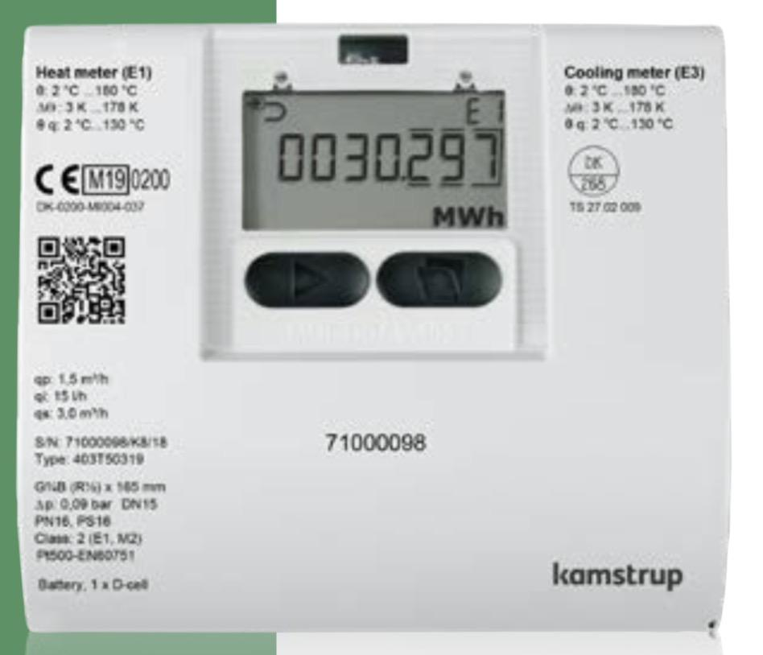
Meter | Flow Meter | Kamstrup

 |  | HONEYWELL

FCU Valve | 2 Way On Off & Modulating | VS92C20PP | 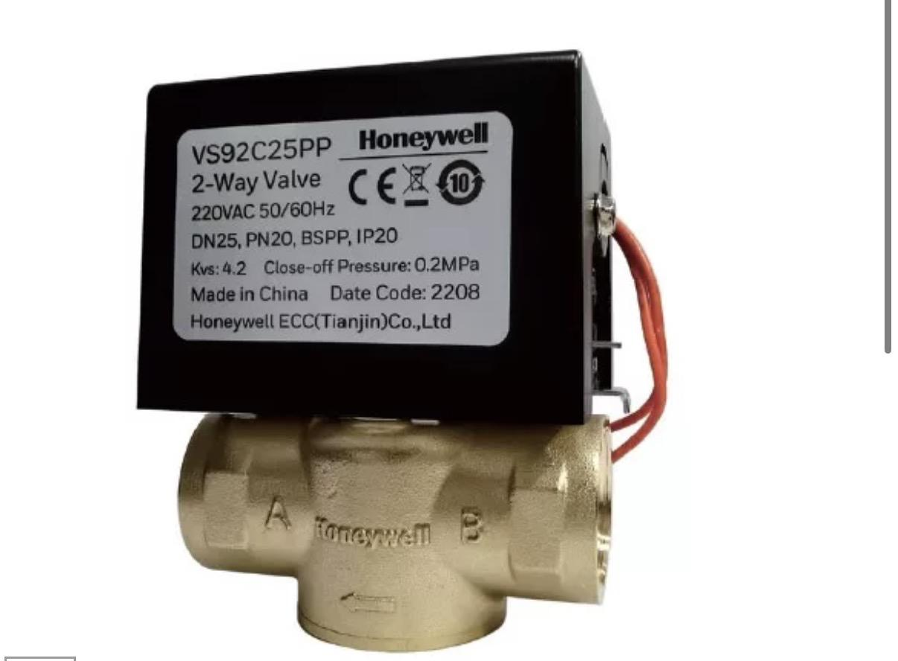
FCU Valve | 3 Way On Off & Modulating | VS93C20PP | 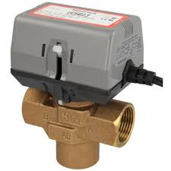
FCU Valve | PICV

AHU Valve | 2 Way Modulating | VS011B2W040 | 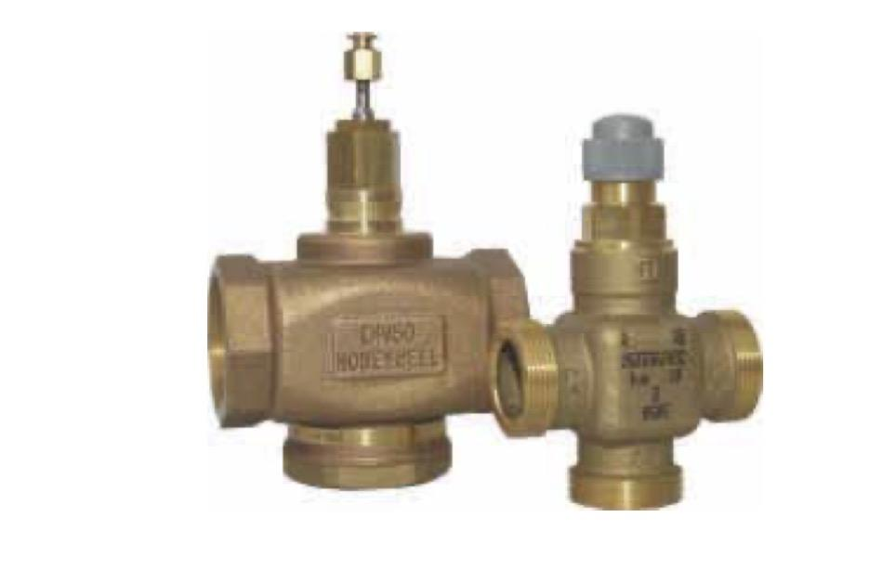
AHU Valve | 3 Way Modulating | V5GV3W065F | 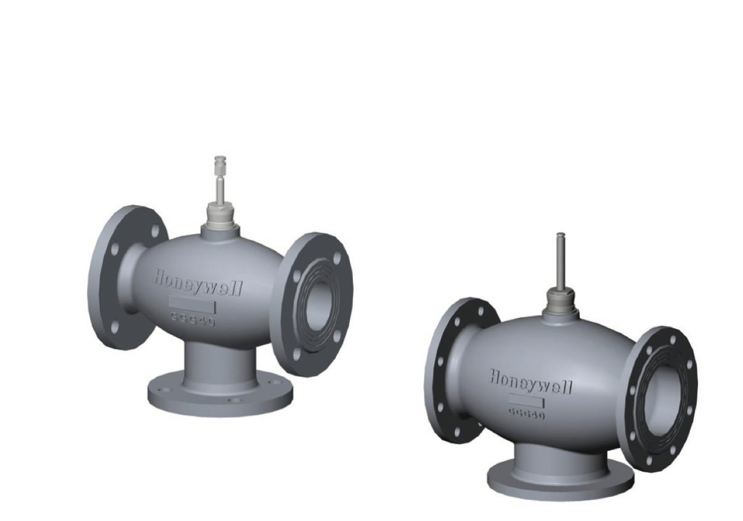

PICV Valve | 25 mm | VPI025TPH2
PICV Valve | 50 mm | VPI050TPL2
PICV Valve | 80 mm | VPI080FPL4

Motorised Butterfly Valve |  | EM150
Motorized Butterfly valve |  |  | 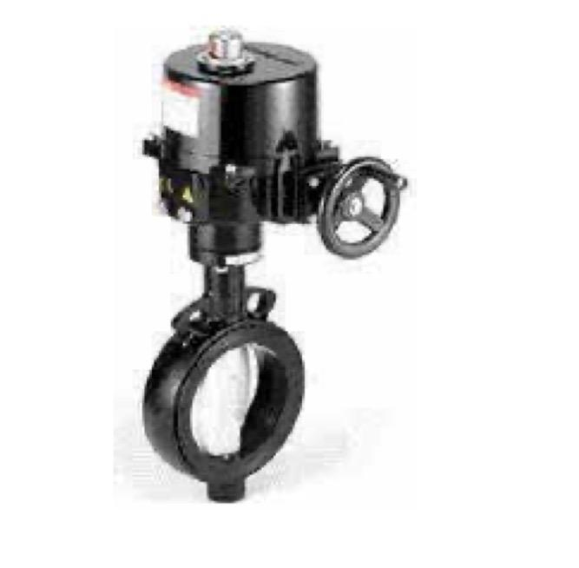
Actuators |  | NOM16H0050
 |  | NOM16H0080
 |  | BS-MWC4-PN-250
 |  | BS-HWC4-PN16-0050
 |  | BLVY01PN1650
 |  | VHS16R32

Valve | Dual Plate Check Valve | BSV4-CWD-GP16-G050

Valve | Y Strainer | VSSLF4-P16-100

Valve | Two-way Ball valve

Actuator | MVN series ball valve actuator
Valve | Flanged Two-way Ball valve
Valve | Ball Valve | BV2-INP-PN25-20

Valve | Pressure Reducing Valve | D06E | 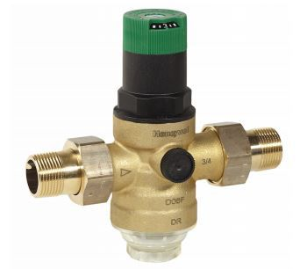

Valve | Pressure Reducing Valve | D19E

Valve | Pressure Reducing Valve | D115S

Valve | Gate Valve | SLV-IMP-PN16-150 | 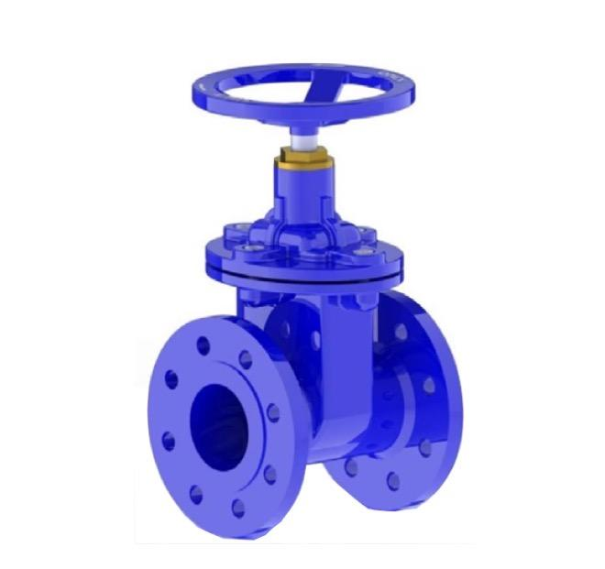

Valve | Non Return Valve | NRV-IMP-PN16-150
 | Double Regulating Balancing valve Flanged | BLV-Y01-PN16-100 | 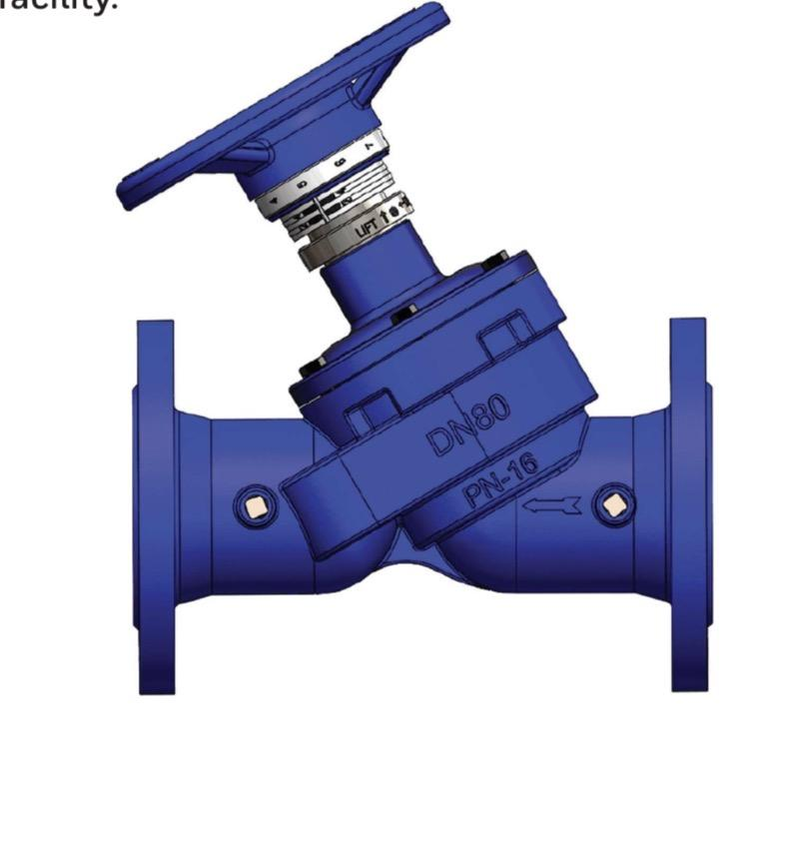
 | Brass Balancing Valve |  | 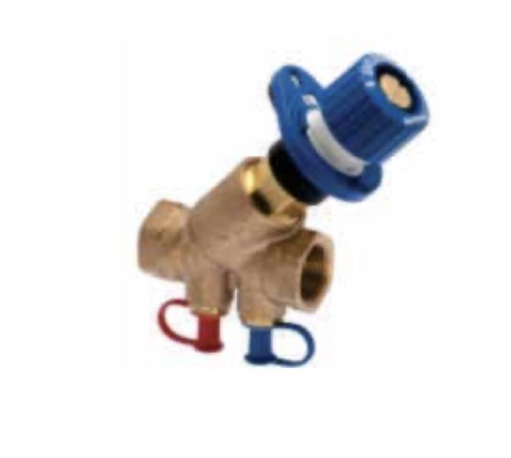
 | Pressure control independent valve |  | 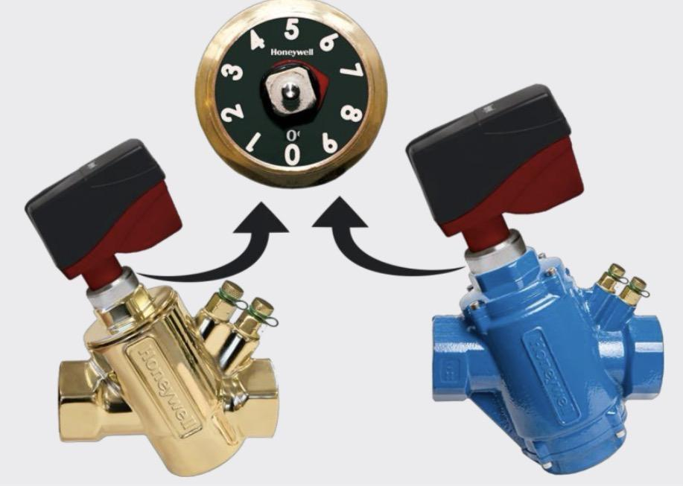
Sensor | CO Sensor | HSCMR400ML
Sensor | CO2 Sensor | HSCDR2ML
Sensor | Temperature Sensor | RSPT1000
Sensor | Temperature + RH Sensor
Sensor | Gas Sensor
 | Duct humidity and temperature sensor

Damper Actuator |  | MS4604 | 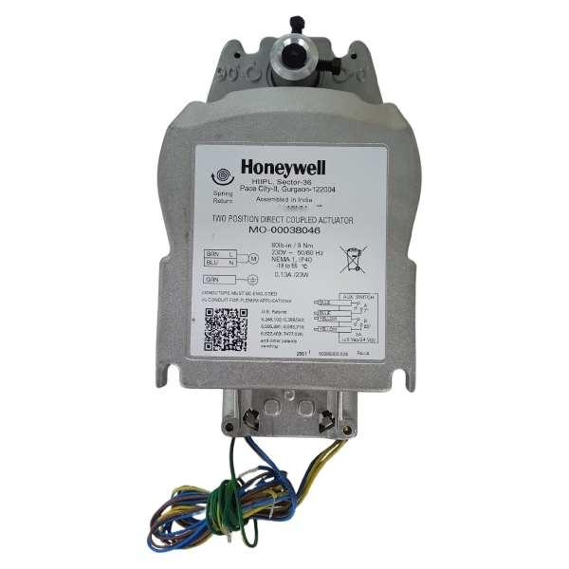
Damper Actuator |  | MS4620
Damper Actuator |  | MS4609

Actuator | Thermoelectric actuator modulating | MLP71TNA | 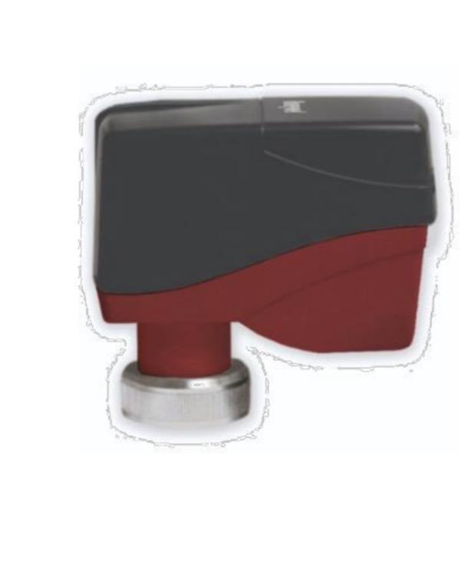
 | Thermoelectric on-off | MLP41TNA

MODULATING Thermostat |  | T2798 | 

Thermostat |  | WM428/ WME428 | 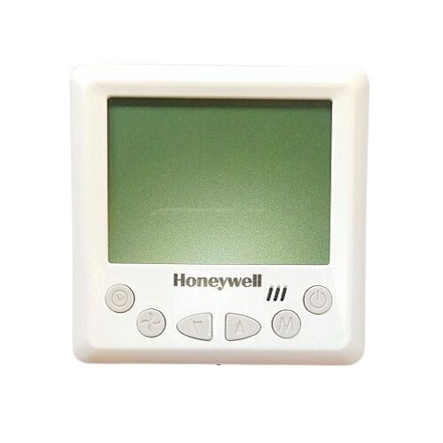
 |  | T6861
 |  | T6800
 |  | T6360
 |  | T6373
Modulating FCU Thermostat |  | WME423
Water Flow Switch |  | WFS6000 | 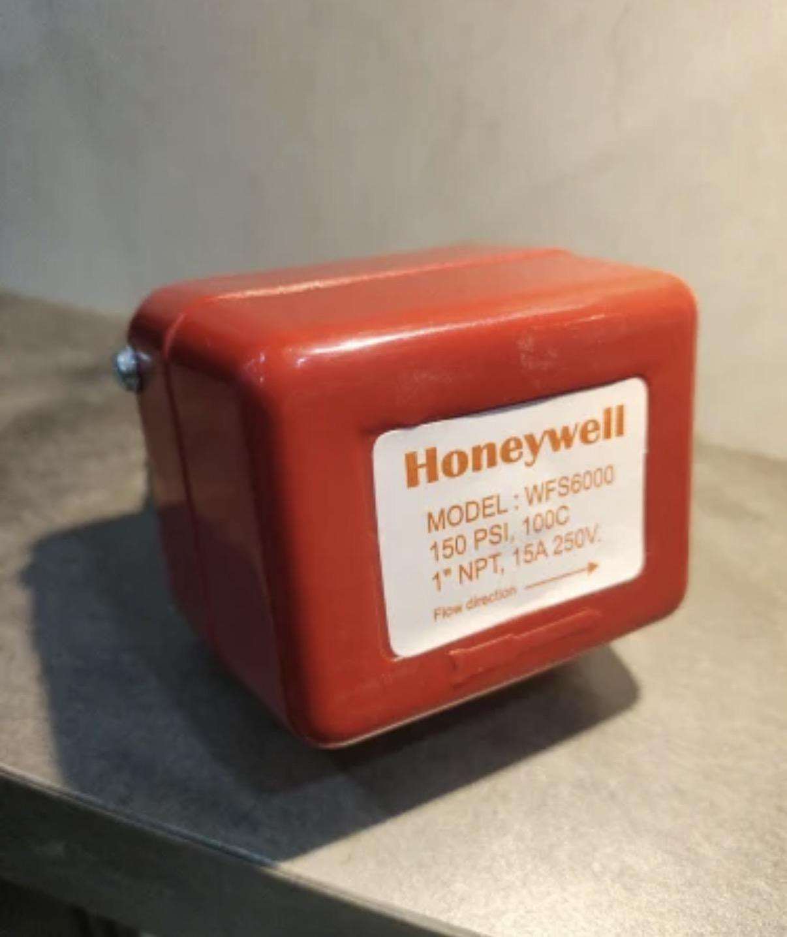

Differential Pressure Switch |  | DPSN400A | 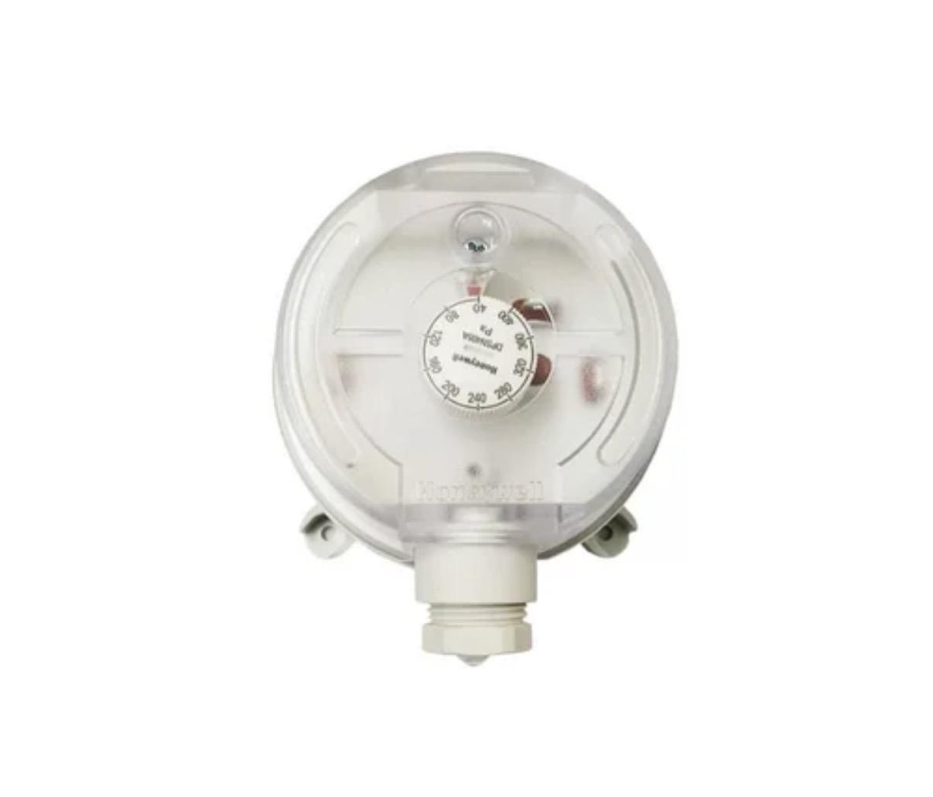
 |  | DPSN200A | 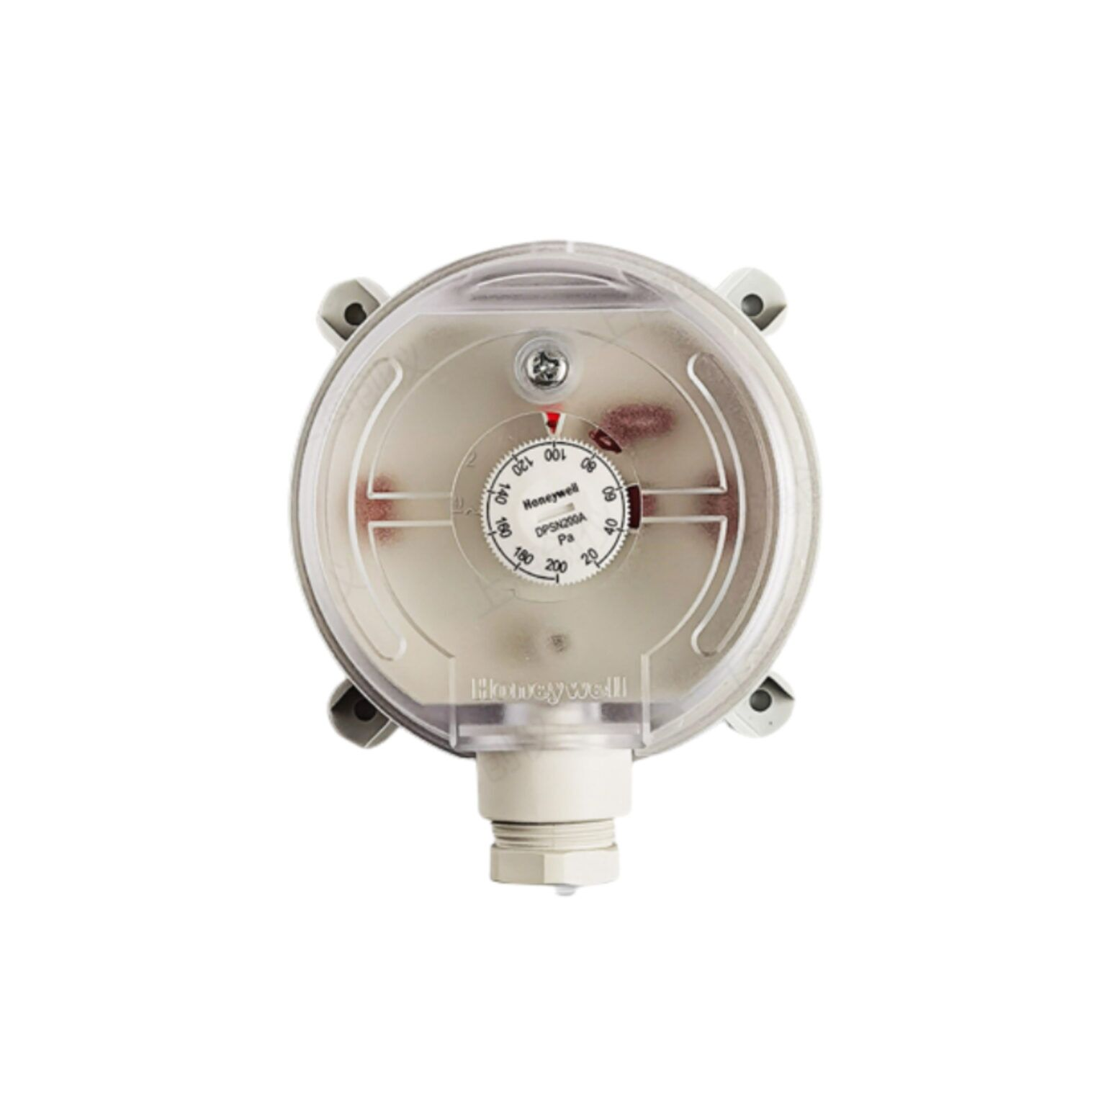
Manual Butterfly Valve |  |  | 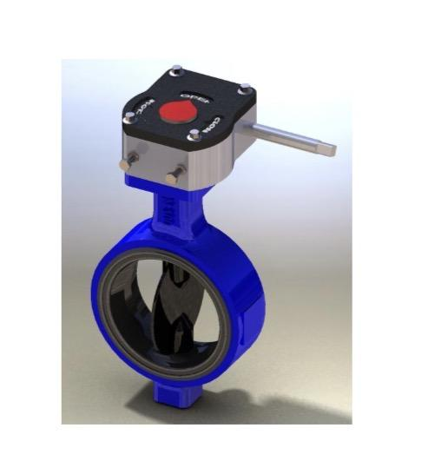

Butterfly valve gear

SANT AIR SYSTEM
SANT AIR SYSTEMS

Product Name | Product Image

HVLS Industrial Ceiling Fan
Circular Inline Fan
Axial Flow Fan
Industrial Exhaust Fan
Jet fans
Cabinet Fan | 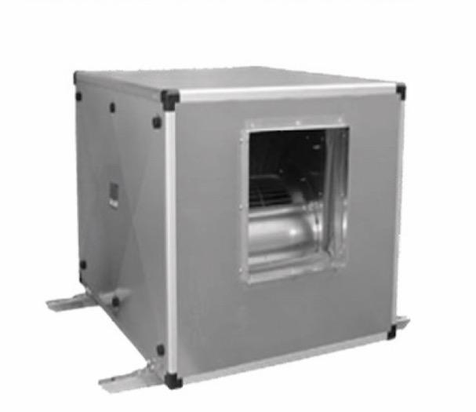
Mixed Flow Duct Blower
Inline Fan | 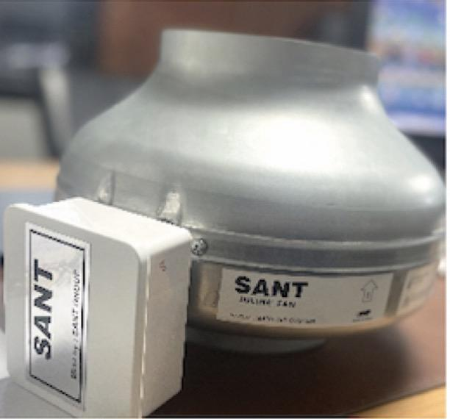

website: https://www.santairsystem.com/

H Guru
 | HGURU

Product | Sizes | Image

Pressure gauge | Available on demand | 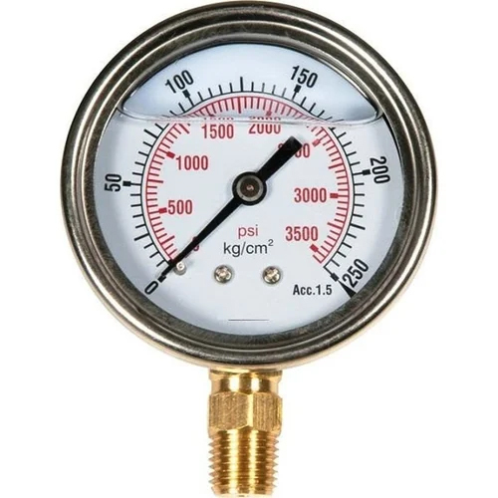

Temperature gauge | Available on demand

Mercury Filled Thermometer |  | 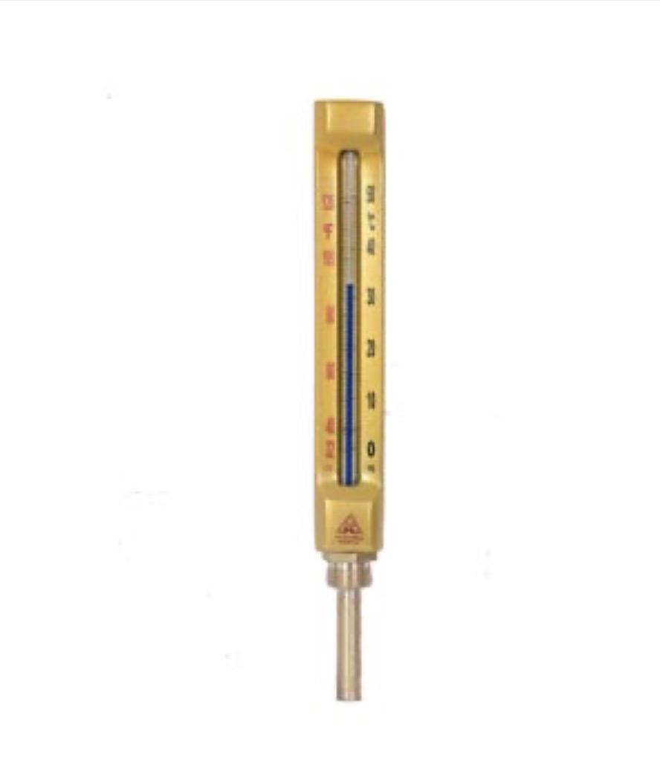

Sant Material Wise
Material | Product | Model/Code | Remarks | Product Image

- | Water Meter | WM1, WM2, WM7, WM8, WM9, WM10, WM12, WM13, WM14, WM15 |  | 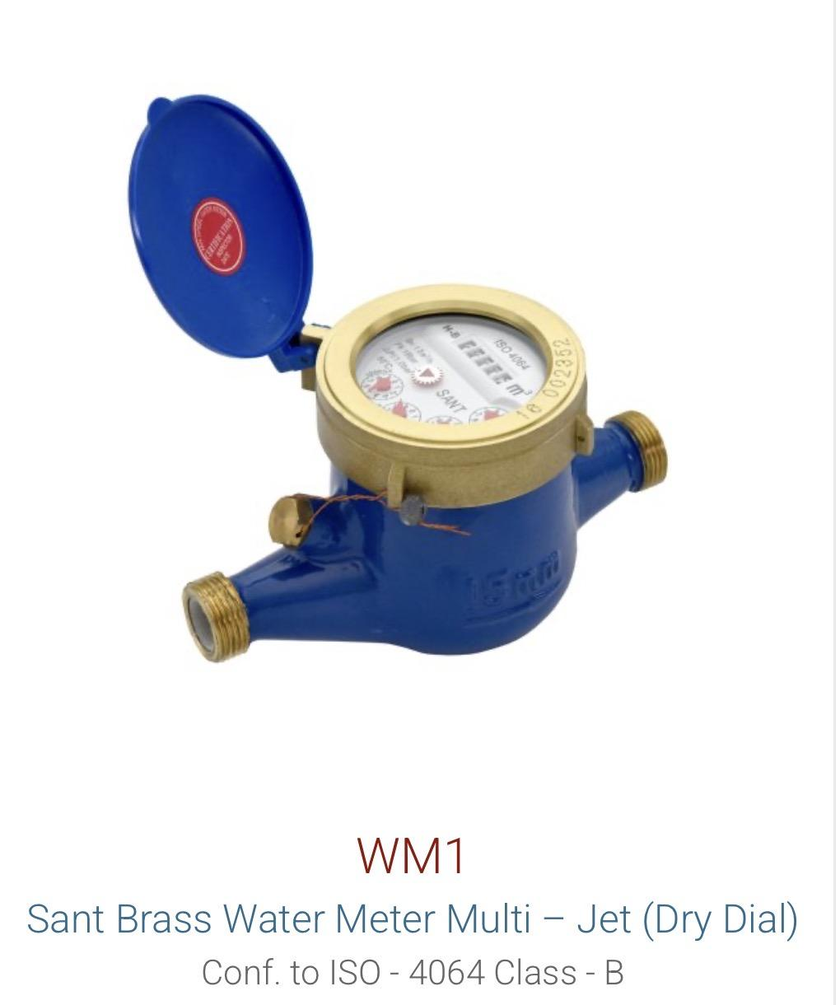

Brass | Balancing Valve | SBBV | 20-50 mm | 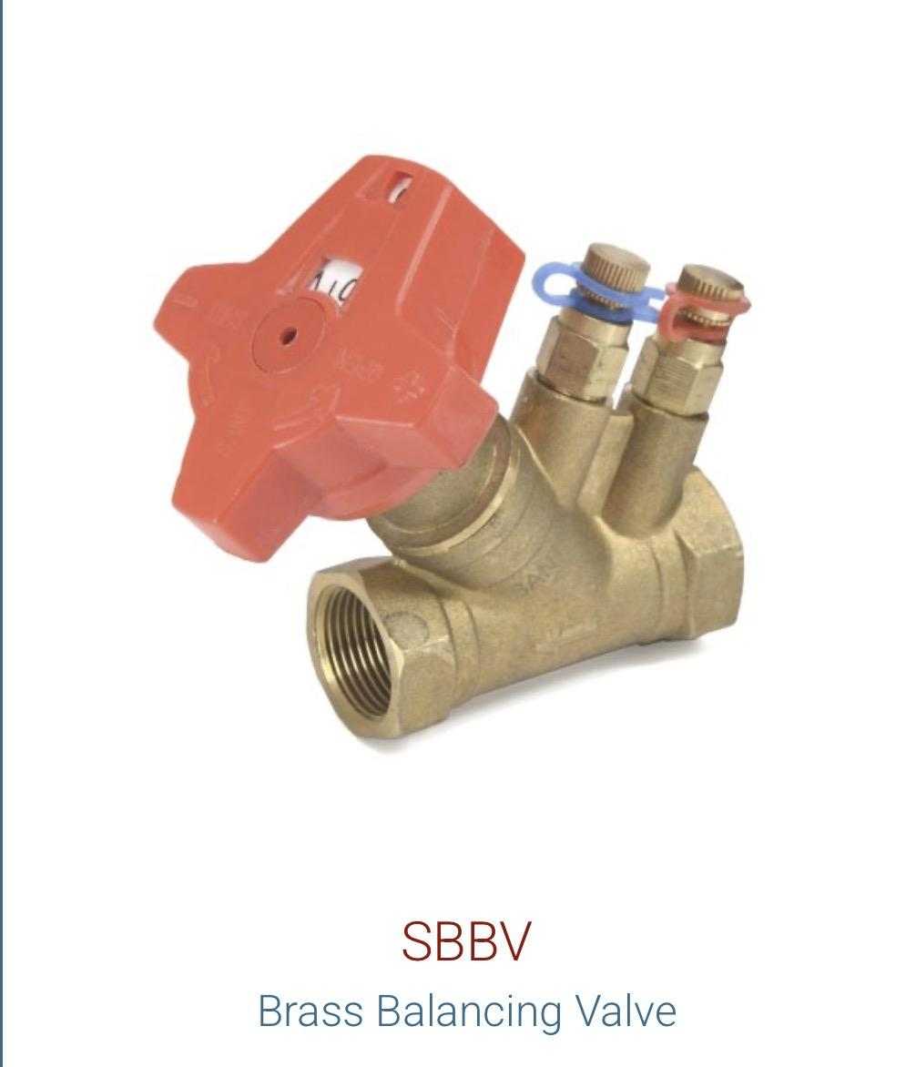

Cast Iron | Butterfly Valve | CR21 |  | 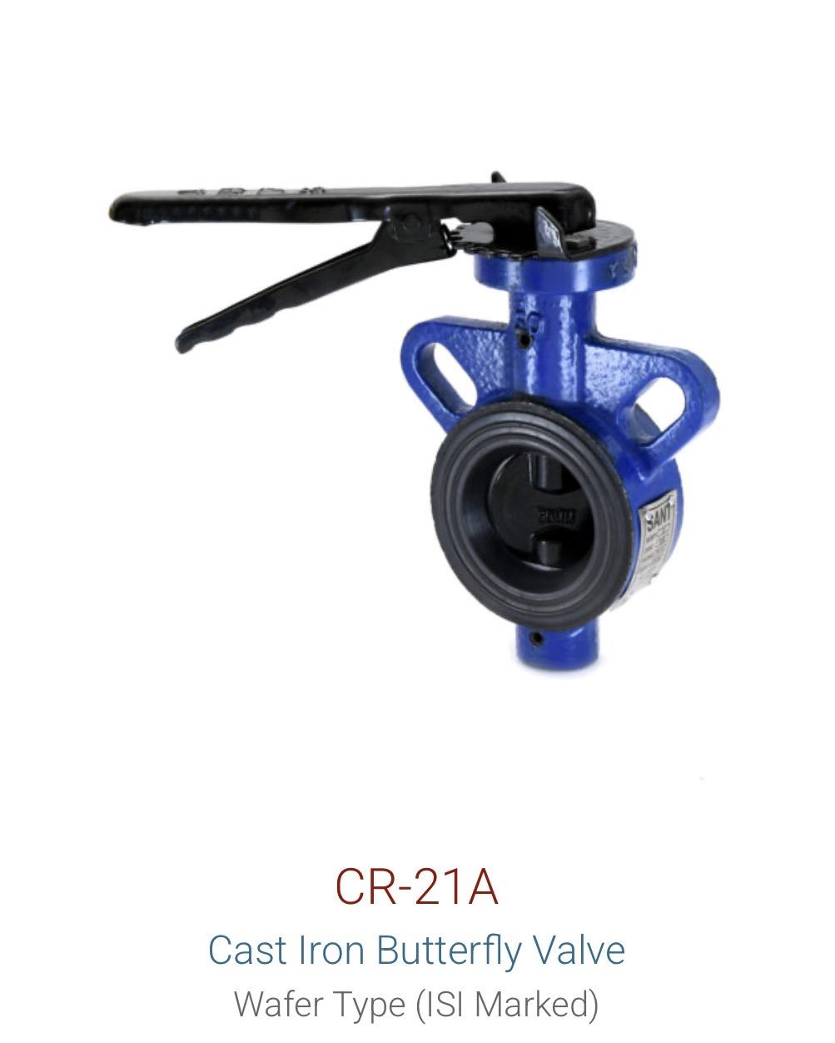 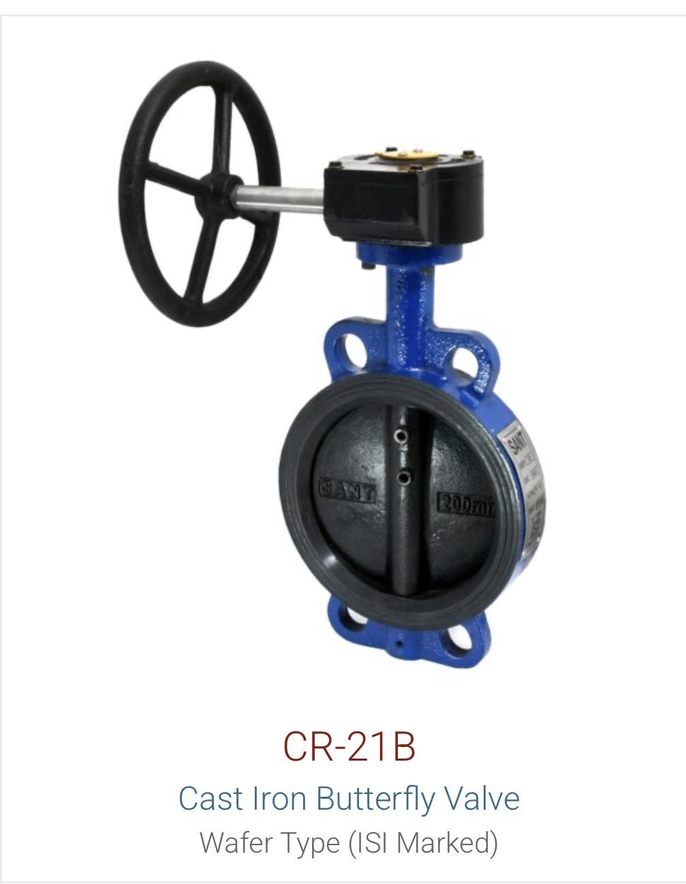
Cast Iron | Butterfly Valve | CR28D |  | 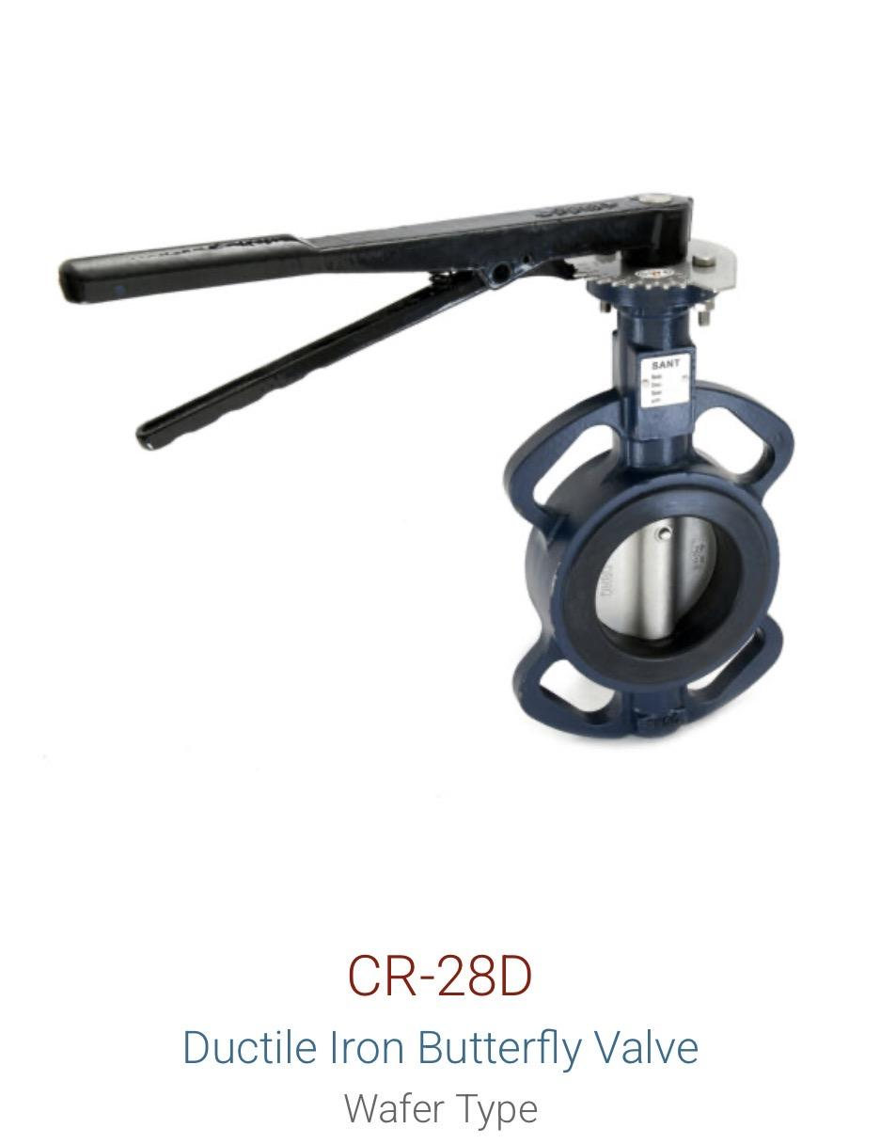
Cast Iron | Butterfly Valve | CIBFE |  | 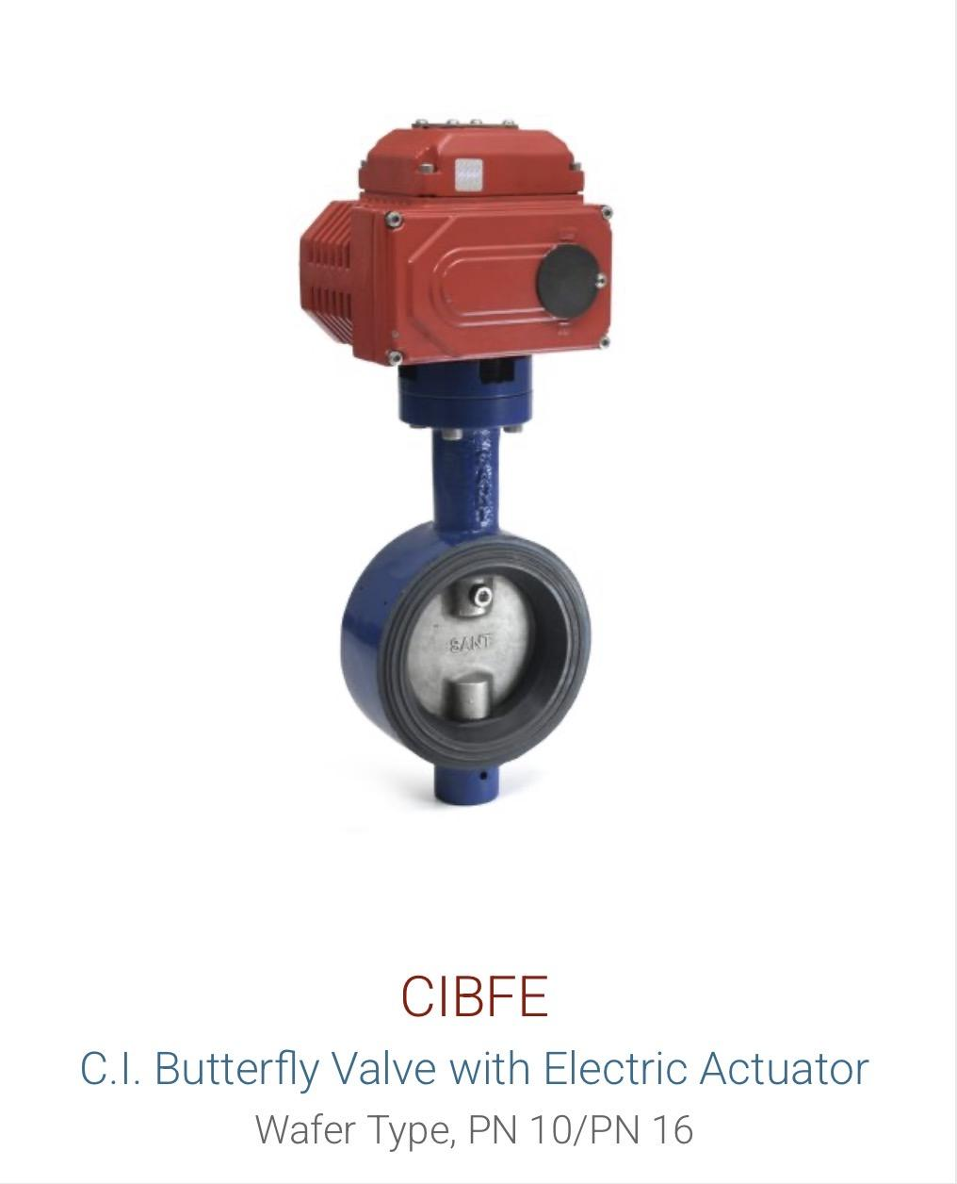
Cast Iron | Butterfly Valve | CIBFL (6A) |  | 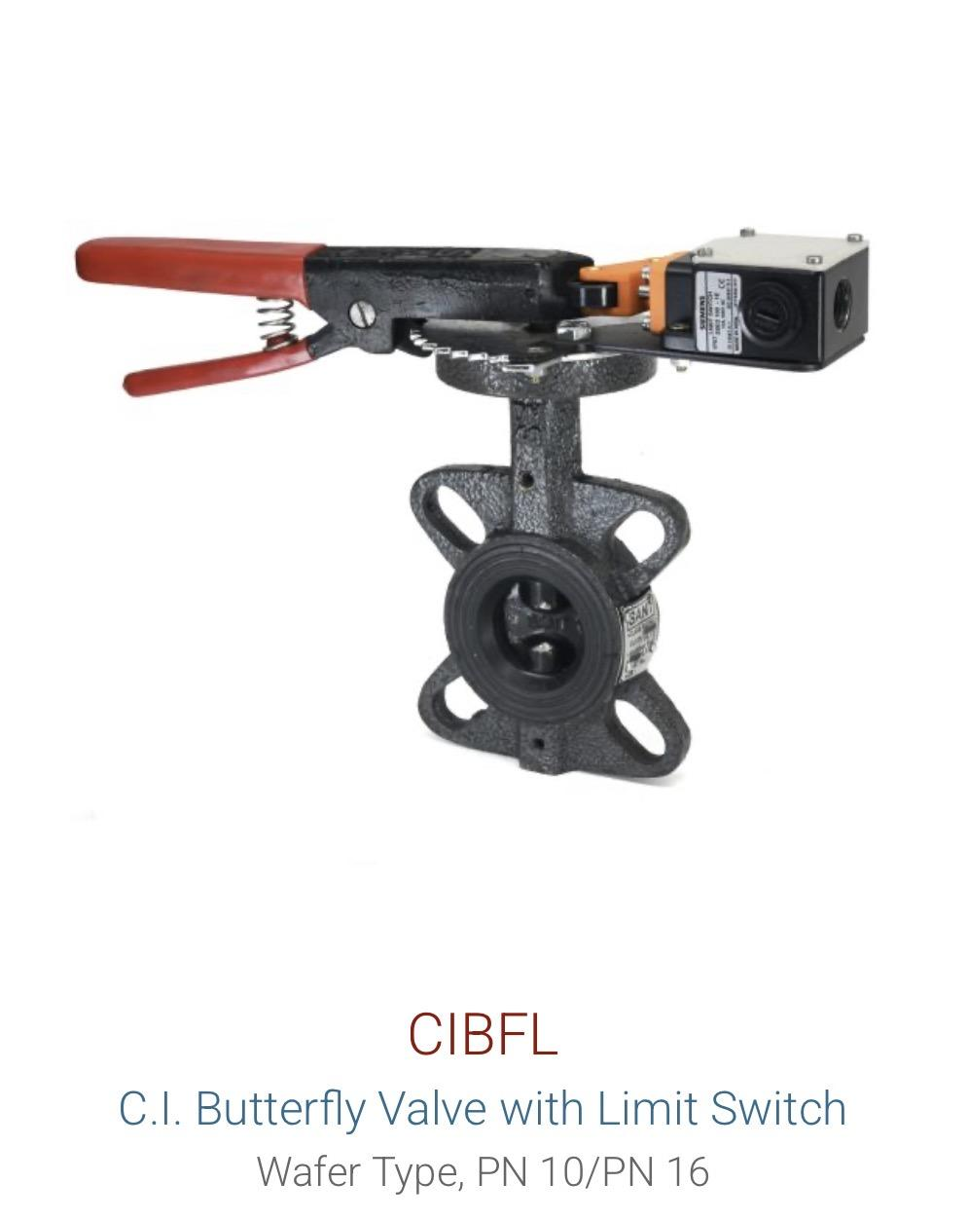
Cast Iron | Butterfly Valve | CIBFP |  | 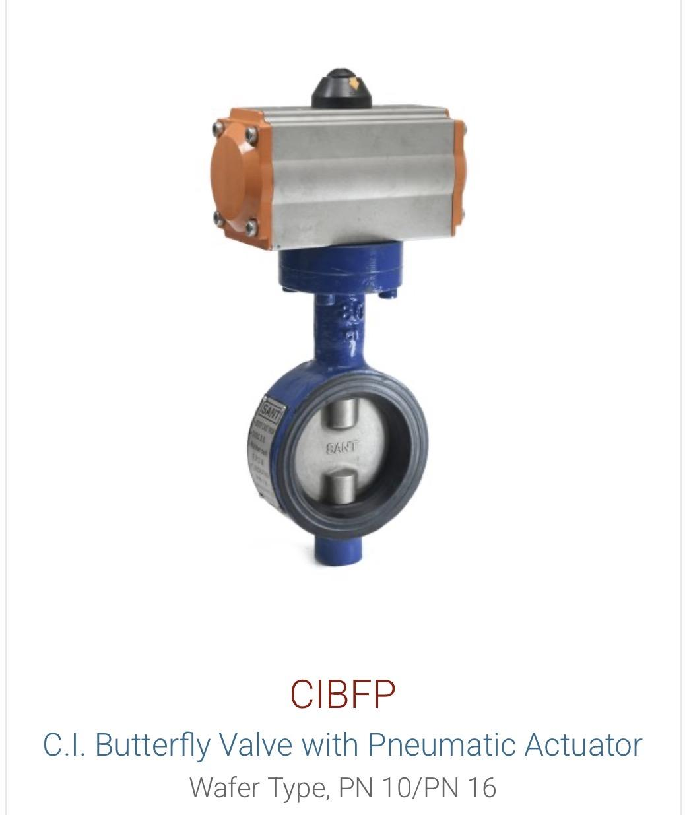
Cast Iron | Gate Valve | CR32B
Cast Iron | Gate Valve | CR19B | Rising Stem
Cast Iron | Ball Valve | CI18 |  | 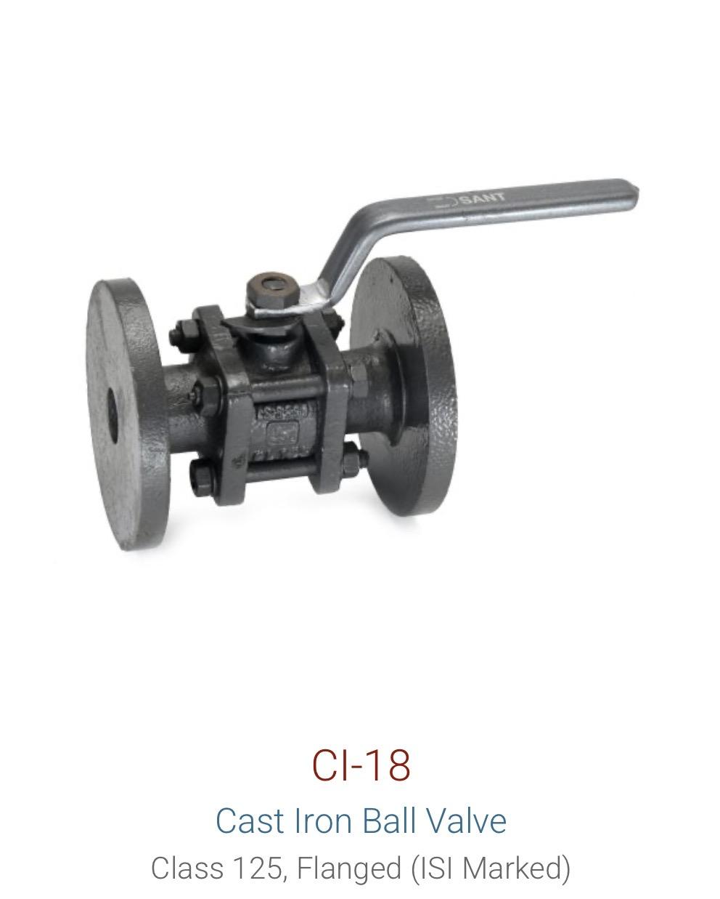
Cast Iron | Check Valve / NRV | CR31A | Reflux | 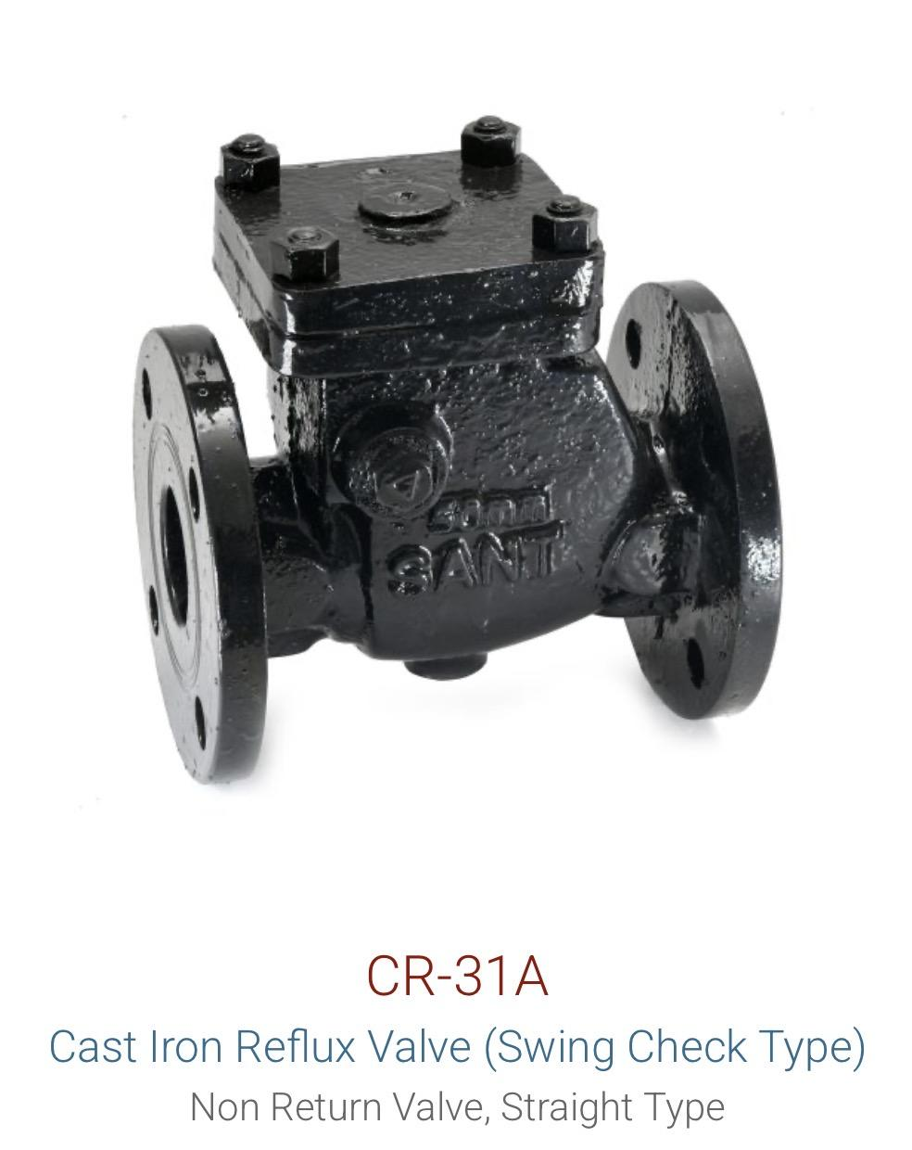
Cast Iron | Foot Valve | BFV / IS21
Cast Iron | Balancing Valve | SCBV | 65-600 mm
Cast Iron | Pressure Reducing Valve | PRV |  | 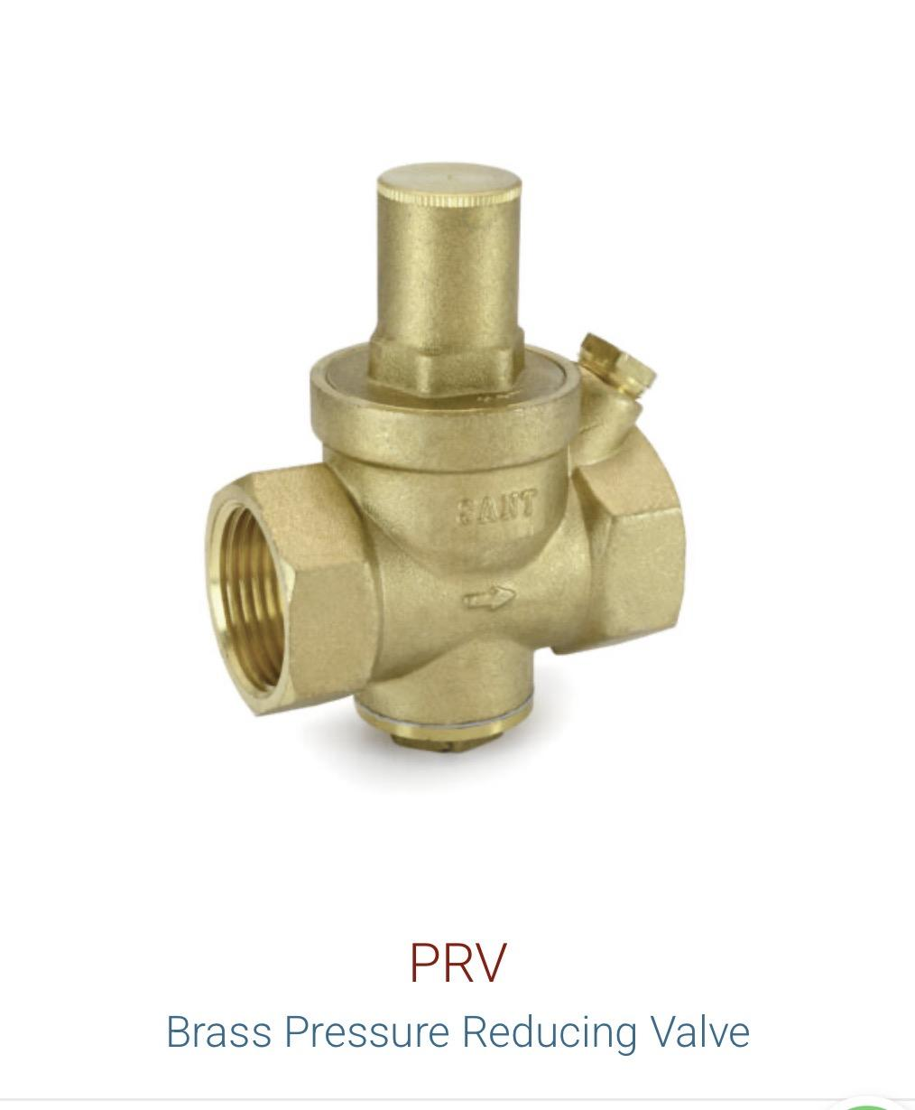
Cast Iron | Pressure Reducing Valve | SK200X
Cast Iron | Y-Strainer | CI16B |  | 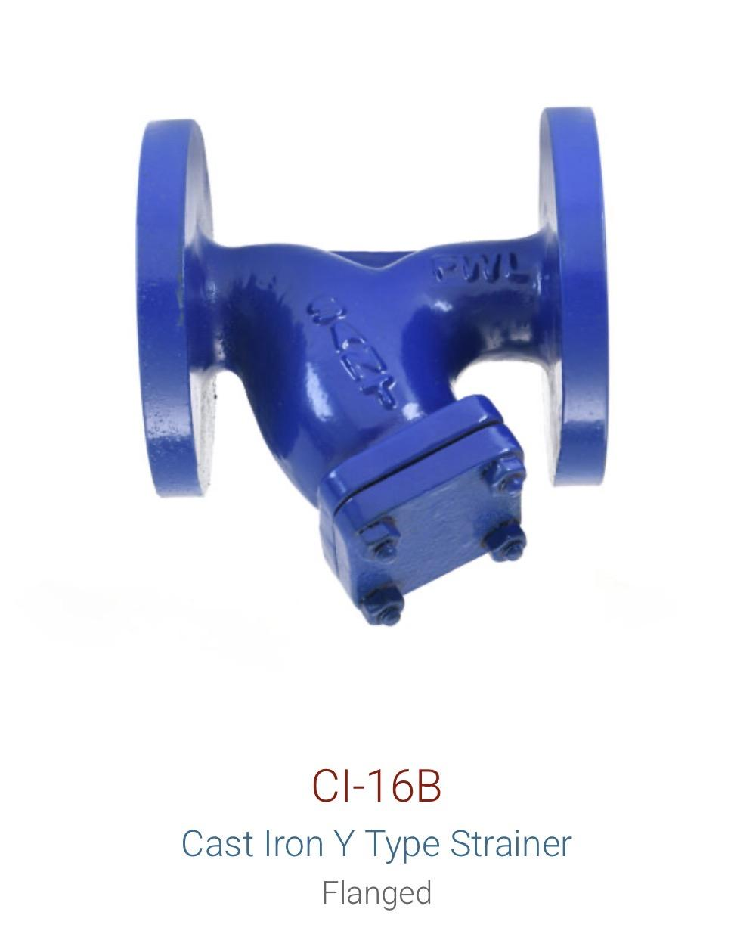
Cast Iron | Pot Strainer | CR19D

Cast Steel | Gate Valve | CS7 |  | 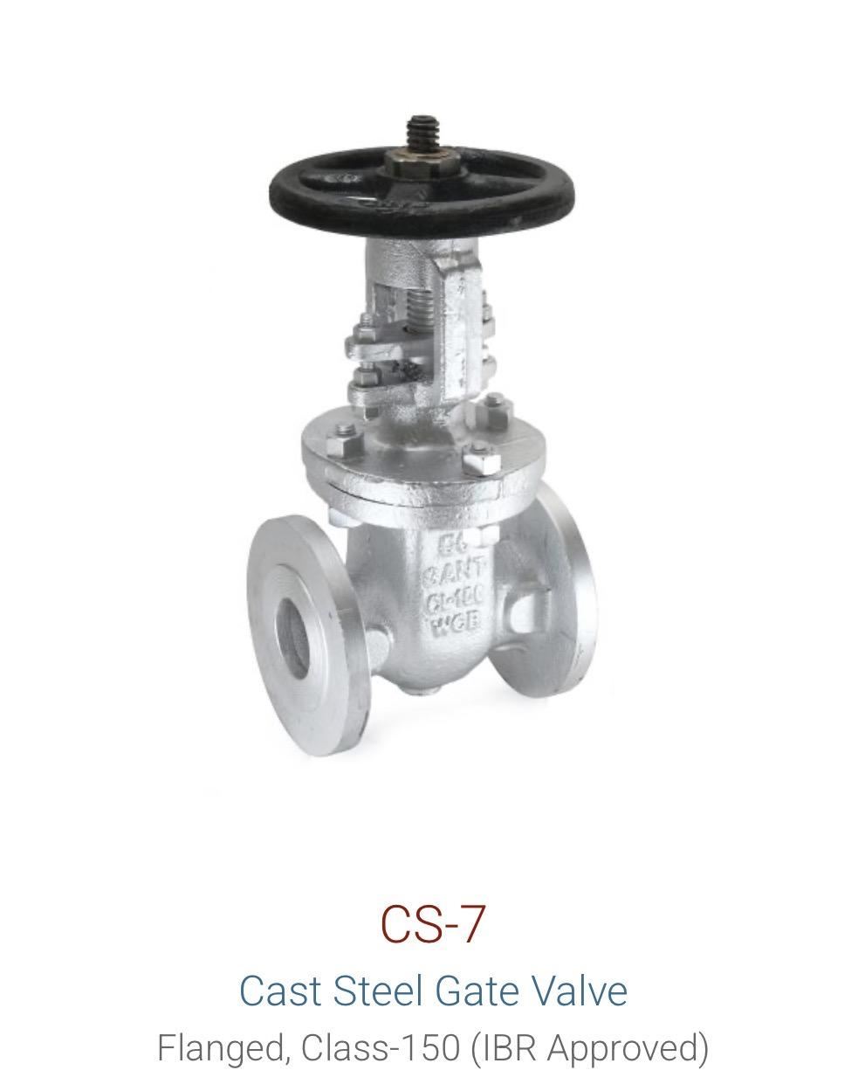
Cast Steel | Gate Valve | CS7A | Rising Stem | 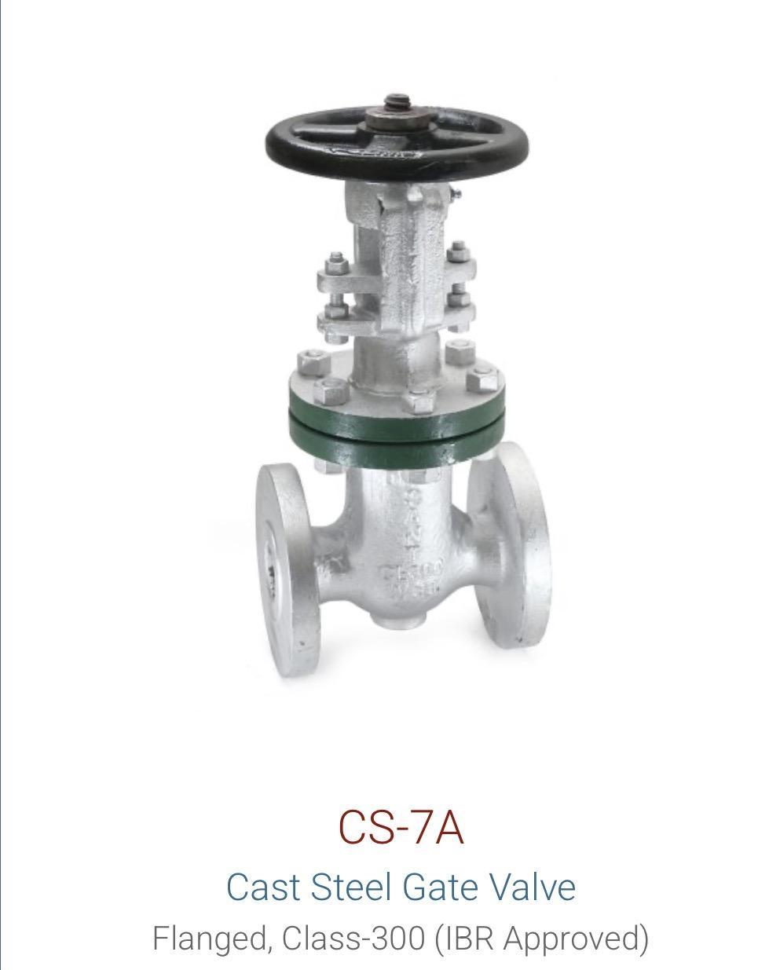
Cast Steel | Globe Valve | CS9 |  | 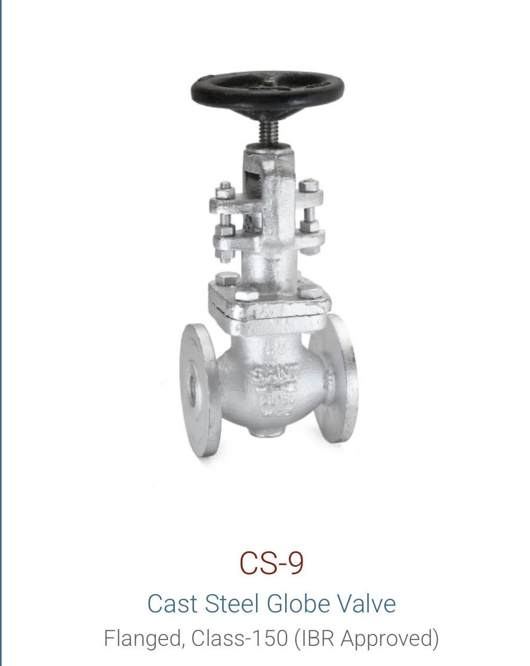
Cast Steel | Ball Valve | CS11 (WCB) |  | 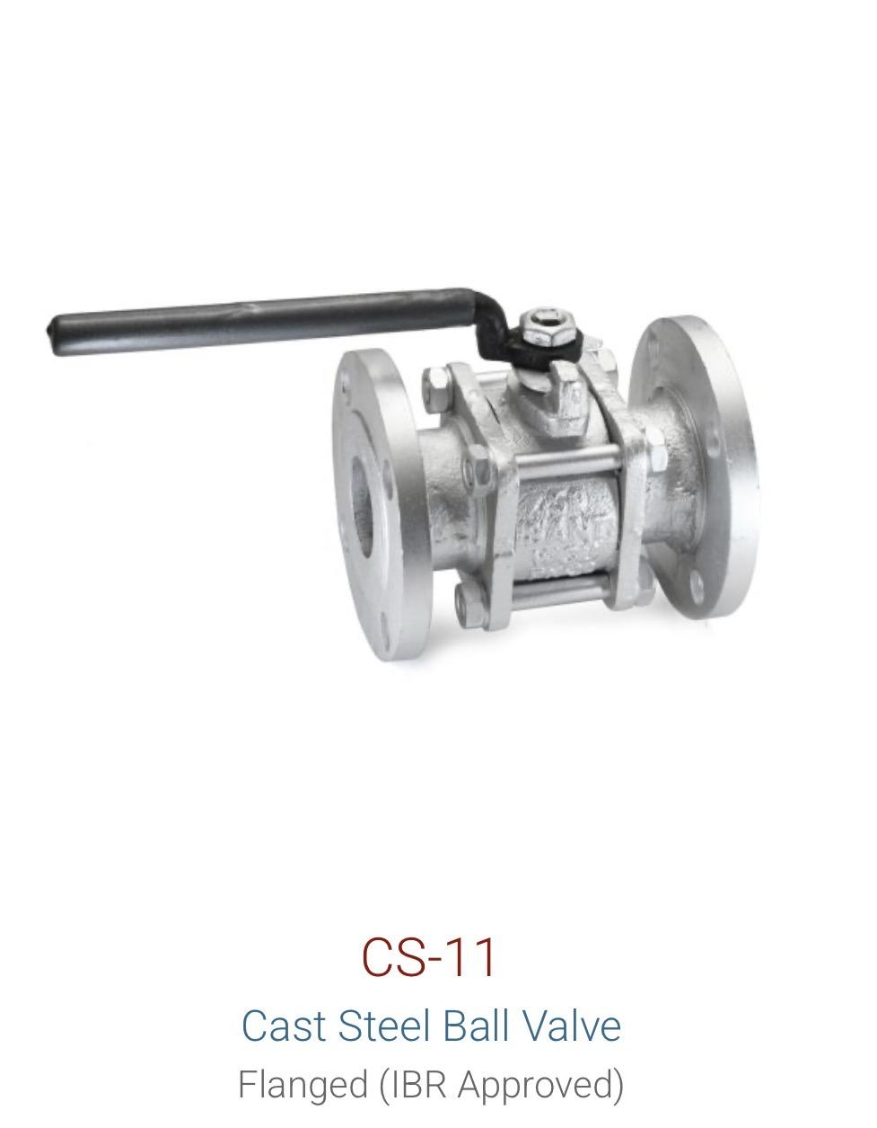 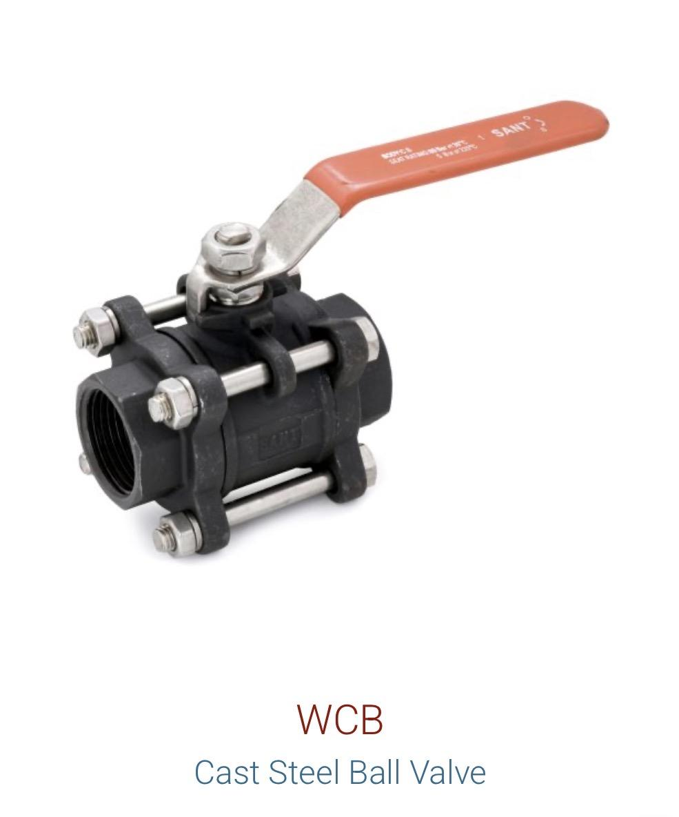
Cast Steel | Check Valve / NRV | CS8 | Class 150 | 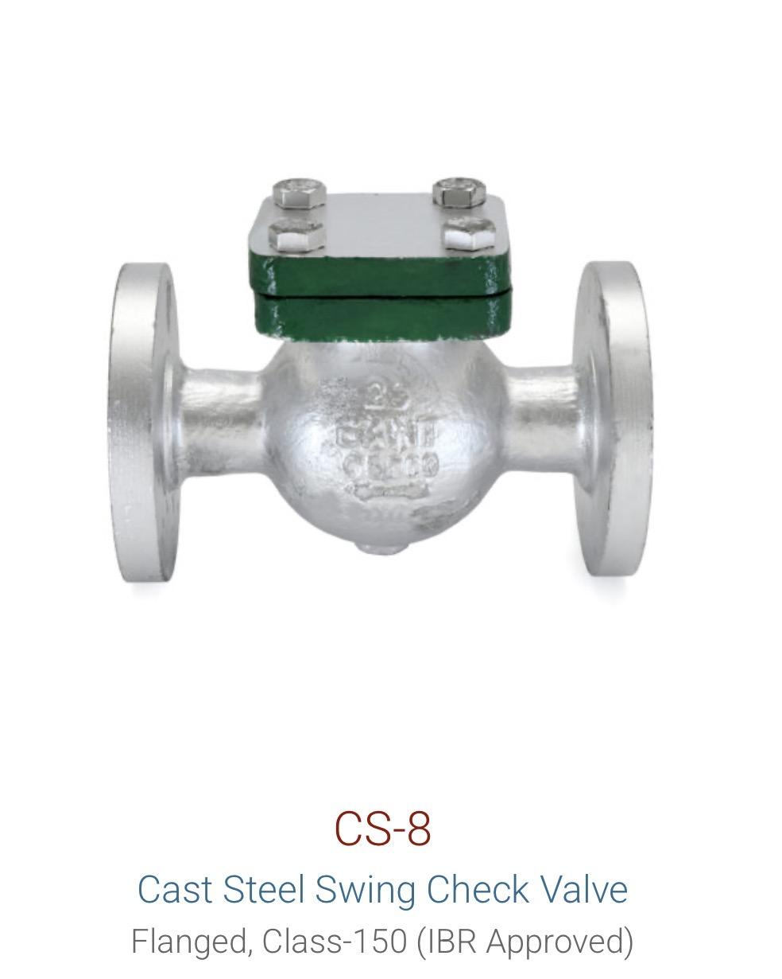
Cast Steel | Check Valve / NRV | CS8A | Class 300 | 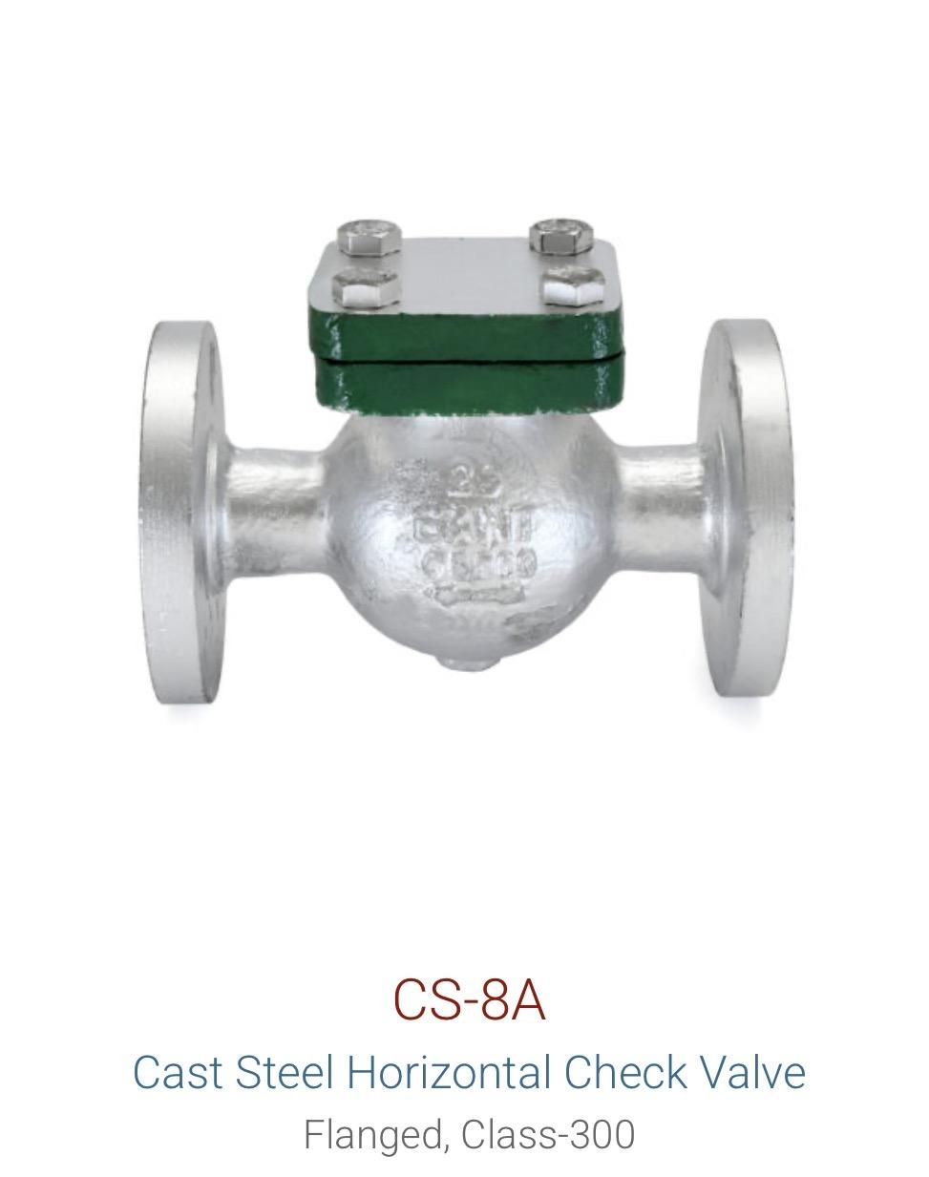
Cast Steel | Y-Strainer | CS3A | Flanged

Dual Plate | Check Valve / NRV | DP-1 |  | 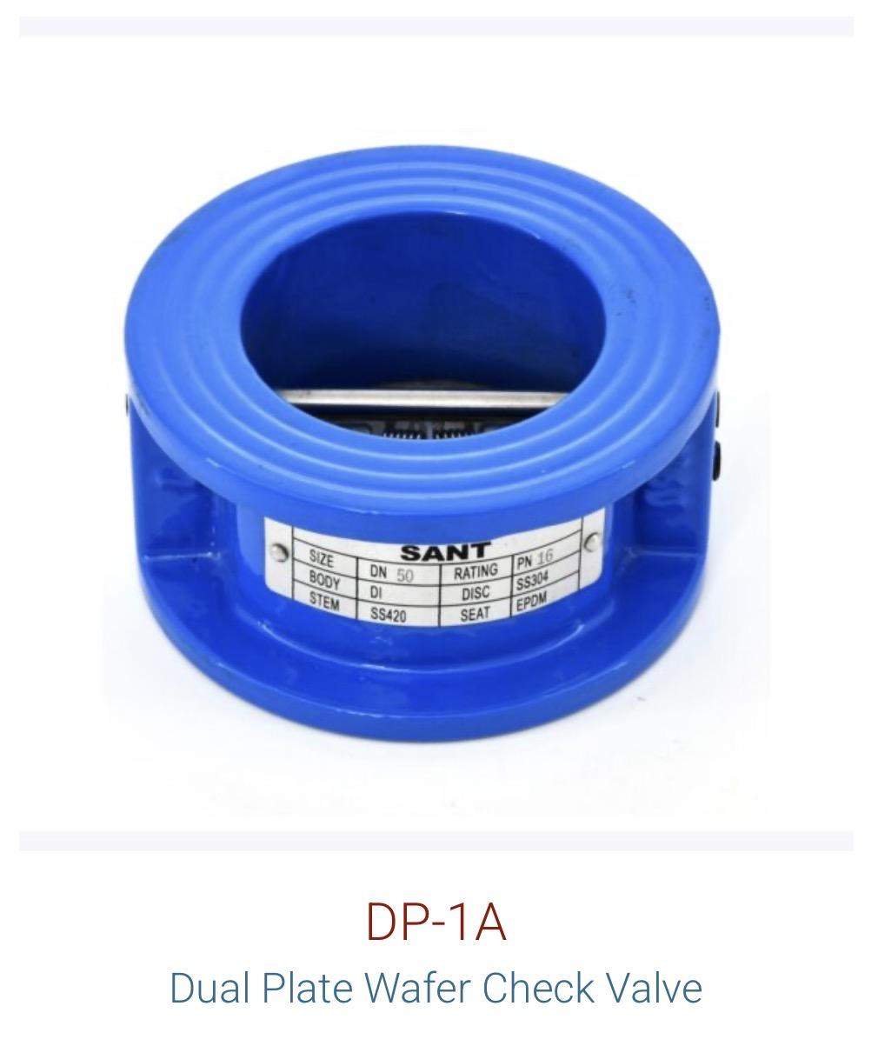
Dual Plate | Check Valve / NRV | DP-2 |  | 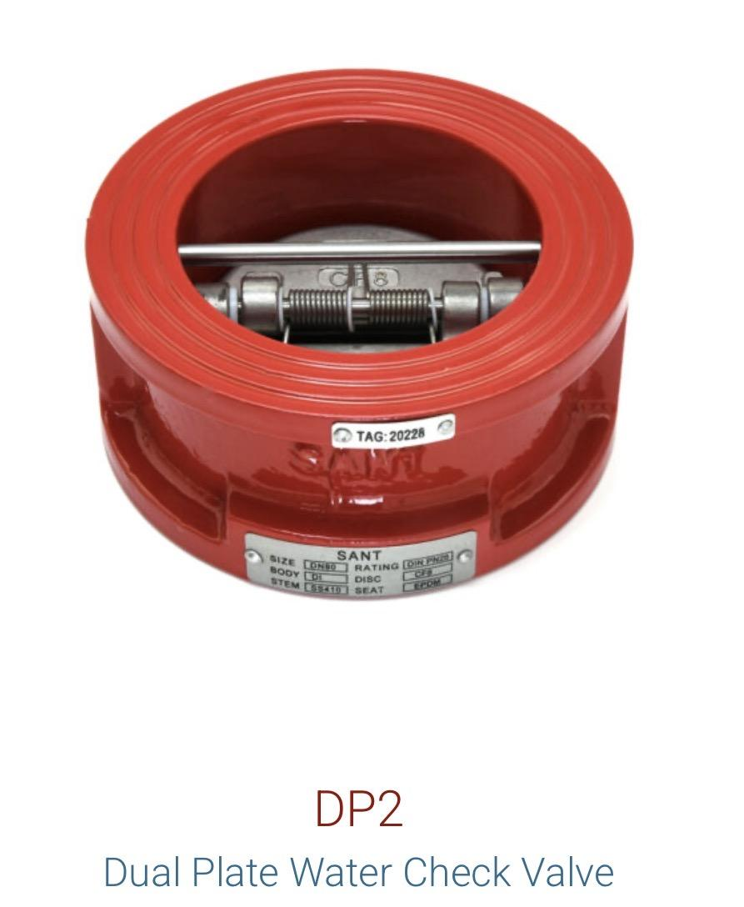

Forged Brass | Ball Valve | FBV2 |  | 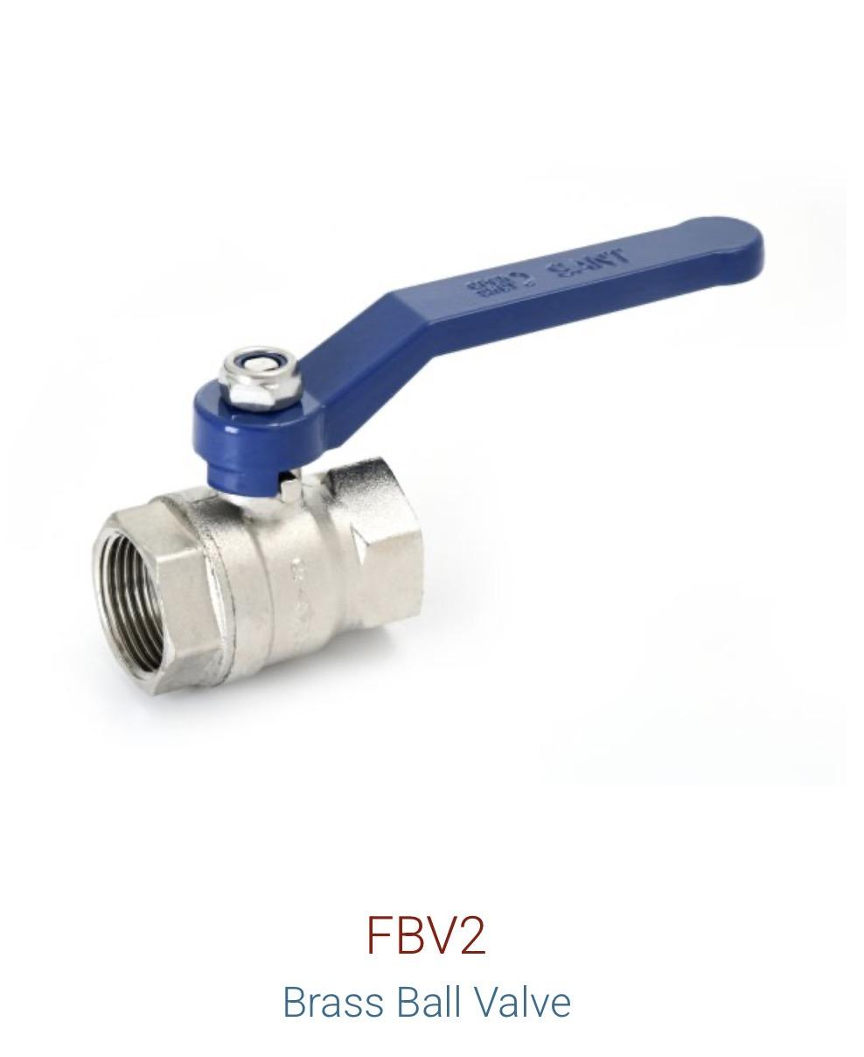
Forged Brass | Ball Valve | BBFV2
Forged Brass | Ball Valve | BVVSF |  | 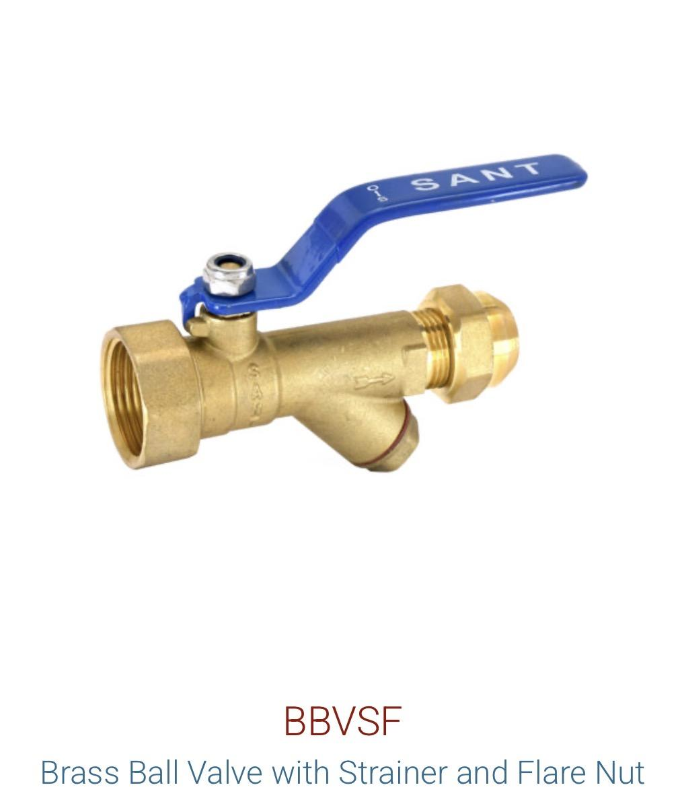
Forged Brass | Ball Valve | FBV4 |  | 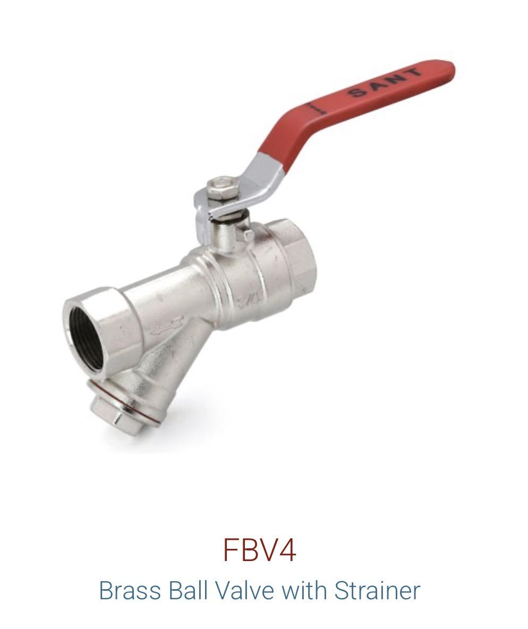
Forged Steel | Gate Valve | FSV1A / FS11 |  | 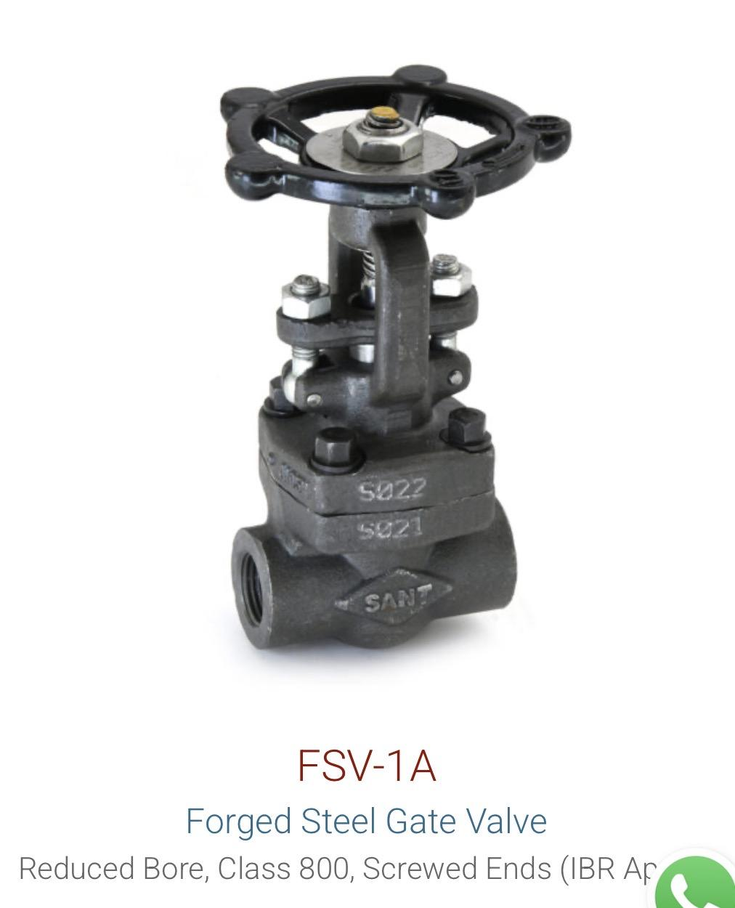 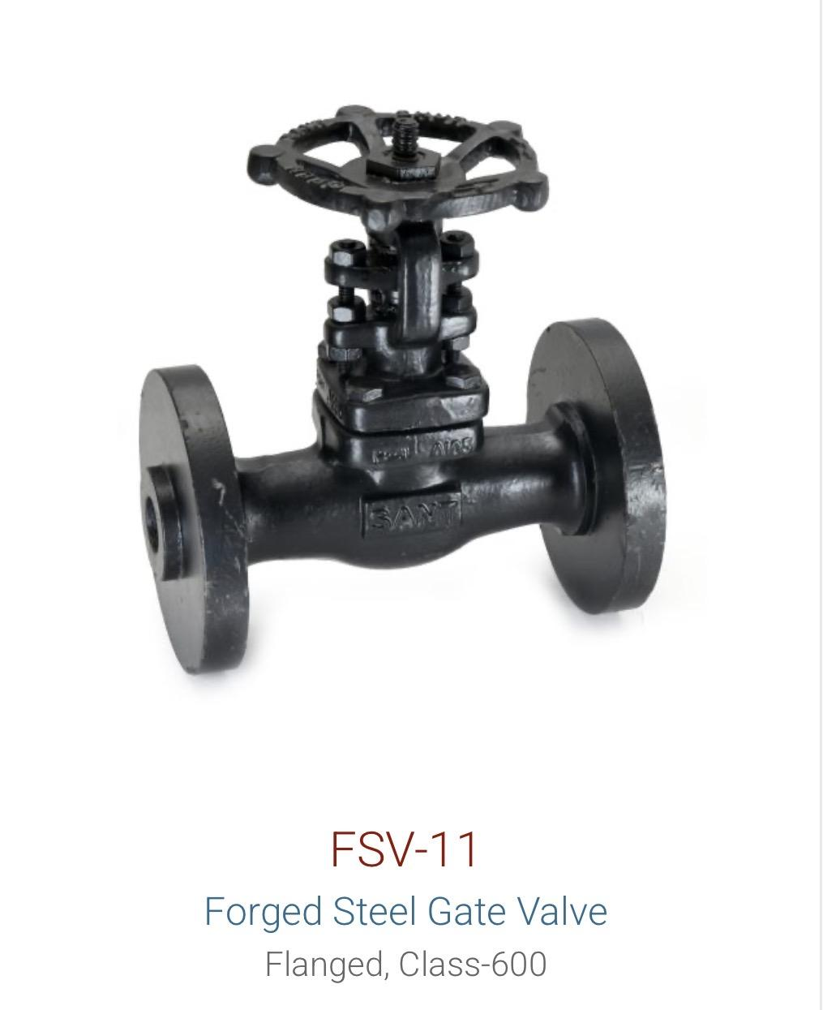
Forged Steel | Globe Valve | FSV2A / FSV12 |  | 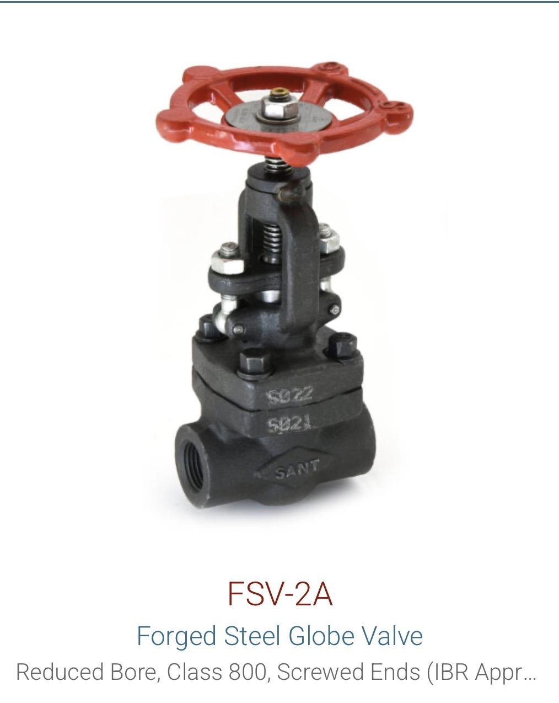
Forged Steel | Ball Valve | FS13
Forged Steel | Check Valve / NRV | FSV3A | Horizontal | 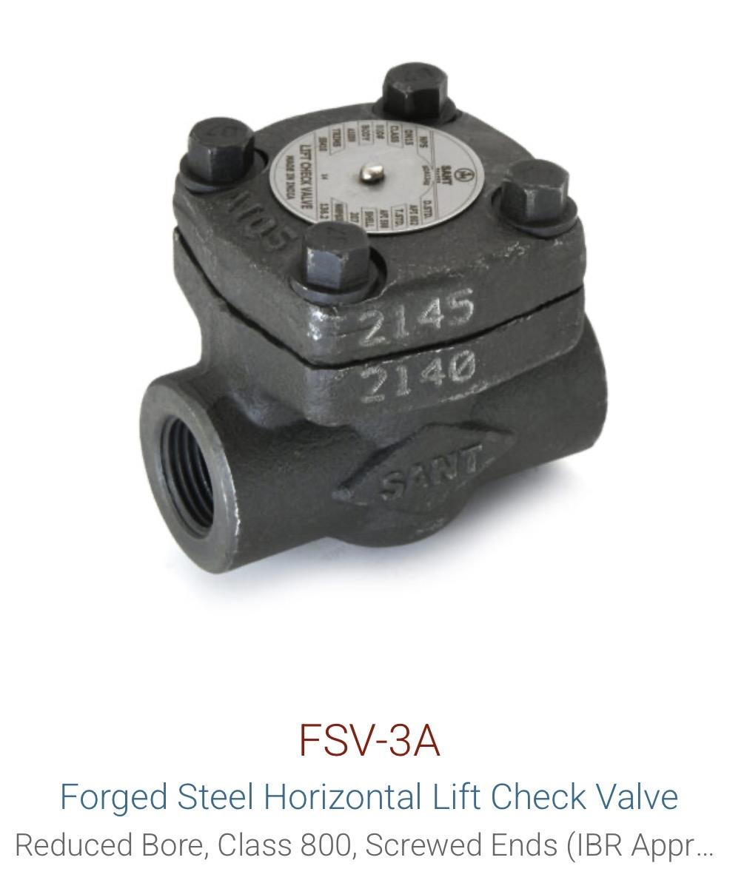
Forged Steel | Steam Trap | FSV4A | Thermodynamic | 

Gun Metal | Gate Valve | IS1
Gun Metal | Globe Valve | IS9
Gun Metal | Check Valve / NRV | IS8 | Vertical | 
Gun Metal | Check Valve / NRV | IS14A | Horizontal | 
Gun Metal | Check Valve / NRV | IS16 | Swing | 
Gun Metal | Sight Glass | IS24

Rubber | Rubber Bellow | SANT Rubber Bellow

Stainless Steel | Ball Valve | IC11 / SSBVF |  | 
Stainless Steel | Y-Strainer | ICS
Stainless Steel | Air Vent | AV IBR 21
Stainless Steel | Sight Glass | IC4

SANT PRDUCT LIST
 | SANT VALVES

Product | Material | Model/Code | Remarks | Sizes | Image

Butterfly Valve | Cast Iron | CR21 |  | Available on demand
Butterfly Valve | Cast Iron | CR28D |  | Available on demand
Butterfly Valve | Cast Iron | CIBFE |  | Available on demand
Butterfly Valve | Cast Iron | CIBFL (6A) |  | Available on demand
Butterfly Valve | Cast Iron | CIBFP |  | Available on demand

Gate Valve | Cast Iron | CR32B |  | Available on demand
Gate Valve | Cast Iron | CR19B | Rising Stem | Available on demand
Gate Valve | Cast Steel | CS7 |  | Available on demand
Gate Valve | Cast Steel | CS7A | Rising Stem | Available on demand
Gate Valve | Forged Steel | FSV1A / FS11 |  | Available on demand
Gate Valve | Gun Metal | IS1 |  | Available on demand | 
 |  |  |  | Available on demand
Globe Valve | Cast Steel | CS9 |  | Available on demand
Globe Valve | Forged Steel | FSV2A / FSV12 |  | Available on demand
Globe Valve | Gun Metal | IS9 |  | Available on demand | 
 |  |  |  | Available on demand
Ball Valve | Cast Iron | CI18 |  | Available on demand
Ball Valve | Cast Steel | CS11 (WCB) |  | Available on demand
Ball Valve | Forged Steel | FS13 |  | Available on demand
Ball Valve | Stainless Steel | IC11 / SSBVF |  | Available on demand
Ball Valve | Forged Brass | FBV2 |  | Available on demand
Ball Valve | Forged Brass | BBFV2 |  | Available on demand
Ball Valve | Forged Brass | BVVSF |  | Available on demand
Ball Valve | Forged Brass | FBV4 |  | Available on demand

Check Valve / NRV | Cast Steel | CS8 | Class 150 | Available on demand
Check Valve / NRV | Cast Steel | CS8A | Class 300 | Available on demand
Check Valve / NRV | Cast Iron | CR31A | Reflux | Available on demand
Check Valve / NRV | Dual Plate | DP-1 |  | Available on demand
Check Valve / NRV | Dual Plate | DP-2 |  | Available on demand
Check Valve / NRV | Forged Steel | FSV3A | Horizontal | Available on demand
Check Valve / NRV | Gun Metal | IS8 | Vertical | Available on demand
Check Valve / NRV | Gun Metal | IS14A | Horizontal | Available on demand
Check Valve / NRV | Gun Metal | IS16 | Swing | Available on demand

Foot Valve | Cast Iron | BFV / |  | Available on demand | 
Foot Valve |  | IS21 |  | Available on demand | 

Balancing Valve | Cast Iron | SCBV | 65-600 mm | Available on demand
Balancing Valve | Brass | SBBV | 20-50 mm | Available on demand

Pressure Reducing Valve | Cast Iron | PRV |  | Available on demand
Pressure Reducing Valve | Cast Iron | SK200X |  | Available on demand

Y-Strainer | Cast Iron | CI16B |  | Available on demand
Y-Strainer | Cast Steel | CS3A | Flanged | Available on demand | 
Y-Strainer | Stainless Steel | ICS |  | Available on demand
Pot Strainer | Cast Iron | CR19D |  | Available on demand

Steam Trap | Forged Steel | FSV4A | Thermodynamic | Available on demand

Air Vent | Stainless Steel | AV IBR 21 |  | Available on demand

Sight Glass | Stainless Steel | IC4 |  | Available on demand
Sight Glass | Gun Metal | IS24 |  | Available on demand

Rubber Bellow | Rubber | SANT Rubber Bellow |  | Available on demand
Water Meter | - | WM1, WM2, WM7, WM8, WM9, WM10, WM12, WM13, WM14, WM15 |  | Available on demand

BTU meter

Resistoflex
Resistoflex

Product | Sizes | Image

Spring mountings | Available on demand

 |  | 

Rubber bellow and stainless steel bellow | Available on demand

 |  | 

Single Arch Rubber Expansion Joint With Retaining Ring & Control Unit

Single Arch Rubber Expansion Joint With Control Unit

Metal Expansion Joints with Fixed Flanges (RMEJ)

Springs Isolators

