Raw_Orders
order_id | order_date | ship_date | customer_id | customer_name | segment | region | state | city | category | sub_category | product_name | ship_mode | quantity | unit_price | discount | sales | cost | profit | payment_status | order_status
ORD-2024-10001 | 21 Jul 2024 | 07/27/2024 | CUST-4655 | Karan Malhotra | Consumer | North | Rajasthan | Jaipur | Office Supplies | Paper | Pro Paper 122 | Second Class | 8 | 2976.45 | 0.2 | 19049.28 | 15841.89 | 3207.39 | Paid | Completed
ORD-2024-10002 | 08/31/2024 | 05 Sep 2024 | CUST-2054 | Mira Das | Small Business | East | Odisha | Bhubaneswar | Furniture | Tables | Pro Tables 258 | Same Day | 3 | 2437.5 | 0 | 7312.5 | 4904.73 | 2407.77 | Paid | Completed
ORD-2024-10003 | 06/08/2024 | 15 Jun 2024 | CUST-6843 | Isha Nair | Consumer | East | Odisha | Bhubaneswar | Office Supplies | Art | Elite Art 525 | First Class | 4 | 1065.43 | 0.55 | 4261.72 | 2465.69 | 1796.03 | Paid | Completed
ORD-2024-10004 | 28-11-2024 | 11/29/2024 | CUST-3722 | Arjun Bose | Small Business | South | Telangana | Hyderabad | Furniture | Furnishings | Smart Furnishings 294 | Standard Class | 6 | 1848.43 | 0.25 | 8317.93 | 6796.77 | 1521.16 | Paid | Completed
ORD-2025-10005 | 29 Aug 2025 | 2025-09-01 | CUST-8130 | Ananya Rao | Small Business | West | Maharashtra | Mumbai | Furniture | Chairs | Elite Chairs 543 | First Class | 7 | 2973.76 | 0 | 20816.32 | 17705.37 | 3110.95 | Paid | Cancelled
ORD-2024-10006 | 2024-05-24 | 28-05-2024 | CUST-6056 | Vikram Iyer | Small Business | West | Madhya Pradesh | Indore | Technology | Accessories | Pro Accessories 821 | Same Day | 3 | 1053.11 | 0.2 | 2527.46 | 1533.58 | 993.88 | Paid | Completed
ORD-2025-10007 | 04/10/2025 | 04/16/2025 | CUST-3656 | Neha Gupta | Consumer | East | Odisha | Bhubaneswar | Technology | Copiers | Eco Copiers 790 | Standard Class | 4 | 1719.87 | 0.15 | 5847.56 | 4727.25 | 1120.31 | Paid | Completed
ORD-2025-10008 | 2025-02-23 | 26-02-2025 | CUST-4683 | Isha Nair | Small Business | South | Andhra Pradesh | Vijayawada | Office Supplies | Art | Eco Art 848 | First Class | 1 | 2980.71 | 0 | 2980.71 | 2357.22 | 623.49 | Paid | Completed
ORD-2024-10009 | 11/05/2024 | 11/10/2024 | CUST-2598 | Aditi Sen | Corporate | South | Telangana | Hyderabad | Office Supplies | Labels | Classic Labels 815 | First Class | 8 | 3134.2 | 0 | 25073.6 | 17347.23 | 7726.37 | Paid | Completed
ORD-2025-10010 | 07-09-2025 | 09/12/2025 | CUST-2483 | Mira Das | Home Office | South | Telangana | Hyderabad | Office Supplies | Paper | Pro Paper 622 | Second Class | 9 | 852.04 | 0.2 | 6134.69 | 3800.19 | 2334.5 | Paid | Completed
ORD-2025-10011 | 20 May 2025 | 05/20/2025 | CUST-8092 | Ananya Rao | Corporate | East | West Bengal | Kolkata | Office Supplies | Labels | Prime Labels 644 | Second Class | 3 | 3534.83 | 0.05 | 10074.27 | 6048.27 | 4026 | Refunded | Returned
ORD-2024-10012 | 2024-07-22 | 23-07-2024 | CUST-6528 | Vikram Iyer | Small Business | East | Odisha | Bhubaneswar | Technology | Accessories | Smart Accessories 603 | Same Day | 6 | 2005.95 | 0.2 | 9628.56 | 8038.59 | 1589.97 | Paid | Completed
ORD-2024-10013 | 20 Dec 2024 | 12/21/2024 | CUST-2648 | Ananya Rao | Corporate | West | Rajasthan | Udaipur | Office Supplies | Paper | Pro Paper 481 | First Class | 1 | 702.14 | 0.15 | 596.82 | 380.25 | 216.57 | Pending | Returned
ORD-2025-10014 | 2025-10-12 | 16-10-2025 | CUST-7482 | Priya Menon | Small Business | West | Maharashtra | Mumbai | Office Supplies | Art | Smart Art 795 | Second Class | 7 | 3964.72 | 0.05 | 26365.39 | 22306.24 | 4059.15 | Paid | Completed
ORD-2024-10015 | 27 Dec 2024 | 12/28/2024 | CUST-4912 | Rahul Verma | Consumer | West | Rajasthan | Udaipur | Technology | Copiers | Max Copiers 983 | Standard Class | 2 | 2737.83 | 0.25 | 4106.74 | 2666.3 | 1440.44 | Paid | Completed
ORD-2024-10016 | 07/09/2024 | 09 Jul 2024 | CUST-7656 | Karan Malhotra | Small Business | North | Punjab | Ludhiana | Office Supplies | Storage | Classic Storage 198 | Second Class | 6 | 3965.76 | 0 | 23794.56 | 15698.47 | 8096.09 | Paid | Completed
ORD-2024-10017 | 05/08/2024 | 15-05-2024 | CUST-6214 | Aarav Sharma | Consumer | South | Telangana | Hyderabad | Office Supplies | Art | Basic Art 204 | First Class | 4 | 3323.51 | 0.25 | 9970.53 | 5668.17 | 4302.36 | Paid | Completed
ORD-2024-10018 | 01/07/2024 | 2024-01-08 | CUST-1626 | Sneha Kapoor | Small Business | North | Rajasthan | Jaipur | Furniture | Furnishings | Basic Furnishings 434 | Same Day | 5 | 1526.78 | 0 | 7633.9 | 4706.91 | 2926.99 | Paid | Completed
ORD-2025-10019 | 07/15/2025 | 17-07-2025 | CUST-2110 | Aarav Sharma | Home Office | North | Uttar Pradesh | Noida | Technology | Copiers | Eco Copiers 755 | First Class | 2 | 1997.99 | 0 | 3995.98 | 2633.2 | 1362.78 | Refunded | Cancelled
ORD-2024-10020 | 07/27/2024 | 31 Jul 2024 | CUST-3186 | Rohan Mehta | Home Office | West | Madhya Pradesh | Indore | Office Supplies | Storage | Prime Storage 121 | Second Class | 3 | 3887.94 | -0.19 | 9331.06 | 7529.31 | 1801.75 | Paid | Completed
ORD-2025-10021 | 21-01-2025 | 23 Jan 2025 | CUST-3190 | Aditi Sen | Home Office | East | Bihar | Patna | Technology | Copiers | Elite Copiers 233 | First Class | 5 | 4373.06 | 0.25 | 16398.98 | 9556.52 | 6842.46 | Paid | Completed
ORD-2025-10022 | 24-01-2025 | 01/30/2025 | CUST-3036 | Sneha Kapoor | Consumer | West | Madhya Pradesh | Indore | Furniture | Furnishings | Eco Furnishings 897 | Second Class | 4 | 697.69 | -0.23 | 2790.76 | 2037.71 | 753.05 | Paid | Completed
ORD-2025-10023 | 19 Jan 2025 | 2025-01-21 | CUST-3588 | Mira Das | Consumer | South | Telangana | Hyderabad | Office Supplies | Binders | Max Binders 355 | Standard Class | 8 | 1219.34 | 0.15 | 8291.51 | 6685.03 | 1606.48 | Failed | Returned
ORD-2025-10024 | 29 Aug 2025 | 31-08-2025 | CUST-7098 | Rahul Verma | Home Office | East | Bihar | Patna | Furniture | Bookcases | Pro Bookcases 394 | First Class | 4 | 1958.01 | 0.2 | 6265.63 | 4321.86 | 1943.77 | Paid | Completed
ORD-2024-10025 | 2024-03-04 | 03/01/2024 | CUST-1747 | Diya Patel | Consumer | North | Punjab | Ludhiana | Office Supplies | Art
ORD-2024-10026 | 11-10-2024 | 2024-10-19 | CUST-1731 | Arjun Bose | Corporate | East | Assam | Guwahati | Technology | Accessories
ORD-2024-10027 | 23-11-2024 | 23 Nov 2024 | CUST-4401 | Diya Patel | Corporate | North | Uttar Pradesh | Noida | Technology | Phones
ORD-2025-10028 | 29 Sep 2025 | 05-10-2025 | CUST-9875 | Arjun Bose | Small Business | South | Karnataka | Bengaluru | Office Supplies | Paper
ORD-2024-10029 | 11-10-2024 | 18-10-2024 | CUST-1569 | Ananya Rao | Home Office | West | Gujarat | Ahmedabad | Technology | Phones
ORD-2025-10030 | 13 Aug 2025 | 13-08-2025 | CUST-5936 | Rohan Mehta | Home Office | South | Kerala | Kochi | Technology | Phones
ORD-2024-10031 | 09 Feb 2024 | 02/12/2024 | CUST-8759 | Ananya Rao | Corporate | West | Goa | Panaji | Office Supplies | Labels
ORD-2025-10032 | 15-06-2025 | 19-06-2025 | CUST-7867 | Karan Malhotra | Small Business | West | Madhya Pradesh | Indore | Office Supplies | Paper
ORD-2024-10033 | 22-11-2024 | 2024-11-26 | CUST-6509 | Aarav Sharma | Corporate | South | Andhra Pradesh | Vijayawada | Technology | Phones
ORD-2024-10034 | 07/22/2024 | 27-07-2024 | CUST-6660 | Priya Menon | Home Office | West | Goa | Panaji | Furniture | Tables
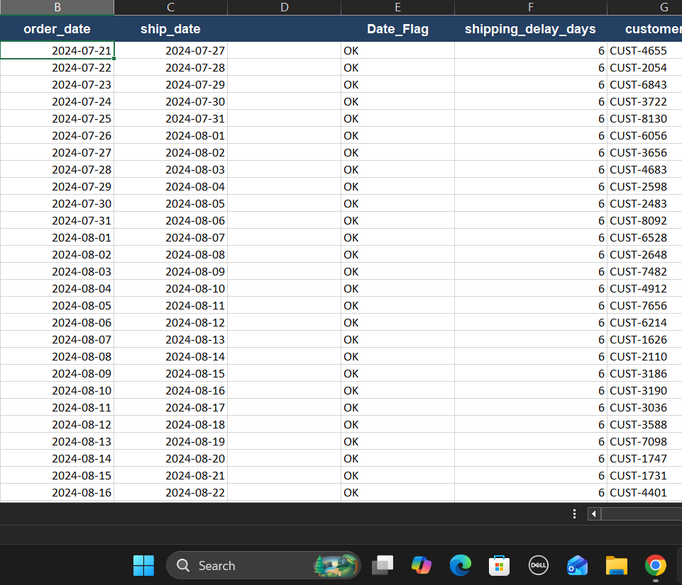
ORD-2025-10035 | 2025-01-31 | 2025-02-05 | CUST-2392 | Priya Menon | Home Office | East | West Bengal | Kolkata | Furniture | Chairs
ORD-2024-10036 | 29-05-2024 | 29 May 2024 | CUST-1611 | Sneha Kapoor | Small Business | West | Gujarat | Ahmedabad | Furniture | Bookcases
ORD-2024-10037 | 2024-10-25 | 28 Oct 2024 | CUST-8296 | Rohan Mehta | Corporate | West | Maharashtra | Mumbai | Furniture | Bookcases
ORD-2025-10038 | 29-07-2025 | 29-07-2025 | CUST-4646 | Diya Patel | Consumer | West | Maharashtra | Mumbai | Technology | Copiers
ORD-2024-10039 | 2024-06-17 | 22-06-2024 | CUST-8235 | Aarav Sharma | Corporate | West | Gujarat | Ahmedabad | Technology | Phones
ORD-2024-10040 | 12/11/2024 | 2024-12-11 | CUST-5830 | Mira Das | Small Business | West | Madhya Pradesh | Indore | Technology | Copiers
ORD-2024-10041 | 10-10-2024 | 16 Oct 2024 | CUST-7178 | Isha Nair | Home Office | West | Rajasthan | Udaipur | Technology | Copiers
ORD-2024-10042 | 03/12/2024 | 17-03-2024 | CUST-3829 | Aarav Sharma | Small Business | East | Odisha | Bhubaneswar | Furniture | Bookcases
ORD-2025-10043 | 2025-10-10 | 15 Oct 2025 | CUST-6708 | Arjun Bose | Corporate | East | Jharkhand | Ranchi | Technology | Phones
ORD-2024-10044 | 07/08/2024 | 07/14/2024 | CUST-7119 | Priya Menon | Small Business | East | Odisha | Bhubaneswar | Furniture | Furnishings
ORD-2024-10045 | 06/22/2024 | 25-06-2024 | CUST-3373 | Rohan Mehta | Small Business | North | Haryana | Gurugram | Furniture | Chairs
ORD-2024-10046 | 18 Jan 2024 | 24-01-2024 | CUST-8896 | Isha Nair | Home Office | East | Bihar | Patna | Office Supplies | Art
ORD-2024-10047 | 19-07-2024 | 19-07-2024 | CUST-8517 | Ananya Rao | Small Business | South | Kerala | Kochi | Furniture | Bookcases
ORD-2024-10048 | 12-08-2024 | 2024-08-12 | CUST-1987 | Rahul Verma | Corporate | South | Tamil Nadu | Chennai | Office Supplies | Storage
ORD-2025-10049 | 30 Jan 2025 | 05 Feb 2025 | CUST-8183 | Neha Gupta | Corporate | West | Maharashtra | Mumbai | Furniture | Chairs
ORD-2024-10050 | 2024-04-06 | 13 Apr 2024 | CUST-2380 | Aarav Sharma | Home Office | North | Uttar Pradesh | Noida | Technology | Copiers
ORD-2025-10051 | 05/11/2025 | 19 May 2025 | CUST-8787 | Sneha Kapoor | Consumer | East | West Bengal | Kolkata | Technology | Copiers
ORD-2024-10052 | 24 Apr 2024 | 29 Apr 2024 | CUST-3557 | Ananya Rao | Corporate | South | Telangana | Hyderabad | Office Supplies | Art
ORD-2024-10053 | 26-10-2024 | 2024-10-28 | CUST-2778 | Kabir Singh | Small Business | North | Rajasthan | Jaipur | Furniture | Chairs
ORD-2025-10054 | 31 Mar 2025 | 2025-03-31 | CUST-7195 | Kabir Singh | Home Office | West | Gujarat | Ahmedabad | Office Supplies | Storage
ORD-2025-10055 | 30 May 2025 | 2025-06-02 | CUST-9039 | Arjun Bose | Corporate | South | Tamil Nadu | Chennai | Office Supplies | Labels
ORD-2025-10056 | 01-07-2025 | 03-07-2025 | CUST-9821 | Mira Das | Small Business | South | Andhra Pradesh | Vijayawada | Technology | Machines
ORD-2025-10057 | 2025-01-05 | 06-01-2025 | CUST-8701 | Karan Malhotra | Consumer | South | Karnataka | Bengaluru | Office Supplies | Binders
ORD-2024-10058 | 2024-02-07 | 15 Feb 2024 | CUST-9941 | Priya Menon | Consumer | West | Goa | Panaji | Furniture | Chairs
ORD-2024-10059 | 2024-09-01 | 2024-09-07 | CUST-3983 | Isha Nair | Home Office | North | Rajasthan | Jaipur | Office Supplies | Storage
ORD-2024-10060 | 20-07-2024 | 25 Jul 2024 | CUST-2418 | Priya Menon | Corporate | East | Assam | Guwahati | Office Supplies | Labels
ORD-2024-10061 | 07/13/2024 | 2024-07-19 | CUST-2892 | Ananya Rao | Corporate | East | Assam | Guwahati | Office Supplies | Labels
ORD-2024-10062 | 16 Apr 2024 | 04/16/2024 | CUST-7008 | Vikram Iyer | Home Office | East | Bihar | Patna | Furniture | Bookcases
ORD-2024-10063 | 30 Oct 2024 | 02-11-2024 | CUST-4900 | Sneha Kapoor | Home Office | North | Rajasthan | Jaipur | Technology | Phones
ORD-2024-10064 | 2024-01-25 | 01-02-2024 | CUST-5382 | Sneha Kapoor | Home Office | North | Haryana | Gurugram | Office Supplies | Binders
ORD-2024-10065 | 2024-12-23 | 12/29/2024 | CUST-2749 | Aarav Sharma | Corporate | East | Jharkhand | Ranchi | Office Supplies | Paper
ORD-2024-10066 | 22 Apr 2024 | 2024-04-27 | CUST-2463 | Mira Das | Home Office | West | Maharashtra | Mumbai | Office Supplies | Paper
ORD-2025-10067 | 08/28/2025 | 01 Sep 2025 | CUST-1504 | Karan Malhotra | Small Business | South | Tamil Nadu | Chennai | Technology | Accessories
ORD-2025-10068 | 03 Feb 2025 | 07-02-2025 | CUST-8282 | Kabir Singh | Consumer | North | Haryana | Gurugram | Office Supplies | Paper
ORD-2024-10069 | 11/10/2024 | 13 Nov 2024 | CUST-6054 | Isha Nair | Corporate | East | Jharkhand | Ranchi | Office Supplies | Storage
ORD-2024-10070 | 09 Apr 2024 | 04/14/2024 | CUST-5979 | Neha Gupta | Small Business | West | Gujarat | Ahmedabad | Technology | Machines
...

