calendar-1
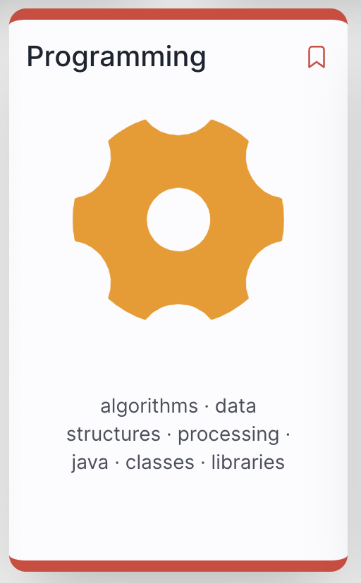
2026
Semester 1 |  | S | M | T | W | T | F | S | Modules
2015-09-01
 |  |  |  | 1 | 2 | 3 | 4 | 5
 | 1 | 6 | 7 | 8 | 9 | 10 | 11 | 12
 | 2 | 13 | 14 | 15 | 16 | 17 | 18 | 19
 | 3 | 20 | 21 | 22 | 23 | 24 | 25 | 26
2018-10-01 | reading-week | 27 | 28 | 29 | 30 | 1 | 2 | 3 | prog & web dev
 | 4 | 4 | 5 | 6 | 7 | 8 | 9 | 10 | prog & web dev
 | 5 | 11 | 12 | 13 | 14 | 15 | 16 | 17 | prog & web dev
 | 6 | 18 | 19 | 20 | 21 | 22 | 23 | 24 | prog & web dev
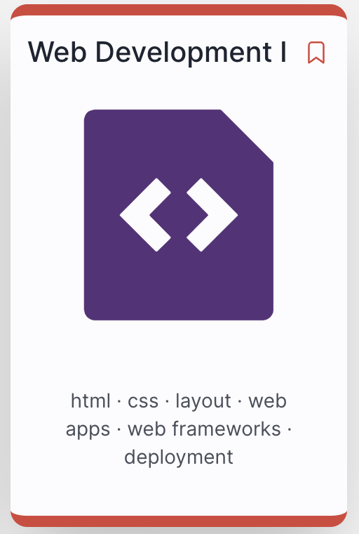
2018-11-01 | reading-week | 25 | 26 | 27 | 28 | 29 | 30 | 31
 | 7 | 1 | 2 | 4 | 4 | 5 | 6 | 7 | prog & web dev
 | 8 | 8 | 9 | 11 | 11 | 12 | 13 | 14 | prog & web dev
 | 9 | 15 | 16 | 18 | 18 | 19 | 20 | 21
 | 10 | 22 | 23 | 25 | 25 | 26 | 27 | 28 | prog & web dev
2018-12-01 | 11 | 29 | 30 | 1 | 2 | 3 | 4 | 5 | prog & web dev
 | 12 | 6 | 7 | 8 | 9 | 10 | 11 | 12 | prog & web dev
 |  | 13 | 14 | 15 | 16 | 17 | 18 | 19
 |  | 20 | 21 | 22 | 23 | 24 | 25 | 26
2018-01-01 |  | 27 | 28 | 29 | 30 | 31 | 1 | 2

