Confidence Interval
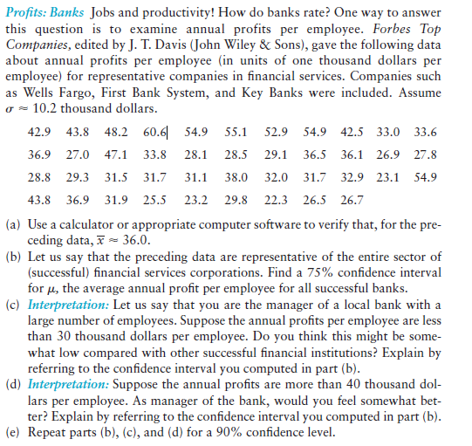
Annual Profit |  |  |  |  | SAMPLE |  |  | POPULATION
42.9 | a) | Mean |  | 36.00 | Mean |  | 36.87 |  | 36.00
36.9 |  | Std dev |  | 10.20 | Std dev |  | 10.24 |  | 10.12
28.8 |  |  |  |  | Variance |  | 104.81 |  | 102.32
43.8
43.8 |  |  |  |  | 16.17309505 |  |  | 1.561
27
29.3
36.9
48.2 | b) | z= | 1.150 | 0.75 | is approximately normal distribution. We know this from the central limit theorem.
47.1
31.5 |  |  |  | 1.81 |  | 34.19 | =M2-M12
31.9 |  |  |  |  |  | 37.81 | =M2+M12
60.6
33.8 | c) | We are %75 certain that the interval from 34.19 to 37.81 is an interval that contains the population mean time.
31.7 |  | 30 which is smaller than 34.19 (x-E) thousand dollars per employee is below %75 confidence interval.
25.5
54.9 | d) | 40 which is greater than 37.81 (x+E) thousand dollars per employee is above confidence interval of %75.
28.1
31.1 | e) | z= | 1.645 | 0.9
23.2
55.1 |  |  |  | 2.59 |  | 33.41 | =M2-M22
28.5 |  |  |  |  |  | 38.59 | =M2+M22
38
29.8
52.9 |  | Also 30 and 40 thousand dollars which are not in confidence interval of %90 are not very good but normal.
29.1
32
22.3
54.9
36.5
31.7
26.5
42.5
36.1
32.9
26.7
33
26.9
23.1
33.6
27.8
54.9

