s8
8) Describe any similarities or differences in the two distributions represented by the following boxplots. Assume the two boxplots have the same scale.
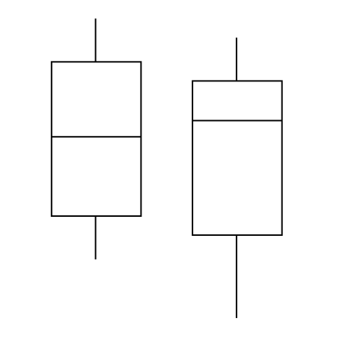

Both distributions are skewed to the right, and their ranges are the same.
The interquartile range of boxplot on the right shows more variability, implying its middle 50% of values are more spread than the middle 50% of values in boxplot on the left.
Therefore, there is more variation among the values in boxplot on the right than left. The median of boxplot on the left exceeds that of boxplot on the right. Neither distribution has outliers.

s14
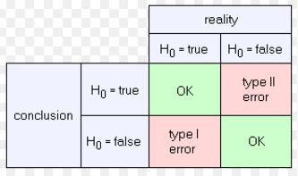

B) The error of rejecting the hypothesis that the mean is 30 miles per gallon when it really is 30 miles per gallon.

s15
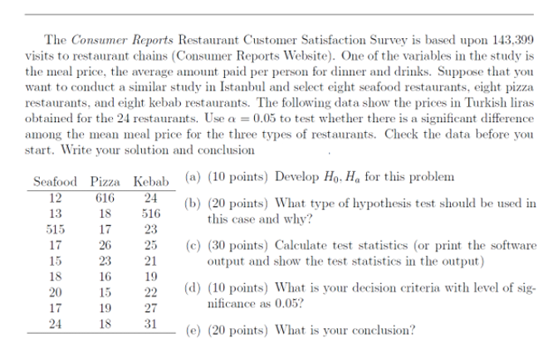
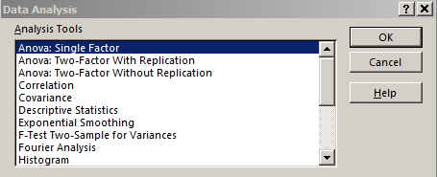
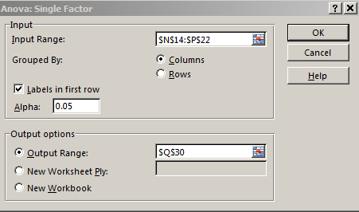
 |  |  |  |  |  |  |  |  | Seafood | Pizza | Kebab
 |  |  |  |  |  |  |  |  | 12 | 616 | 24
 |  |  |  |  |  |  |  |  | 13 | 18 | 516
 |  |  |  |  |  |  |  |  | 515 | 17 | 23
 |  |  |  |  |  |  |  |  | 17 | 26 | 25
 |  |  |  |  |  |  |  |  | 15 | 23 | 21
 |  |  |  |  |  |  |  |  | 18 | 16 | 19
 |  |  |  |  |  |  |  |  | 20 | 15 | 22
 |  |  |  |  |  |  |  |  | 17 | 19 | 17
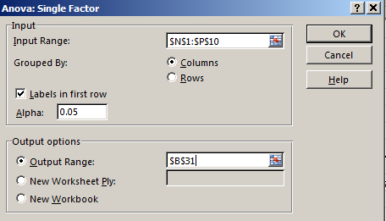
 |  |  |  |  |  |  |  |  | 24 | 18 | 31

 |  |  |  |  |  |  |  | Except Outliers
 |  |  |  |  |  |  |  |  | Seafood | Pizza | Kebab
 |  |  |  |  |  |  |  |  | 12 | 18 | 24
 |  |  |  |  |  |  |  |  | 13 | 17 | 23
 |  |  |  |  |  |  |  |  | 17 | 26 | 25
 |  |  |  |  |  |  |  |  | 15 | 23 | 21
 |  |  |  |  |  |  |  |  | 18 | 16 | 19
 |  |  |  |  |  |  |  |  | 20 | 15 | 22
 |  |  |  |  |  |  |  |  | 17 | 19 | 27
 |  |  |  |  |  |  |  |  | 24 | 18 | 31

With Outliers |  |  |  |  |  |  |  |  |  |  | Except Outliers
a) | H0: | There is not significance difference among the mean meal price for the three types of restaurants. |  |  |  |  |  |  |  |  | a) | H0: | There is not significance difference among the mean meal price for the three types of restaurants.
 | Ha: | There is significance difference among the mean meal price for the three types of restaurants. |  |  |  |  |  |  |  |  |  | Ha: | There is significance difference among the mean meal price for the three types of restaurants.

b) | This is a Single Factor ANOVA test because; |  |  |  |  |  |  |  |  |  | b) | This is a Single Factor ANOVA test because;
 | I am testing only whether different variations of a single factor have an effect on measured outcome.
 |  |  |  |  |  |  |  |  |  |  | c) | Anova: Single Factor
c) | Anova: Single Factor
 |  |  |  |  |  |  |  |  |  |  |  | SUMMARY
 | SUMMARY |  |  |  |  |  |  |  |  |  |  | Groups | Count | Sum | Average | Variance
 | Groups | Count | Sum | Average | Variance |  |  |  |  |  |  | Seafood | 8 | 136 | 17 | 14.857142857
 | Seafood | 9 | 651 | 72.333333333 | 27569 |  |  |  |  |  |  | Pizza | 8 | 152 | 19 | 13.714285714
 | Pizza | 9 | 768 | 85.333333333 | 39613 |  |  |  |  |  |  | Kebab | 8 | 192 | 24 | 14
 | Kebab | 9 | 698 | 77.555555556 | 27048.527778

 |  |  |  |  |  |  |  |  |  |  |  | ANOVA
 | ANOVA |  |  |  |  |  |  |  |  |  |  | Source of Variation | SS | df | MS | F | P-value | F crit
 | Source of Variation | SS | df | MS | F | P-value | F crit |  |  |  |  | Between Groups | 208 | 2 | 104 | 7.3288590604 | 0.0038520360774 | 3.4668001115
 | Between Groups | 770.2962963 | 2 | 385.14814815 | 0.01226189083 | 0.98781916403 | 3.4028261054 |  |  |  |  | Within Groups | 298 | 21 | 14.19047619
 | Within Groups | 753844.22222 | 24 | 31410.175926
 |  |  |  |  |  |  |  |  |  |  |  | Total | 506 | 23
 | Total | 754614.51852 | 26

d) |  |  |  |  |  |  |  |  |  |  | d)

e) | p value>alfa (0.9879> 0.05) so H0 accept |  |  |  |  |  |  |  |  |  | e) | p value<alfa (0.003852< 0.05) so H0 reject
 | There is not enough evidence to conclude that there is significance difference among the mean meal price for the three types of restaurants. |  |  |  |  |  |  |  |  |  |  | There is enough evidence to conclude that there is significance difference among the mean meal price for the three types of restaurants.

s16
YATIRBANK is conducting a study to identify differences between account practices of customers at two locations. A simple random sample of 28 accounts selected from the Emirgan branch. The current balances are provided below. The researcher in charge of the study tries to prove that the average account balance in Maslak is diffrent than Emirgan. It is known that population standard deveaitons for Maslak and Emirgan as 150 and 125 respectivelty. An excel file that includes the data is “Maslak_Emirgan_data.xlsx” | Maslak | Emirgan
 | 1218 | 997 | n1= | 28
(a) (10 points) Devolop appropiate hypotheses such that rejection of Ho will support the researcher. | 852 | 897 | n2= | 22
(b) (20 points) What type of hypothesis test should be used in this case and why? | 804 | 912 | x1= | 980
(c) (40 points) Calculate test statistics(or excel output and show the test statistics in the output) | 846 | 895 | x2= | 910.04545455
(d) (10 points) What is your decision criteria with level of significance as 0.05? | 919 | 785
(e) (20 points) What is you conclusion? | 765 | 751 | a) | H0: | M2=M1
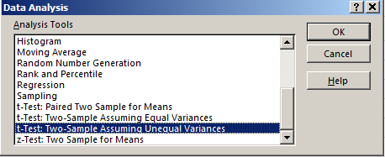
 | 832 | 882 |  | Ha: | M2<>M1
 | 854 | 1110 | b) | Both population standard deviation is known
 | 802 | 907
 | 1025 | 1226 | c) | t-Test: Two-Sample Assuming Unequal Variances
 | 1207 | 762
 | 875 | 836 |  |  | Maslak | Emirgan
 | 1211 | 1048 |  | Mean | 980 | 910.04545455
 | 1151 | 774 |  | Variance | 22500.296296 | 15624.140693
 | 1105 | 807 |  | Observations | 28 | 22
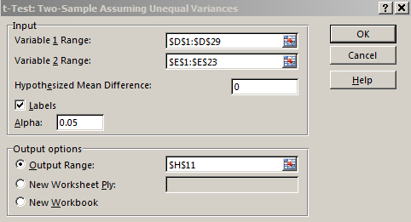
 | 979 | 972 |  | Hypothesized Mean Difference | 0
 | 971 | 980 |  | df | 48
 | 1081 | 877 |  | t Stat | 1.7979845678
 | 1244 | 943 |  | P(T<=t) one-tail | 0.03923521688
 | 1175 | 993 |  | t Critical one-tail | 1.6772241961
 | 867 | 704 |  | P(T<=t) two-tail | 0.07847043376
 | 981 | 963 |  | t Critical two-tail | 2.0106347576
 | 741
 | 944 |  | d) | We accept null hypotesis
 | 1088 |  |  | There is strong evidence to say that Maslak and Emirgan average account balance are same.
 | 945
 | 954 |  | e) | p value<alfa(0.05<0.07847)
 | 1004 |  |  | t>t alfa

s17
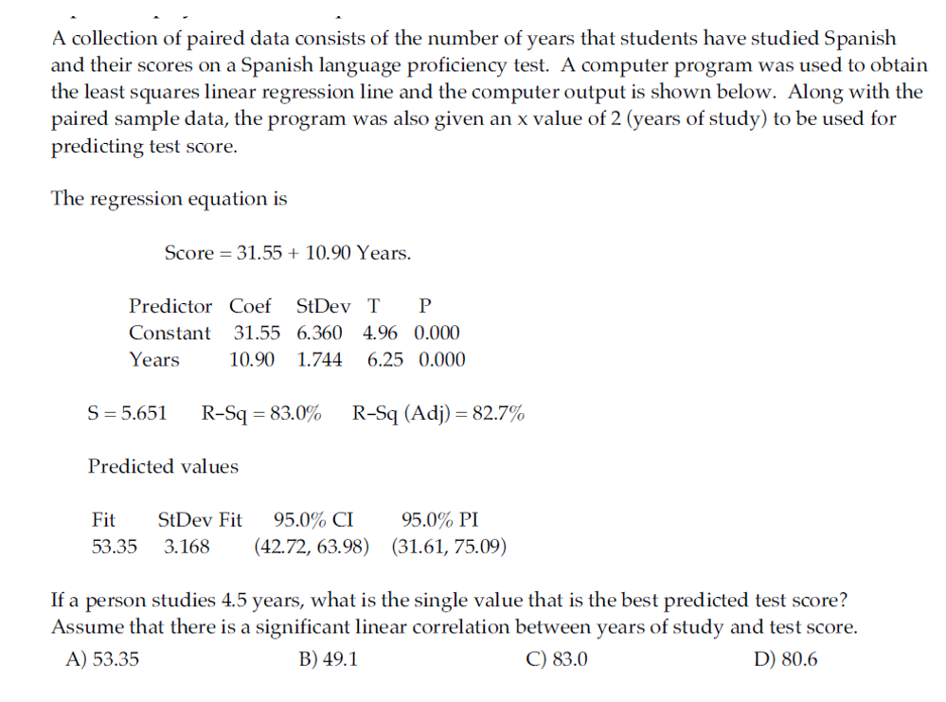

Score | 80.6 | =31.55+(10.9*4.5)

D) 80.6

s18
ACRES Residual Plot
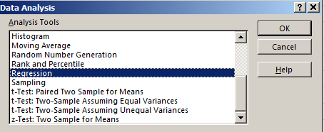
RAINFALL Residual Plot
CORNPROD | ACRES | RAINFALL | TREND | FPEA, the Farm Production Enhancement Agency, regressed corn output against acreage,rainfall, and a trend line. The trend line is proxy for technological advancement in farming from improved pest control, fertilization, land management, and farming implements. (data is provided in s18.xls) | SUMMARY OUTPUT
456 | 9896 | 29.1 | 1
421 | 9680 | 42.3 | 2 |  | Regression Statistics
653 | 10449 | 29.8 | 3 |  | Multiple R | 0.9400881306
TREND Residual Plot
573 | 10811 | 26 | 4 |  | R Square | 0.88376569329
546 | 10014 | 34.3 | 5 |  | Adjusted R Square | 0.86716079233
ACRES Line Fit Plot
499 | 10293 | 22.7 | 6 |  | Standard Error | 86.450243047
504 | 9413 | 24.2 | 7 |  | Observations | 25
RAINFALL Line Fit Plot
611 | 9860 | 31.6 | 8
646 | 9782 | 25.6 | 9 |  | ANOVA
TREND Line Fit Plot
789 | 12139 | 37.9 | 10 |  |  | df | SS | MS | F | Significance F
773 | 12166 | 33.9 | 11 |  | Regression | 3 | 1193313.465 | 397771.15501 | 53.223183654 | 5.4919612238E-10
Normal Probability Plot
753 | 9976 | 37.4 | 12 |  | Residual | 21 | 156946.53498 | 7473.6445229
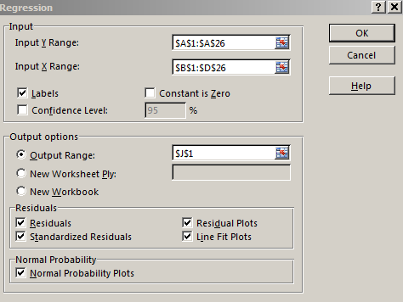
852 | 10645 | 27 | 13 |  | Total | 24 | 1350260
755 | 9738 | 31.5 | 14
815 | 9933 | 39.9 | 15 |  |  | Coefficients | Standard Error | t Stat | P-value | Lower 95% | Upper 95% | Lower 95.0% | Upper 95.0%
902 | 10132 | 25.3 | 16 |  | Intercept | -21.147083642 | 234.42355845 | -0.090208867152 | 0.92897611602 | -508.65756133 | 466.36339405 | -508.65756133 | 466.36339405
986 | 11145 | 30.4 | 17 |  | ACRES | 0.035724445763 | 0.021224738804 | 1.6831512554 | 0.1071551436 | -0.0084148149042 | 0.07986370643 | -0.0084148149042 | 0.07986370643
909 | 9775 | 32.7 | 18 |  | RAINFALL | 2.6215920608 | 3.3240891819 | 0.78866477924 | 0.43912120383 | -4.2912298229 | 9.5344139445 | -4.2912298229 | 9.5344139445
945 | 9549 | 35 | 19 |  | TREND | 27.597565496 | 2.7180894453 | 10.15329556 | 1.4833320465E-09 | 21.944989054 | 33.250141937 | 21.944989054 | 33.250141937
866 | 10077 | 33.8 | 20
1178 | 11550 | 29.4 | 21
1230 | 10600 | 37.1 | 22
1207 | 11280 | 42.9 | 23 |  | RESIDUAL OUTPUT |  |  |  |  | PROBABILITY OUTPUT
968 | 12100 | 32.2 | 24
1118 | 12420 | 30.5 | 25 |  | Observation | Predicted CORNPROD | Residuals | Standard Residuals |  | Percentile | CORNPROD
 |  |  |  |  | 1 | 436.26792609 | 19.73207391 | 0.24400711404 |  | 2 | 421
 |  |  |  |  | 2 | 490.7540265 | -69.754026504 | -0.86257931012 |  | 6 | 456
 |  |  |  |  | 3 | 513.05379003 | 139.94620997 | 1.7305768756 |  | 10 | 499
 |  |  |  |  | 4 | 543.62155506 | 29.378444938 | 0.36329427901 |  | 14 | 504
 |  |  |  |  | 5 | 564.50595139 | -18.50595139 | -0.22884486506 |  | 18 | 546
 |  |  |  |  | 6 | 571.66016935 | -72.660169348 | -0.89851671496 |  | 22 | 573
 |  |  |  |  | 7 | 571.75261066 | -67.752610664 | -0.83782977262 |  | 26 | 611
Significance F is smaller than 0.05. So regression |  |  |  |  | 8 | 634.71878467 | -23.718784665 | -0.29330683745 |  | 30 | 646
B) | CORNPROD = -21.1 + .036ACRES + 2.62RAINFALL + 27.6TREND;Yes, because the R2 is high |  |  |  | 9 | 643.80029103 | 2.1997089733 | 0.027201633278 |  | 34 | 653
 |  |  |  |  | 10 | 787.84595753 | 1.1540424672 | 0.014270905997 |  | 38 | 753
 |  |  |  |  | 11 | 805.92171482 | -32.921714821 | -0.40711040612 |  | 42 | 755
 |  |  |  |  | 12 | 764.45831631 | -11.458316309 | -0.14169370676 |  | 46 | 773
 |  |  |  |  | 13 | 788.69097859 | 63.309021412 | 0.78288028306 |  | 50 | 789
 |  |  |  |  | 14 | 795.68363605 | -40.683636051 | -0.50309443736 |  | 54 | 815
 |  |  |  |  | 15 | 852.26884178 | -37.268841781 | -0.46086704156 |  | 58 | 852
 |  |  |  |  | 16 | 848.7003279 | 53.299672104 | 0.65910452339 |  | 62 | 866
 |  |  |  |  | 17 | 925.85687646 | 60.143123541 | 0.74373074376 |  | 66 | 902
 |  |  |  |  | 18 | 910.541613 | -1.5416129997 | -0.019063608861 |  | 70 | 909
 |  |  |  |  | 19 | 936.09511549 | 8.9048845071 | 0.11011793182 |  | 74 | 945
 |  |  |  |  | 20 | 979.40927788 | -113.40927788 | -1.402420786 |  | 78 | 968
 |  |  |  |  | 21 | 1048.0939469 | 129.90605308 | 1.606420149 |  | 82 | 986
 |  |  |  |  | 22 | 1061.9395478 | 168.0604522 | 2.0782380054 |  | 86 | 1118
 |  |  |  |  | 23 | 1129.0349704 | 77.965029629 | 0.96411669464 |  | 90 | 1178
 |  |  |  |  | 24 | 1157.8755463 | -189.87554634 | -2.3480037781 |  | 94 | 1207
 |  |  |  |  | 25 | 1192.448228 | -74.448227979 | -0.92062787409 |  | 98 | 1230

s19
WEIGHT | CHEST | LENGTH | SEX | 19) Wildlife analyst gathered the data in the table to develop an equation to predict the weights of bears. He used WEIGHT as the dependent variable and CHEST, LENGTH, and SEX as the
344 | 45 | 67.5 | 1 | independent variables. For SEX, he used male = 1 and female = 2.
416 | 54 | 72 | 1
220 | 41 | 70 | 2 | He took his equation "to the forest" and found a male bear whose chest measured 70.3 inches and who was 64.0 inches long. (Use the regression equation and predict the expected weight. Do the calculations in excel file)
360 | 49 | 68.5 | 1
332 | 44 | 73 | 1 | SUMMARY OUTPUT
140 | 32 | 63 | 2
436 | 48 | 72 | 1 | Regression Statistics |  |  |  |  |  |  |  |  | EQUATION:
132 | 33 | 61 | 2 | Multiple R | 0.96294105853 |  |  |  |  |  |  |  | WEIGHT = -442.601 + 12.13CHEST + 3.58LENGTH -23.84SEX
356 | 48 | 64 | 2 | R Square | 0.92725548219
150 | 35 | 59 | 1 | Adjusted R Square | 0.89997628802 |  |  |  |  |  |  |  | CHEST | 70.3
202 | 40 | 63 | 2 | Standard Error | 35.217840676 |  |  |  |  |  |  |  | LENGTH | 64
365 | 50 | 70.5 | 1 | Observations | 12 |  |  |  |  |  |  |  | SEX | 1

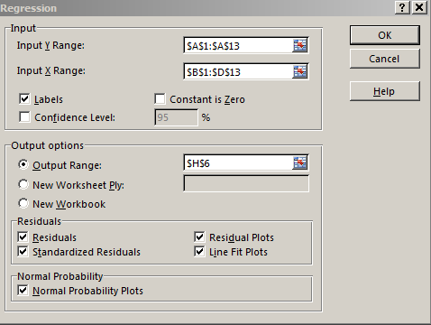
 |  |  |  | ANOVA
 |  |  |  |  | df | SS | MS | F | Significance F
 |  |  |  | Regression | 3 | 126477.87959 | 42159.293195 | 33.991307667 | 6.6876484461E-05 |  |  |  | WEIGHT = | 615.17661579 | =I22+(I23*T11)+(I24*T12)+(I25*T13)
 |  |  |  | Residual | 8 | 9922.3704149 | 1240.2963019
 |  |  |  | Total | 11 | 136400.25 |  |  |  |  |  |  | C) 615.18 Pounds

 |  |  |  |  | Coefficients | Standard Error | t Stat | P-value | Lower 95% | Upper 95% | Lower 95.0% | Upper 95.0%
 |  |  |  | Intercept | -442.60132638 | 196.22524671 | -2.255577882 | 0.054094391669 | -895.09755674 | 9.894903971 | -895.09755674 | 9.894903971
 |  |  |  | CHEST | 12.128514682 | 2.3502815007 | 5.1604519194 | 0.00086318045212 | 6.708755822 | 17.548273541 | 6.708755822 | 17.548273541
 |  |  |  | LENGTH | 3.5779273258 | 3.4012198045 | 1.051954161 | 0.32355493032 | -4.2652996081 | 11.42115426 | -4.2652996081 | 11.42115426
 |  |  |  | SEX | -23.843988789 | 25.113642373 | -0.94944367028 | 0.37019120477 | -81.756151951 | 34.068174373 | -81.756151951 | 34.068174373

 |  |  |  | RESIDUAL OUTPUT |  |  |  |  | PROBABILITY OUTPUT

 |  |  |  | Observation | Predicted WEIGHT | Residuals | Standard Residuals |  | Percentile | WEIGHT
 |  |  |  | 1 | 320.84793999 | 23.152060011 | 0.77086488739 |  | 4.1666666667 | 132
 |  |  |  | 2 | 446.10524509 | -30.10524509 | -1.002376305 |  | 12.5 | 140
 |  |  |  | 3 | 257.43471079 | -37.434710789 | -1.2464162629 |  | 20.833333333 | 150
 |  |  |  | 4 | 372.93992604 | -12.939926041 | -0.4308443666 |  | 29.166666667 | 202
 |  |  |  | 5 | 328.3980256 | 3.6019744 | 0.11993039017 |  | 37.5 | 220
 |  |  |  | 6 | 123.23258737 | 16.767412625 | 0.558283351 |  | 45.833333333 | 332
 |  |  |  | 7 | 373.334157 | 62.665843 | 2.0865053902 |  | 54.166666667 | 344
 |  |  |  | 8 | 128.2052474 | 3.7947525955 | 0.12634908215 |  | 62.5 | 356
 |  |  |  | 9 | 320.8667496 | 35.133250395 | 1.1697874443 |  | 70.833333333 | 360
 |  |  |  | 10 | 169.1504109 | -19.150410905 | -0.63762703356 |  | 79.166666667 | 365
 |  |  |  | 11 | 220.26070483 | -18.260704827 | -0.60800361452 |  | 87.5 | 416
 |  |  |  | 12 | 392.22429537 | -27.224295375 | -0.90645296266 |  | 95.833333333 | 436

s21
STEP 1: DEVELOP HYPOTHESES
H0 | M2=M1
H1 | M2<>M1
STEP 2: SPECIFY LEVEL of SIGNIFICANCE
level of significance | 0.05
STEP 3: TEST STATISTIC
Sample sizes | 35 | 40
Sample means | 19.4 | 15.1
Sample standard deviations | 1.4 | 0.8
Hypothesized value | 4.3
Standard error | 0.2683 | =SQRT(((C9^2)/C7)+((D9^2)/D7))
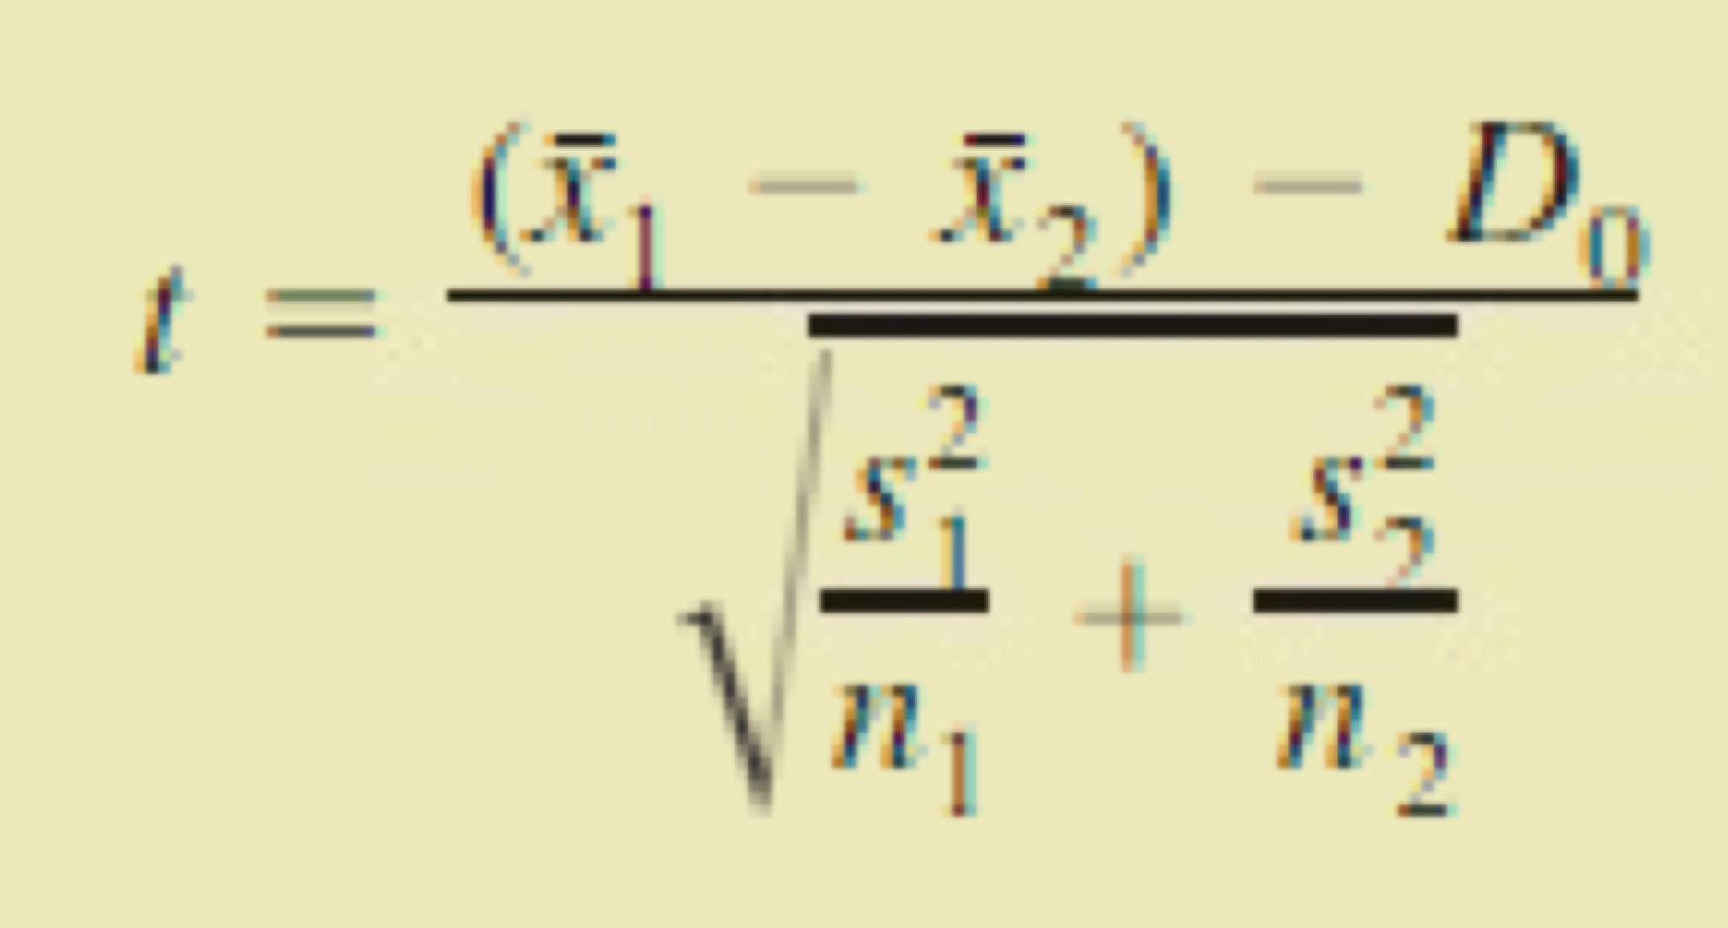
Test statistic=t (sigmas unknown) | 16.0252 | =(C8-D8)/C11
tail | 2-tailed
degrees of freedom | 73 | =C7+D7-2
STEP 4a: p-Value Approach
p-value(lower tail)
p-value(upper tail) | 0.0000 | =TDIST(C12, C14,2)
p-value(two tail) | 0.0000 | =C17*2
Decision rule
STEP 4b:Critical Value Approach
T_alpha | -1.6659962238
T_alpha/2 | -1.9929971259
Decision rule | reject null if t statistic>t alpha

STEP 5: Decision
REJECT NULL
Conclusion
We have not enough evidence to the two brands have equal means

bonus1
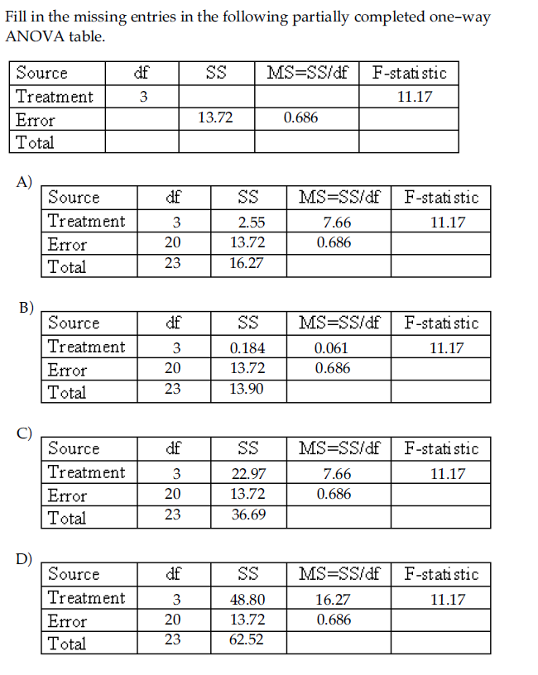
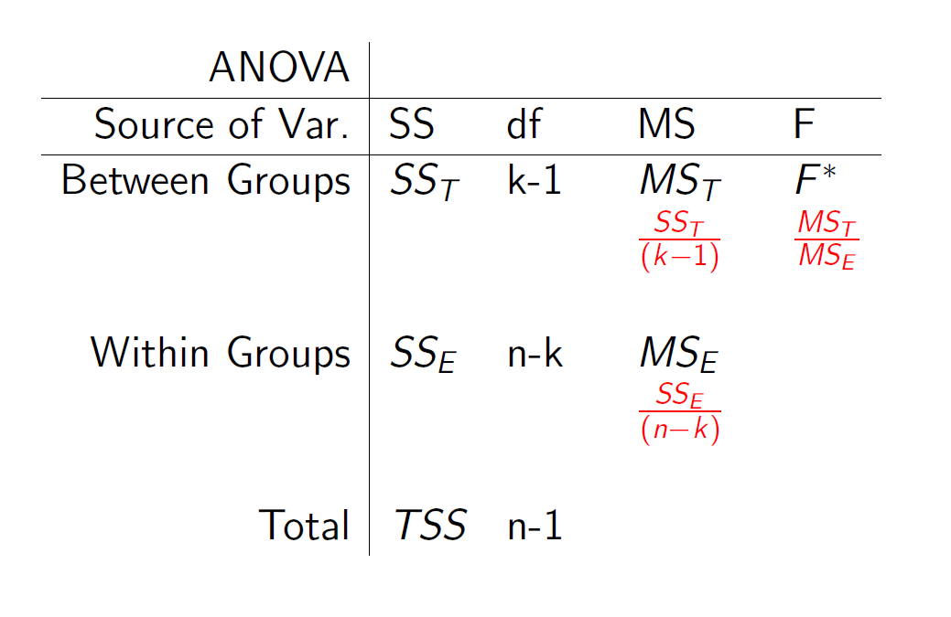

F=MS Between/MS within | SS_between = MS_between*df | TSS = SS between + SS within
=MS between/0.686=11.17 | So; | So;
So; | =7.66262*3 | =22.98786+ 13.72
=11.17*0.686 | 22.98786 | 36.70786
7.66262

Answer:C

bonus5
INTERVAL Residual Plot
86
86
62
104
62
95
79
62
94
79
86
85
86
58
89
79
83
82
84
82
82
78
87
70
56
81
Bonus5) Use computer software to obtain the regression and identify R2, adjusted R2, and the P-value. A visitor to Yellowstone National Park sat down one day and observed Old Faithful, which
faithfully spurts throughout the day, day in and day out. He surmised that the height of a given
spurt was caused by the pressure build-up during the interval between spurts and by the
momentum build-up during the duration of the spurt. He wrote down the data to test his
DURATION Residual Plot
240
237
122
267
113
258
232
105
276
248
243
241
214
114
272
227
237
238
203
270
270
218
270
241
102
271
hypothesis, but he didn't know what to do with his data. Can you help him out with his theory?
Interpret the statistics. An excel file that includes the data is Bonus5.xls
INTERVAL Line Fit Plot
 | HEIGHT | Predicted HEIGHT
86 | 150
86 | 154
62 | 140
104 | 140
62 | 160
95 | 140
79 | 150
62 | 150
94 | 160
79 | 155
86 | 125
85 | 136
86 | 140
58 | 155
89 | 130
79 | 125
83 | 125
82 | 139
84 | 125
82 | 140
82 | 140
78 | 140
87 | 135
70 | 140
56 | 100
81 | 105
DURATION Line Fit Plot
 | HEIGHT | Predicted HEIGHT
240 | 150
237 | 154
122 | 140
267 | 140
113 | 160
258 | 140
232 | 150
105 | 150
276 | 160
248 | 155
243 | 125
241 | 136
214 | 140
114 | 155
272 | 130
227 | 125
237 | 125
238 | 139
203 | 125
270 | 140
270 | 140
218 | 140
270 | 135
241 | 140
102 | 100
271 | 105
HEIGHT | INTERVAL | DURATION | SUMMARY OUTPUT
150 | 86 | 240
154 | 86 | 237 | Regression Statistics
Normal Probability Plot
140 | 62 | 122 | Multiple R | 0.15708294035
140 | 104 | 267 | R Square | 0.024675050147
160 | 62 | 113 | Adjusted R Square | -0.060135815057
140 | 95 | 258 | Standard Error | 15.338840207
150 | 79 | 232 | Observations | 26
150 | 62 | 105
160 | 94 | 276 | ANOVA
155 | 79 | 248 |  | df | SS | MS | F | Significance F
125 | 86 | 243 | Regression | 2 | 136.90571958 | 68.452859791 | 0.29094208729 | 0.75026958639
136 | 85 | 241 | Residual | 23 | 5411.4404343 | 235.28001888
140 | 86 | 214 | Total | 25 | 5548.3461538
155 | 58 | 114
130 | 89 | 272 |  | Coefficients | Standard Error | t Stat | P-value | Lower 95% | Upper 95% | Lower 95.0% | Upper 95.0%
125 | 79 | 227 | Intercept | 126.31647899 | 24.385993822 | 5.1798782494 | 2.9890283605E-05 | 75.870207282 | 176.7627507 | 75.870207282 | 176.7627507
125 | 83 | 237 | INTERVAL | 0.37038642924 | 0.5168069119 | 0.71668242184 | 0.48078497354 | -0.69871012218 | 1.4394829807 | -0.69871012218 | 1.4394829807
139 | 82 | 238 | DURATION | -0.079336894273 | 0.10568047913 | -0.75072421066 | 0.46043082146 | -0.29795362169 | 0.13927983314 | -0.29795362169 | 0.13927983314
125 | 84 | 203
140 | 82 | 270
140 | 82 | 270 | It is not explained the change in the depending variable with independent variables that I have received from the model.(Interval and Duration)
140 | 78 | 218 | The significance F value (0.75) is generally used to test the meaning of the model. If we are looking at a 95% level of significance, the value of p must be less than 0.05.
135 | 87 | 270
140 | 70 | 241
100 | 56 | 102
105 | 81 | 271

