Результат разбор
Photo | ImgName | Style | Sizes | Colors | Fabric
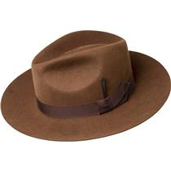 | 61442BH_COPPER | 61442BH NILSON | S, M, L, XL | Copper | 100% Пуховый фетр
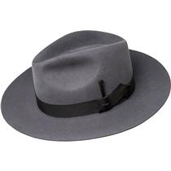 | 61442BH_SLATE | 61442BH NILSON | S, M, L, XL | Slate | 100% Пуховый фетр
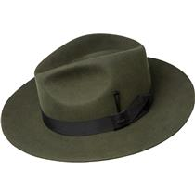 | 61442BH_UNIFORMGREEN | 61442BH NILSON | S, M, L, XL | Uniform Green | 100% Пуховый фетр
 | 61424BH_BLACK | 61424BH RALAT | S, M, L, XL | Black | 100% Пуховый фетр
 | 61424BH_CHARCOAL | 61424BH RALAT | S, M, L, XL | Charcoal | 100% Пуховый фетр
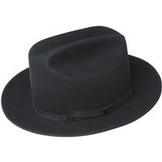 | 61432BH_BLACK | 61432BH THE ARCHITECT | S, M, L, XL | Black | 100% Пуховый фетр
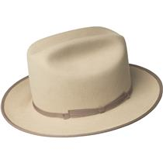 | 61432BH_BUCKSKIN | 61432BH THE ARCHITECT | S, M, L, XL | Buckskin | 100% Пуховый фетр
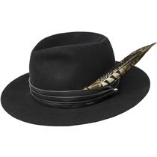 | 61430BH_BLACK | 61430BH TRINELL | S, M, L, XL | Black | 100% Пуховый фетр
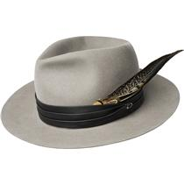 | 61430BH_LIGHTMINK | 61430BH TRINELL | S, M, L, XL | Light Mink | 100% Пуховый фетр
 | 61428BH_BLACK | 61428BH GIRVIN | S, M, L, XL | Black | 100% Пуховый фетр
 | 61428BH_CHOCOLATE | 61428BH GIRVIN | S, M, L, XL | Chocolate | 100% Пуховый фетр
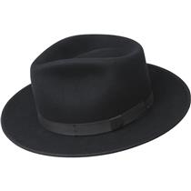 | 61433BH_BLACK | 61433BH CAVALIER | S, M, L, XL | Black | 100% Пуховый фетр
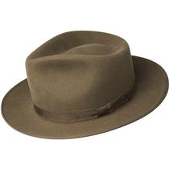 | 61433BH_MAPLE | 61433BH CAVALIER | S, M, L, XL | Maple | 100% Пуховый фетр
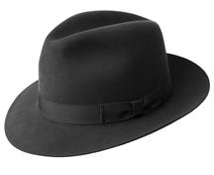 | 6140_BLACK | 6140 DRAPER III | 6 7/8, 7, 7 1/8, 7 1/4, 7 3/8, 7 1/2, 7 5/8 | Black | 100% Пуховый фетр
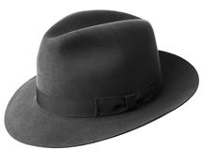 | 6140_CHARCOAL | 6140 DRAPER III | 6 7/8, 7, 7 1/8, 7 1/4, 7 3/8, 7 1/2, 7 5/8 | Charcoal | 100% Пуховый фетр
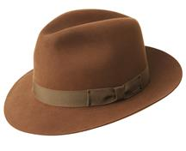 | 6140_COGNAC | 6140 DRAPER III | 6 7/8, 7, 7 1/8, 7 1/4, 7 3/8, 7 1/2, 7 5/8 | Cognac | 100% Пуховый фетр
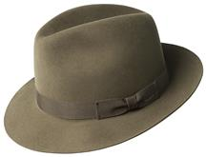 | 6140_OLIVE | 6140 DRAPER III | 6 7/8, 7, 7 1/8, 7 1/4, 7 3/8, 7 1/2, 7 5/8 | Olive | 100% Пуховый фетр
 | 47009BH_AUBERGINE | 47009BH FLUME | S, M, L, XL | Aubergine | 100% Пуховый фетр
 | 47009BH_BLACK | 47009BH FLUME | S, M, L, XL | Black | 100% Пуховый фетр
 | 47009BH_MINK | 47009BH FLUME | S, M, L, XL | Mink | 100% Пуховый фетр
 | #VALUE! | 61426BH AUMAN | S, M, L, XL | #VALUE! | 100% Пуховый фетр
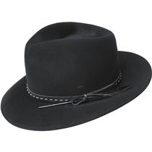 | 37188BH_BLACK | 37188BH COLBY | S, M, L, XL | Black | 100% Фетр
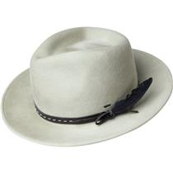 | 37188BH_NICKEL | 37188BH COLBY | S, M, L, XL | Nickel | 100% Фетр
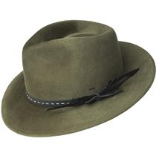 | 37188BH_SOFTKHAKI | 37188BH COLBY | S, M, L, XL | Soft Khaki | 100% Фетр
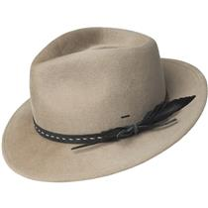 | 37188BH_STUCCO | 37188BH COLBY | S, M, L, XL | Stucco | 100% Фетр
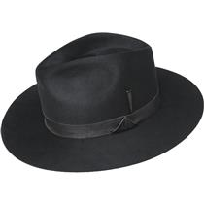 | 37189BH_BLACK | 37189BH GODWIN | S, M, L, XL | Black | 100% Фетр
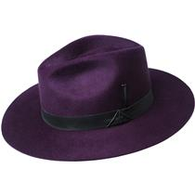 | 37189BH_EGGPLANT | 37189BH GODWIN | S, M, L, XL | Eggplant | 100% Фетр
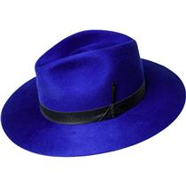 | 37189BH_LAZULIBLUE | 37189BH GODWIN | S, M, L, XL | Lazuli Blue | 100% Фетр
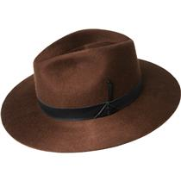 | 37189BH_OAK | 37189BH GODWIN | S, M, L, XL | Oak | 100% Фетр
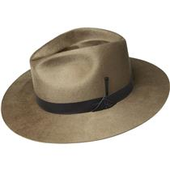 | 37189BH_TAUPE | 37189BH GODWIN | S, M, L, XL | Taupe | 100% Фетр
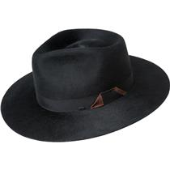 | 37190BH_BLACK | 37190BH TREVEL | S, M, L, XL | Black | 100% Фетр
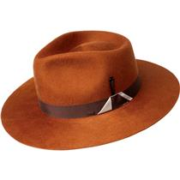 | 37190BH_COPPER | 37190BH TREVEL | S, M, L, XL | Copper | 100% Фетр
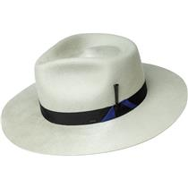 | 37190BH_NICKEL | 37190BH TREVEL | S, M, L, XL | Nickel | 100% Фетр
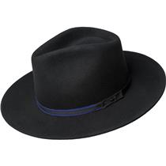 | 20009BH_BLACK | 20009BH COLTER | S, M, L, XL | Black | 100% Фетр
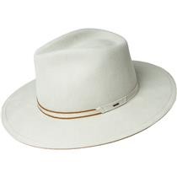 | 20009BH_NICKEL | 20009BH COLTER | S, M, L, XL | Nickel | 100% Фетр
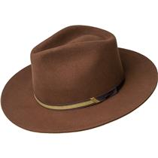 | 20009BH_OAK | 20009BH COLTER | S, M, L, XL | Oak | 100% Фетр
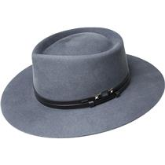 | 30003BH_AVION | 30003BH LANG | S, M, L, XL | Avion | 100% Фетр
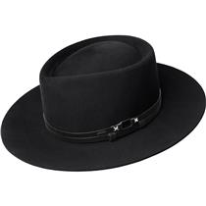 | 30003BH_BLACK | 30003BH LANG | S, M, L, XL | Black | 100% Фетр
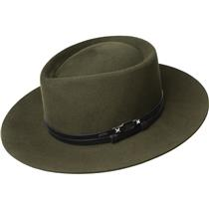 | 30003BH_UNIFORMGREEN | 30003BH LANG | S, M, L, XL | Uniform Green | 100% Фетр
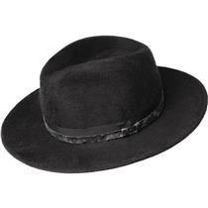 | 37192BH_BLACK | 37192BH CROFT | S, M, L, XL | Black | 100% Пуховый фетр
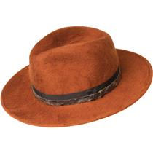 | 37192BH_COPPER | 37192BH CROFT | S, M, L, XL | Copper | 100% Пуховый фетр
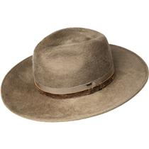 | 37192BH_TAUPE | 37192BH CROFT | S, M, L, XL | Taupe | 100% Пуховый фетр
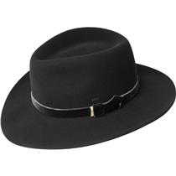 | 37191BH_BLACK | 37191BH LEVON | S, M, L, XL | Black | 100% Пуховый фетр
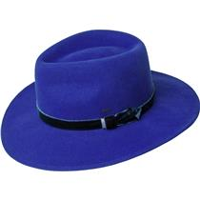 | 37191BH_LAZULIBLUE | 37191BH LEVON | S, M, L, XL | Lazuli Blue | 100% Пуховый фетр
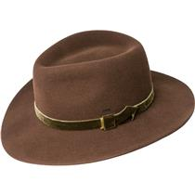 | 37191BH_OAK | 37191BH LEVON | S, M, L, XL | Oak | 100% Пуховый фетр
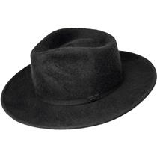 | 37193BH_BLACK | 37193BH CONLON | S, M, L, XL | Black | 100% Пуховый фетр
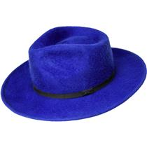 | 37193BH_LAZULIBLUE | 37193BH CONLON | S, M, L, XL | Lazuli Blue | 100% Пуховый фетр
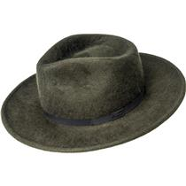 | 37193BH_UNIFORMGREEN | 37193BH CONLON | S, M, L, XL | Uniform Green | 100% Пуховый фетр
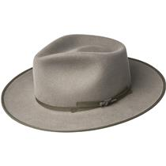 | 20001BH_GREIGE | 20001BH COLVER | S, M, L, XL | Greige | 100% Фетр
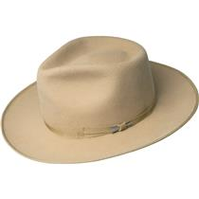 | 20001BH_HONEY | 20001BH COLVER | S, M, L, XL | Honey | 100% Фетр
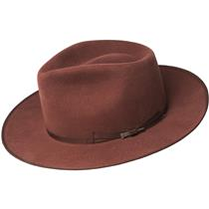 | 20001BH_OCHRE | 20001BH COLVER | S, M, L, XL | Ochre | 100% Фетр
 | 20001BH_SILVERLINING | 20001BH COLVER | S, M, L, XL | Silver Lining | 100% Фетр
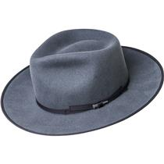 | 20001BH_AVION | 20001BH COLVER | S, M, L, XL | Avion | 100% Фетр
 | 20001BH_BLACK | 20001BH COLVER | S, M, L, XL | Black | 100% Фетр
 | 20001BH_CHESTNUT | 20001BH COLVER | S, M, L, XL | Chestnut | 100% Фетр
 | 37172BH_PEACOAT | 37172BH BOGAN | S, M, L, XL | Peacoat | 100% Фетр
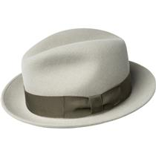 | 37172BH_PLAZATAUPE | 37172BH BOGAN | S, M, L, XL | Plaza Taupe | 100% Фетр
 | 37172BH_SADDLE | 37172BH BOGAN | S, M, L, XL | Saddle | 100% Фетр
 | 37172BH_STEEL | 37172BH BOGAN | S, M, L, XL | Steel | 100% Фетр
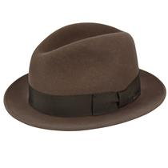 | 37172BH_ALMOND | 37172BH BOGAN | S, M, L, XL | Almond | 100% Фетр
 | 37172BH_BLACK | 37172BH BOGAN | S, M, L, XL | Black | 100% Фетр
 | 37172BH_CAMEL | 37172BH BOGAN | S, M, L, XL | Camel | 100% Фетр
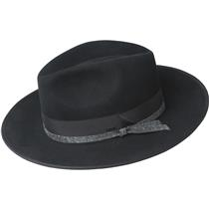 | 20007BH_BLACK | 20007BH CLORINDON | S, M, L, XL | Black | 100% Фетр
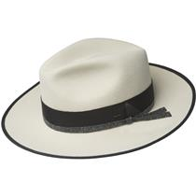 | 20007BH_UNBLEACHED | 20007BH CLORINDON | S, M, L, XL | Unbleached | 100% Фетр
 | 37180BH_BLACK | 37180BH STEDMAN | S, M, L, XL, XXL | Black | 100% Пуховый фетр
 | 37180BH_CAMEL | 37180BH STEDMAN | S, M, L, XL, XXL | Camel | 100% Пуховый фетр
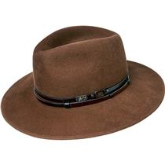 | 37180BH_OAK | 37180BH STEDMAN | S, M, L, XL, XXL | Oak | 100% Пуховый фетр
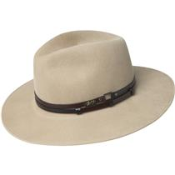 | 37180BH_STUCCO | 37180BH STEDMAN | S, M, L, XL, XXL | Stucco | 100% Пуховый фетр
 | 30002BH_BEECH | 30002BH BARKSDALE | S, M, L, XL | Beech | 100% Фетр
 | 30002BH_BLACK | 30002BH BARKSDALE | S, M, L, XL | Black | 100% Фетр
 | 30002BH_WHISKEY | 30002BH BARKSDALE | S, M, L, XL | Whiskey | 100% Фетр
 | 30001BH_BLACK | 30001BH WALSH | S, M, L, XL | Black | 100% Фетр
 | 30001BH_PLAZATAUPE | 30001BH WALSH | S, M, L, XL | Plaza Taupe | 100% Фетр
 | 37186BH_BLACK | 37186BH ERNEST | S, M, L, XL | Black | 100% Фетр
 | 37186BH_MIDNIGHTBROWN | 37186BH ERNEST | S, M, L, XL | Midnight Brown | 100% Фетр
 | 37186BH_UNBLEACHED | 37186BH ERNEST | S, M, L, XL | Unbleached | 100% Фетр
 | 37185BH_AVION | 37185BH ELLETT | S, M, L, XL | Avion | 100% Фетр
 | 37185BH_BLACK | 37185BH ELLETT | S, M, L, XL | Black | 100% Фетр
 | 37185BH_SOFTKHAKI | 37185BH ELLETT | S, M, L, XL | Soft Khaki | 100% Фетр
 | 20006BH_INKBLUE | 20006BH DEVERS | S, M, L, XL | Ink Blue | 100% Фетр
 | 20006BH_PLAZATAUPE | 20006BH DEVERS | S, M, L, XL | Plaza Taupe | 100% Фетр
 | 37173BH_PEACOAT | 37173BH AMMON | S, M, L, XL | Peacoat | 100% Фетр
 | 37173BH_PLAZATAUPE | 37173BH AMMON | S, M, L, XL | Plaza Taupe | 100% Фетр
 | 37173BH_SADDLE | 37173BH AMMON | S, M, L, XL | Saddle | 100% Фетр
 | 37173BH_STEEL | 37173BH AMMON | S, M, L, XL | Steel | 100% Фетр
 | 37173BH_ALMOND | 37173BH AMMON | S, M, L, XL | Almond | 100% Фетр
 | 37173BH_BLACK | 37173BH AMMON | S, M, L, XL | Black | 100% Фетр
 | 37173BH_CAMEL | 37173BH AMMON | S, M, L, XL | Camel | 100% Фетр
 | 37173BH_HENNA | 37173BH AMMON | S, M, L, XL | Henna | 100% Фетр
 | 37171BH_PEACOAT | 37171BH WINTERS | S, M, L, XL | Peacoat | 100% Фетр
 | 37171BH_PLAZATAUPE | 37171BH WINTERS | S, M, L, XL | Plaza Taupe | 100% Фетр
 | 37171BH_SADDLE | 37171BH WINTERS | S, M, L, XL | Saddle | 100% Фетр
 | 37171BH_STEEL | 37171BH WINTERS | S, M, L, XL | Steel | 100% Фетр
 | 37171BH_ALMOND | 37171BH WINTERS | S, M, L, XL | Almond | 100% Фетр
 | 37171BH_BLACK | 37171BH WINTERS | S, M, L, XL | Black | 100% Фетр
 | 37171BH_CAMEL | 37171BH WINTERS | S, M, L, XL | Camel | 100% Фетр
 | 37161BH_NAVY | 37161BH PERRY | S, M, L, XL | Navy | 100% Фетр
 | 37161BH_SERPENT | 37161BH PERRY | S, M, L, XL | Serpent | 100% Фетр
 | 37161BH_WALNUT | 37161BH PERRY | S, M, L, XL | Walnut | 100% Фетр
 | 37158BH_BLACK | 37158BH BRANDT | S, M, L, XL, XXL, XXXL | Black | 100% Фетр
 | 37158BH_BLACKMIX | 37158BH BRANDT | S, M, L, XL, XXL, XXXL | Black Mix | 100% Фетр
 | 37158BH_BLUESTONE | 37158BH BRANDT | S, M, L, XL, XXL, XXXL | Bluestone | 100% Фетр
 | 37158BH_WALNUT | 37158BH BRANDT | S, M, L, XL, XXL, XXXL | Walnut | 100% Фетр
 | 70657BH_AVION | 70657BH FALCON | S, M, L, XL | Avion | 100% Фетр
 | 70657BH_BLACK | 70657BH FALCON | S, M, L, XL | Black | 100% Фетр
 | 70658BH_BLACK | 70658BH MOLIN | S, M, L, XL | Black | 100% Фетр
 | 70658BH_OAK | 70658BH MOLIN | S, M, L, XL | Oak | 100% Фетр
 | 70659BH_BLACK | 70659BH COLVIN | S, M, L, XL | Black | 100% Фетр
 | 70659BH_HONEY | 70659BH COLVIN | S, M, L, XL | Honey | 100% Фетр
 | 70659BH_UNIFORMGREEN | 70659BH COLVIN | S, M, L, XL | Uniform Green | 100% Фетр
 | 70660BH_BLACK | 70660BH ERLER | S, M, L, XL | Black | 100% Фетр
 | 70660BH_NICKEL | 70660BH ERLER | S, M, L, XL | Nickel | 100% Фетр
 | 70660BH_SATINBRASS | 70660BH ERLER | S, M, L, XL | Satin Brass | 100% Фетр
 | 70660BH_UNIFORMGREEN | 70660BH ERLER | S, M, L, XL | Uniform Green | 100% Фетр
 | 70656BH_BLACK | 70656BH ACKER | S, M, L, XL | Black | 100% Фетр
 | 70656BH_MIDNIGHTBROWN | 70656BH ACKER | S, M, L, XL | Midnight Brown | 100% Фетр
 | 70656BH_UNBLEACHED | 70656BH ACKER | S, M, L, XL | Unbleached | 100% Фетр
 | 70655BH_BLACK | 70655BH LUND | S, M, L, XL | Black | 100% Фетр
 | 70655BH_OCHRE | 70655BH LUND | S, M, L, XL | Ochre | 100% Фетр
 | 7006_BLACK | 7006 BRIAR | S, M, L, XL | Black | 100% Фетр
 | 7006_UNBLEACHED | 7006 BRIAR | S, M, L, XL | Unbleached | 100% Фетр
 | 7006_WOODLANDMIX | 7006 BRIAR | S, M, L, XL | Woodland Mix | 100% Фетр
 | 7034_NAVY | 7034 BLIXEN | S, M, L, XL, XXL | Navy | 100% Фетр
 | 7034_NICKEL | 7034 BLIXEN | S, M, L, XL, XXL | Nickel | 100% Фетр
 | 7034_SATINBRASS | 7034 BLIXEN | S, M, L, XL, XXL | Satin Brass | 100% Фетр
 | 7034_SILVERBELLY | 7034 BLIXEN | S, M, L, XL, XXL | Silverbelly | 100% Фетр
 | 7034_VINTAGEBLUE | 7034 BLIXEN | S, M, L, XL, XXL | Vintage Blue | 100% Фетр
 | 7034_BLACK | 7034 BLIXEN | S, M, L, XL, XXL | Black | 100% Фетр
 | 7034_COGNAC | 7034 BLIXEN | S, M, L, XL, XXL | Cognac | 100% Фетр
 | 7034_COPPER | 7034 BLIXEN | S, M, L, XL, XXL | Copper | 100% Фетр
 | 7034_MEDIUMBROWNMIX | 7034 BLIXEN | S, M, L, XL, XXL | Medium Brown Mix | 100% Фетр
 | 7034_BASALT | 7034 BLIXEN | S, M, L, XL, XXL | Basalt | 100% Фетр
 | 7034_AVION | 7034 BLIXEN | S, M, L, XL, XXL | Avion | 100% Фетр
 | 70613BH_BLUESTONE | 70613BH SPERLING | S, M, L, XL | Bluestone | 100% Фетр
 | 70613BH_SERPENT | 70613BH SPERLING | S, M, L, XL | Serpent | 100% Фетр
 | 70613BH_WOODLANDMIX | 70613BH SPERLING | S, M, L, XL | Woodland Mix | 100% Фетр
 | 7005_SEABREEZE | 7005 CURTIS | S, M, L, XL, XXL | Sea Breeze | 100% Фетр
 | 7005_SERPENT | 7005 CURTIS | S, M, L, XL, XXL | Serpent | 100% Фетр
 | 7005_SPECKLEDEGGMIX | 7005 CURTIS | S, M, L, XL, XXL | Speckled Egg Mix | 100% Фетр
 | 7005_UNIFORMGREEN | 7005 CURTIS | S, M, L, XL, XXL | Uniform Green | 100% Фетр
 | 7005_VINTAGEBLUE | 7005 CURTIS | S, M, L, XL, XXL | Vintage Blue | 100% Фетр
 | 7005_ANTIQUE | 7005 CURTIS | S, M, L, XL, XXL | Antique | 100% Фетр
 | 7005_BLACK | 7005 CURTIS | S, M, L, XL, XXL | Black | 100% Фетр
 | 7005_CONTRAPPOSTO | 7005 CURTIS | S, M, L, XL, XXL | Contrapposto | 100% Фетр
 | 7005_GREY | 7005 CURTIS | S, M, L, XL, XXL | Grey | 100% Фетр
 | 7005_NAVY | 7005 CURTIS | S, M, L, XL, XXL | Navy | 100% Фетр
 | 7021_BLACK | 7021 DARRON | S, M, L, XL, XXL | Black | 100% Фетр
 | 7021_CARAMEL | 7021 DARRON | S, M, L, XL, XXL | Caramel | 100% Фетр
 | 7021_GUNMETAL | 7021 DARRON | S, M, L, XL, XXL | Gun Metal | 100% Фетр
 | 7021_SATINBRASS | 7021 DARRON | S, M, L, XL, XXL | Satin Brass | 100% Фетр
 | 7021_SOFTKHAKI | 7021 DARRON | S, M, L, XL, XXL | Soft Khaki | 100% Фетр
 | 70653BH_NATURALMIX | 70653BH BURNELL | S, M, L, XL | Natural Mix | 100% Фетр
 | 70653BH_OCHRE | 70653BH BURNELL | S, M, L, XL | Ochre | 100% Фетр
 | 7002_BLACK | 7002 FEDORA | S, M, L, XL | Black | 100% Фетр
 | 7002_GRAPHITE | 7002 FEDORA | S, M, L, XL | Graphite | 100% Фетр
 | 7002_NICKEL | 7002 FEDORA | S, M, L, XL | Nickel | 100% Фетр
 | 7002_RED | 7002 FEDORA | S, M, L, XL | Red | 100% Фетр
 | 70654BH_INKBLUE | 70654BH TREPORT | S, M, L, XL | Ink Blue | 100% Фетр
 | 70654BH_OLIVEMIX | 70654BH TREPORT | S, M, L, XL | Olive Mix | 100% Фетр
 | 70654BH_RUST | 70654BH TREPORT | S, M, L, XL | Rust | 100% Фетр
 | 70646BH_BLACK | 70646BH NELLES | S, M, L, XL | Black | 100% Фетр
 | 70646BH_CAMEL | 70646BH NELLES | S, M, L, XL | Camel | 100% Фетр
 | 70646BH_PALEOLIVE | 70646BH NELLES | S, M, L, XL | Pale Olive | 100% Фетр
 | 70646BH_WHISKEY | 70646BH NELLES | S, M, L, XL | Whiskey | 100% Фетр
 | 70652BH_BLACK | 70652BH MARACK | S, M, L, XL | Black | 100% Фетр
 | 70652BH_OXFORDMIX | 70652BH MARACK | S, M, L, XL | Oxford Mix | 100% Фетр
 | 7016_OXBLOOD | 7016 WYNN | S, M, L, XL | Oxblood | 100% Фетр
 | 7016_PEWTER | 7016 WYNN | S, M, L, XL | Pewter | 100% Фетр
 | 7016_SERPENT | 7016 WYNN | S, M, L, XL | Serpent | 100% Фетр
 | 7016_SILVERBELLY | 7016 WYNN | S, M, L, XL | Silverbelly | 100% Фетр
 | 7016_BLACK | 7016 WYNN | S, M, L, XL | Black | 100% Фетр
 | 7016_COGNAC | 7016 WYNN | S, M, L, XL | Cognac | 100% Фетр
 | 7016_OLIVEMIX | 7016 WYNN | S, M, L, XL | Olive Mix | 100% Фетр
 | #VALUE! | 7055 ATMORE | S, M, L, XL | #VALUE! | 100% Фетр
 | 7001_CONTRAPPOSTO | 7001 TINO | S, M, L, XL, XXL | Contrapposto | 100% Фетр
 | 7001_COPPER | 7001 TINO | S, M, L, XL, XXL | Copper | 100% Фетр
 | 7001_NATURALMIX | 7001 TINO | S, M, L, XL, XXL | Natural Mix | 100% Фетр
 | 7001_NAVY | 7001 TINO | S, M, L, XL, XXL | Navy | 100% Фетр
 | 7001_PORT | 7001 TINO | S, M, L, XL, XXL | Port | 100% Фетр
 | 7001_RED | 7001 TINO | S, M, L, XL, XXL | Red | 100% Фетр
 | 7001_SATINBRASS | 7001 TINO | S, M, L, XL, XXL | Satin Brass | 100% Фетр
 | 7001_SEABREEZE | 7001 TINO | S, M, L, XL, XXL | Sea Breeze | 100% Фетр
 | 7001_UNBLEACHED | 7001 TINO | S, M, L, XL, XXL | Unbleached | 100% Фетр
 | 7001_VINTAGEBLUE | 7001 TINO | S, M, L, XL, XXL | Vintage Blue | 100% Фетр
 | 7001_BASALT | 7001 TINO | S, M, L, XL, XXL | Basalt | 100% Фетр
 | 7001_BLACK | 7001 TINO | S, M, L, XL, XXL | Black | 100% Фетр
 | 7001_BLACKMIX | 7001 TINO | S, M, L, XL, XXL | Black Mix | 100% Фетр
 | 7001_BROWN | 7001 TINO | S, M, L, XL, XXL | Brown | 100% Фетр
 | 38367BH_BLACK | 38367BH NIALL | S, M, L, XL | Black | 100% Фетр
 | 38367BH_COGNAC | 38367BH NIALL | S, M, L, XL | Cognac | 100% Фетр
 | 38367BH_FAWN | 38367BH NIALL | S, M, L, XL | Fawn | 100% Фетр
 | 38359BH_BLACK | 38359BH TROPE | S, M, L, XL | Black | 100% Фетр
 | 38359BH_UNIFORMGREEN | 38359BH TROPE | S, M, L, XL | Uniform Green | 100% Фетр
 | 38368BH_AVION | 38368BH CYD | S, M, L, XL | Avion | 100% Фетр
 | 38368BH_BLACK | 38368BH CYD | S, M, L, XL | Black | 100% Фетр
 | 38368BH_WHISKEY | 38368BH CYD | S, M, L, XL | Whiskey | 100% Фетр
 | 38366BH_BLACK | 38366BH THALER | S, M, L, XL | Black | 100% Фетр
 | 38366BH_NICKEL | 38366BH THALER | S, M, L, XL | Nickel | 100% Фетр
 | 38366BH_UNIFORMGREEN | 38366BH THALER | S, M, L, XL | Uniform Green | 100% Фетр
 | 7100_BLACK | 7100 RIFF | S, M, L, XL, XXL | Black | 100% Фетр
 | 7100_LAZULIBLUE | 7100 RIFF | S, M, L, XL, XXL | Lazuli Blue | 100% Фетр
 | 7100_MINK | 7100 RIFF | S, M, L, XL, XXL | Mink | 100% Фетр
 | 7100_OCHRE | 7100 RIFF | S, M, L, XL, XXL | Ochre | 100% Фетр
 | #VALUE! | 3814 GANGSTER | S, M, L, XL, XXL | #VALUE! | 100% Фетр
 | 38345BH_BLACK | 38345BH MAGLOR | S, M, L, XL | Black | 100% Фетр
 | 38345BH_CHOCOLATE | 38345BH MAGLOR | S, M, L, XL | Chocolate | 100% Фетр
 | 38345BH_FOREST | 38345BH MAGLOR | S, M, L, XL | Forest | 100% Фетр
 | 38345BH_NAVY | 38345BH MAGLOR | S, M, L, XL | Navy | 100% Фетр
 | #VALUE! | 3817 GODFATHER | S, M, L, XL, XXL | #VALUE! | 100% Фетр
 | 71001BH_BITTERCHOCOLATE | 71001BH CRISS | S, M, L, XL | Bitter Chocolate | 100% Фетр
 | 71001BH_BLACK | 71001BH CRISS | S, M, L, XL | Black | 100% Фетр
 | 71001BH_MINK | 71001BH CRISS | S, M, L, XL | Mink | 100% Фетр
 | 71001BH_NIGHTSHADE | 71001BH CRISS | S, M, L, XL | Night Shade | 100% Фетр
 | 71001BH_NAVY | 71001BH CRISS | S, M, L, XL | Navy | 100% Фетр
 | 38357BH_BLACK | 38357BH KISNER | S, M, L, XL | Black | 100% Фетр
 | 38357BH_SILVERSAND | 38357BH KISNER | S, M, L, XL | Silver Sand | 100% Фетр
 | 38350BH_BLACK | 38350BH PISTON | S, M, L, XL | Black | 100% Фетр
 | 38350BH_CARAMEL | 38350BH PISTON | S, M, L, XL | Caramel | 100% Фетр
 | 38350BH_NAVY | 38350BH PISTON | S, M, L, XL | Navy | 100% Фетр
 | 38350BH_OLIVE | 38350BH PISTON | S, M, L, XL | Olive | 100% Фетр
 | 10001BH_BLACK | 10001BH BRODNAX | S, M, L, XL | Black | 100% Фетр
 | 10001BH_OLIVEOIL | 10001BH BRODNAX | S, M, L, XL | Olive Oil | 100% Фетр
 | 10001BH_PLAZATAUPE | 10001BH BRODNAX | S, M, L, XL | Plaza Taupe | 100% Фетр
 | 38358BH_OCHRE | 38358BH STERNE | S, M, L, XL | Ochre | 100% Фетр
 | 38358BH_SOFTKHAKI | 38358BH STERNE | S, M, L, XL | Soft Khaki | 100% Фетр
 | 38349BH_BLACK | 38349BH KLAXON | S, M, L, XL | Black | 100% Фетр
 | 38349BH_NAVY | 38349BH KLAXON | S, M, L, XL | Navy | 100% Фетр
 | #VALUE! | 1451 JETT | 6 3/4, 6 7/8, 7, 7 1/8, 7 1/4, 7 3/8, 7 1/2, 7 5/8 | #VALUE! | 100% Фетр
 | 3816_BLACK | 3816 DERBY | S, M, L, XL, XXL | Black | 100% Фетр
 | 3816_BROWN | 3816 DERBY | S, M, L, XL, XXL | Brown | 100% Фетр
 | 3816_WHITE | 3816 DERBY | S, M, L, XL, XXL | White | 100% Фетр
 | 1452_BLACK | 1452 HARKER | 6 3/4, 6 7/8, 7, 7 1/8, 7 1/4, 7 3/8, 7 1/2, 7 5/8 | Black | 100% Фетр
 | 1452_HEMLOCK | 1452 HARKER | 6 3/4, 6 7/8, 7, 7 1/8, 7 1/4, 7 3/8, 7 1/2, 7 5/8 | Hemlock | 100% Фетр
 | #VALUE! | 3813 ICE | S, M, L, XL | #VALUE! | 100% Фетр
 | 81670_FOG | 81670 BILLY | S, M, L, XL, XXL | Fog | 100% Полиэстер
 | 81670_LATTE | 81670 BILLY | S, M, L, XL, XXL | Latte | 100% Полиэстер
 | 81670_NAVY | 81670 BILLY | S, M, L, XL, XXL | Navy | 100% Полиэстер
 | 81670_STATIC | 81670 BILLY | S, M, L, XL, XXL | Static | 100% Полиэстер
 | 81670_TAN | 81670 BILLY | S, M, L, XL, XXL | Tan | 100% Полиэстер
 | 81670_BIRCH | 81670 BILLY | S, M, L, XL, XXL | Birch | 100% Полиэстер
 | 81670_BLACK | 81670 BILLY | S, M, L, XL, XXL | Black | 100% Полиэстер
 | 81670_COCONUT | 81670 BILLY | S, M, L, XL, XXL | Coconut | 100% Полиэстер
 | 81670_DEEPRED | 81670 BILLY | S, M, L, XL, XXL | Deep Red | 100% Полиэстер
 | 81670_ESPRESSO | 81670 BILLY | S, M, L, XL, XXL | Espresso | 100% Полиэстер
 | 81690_NAVYMULTI | 81690 MANNES | S, M, L, XL, XXL | Navy Multi | 100% Полиэстер
 | 81690_NORDICMULTI | 81690 MANNES | S, M, L, XL, XXL | Nordic Multi | 100% Полиэстер
 | 81690_OVERCAST | 81690 MANNES | S, M, L, XL, XXL | Overcast | 100% Полиэстер
 | 81690_SKYDIVER | 81690 MANNES | S, M, L, XL, XXL | Skydiver | 100% Полиэстер
 | 81690_WOODSMULTI | 81690 MANNES | S, M, L, XL, XXL | Woods Multi | 100% Полиэстер
 | 81690_CEMENTMULTI | 81690 MANNES | S, M, L, XL, XXL | Cement Multi | 100% Полиэстер
 | 81690_DEEPREDMULTI | 81690 MANNES | S, M, L, XL, XXL | Deep Red Multi | 100% Полиэстер
 | 81690_LIGHTGREYMULTI | 81690 MANNES | S, M, L, XL, XXL | Light Grey Multi | 100% Полиэстер
 | 81690_NATURALMULTI | 81690 MANNES | S, M, L, XL, XXL | Natural Multi | 100% Полиэстер
 | 81690_BROWNMULTI | 81690 MANNES | S, M, L, XL, XXL | Brown Multi | 100% Полиэстер
 | 81690_CHARCOALMULTI | 81690 MANNES | S, M, L, XL, XXL | Charcoal Multi | 100% Полиэстер
 | 25550BH_BLACK | 25550BH DERIN | S, M, L, XL | Black | -
 | 25550BH_BLUE | 25550BH DERIN | S, M, L, XL | Blue | -
 | 25550BH_BRONZE | 25550BH DERIN | S, M, L, XL | Bronze | -
 | 25552BH_BLACK | 25552BH CLAUD | S, M, L, XL | Black | 50% Шерсть - 50% Полиэстер
 | 25552BH_BLUE | 25552BH CLAUD | S, M, L, XL | Blue | 50% Шерсть - 50% Полиэстер
 | 25552BH_BRONZE | 25552BH CLAUD | S, M, L, XL | Bronze | 50% Шерсть - 50% Полиэстер
 | 25553BH_COPPER | 25553BH ABEL | S, M, L, XL | Copper | 50% Шерсть - 50% Полиэстер
 | 25553BH_GREEN | 25553BH ABEL | S, M, L, XL | Green | 50% Шерсть - 50% Полиэстер
 | 25553BH_GREY | 25553BH ABEL | S, M, L, XL | Grey | 50% Шерсть - 50% Полиэстер
 | #VALUE! | 25554BH LOU | S, M, L, XL | #VALUE! | 50% Шерсть - 50% Полиэстер
 | 25555BH_BEIGESTRIPE | 25555BH APOSTO | S, M, L, XL | Beige Stripe | 50% Шерсть - 50% Полиэстер
 | 25555BH_BLACKSTRIPE | 25555BH APOSTO | S, M, L, XL | Black Stripe | 50% Шерсть - 50% Полиэстер
 | 25555BH_AVIONSTRIPE | 25555BH APOSTO | S, M, L, XL | Avion Stripe | 50% Шерсть - 50% Полиэстер
 | 25551BH_AVION | 25551BH FOSTER | S, M, L, XL | Avion | 50% Шерсть - 50% Полиэстер
 | 25551BH_BLACK | 25551BH FOSTER | S, M, L, XL | Black | 50% Шерсть - 50% Полиэстер
 | 25551BH_OAK | 25551BH FOSTER | S, M, L, XL | Oak | 50% Шерсть - 50% Полиэстер
 | 25556BH_AVIONPLAID | 25556BH GRIFF | S, M, L, XL | Avion Plaid | 50% Шерсть - 50% Полиэстер
 | 25556BH_OAKTWILL | 25556BH GRIFF | S, M, L, XL | Oak Twill | 50% Шерсть - 50% Полиэстер
 | 25556BH_UNIFORMGREENPLAID | 25556BH GRIFF | S, M, L, XL | Uniform Green Plaid | 50% Шерсть - 50% Полиэстер
 | 25557BH_AVION | 25557BH BRUNE | S, M, L, XL | Avion | 50% Шерсть - 50% Полиэстер
 | 25557BH_GREY | 25557BH BRUNE | S, M, L, XL | Grey | 50% Шерсть - 50% Полиэстер
 | 25558BH_BLUEPLAID | 25558BH FURMAN | S, M, L, XL | Blue Plaid | 50% Шерсть - 50% Полиэстер
 | 25558BH_COPPERPLAID | 25558BH FURMAN | S, M, L, XL | Copper Plaid | 50% Шерсть - 50% Полиэстер
 | 25558BH_UNIFORMGREENPLAID | 25558BH FURMAN | S, M, L, XL | Uniform Green Plaid | 50% Шерсть - 50% Полиэстер
 | 25150BH_BLACK | 25150BH REFFELL | S, M, L, XL | Black | 100% Кожа
 | 25150BH_COPPER | 25150BH REFFELL | S, M, L, XL | Copper | 100% Кожа
 | 25548BH_BLACK | 25548BH FINNEGAN | S, M, L, XL | Black | 50% Шерсть - 50% Полиэстер
 | 25548BH_OCHRE | 25548BH FINNEGAN | S, M, L, XL | Ochre | 50% Шерсть - 50% Полиэстер
 | 1365_BLACK | 1365 GRAHAM | S, M, L, XL, XXL | Black | 100% Хлопок
 | 1365_CHINO | 1365 GRAHAM | S, M, L, XL, XXL | Chino | 100% Хлопок
 | 1365_NAVY | 1365 GRAHAM | S, M, L, XL, XXL | Navy | 100% Хлопок
 | 1365_TAN | 1365 GRAHAM | S, M, L, XL, XXL | Tan | 100% Хлопок
 | 25440_BLACKPAID | 25440 ORMOND | S, M, L, XL, XXL | Black Paid | 50% Шерсть - 50% Полиэстер
 | 25440_BROWNHERRINGBONE | 25440 ORMOND | S, M, L, XL, XXL | Brown Herringbone | 50% Шерсть - 50% Полиэстер
 | #VALUE! | 25111 LAZAR | S, M, L, XL | #VALUE! | 100% Кожа ягненка
 | #VALUE! | 25101 STOCKTON | S, M, L, XL | #VALUE! | 100% Натуральная кожа
 | #VALUE! | 25102 TAXTEN | S, M, L, XL | #VALUE! | 100% Кожа ягненка
 | #VALUE! | 25100 NOCLIN | S, M, L, XL | #VALUE! | 100% Натуральная кожа
 | 25141BH_MARLBLACK | 25141BH BRODIE | S, M, L, XL | Marl Black | 50% Вискоза - 50% Искусственный мех
 | 25141BH_NAVYPLAID | 25141BH BRODIE | S, M, L, XL | Navy Plaid | 50% Вискоза - 50% Искусственный мех
 | 25119_BLACK | 25119 VERNON | S, M, L, XL | Black | 100% Кожа
 | 25119_BROWN | 25119 VERNON | S, M, L, XL | Brown | 100% Кожа
 | #VALUE! | 25105 VEGA | S, M, L, XL | #VALUE! | 50% Овечья кожа - 50% Искусственный мех
 | 1369_CHARCOAL | 1369 JACKMAN | S, M, L, XL, XXL | Charcoal | 100% Искусственная кожа
 | 1369_DK.BROWN | 1369 JACKMAN | S, M, L, XL, XXL | Dk. Brown | 100% Искусственная кожа
 | 1369_NAVY | 1369 JACKMAN | S, M, L, XL, XXL | Navy | 100% Искусственная кожа
 | 1369_BLACK | 1369 JACKMAN | S, M, L, XL, XXL | Black | 100% Искусственная кожа
 | 1369_BURGUNDY | 1369 JACKMAN | S, M, L, XL, XXL | Burgundy | 100% Искусственная кожа
 | 1362_BLACK | 1362 DALTON | S, M, L, XL, XXL | Black | 100% Хлопок
 | 1362_CHINO | 1362 DALTON | S, M, L, XL, XXL | Chino | 100% Хлопок
 | 1362_NAVY | 1362 DALTON | S, M, L, XL, XXL | Navy | 100% Хлопок
 | 1362_TAN | 1362 DALTON | S, M, L, XL, XXL | Tan | 100% Хлопок

