dijinns
Image | ImageName | Calculating |  |  | Type | Style | Color | Type/Style/Color
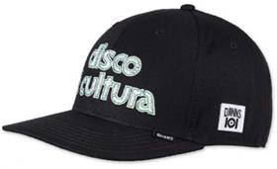 | Image_001 | 1 | 001 | 6P TRUEFIT | 6-PANEL TRUEFIT | IOI Disco | Black | 6P TRUEFIT IOI Disco Black
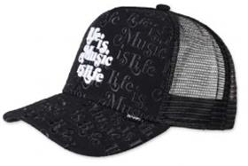 | Image_002 | 2 | 002 | HFT CAP | HFT CAP | IOI Music is Life | Black | HFT CAP IOI Music is Life Black
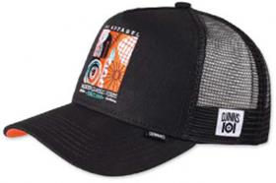 | Image_003 | 3 | 003 | HFT CAP | HFT CAP | IOI Modern Classics | Black | HFT CAP IOI Modern Classics Black
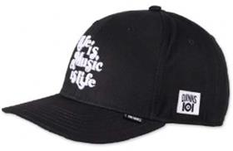 | Image_004 | 4 | 004 | 6P TRUEFIT | 6-PANEL TRUEFIT | IOI Music is Life | Black | 6P TRUEFIT IOI Music is Life Black
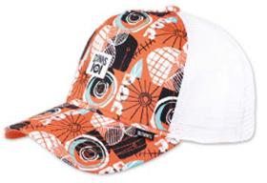 | Image_005 | 5 | 005 | HFT CAP | HFT CAP | IOI Modern Classics | Multi | HFT CAP IOI Modern Classics Multi
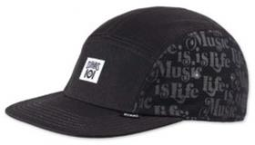 | Image_006 | 6 | 006 | 5P FC | 5-PANEL FLAT CAP | IOI Music is Life | Black | 5P FC IOI Music is Life Black
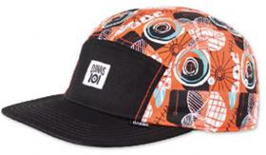 | Image_007 | 7 | 007 | 5P FC | 5-PANEL FLAT CAP | IOI Modern Classics | Black/Multi | 5P FC IOI Modern Classics Black/Multi
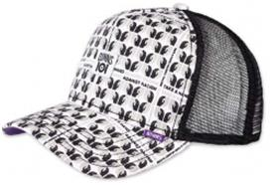 | Image_008 | 8 | 008 | HFT CAP | HFT CAP | IOI Take a Hand | Black | HFT CAP IOI Take a Hand Black
 | Image_009 | 9 | 009 | 5P FC | 5-PANEL FLAT CAP | IOI Take a Hand | Black | 5P FC IOI Take a Hand Black
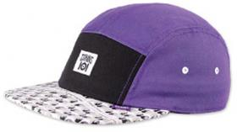 | Image_010 | 10 | 010 | 5P FC | 5-PANEL FLAT CAP | IOI Take a Hand | Purple | 5P FC IOI Take a Hand Purple
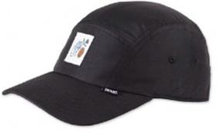 | Image_011 | 11 | 011 | 5P CV | 5-PANEL CURVED VISOR | Flo 2022 | Black | 5P CV Flo 2022 Black
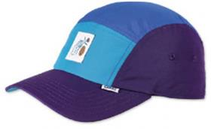 | Image_012 | 12 | 012 | 5P CV | 5-PANEL CURVED VISOR | Flo 2022 | All Blue | 5P CV Flo 2022 All Blue
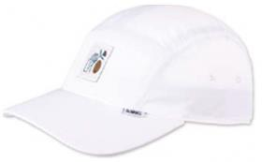 | Image_013 | 13 | 013 | 5P CV | 5-PANEL CURVED VISOR | Flo 2022 | White | 5P CV Flo 2022 White
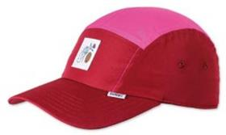 | Image_014 | 14 | 014 | 5P CV | 5-PANEL CURVED VISOR | Flo 2022 | All Red | 5P CV Flo 2022 All Red
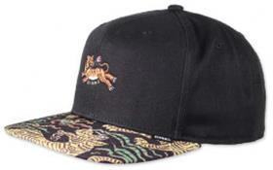 | Image_015 | 15 | 015 | 6P SB | 6-PANEL SNAPBACK | Asian Tiger 2.0 | Forest | 6P SB Asian Tiger 2.0 Forest
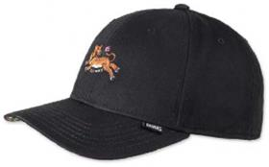 | Image_016 | 16 | 016 | 6P TRUEFIT | 6-PANEL TRUEFIT | Asian Tiger 2.0 | Forest | 6P TRUEFIT Asian Tiger 2.0 Forest
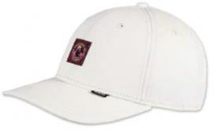 | Image_017 | 17 | 017 | 6P TRUEFIT | 6-PANEL TRUEFIT | DNC Girl | Light Khaki | 6P TRUEFIT DNC Girl Light Khaki
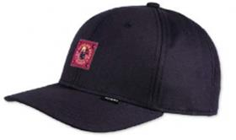 | Image_018 | 18 | 018 | 6P TRUEFIT | 6-PANEL TRUEFIT | DNC Girl | Dark Navy | 6P TRUEFIT DNC Girl Dark Navy
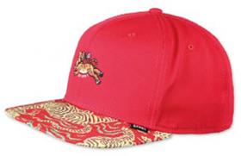 | Image_019 | 19 | 019 | 6P SB | 6-PANEL SNAPBACK | Asian Tiger 2.0 | Black | 6P SB Asian Tiger 2.0 Black
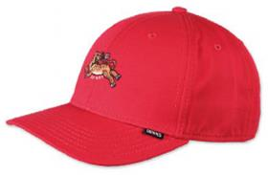 | Image_020 | 20 | 020 | 6P TRUEFIT | 6-PANEL TRUEFIT | Asian Tiger 2.0 | Black | 6P TRUEFIT Asian Tiger 2.0 Black
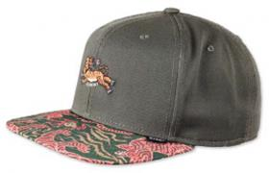 | Image_021 | 21 | 021 | 6P SB | 6-PANEL SNAPBACK | Asian Tiger 2.0 | Red | 6P SB Asian Tiger 2.0 Red
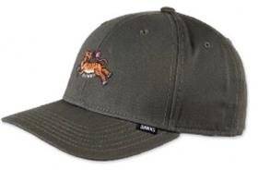 | Image_022 | 22 | 022 | 6P TRUEFIT | 6-PANEL TRUEFIT | Asian Tiger 2.0 | Red | 6P TRUEFIT Asian Tiger 2.0 Red
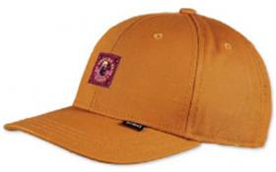 | Image_023 | 23 | 023 | 6P TRUEFIT | 6-PANEL TRUEFIT | DNC Girl | Tibet Orange | 6P TRUEFIT DNC Girl Tibet Orange
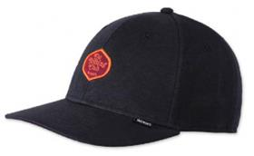 | Image_025 | 25 | 025 | 6P TRUEFIT | 6-PANEL TRUEFIT | DNC Jersey 2.0 | Black | 6P TRUEFIT DNC Jersey 2.0 Black
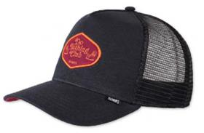 | Image_026 | 26 | 026 | HFT CAP | HFT CAP | DNC Jersey 2.0 | Black | HFT CAP DNC Jersey 2.0 Black
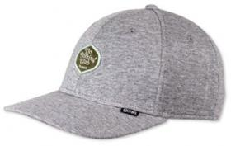 | Image_027 | 27 | 027 | 6P TRUEFIT | 6-PANEL TRUEFIT | DNC Jersey 2.0 | Heather Grey | 6P TRUEFIT DNC Jersey 2.0 Heather Grey
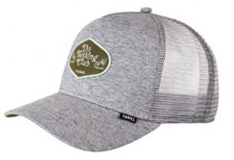 | Image_028 | 28 | 028 | HFT CAP | HFT CAP | DNC Jersey 2.0 | Heather Grey | HFT CAP DNC Jersey 2.0 Heather Grey
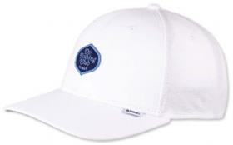 | Image_029 | 29 | 029 | 6P TRUEFIT | 6-PANEL TRUEFIT | DNC Jersey 2.0 | White | 6P TRUEFIT DNC Jersey 2.0 White
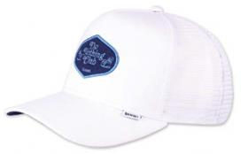 | Image_030 | 30 | 030 | HFT CAP | HFT CAP | DNC Jersey 2.0 | White | HFT CAP DNC Jersey 2.0 White
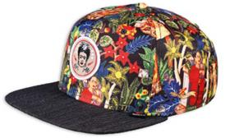 | Image_031 | 31 | 031 | 6P SB | 6-PANEL SNAPBACK | Frida Linen | Black | 6P SB Frida Linen Black
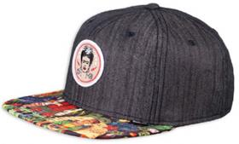 | Image_032 | 32 | 032 | 6P SB | 6-PANEL SNAPBACK | Frida Linen Rev. | Black | 6P SB Frida Linen Rev. Black
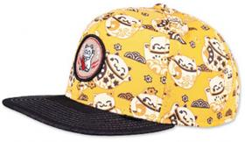 | Image_033 | 33 | 033 | 6P SB | 6-PANEL SNAPBACK | Lucky Cat Linen | Black | 6P SB Lucky Cat Linen Black
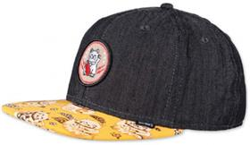 | Image_034 | 34 | 034 | 6P SB | 6-PANEL SNAPBACK | Lucky Cat Linen Rev. | Black | 6P SB Lucky Cat Linen Rev. Black
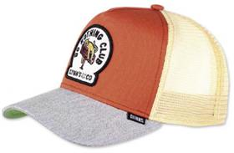 | Image_035 | 35 | 035 | HFT CAP | HFT CAP | DNC New 1.1 | Orange/Heather Grey | HFT CAP DNC New 1.1 Orange/Heather Grey
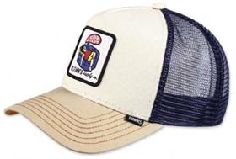 | Image_036 | 36 | 036 | HFT CAP | HFT CAP | DNC New 1.2 | Cream/Khaki | HFT CAP DNC New 1.2 Cream/Khaki
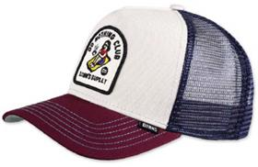 | Image_037 | 37 | 037 | HFT CAP | HFT CAP | DNC New 1.3 | Offwhite/Wine | HFT CAP DNC New 1.3 Offwhite/Wine
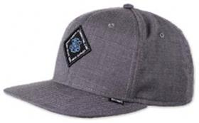 | Image_038 | 38 | 038 | 6P SB | 6-PANEL SNAPBACK | Ox-Diamond | Black | 6P SB Ox-Diamond Black
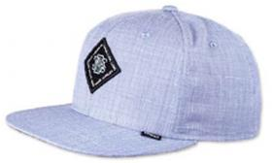 | Image_039 | 39 | 039 | 6P SB | 6-PANEL SNAPBACK | Ox-Diamond | Blue | 6P SB Ox-Diamond Blue
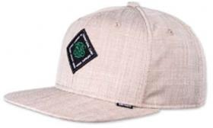 | Image_040 | 40 | 040 | 6P SB | 6-PANEL SNAPBACK | Ox-Diamond | Beige | 6P SB Ox-Diamond Beige
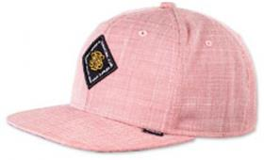 | Image_041 | 41 | 041 | 6P SB | 6-PANEL SNAPBACK | Ox-Diamond | Red | 6P SB Ox-Diamond Red
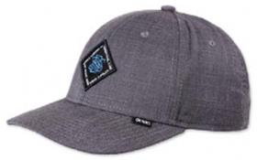 | Image_042 | 42 | 042 | 6P TRUEFIT | 6-PANEL TRUEFIT | Ox-Diamond | Black | 6P TRUEFIT Ox-Diamond Black
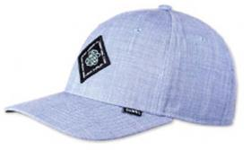 | Image_043 | 43 | 043 | 6P TRUEFIT | 6-PANEL TRUEFIT | Ox-Diamond | Blue | 6P TRUEFIT Ox-Diamond Blue
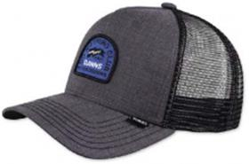 | Image_044 | 44 | 044 | HFT CAP | HFT CAP | DNC Ox-Diamond | Black | HFT CAP DNC Ox-Diamond Black
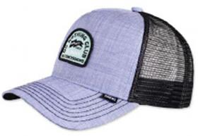 | Image_045 | 45 | 045 | HFT CAP | HFT CAP | DNC Ox-Diamond | Blue | HFT CAP DNC Ox-Diamond Blue
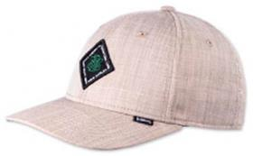 | Image_046 | 46 | 046 | 6P TRUEFIT | 6-PANEL TRUEFIT | Ox-Diamond | Beige | 6P TRUEFIT Ox-Diamond Beige
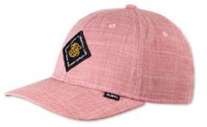 | Image_047 | 47 | 047 | 6P TRUEFIT | 6-PANEL TRUEFIT | Ox-Diamond | Red | 6P TRUEFIT Ox-Diamond Red
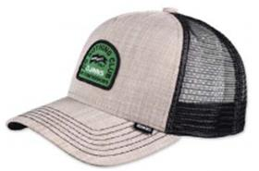 | Image_048 | 48 | 048 | HFT CAP | HFT CAP | DNC Ox-Diamond | Beige | HFT CAP DNC Ox-Diamond Beige
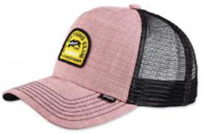 | Image_049 | 49 | 049 | HFT CAP | HFT CAP | DNC Ox-Diamond | Red | HFT CAP DNC Ox-Diamond Red
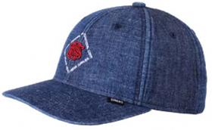 | Image_050 | 50 | 050 | 6P TRUEFIT 2.0 | 6-PANEL TRUEFIT 2.0 | New Diamond | Dark Denim | 6P TRUEFIT 2.0 New Diamond Dark Denim
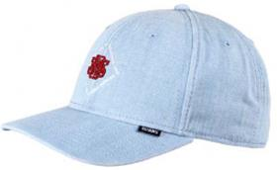 | Image_051 | 51 | 051 | 6P TRUEFIT 2.0 | 6-PANEL TRUEFIT 2.0 | New Diamond | Light Denim | 6P TRUEFIT 2.0 New Diamond Light Denim
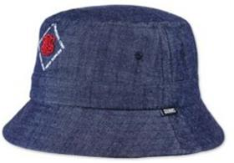 | Image_052 | 52 | 052 | BUCKET HAT | BUCKET HAT | New Diamond | Dark Denim | BUCKET HAT New Diamond Dark Denim
 | Image_053 | 53 | 053 | BUCKET HAT | BUCKET HAT | New Diamond | Light Denim | BUCKET HAT New Diamond Light Denim
 | Image_054 | 54 | 054 | 6P TRUEFIT 2.0 | 6-PANEL TRUEFIT 2.0 | New Diamond | Khaki | 6P TRUEFIT 2.0 New Diamond Khaki
 | Image_055 | 55 | 055 | BUCKET HAT | BUCKET HAT | New Diamond | Khaki | BUCKET HAT New Diamond Khaki
 | Image_056 | 56 | 056 | 6P TRUEFIT 2.0 | 6-PANEL TRUEFIT 2.0 | New Diamond | Black | 6P TRUEFIT 2.0 New Diamond Black
 | Image_057 | 57 | 057 | BUCKET HAT | BUCKET HAT | New Diamond | Black | BUCKET HAT New Diamond Black
 | Image_058 | 58 | 058 | 6P TRUEFIT 2.0 | 6-PANEL TRUEFIT 2.0 | New Diamond | Indigo | 6P TRUEFIT 2.0 New Diamond Indigo
 | Image_059 | 59 | 059 | BUCKET HAT | BUCKET HAT | New Diamond | Indigo | BUCKET HAT New Diamond Indigo
 | Image_060 | 60 | 060 | 6P TRUEFIT | 6-PANEL TRUEFIT | Linen | Blue | 6P TRUEFIT Linen Blue
 | Image_061 | 61 | 061 | 6P TRUEFIT | 6-PANEL TRUEFIT | Linen | White | 6P TRUEFIT Linen White
 | Image_062 | 62 | 062 | 6P TRUEFIT | 6-PANEL TRUEFIT | 3 Tone Linen | Blue | 6P TRUEFIT 3 Tone Linen Blue
 | Image_063 | 63 | 063 | 6P TRUEFIT | 6-PANEL TRUEFIT | 3 Tone Linen | White | 6P TRUEFIT 3 Tone Linen White
 | Image_064 | 64 | 064 | 6P TRUEFIT | 6-PANEL TRUEFIT | Linen | Navy | 6P TRUEFIT Linen Navy
 | Image_065 | 65 | 065 | 6P TRUEFIT | 6-PANEL TRUEFIT | Linen | Black | 6P TRUEFIT Linen Black
 | Image_066 | 66 | 066 | 6P TRUEFIT | 6-PANEL TRUEFIT | 3 Tone Linen | Navy | 6P TRUEFIT 3 Tone Linen Navy
 | Image_067 | 67 | 067 | 6P TRUEFIT | 6-PANEL TRUEFIT | 3 Tone Linen | Black | 6P TRUEFIT 3 Tone Linen Black
 | Image_068 | 68 | 068 | 6P TRUEFIT | 6-PANEL TRUEFIT | Cord Mountains | Wine | 6P TRUEFIT Cord Mountains Wine
 | Image_069 | 69 | 069 | 6P TRUEFIT | 6-PANEL TRUEFIT | Cord Mountains | Beige | 6P TRUEFIT Cord Mountains Beige
 | Image_070 | 70 | 070 | 6P TRUEFIT | 6-PANEL TRUEFIT | Cord Mountains | Black | 6P TRUEFIT Cord Mountains Black
 | Image_071 | 71 | 071 | 6P TRUEFIT | 6-PANEL TRUEFIT | Cord Mountains | Green | 6P TRUEFIT Cord Mountains Green
 | Image_072 | 72 | 072 | 6P TRUEFIT | 6-PANEL TRUEFIT | Cord Mountains | Navy | 6P TRUEFIT Cord Mountains Navy
 | Image_073 | 73 | 073 | 5P FC | 5-PANEL FLAT CAP | Fab Mix | Multi/Rose | 5P FC Fab Mix Multi/Rose
 | Image_074 | 74 | 074 | 5P FC | 5-PANEL FLAT CAP | Fab Mix | Multi/Orange | 5P FC Fab Mix Multi/Orange
 | Image_075 | 75 | 075 | 5P FC | 5-PANEL FLAT CAP | Fab Mix | Multi/Khaki 2.0 | 5P FC Fab Mix Multi/Khaki 2.0
 | Image_076 | 76 | 076 | 5P FC | 5-PANEL FLAT CAP | Fab Mix | Multi/Wine | 5P FC Fab Mix Multi/Wine
 | Image_077 | 77 | 077 | 5P FC | 5-PANEL FLAT CAP | Fab Mix | Black | 5P FC Fab Mix Black
 | Image_078 | 78 | 078 | 5P FC | 5-PANEL FLAT CAP | Fab Mix | White | 5P FC Fab Mix White
 | Image_079 | 79 | 079 | 6P SB | 6-PANEL SNAPBACK | Batiquepeak 2.0 | Stone | 6P SB Batiquepeak 2.0 Stone
 | Image_080 | 80 | 080 | 6P SB | 6-PANEL SNAPBACK | Batiquepeak 2.0 | Navy | 6P SB Batiquepeak 2.0 Navy
 | Image_081 | 81 | 081 | 6P SB | 6-PANEL SNAPBACK | Batiquepeak 2.0 | Black | 6P SB Batiquepeak 2.0 Black
 | Image_082 | 82 | 082 | 5P SB | 5-PANEL SNAPBACK | Rubber Aloha Rev. | Black | 5P SB Rubber Aloha Rev. Black
 | Image_083 | 83 | 083 | 5P SB | 5-PANEL SNAPBACK | Rubber Aloha | Black | 5P SB Rubber Aloha Black
 | Image_084 | 84 | 084 | 5P SB | 5-PANEL SNAPBACK | Rubber Aloha Rev. | Khaki | 5P SB Rubber Aloha Rev. Khaki
 | Image_085 | 85 | 085 | 5P SB | 5-PANEL SNAPBACK | Rubber Aloha | Khaki | 5P SB Rubber Aloha Khaki
 | Image_086 | 86 | 086 | 6P SB | 6-PANEL SNAPBACK | Inka Delta Rev. | Beige | 6P SB Inka Delta Rev. Beige
 | Image_087 | 87 | 087 | 6P SB | 6-PANEL SNAPBACK | Inka Delta Rev. | Red | 6P SB Inka Delta Rev. Red
 | Image_088 | 88 | 088 | 6P SB | 6-PANEL SNAPBACK | Inka Delta Rev. | Black | 6P SB Inka Delta Rev. Black
 | Image_089 | 89 | 089 | 6P SB | 6-PANEL SNAPBACK | Inka Delta Rev. | Grey | 6P SB Inka Delta Rev. Grey
 | Image_090 | 90 | 090 | 6P SB | 6-PANEL SNAPBACK | Inka Delta | Black | 6P SB Inka Delta Black
 | Image_091 | 91 | 091 | 6P SB | 6-PANEL SNAPBACK | Inka Delta | Grey | 6P SB Inka Delta Grey
 | Image_092 | 92 | 092 | 5P SB | 5-PANEL SNAPBACK | Rubber Washed Aztek | White | 5P SB Rubber Washed Aztek White
 | Image_093 | 93 | 093 | 5P SB | 5-PANEL SNAPBACK | Rubber Washed Aztek | Navy | 5P SB Rubber Washed Aztek Navy
 | Image_094 | 94 | 094 | 5P SB | 5-PANEL SNAPBACK | Rubber Washed Aztek | Black | 5P SB Rubber Washed Aztek Black
 | Image_095 | 95 | 095 | HFT | HFT | Food Beer & Coffee | Grey/Heather Grey | HFT Food Beer & Coffee Grey/Heather Grey
 | Image_096 | 96 | 096 | HFT | HFT | Food Seed | Royal/Khaki | HFT Food Seed Royal/Khaki
 | Image_097 | 97 | 097 | HFT | HFT | Food Zombie | Brown/Red | HFT Food Zombie Brown/Red
 | Image_098 | 98 | 098 | HFT | HFT | Food Gelato | Brown/Rose | HFT Food Gelato Brown/Rose
 | Image_099 | 99 | 099 | HFT | HFT | Food Tomato Soup | Grey | HFT Food Tomato Soup Grey
 | Image_100 | 100 | 100 | HFT | HFT | Food Avocados | Navy | HFT Food Avocados Navy
 | Image_101 | 101 | 101 | HFT | HFT | Food Coffee | Black/Turquoise | HFT Food Coffee Black/Turquoise
 | Image_102 | 102 | 102 | HFT | HFT | Food Croissant | Black | HFT Food Croissant Black
 | Image_103 | 103 | 103 | HFT | HFT | Food Bacon | Khaki | HFT Food Bacon Khaki
 | Image_107 | 107 | 107 | HFT CAP | HFT CAP | Glencheck | Brown | HFT CAP Glencheck Brown
 | Image_108 | 108 | 108 | 6P SB | 6-PANEL SNAPBACK | Glencheck | Brown | 6P SB Glencheck Brown
 | Image_109 | 109 | 109 | HFT CAP | HFT CAP | Nothing Club | Black | HFT CAP Nothing Club Black
 | Image_110 | 110 | 110 | HFT CAP | HFT CAP | Nothing Club | Slate | HFT CAP Nothing Club Slate
 | Image_111 | 111 | 111 | HFT CAP | HFT CAP | Glencheck | Grey | HFT CAP Glencheck Grey
 | Image_112 | 112 | 112 | 6P SB | 6-PANEL SNAPBACK | Glencheck | Grey | 6P SB Glencheck Grey
 | Image_113 | 113 | 113 | HFT CAP | HFT CAP | Nothing Club | Sand | HFT CAP Nothing Club Sand
 | Image_114 | 114 | 114 | HFT CAP | HFT CAP | Nothing Club | Wine | HFT CAP Nothing Club Wine
 | Image_115 | 115 | 115 | HFT CAP | HFT CAP | Glencheck | Navy | HFT CAP Glencheck Navy
 | Image_116 | 116 | 116 | 6P SB | 6-PANEL SNAPBACK | Glencheck | Navy | 6P SB Glencheck Navy
 | Image_117 | 117 | 117 | HFT CAP | HFT CAP | Nothing Club #2 HeatDye | Dark Brown | HFT CAP Nothing Club #2 HeatDye Dark Brown
 | Image_118 | 118 | 118 | HFT CAP | HFT CAP | Nothing Club #2 HeatDye | Olive | HFT CAP Nothing Club #2 HeatDye Olive
 | Image_119 | 119 | 119 | BUCKET HAT | BUCKET HAT | Lucky Cat Linen | Black | BUCKET HAT Lucky Cat Linen Black
 | Image_120 | 120 | 120 | 6P SB | 6-PANEL SNAPBACK | Monochrome | Black | 6P SB Monochrome Black
 | Image_121 | 121 | 121 | HFT CAP | HFT CAP | Nothing Club #2 HeatDye | Navy | HFT CAP Nothing Club #2 HeatDye Navy
 | Image_122 | 122 | 122 | HFT CAP | HFT CAP | M-Ribstop | Black | HFT CAP M-Ribstop Black
 | Image_123 | 123 | 123 | HFT CAP | HFT CAP | M-Ribstop | Olive | HFT CAP M-Ribstop Olive
 | Image_124 | 124 | 124 | HFT CAP | HFT CAP | Suelin | Black | HFT CAP Suelin Black
 | Image_125 | 125 | 125 | 6P SB | 6-PANEL SNAPBACK | Linen 2015 | Black | 6P SB Linen 2015 Black
 | Image_126 | 126 | 126 | HFT CAP | HFT CAP | Cut & Sew | Charcoal | HFT CAP Cut & Sew Charcoal
 | Image_127 | 127 | 127 | HFT CAP | HFT CAP | Cut & Sew | Heather Grey | HFT CAP Cut & Sew Heather Grey
 | Image_128 | 128 | 128 | HFT CAP | HFT CAP | Suelin | Sand | HFT CAP Suelin Sand
 | Image_129 | 129 | 129 | 6P SB | 6-PANEL SNAPBACK | Linen 2015 | Grey | 6P SB Linen 2015 Grey
 | Image_130 | 130 | 130 | HFT CAP | HFT CAP | Linen 2014 | Black | HFT CAP Linen 2014 Black
 | Image_131 | 131 | 131 | HFT CAP | HFT CAP | Linen 2014 | Grey | HFT CAP Linen 2014 Grey
 | Image_132 | 132 | 132 | HFT CAP | HFT CAP | Suelin | Grey | HFT CAP Suelin Grey
 | Image_133 | 133 | 133 | 6P SB | 6-PANEL SNAPBACK | Linen 2015 | Navy | 6P SB Linen 2015 Navy
 | Image_134 | 134 | 134 | HFT CAP | HFT CAP | Linen 2014 | Navy | HFT CAP Linen 2014 Navy
 | Image_135 | 135 | 135 | HFT | HFT | Hippy Canvas | Mudd | HFT Hippy Canvas Mudd
 | Image_136 | 136 | 136 | HFT | HFT | Hippy Canvas | Sand | HFT Hippy Canvas Sand
 | Image_137 | 137 | 137 | HFT | HFT | Hippy Canvas | Black | HFT Hippy Canvas Black
 | Image_138 | 138 | 138 | 5P SB | 5-PANEL SNAPBACK | Rubber Aztek | Black | 5P SB Rubber Aztek Black
 | Image_139 | 139 | 139 | 5P SB | 5-PANEL SNAPBACK | Rubber Aztek | Wine | 5P SB Rubber Aztek Wine
 | Image_140 | 140 | 140 | 6P SB | 6-PANEL SNAPBACK | Aztek Crown | Black | 6P SB Aztek Crown Black
 | Image_141 | 141 | 141 | 6P SB | 6-PANEL SNAPBACK | Koi Linen | Black | 6P SB Koi Linen Black
 | Image_142 | 142 | 142 | 5P SB | 5-PANEL SNAPBACK | Rubber Aztek | Navy | 5P SB Rubber Aztek Navy
 | Image_143 | 143 | 143 | 5P SB | 5-PANEL SNAPBACK | Rubber Aztek | White | 5P SB Rubber Aztek White
 | Image_144 | 144 | 144 | 6P SB | 6-PANEL SNAPBACK | Aztek Crown | Dark Red | 6P SB Aztek Crown Dark Red
 | Image_145 | 145 | 145 | 6P SB | 6-PANEL SNAPBACK | Koi Linen Rev. | Black | 6P SB Koi Linen Rev. Black
 | Image_146 | 146 | 146 | 6P SB | 6-PANEL SNAPBACK | Honey Knit | Black | 6P SB Honey Knit Black
 | Image_147 | 147 | 147 | 6P SB | 6-PANEL SNAPBACK | Honey Knit | Navy | 6P SB Honey Knit Navy
 | Image_148 | 148 | 148 | 6P SB | 6-PANEL SNAPBACK | Peacock Linen | Black | 6P SB Peacock Linen Black
 | Image_149 | 149 | 149 | 6P SB | 6-PANEL SNAPBACK | CP Asian Tiger | Black | 6P SB CP Asian Tiger Black
 | Image_150 | 150 | 150 | 6P SB | 6-PANEL SNAPBACK | Aztek | Black | 6P SB Aztek Black
 | Image_151 | 151 | 151 | 6P SB | 6-PANEL SNAPBACK | Peacock Linen | Multi | 6P SB Peacock Linen Multi
 | Image_152 | 152 | 152 | 6P SB | 6-PANEL SNAPBACK | Peacock Linen Rev. | Black | 6P SB Peacock Linen Rev. Black
 | Image_153 | 153 | 153 | 6P SB | 6-PANEL SNAPBACK | CP Asian Tiger | Navy | 6P SB CP Asian Tiger Navy

