dijinns
Image | ImageName | Calculating |  |  | Type | Style | Color | Type/Style/Color
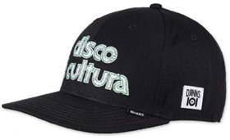 | Image_001 | 1 | 001 | 6P TRUEFIT | 6-PANEL TRUEFIT | IOI Disco | Black | 6P TRUEFIT IOI Disco Black
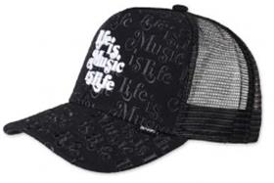 | Image_002 | 2 | 002 | HFT CAP | HFT CAP | IOI Music is Life | Black | HFT CAP IOI Music is Life Black
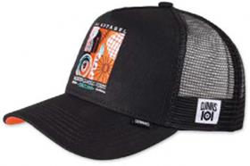 | Image_003 | 3 | 003 | HFT CAP | HFT CAP | IOI Modern Classics | Black | HFT CAP IOI Modern Classics Black
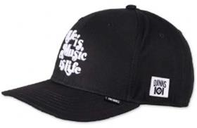 | Image_004 | 4 | 004 | 6P TRUEFIT | 6-PANEL TRUEFIT | IOI Music is Life | Black | 6P TRUEFIT IOI Music is Life Black
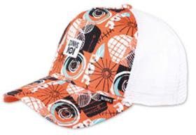 | Image_005 | 5 | 005 | HFT CAP | HFT CAP | IOI Modern Classics | Multi | HFT CAP IOI Modern Classics Multi
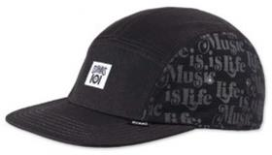 | Image_006 | 6 | 006 | 5P FLAT CAP | 5-PANEL FLAT CAP | IOI Music is Life | Black | 5P FLAT CAP IOI Music is Life Black
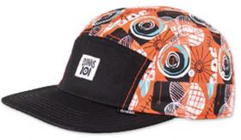 | Image_007 | 7 | 007 |  | 5-PANEL FLAT CAP | IOI Modern Classics | Black/Multi | IOI Modern Classics Black/Multi
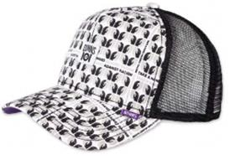 | Image_008 | 8 | 008 |  | HFT CAP | IOI Take a Hand | Black | IOI Take a Hand Black
 | Image_009 | 9 | 009 |  | 5-PANEL FLAT CAP | IOI Take a Hand | Black | IOI Take a Hand Black
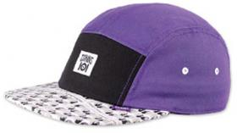 | Image_010 | 10 | 010 |  | 5-PANEL FLAT CAP | IOI Take a Hand | Purple | IOI Take a Hand Purple
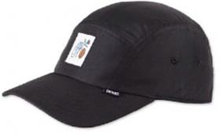 | Image_011 | 11 | 011 |  | 5-PANEL CURVED VISOR | Flo 2022 | Black | Flo 2022 Black
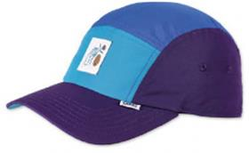 | Image_012 | 12 | 012 |  | 5-PANEL CURVED VISOR | Flo 2022 | All Blue | Flo 2022 All Blue
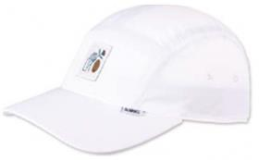 | Image_013 | 13 | 013 |  | 5-PANEL CURVED VISOR | Flo 2022 | White | Flo 2022 White
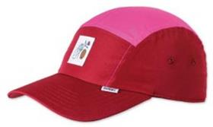 | Image_014 | 14 | 014 |  | 5-PANEL CURVED VISOR | Flo 2022 | All Red | Flo 2022 All Red
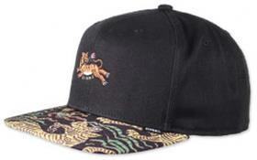 | Image_015 | 15 | 015 |  | 6-PANEL SNAPBACK | Asian Tiger 2.0 | Forest | Asian Tiger 2.0 Forest
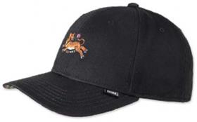 | Image_016 | 16 | 016 |  | 6-PANEL TRUEFIT | Asian Tiger 2.0 | Forest | Asian Tiger 2.0 Forest
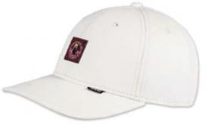 | Image_017 | 17 | 017 |  | 6-PANEL TRUEFIT | DNC Girl | Light Khaki | DNC Girl Light Khaki
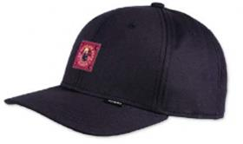 | Image_018 | 18 | 018 |  | 6-PANEL TRUEFIT | DNC Girl | Dark Navy | DNC Girl Dark Navy
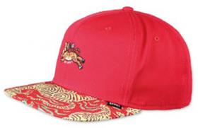 | Image_019 | 19 | 019 |  | 6-PANEL SNAPBACK | Asian Tiger 2.0 | Black | Asian Tiger 2.0 Black
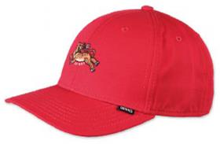 | Image_020 | 20 | 020 |  | 6-PANEL TRUEFIT | Asian Tiger 2.0 | Black | Asian Tiger 2.0 Black
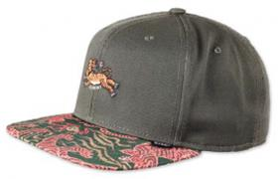 | Image_021 | 21 | 021 |  | 6-PANEL SNAPBACK | Asian Tiger 2.0 | Red | Asian Tiger 2.0 Red
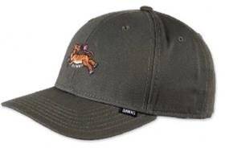 | Image_022 | 22 | 022 |  | 6-PANEL TRUEFIT | Asian Tiger 2.0 | Red | Asian Tiger 2.0 Red
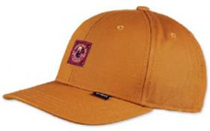 | Image_023 | 23 | 023 |  | 6-PANEL TRUEFIT | DNC Girl | Tibet Orange | DNC Girl Tibet Orange
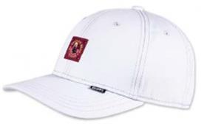 | Image_024 | 24 | 024 |  | 6-PANEL TRUEFIT | DNC Girl | Ultra Light Blue | DNC Girl Ultra Light Blue
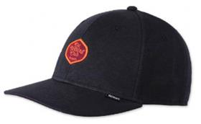 | Image_025 | 25 | 025 |  | 6-PANEL TRUEFIT | DNC Jersey 2.0 | Black | DNC Jersey 2.0 Black
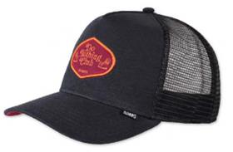 | Image_026 | 26 | 026 |  | HFT CAP | DNC Jersey 2.0 | Black | DNC Jersey 2.0 Black
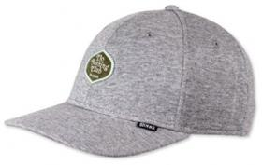 | Image_027 | 27 | 027 |  | 6-PANEL TRUEFIT | DNC Jersey 2.0 | Heather Grey | DNC Jersey 2.0 Heather Grey
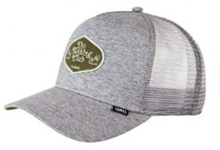 | Image_028 | 28 | 028 |  | HFT CAP | DNC Jersey 2.0 | Heather Grey | DNC Jersey 2.0 Heather Grey
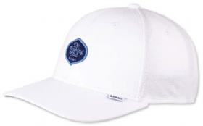 | Image_029 | 29 | 029 |  | 6-PANEL TRUEFIT | DNC Jersey 2.0 | White | DNC Jersey 2.0 White
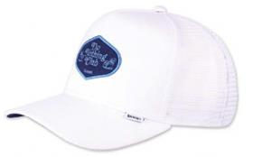 | Image_030 | 30 | 030 |  | HFT CAP | Inka DNC Jersey 2.0 | White | Inka DNC Jersey 2.0 White
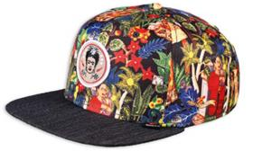 | Image_031 | 31 | 031 |  | 6-PANEL SNAPBACK | Frida Linen | Black | Frida Linen Black
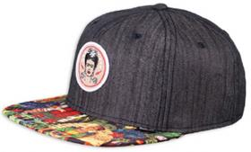 | Image_032 | 32 | 032 |  | 6-PANEL SNAPBACK | Frida Linen Rev. | Black | Frida Linen Rev. Black
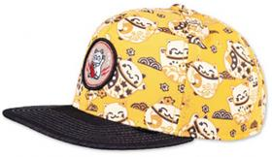 | Image_033 | 33 | 033 |  | 6-PANEL SNAPBACK | Lucky Cat Linen | Black | Lucky Cat Linen Black
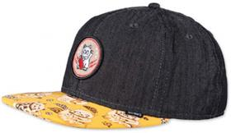 | Image_034 | 34 | 034 |  | 6-PANEL SNAPBACK | Lucky Cat Linen Rev. | Black | Lucky Cat Linen Rev. Black
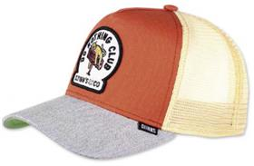 | Image_035 | 35 | 035 |  | HFT CAP | DNC New 1.1 | Orange/Heather Grey | DNC New 1.1 Orange/Heather Grey
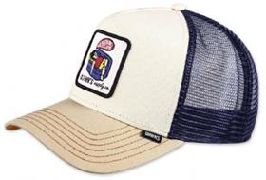 | Image_036 | 36 | 036 |  | HFT CAP | DNC New 1.2 | Cream/Khaki | DNC New 1.2 Cream/Khaki
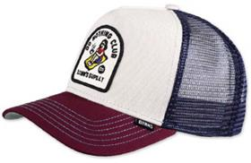 | Image_037 | 37 | 037 |  | HFT CAP | DNC New 1.3 | Offwhite/Wine | DNC New 1.3 Offwhite/Wine
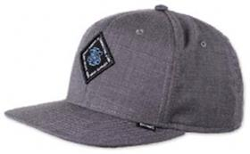 | Image_038 | 38 | 038 |  | 6-PANEL SNAPBACK | Ox-Diamond | Black | Ox-Diamond Black
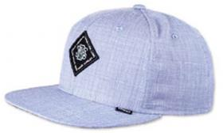 | Image_039 | 39 | 039 |  | 6-PANEL SNAPBACK | Ox-Diamond | Blue | Ox-Diamond Blue
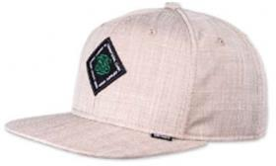 | Image_040 | 40 | 040 |  | 6-PANEL SNAPBACK | Ox-Diamond | Beige | Ox-Diamond Beige
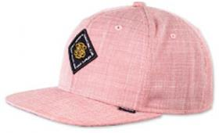 | Image_041 | 41 | 041 |  | 6-PANEL SNAPBACK | Ox-Diamond | Red | Ox-Diamond Red
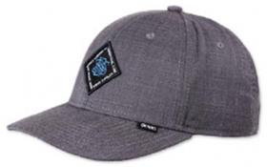 | Image_042 | 42 | 042 |  | 6-PANEL TRUEFIT | Ox-Diamond | Black | Ox-Diamond Black
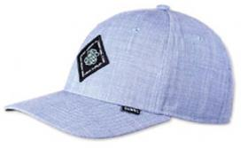 | Image_043 | 43 | 043 |  | 6-PANEL TRUEFIT | Ox-Diamond | Blue | Ox-Diamond Blue
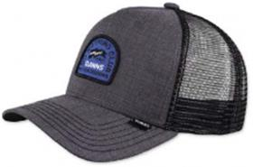 | Image_044 | 44 | 044 |  | HFT CAP | DNC Ox-Diamond | Black | DNC Ox-Diamond Black
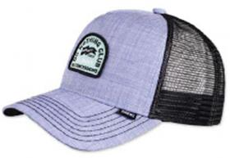 | Image_045 | 45 | 045 |  | HFT CAP | DNC Ox-Diamond | Blue | DNC Ox-Diamond Blue
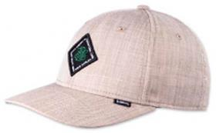 | Image_046 | 46 | 046 |  | 6-PANEL TRUEFIT | Ox-Diamond | Beige | Ox-Diamond Beige
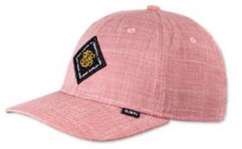 | Image_047 | 47 | 047 |  | 6-PANEL TRUEFIT | Ox-Diamond | Red | Ox-Diamond Red
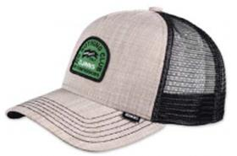 | Image_048 | 48 | 048 |  | HFT CAP | DNC Ox-Diamond | Beige | DNC Ox-Diamond Beige
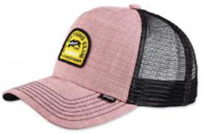 | Image_049 | 49 | 049 |  | HFT CAP | DNC Ox-Diamond | Red | DNC Ox-Diamond Red
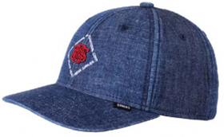 | Image_050 | 50 | 050 |  | 6-PANEL TRUEFIT 2.0 | New Diamond | Dark Denim | New Diamond Dark Denim
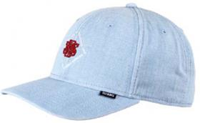 | Image_051 | 51 | 051 |  | 6-PANEL TRUEFIT 2.0 | New Diamond | Light Denim | New Diamond Light Denim
 | Image_052 | 52 | 052 |  | BUCKET HAT | New Diamond | Dark Denim | New Diamond Dark Denim
 | Image_053 | 53 | 053 |  | BUCKET HAT | New Diamond | Light Denim | New Diamond Light Denim
 | Image_054 | 54 | 054 |  | 6-PANEL TRUEFIT 2.0 | New Diamond | Khaki | New Diamond Khaki
 | Image_055 | 55 | 055 |  | BUCKET HAT | New Diamond | Khaki | New Diamond Khaki
 | Image_056 | 56 | 056 |  | 6-PANEL TRUEFIT 2.0 | New Diamond | Black | New Diamond Black
 | Image_057 | 57 | 057 |  | BUCKET HAT | New Diamond | Black | New Diamond Black
 | Image_058 | 58 | 058 |  | 6-PANEL TRUEFIT 2.0 | New Diamond | Indigo | New Diamond Indigo
 | Image_059 | 59 | 059 |  | BUCKET HAT | New Diamond | Indigo | New Diamond Indigo
 | Image_060 | 60 | 060 |  | 6-PANEL TRUEFIT | Linen | Blue | Linen Blue
 | Image_061 | 61 | 061 |  | 6-PANEL TRUEFIT | Linen | White | Linen White
 | Image_062 | 62 | 062 |  | 6-PANEL TRUEFIT | 3 Tone Linen | Blue | 3 Tone Linen Blue
 | Image_063 | 63 | 063 |  | 6-PANEL TRUEFIT | 3 Tone Linen | White | 3 Tone Linen White
 | Image_064 | 64 | 064 |  | 6-PANEL TRUEFIT | Linen | Navy | Linen Navy
 | Image_065 | 65 | 065 |  | 6-PANEL TRUEFIT | Linen | Black | Linen Black
 | Image_066 | 66 | 066 |  | 6-PANEL TRUEFIT | 3 Tone Linen | Navy | 3 Tone Linen Navy
 | Image_067 | 67 | 067 |  | 6-PANEL TRUEFIT | 3 Tone Linen | Black | 3 Tone Linen Black
 | Image_068 | 68 | 068 |  | 6-PANEL TRUEFIT | Cord Mountains | Wine | Cord Mountains Wine
 | Image_069 | 69 | 069 |  | 6-PANEL TRUEFIT | Cord Mountains | Beige | Cord Mountains Beige
 | Image_070 | 70 | 070 |  | 6-PANEL TRUEFIT | Cord Mountains | Black | Cord Mountains Black
 | Image_071 | 71 | 071 |  | 6-PANEL TRUEFIT | Cord Mountains | Green | Cord Mountains Green
 | Image_072 | 72 | 072 |  | 6-PANEL TRUEFIT | Cord Mountains | Navy | Cord Mountains Navy
 | Image_073 | 73 | 073 |  | 5-PANEL FLAT CAP | Mix Fabrics | Multi Rose | Mix Fabrics Multi Rose
 | Image_074 | 74 | 074 |  | 5-PANEL FLAT CAP | Mix Fabrics | Multi Orange | Mix Fabrics Multi Orange
 | Image_075 | 75 | 075 |  | 5-PANEL FLAT CAP | Mix Fabrics | Multi Khaki 2.0 | Mix Fabrics Multi Khaki 2.0
 | Image_076 | 76 | 076 |  | 5-PANEL FLAT CAP | Mix Fabrics | Multi Wine | Mix Fabrics Multi Wine
 | Image_077 | 77 | 077 |  | 5-PANEL FLAT CAP | Mix Fabrics | Black | Mix Fabrics Black
 | Image_078 | 78 | 078 |  | 5-PANEL FLAT CAP | Mix Fabrics | White | Mix Fabrics White
 | Image_079 | 79 | 079 |  | 6-PANEL SNAPBACK | Batiquepeak 2.0 | Stone | Batiquepeak 2.0 Stone
 | Image_080 | 80 | 080 |  | 6-PANEL SNAPBACK | Batiquepeak 2.0 | Navy | Batiquepeak 2.0 Navy
 | Image_081 | 81 | 081 |  | 6-PANEL SNAPBACK | Batiquepeak 2.0 | Black | Batiquepeak 2.0 Black
 | Image_082 | 82 | 082 |  | 5-PANEL SNAPBACK | Rubber Aloha Rev. | Black | Rubber Aloha Rev. Black
 | Image_083 | 83 | 083 |  | 5-PANEL SNAPBACK | Rubber Aloha | Black | Rubber Aloha Black
 | Image_084 | 84 | 084 |  | 5-PANEL SNAPBACK | Rubber Aloha Rev. | Khaki | Rubber Aloha Rev. Khaki
 | Image_085 | 85 | 085 |  | 5-PANEL SNAPBACK | Rubber Aloha | Khaki | Rubber Aloha Khaki
 | Image_086 | 86 | 086 |  | 6-PANEL SNAPBACK | Inka Delta Rev. | Beige | Inka Delta Rev. Beige
 | Image_087 | 87 | 087 |  | 6-PANEL SNAPBACK | Inka Delta Rev. | Red | Inka Delta Rev. Red
 | Image_088 | 88 | 088 |  | 6-PANEL SNAPBACK | Inka Delta Rev. | Black | Inka Delta Rev. Black
 | Image_089 | 89 | 089 |  | 6-PANEL SNAPBACK | Inka Delta Rev. | Grey | Inka Delta Rev. Grey
 | Image_090 | 90 | 090 |  | 6-PANEL SNAPBACK | Inka Delta | Black | Inka Delta Black
 | Image_091 | 91 | 091 |  | 6-PANEL SNAPBACK | Inka Delta | Grey | Inka Delta Grey
 | Image_092 | 92 | 092 |  | 5-PANEL SNAPBACK | Rubber Washed Aztek | White | Rubber Washed Aztek White
 | Image_093 | 93 | 093 |  | 5-PANEL SNAPBACK | Rubber Washed Aztek | Navy | Rubber Washed Aztek Navy
 | Image_094 | 94 | 094 |  | 5-PANEL SNAPBACK | Rubber Washed Aztek | Black | Rubber Washed Aztek Black
 | Image_095 | 95 | 095 |  | HFT CAP | Food Beer & Coffee | Grey/Heather Grey | Food Beer & Coffee Grey/Heather Grey
 | Image_096 | 96 | 096 |  | HFT CAP | Food Seed | Royal/Khaki | Food Seed Royal/Khaki
 | Image_097 | 97 | 097 |  | HFT CAP | Food Zombie | Brown/Red | Food Zombie Brown/Red
 | Image_098 | 98 | 098 |  | HFT CAP | Food Gelato | Brown/Rose | Food Gelato Brown/Rose
 | Image_099 | 99 | 099 |  | HFT CAP | Food Tomato Soup | Grey | Food Tomato Soup Grey
 | Image_100 | 100 | 100 |  | HFT CAP | Food Avocado | Navy | Food Avocado Navy
 | Image_101 | 101 | 101 |  | HFT CAP | Food Coffee | Black/Turquoise | Food Coffee Black/Turquoise
 | Image_102 | 102 | 102 |  | HFT CAP | Food Croissant | Black | Food Croissant Black
 | Image_103 | 103 | 103 |  | HFT CAP | Food Bacon | Khaki | Food Bacon Khaki
 | Image_107 | 107 | 107 |  | HFT CAP | Glencheck | Brown | Glencheck Brown
 | Image_108 | 108 | 108 |  | 6-PANEL SNAPBACK | Glencheck | Brown | Glencheck Brown
 | Image_109 | 109 | 109 |  | HFT CAP | Nothing Club | Black | Nothing Club Black
 | Image_110 | 110 | 110 |  | HFT CAP | Nothing Club | Slate | Nothing Club Slate
 | Image_111 | 111 | 111 |  | HFT CAP | Glencheck | Grey | Glencheck Grey
 | Image_112 | 112 | 112 |  | 6-PANEL SNAPBACK | Glencheck | Grey | Glencheck Grey
 | Image_113 | 113 | 113 |  | HFT CAP | Nothing Club | Sand | Nothing Club Sand
 | Image_114 | 114 | 114 |  | HFT CAP | Nothing Club | Wine | Nothing Club Wine
 | Image_115 | 115 | 115 |  | HFT CAP | Glencheck | Navy | Glencheck Navy
 | Image_116 | 116 | 116 |  | 6-PANEL SNAPBACK | Glencheck | Navy | Glencheck Navy
 | Image_117 | 117 | 117 |  | HFT CAP | Nothing Club #2 | Dark Brown | Nothing Club #2 Dark Brown
 | Image_118 | 118 | 118 |  | HFT CAP | Nothing Club #2 | Olive | Nothing Club #2 Olive
 | Image_119 | 119 | 119 |  | BUCKET HAT | Lucky Cat Linen | Black | Lucky Cat Linen Black
 | Image_120 | 120 | 120 |  | 6-PANEL SNAPBACK | Monochrome | Black | Monochrome Black
 | Image_121 | 121 | 121 |  | HFT CAP | Nothing Club #2 | Navy | Nothing Club #2 Navy
 | Image_122 | 122 | 122 |  | HFT CAP | M-Ribstop | Black | M-Ribstop Black
 | Image_123 | 123 | 123 |  | HFT CAP | M-Ribstop | Olive | M-Ribstop Olive
 | Image_124 | 124 | 124 |  | HFT CAP | Suelin | Black | Suelin Black
 | Image_125 | 125 | 125 |  | 6-PANEL SNAPBACK | Linen | Black | Linen Black
 | Image_126 | 126 | 126 |  | HFT CAP | Cut&Sew | Charcoal | Cut&Sew Charcoal
 | Image_127 | 127 | 127 |  | HFT CAP | Cut&Sew | Heather Grey | Cut&Sew Heather Grey
 | Image_128 | 128 | 128 |  | HFT CAP | Suelin | Sand | Suelin Sand
 | Image_129 | 129 | 129 |  | 6-PANEL SNAPBACK | Linen | Grey | Linen Grey
 | Image_130 | 130 | 130 |  | HFT CAP | Linen | Black | Linen Black
 | Image_131 | 131 | 131 |  | HFT CAP | Linen | Grey | Linen Grey
 | Image_132 | 132 | 132 |  | HFT CAP | Suelin | Grey | Suelin Grey
 | Image_133 | 133 | 133 |  | 6-PANEL SNAPBACK | Linen | Navy | Linen Navy
 | Image_134 | 134 | 134 |  | HFT CAP | Linen | Navy | Linen Navy
 | Image_135 | 135 | 135 |  | HFT CAP | Hippy Canvas | Mudd | Hippy Canvas Mudd
 | Image_136 | 136 | 136 |  | HFT CAP | Hippy Canvas | Sand | Hippy Canvas Sand
 | Image_137 | 137 | 137 |  | HFT CAP | Hippy Canvas | Black | Hippy Canvas Black
 | Image_138 | 138 | 138 |  | 6-PANEL SNAPBACK | Rubber Aztek | Black | Rubber Aztek Black
 | Image_139 | 139 | 139 |  | 5-PANEL SNAPBACK | Rubber Aztek | Wine | Rubber Aztek Wine
 | Image_140 | 140 | 140 |  | 6-PANEL SNAPBACK | Aztek Crown | Black | Aztek Crown Black
 | Image_141 | 141 | 141 |  | 6-PANEL SNAPBACK | Koi Linen | Black | Koi Linen Black
 | Image_142 | 142 | 142 |  | 5-PANEL SNAPBACK | Rubber Aztek | Navy | Rubber Aztek Navy
 | Image_143 | 143 | 143 |  | 5-PANEL SNAPBACK | Rubber Aztek | White | Rubber Aztek White
 | Image_144 | 144 | 144 |  | 6-PANEL SNAPBACK | Aztek Crown | Dark Red | Aztek Crown Dark Red
 | Image_145 | 145 | 145 |  | 6-PANEL SNAPBACK | Koi Linen Rev. | Black | Koi Linen Rev. Black
 | Image_146 | 146 | 146 |  | 5-PANEL SNAPBACK | Honey Knit | Black | Honey Knit Black
 | Image_147 | 147 | 147 |  | 5-PANEL SNAPBACK | Honey Knit | Navy | Honey Knit Navy
 | Image_148 | 148 | 148 |  | 6-PANEL SNAPBACK | Peacock Linen | Black | Peacock Linen Black
 | Image_149 | 149 | 149 |  | 6-PANEL SNAPBACK | CP Asian Tiger | Black | CP Asian Tiger Black
 | Image_150 | 150 | 150 |  | 6-PANEL SNAPBACK | Azteck | Black | Azteck Black
 | Image_151 | 151 | 151 |  | 6-PANEL SNAPBACK | Peacock Linen | Multi | Peacock Linen Multi
 | Image_152 | 152 | 152 |  | 6-PANEL SNAPBACK | Peacock Linen Rev. | Black | Peacock Linen Rev. Black
 | Image_153 | 153 | 153 |  | 6-PANEL SNAPBACK | CP Asian Tiger | Navy | CP Asian Tiger Navy

