Лист8
 | 61442BH NILSON | S, M, L, XL | Copper,Slate,Uniform Green
 | 61424BH RALAT | S, M, L, XL | Black,Charcoal
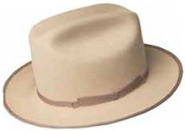 | 61432BH THE ARCHITECT | S, M, L, XL | Black,Buckskin
 | 61430BH TRINELL | S, M, L, XL | Black,Light Mink
 | 61428BH GIRVIN | S, M, L, XL | Black,Chocolate
 | 61433BH CAVALIER | S, M, L, XL | Black,Maple
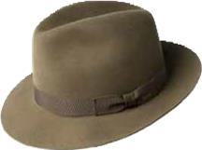 | 6140 DRAPER III | 6 7/8, 7, 7 1/8, 7 1/4, 7 3/8, 7 1/2, 7 5/8 | Black,Charcoal,Cognac,Olive
 | 47009BH FLUME | S, M, L, XL | Aubergine,Black,Mink
 | 61426BH AUMAN | S, M, L, XL | Black
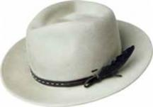 | 37188BH COLBY | S, M, L, XL | Black,Nickel,Soft Khaki,Stucco
 | 37189BH GODWIN | S, M, L, XL | Black,Eggplant,Lazuli Blue,Oak,Taupe
 | 37190BH TREVEL | S, M, L, XL | Black,Copper,Nickel
 | 20009BH COLTER | S, M, L, XL | Black,Nickel,Oak
 | 30003BH LANG | S, M, L, XL | Avion,Black,Uniform Green
 | 37192BH CROFT | S, M, L, XL | Black,Copper,Taupe
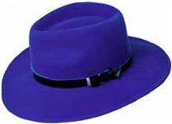 | 37191BH LEVON | S, M, L, XL | Black,Lazuli Blue,Oak
 | 37193BH CONLON | S, M, L, XL | Black,Lazuli Blue,Uniform Green
 | 20001BH COLVER | S, M, L, XL | Greige,Honey,Ochre,Silver Lining
 | 37172BH BOGAN | S, M, L, XL | Peacoat,Plaza Taupe,Saddle,Steel
 | 20007BH CLORINDON | S, M, L, XL | Black,Unbleached
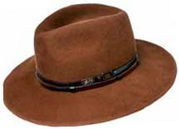 | 37180BH STEDMAN | S, M, L, XL, XXL | Black,Camel,Oak,Stucco
 | 30002BH BARKSDALE | S, M, L, XL | Beech,Black,Whiskey
 | 30001BH WALSH | S, M, L, XL | Black,Plaza Taupe
 | 37186BH ERNEST | S, M, L, XL | Black,Midnight Brown,Unbleached
 | 37185BH ELLETT | S, M, L, XL | Avion,Black,Soft Khaki
 | 20006BH DEVERS | S, M, L, XL | Ink Blue,Plaza Taupe
 | 37173BH AMMON | S, M, L, XL | Peacoat,Plaza Taupe,Saddle,Steel
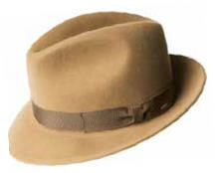 | 37171BH WINTERS | S, M, L, XL | Peacoat,Plaza Taupe,Saddle,Steel
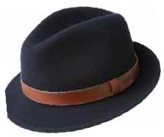 | 37161BH PERRY | S, M, L, XL | Navy,Serpent,Walnut
 | 37158BH BRANDT | S, M, L, XL, XXL, XXXL | Black,Black Mix,Bluestone,Walnut
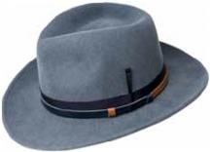 | 70657BH FALCON | S, M, L, XL | Avion,Black
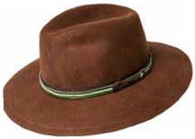 | 70658BH MOLIN | S, M, L, XL | Black,Oak
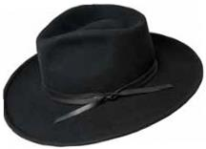 | 70659BH COLVIN | S, M, L, XL | Black,Honey,Uniform Green
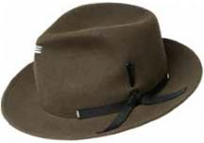 | 70660BH ERLER | S, M, L, XL | Black,Nickel,Satin Brass,Uniform Green
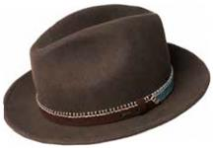 | 70656BH ACKER | S, M, L, XL | Black,Midnight Brown,Unbleached
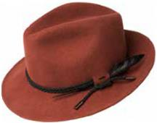 | 70655BH LUND | S, M, L, XL | Black,Ochre
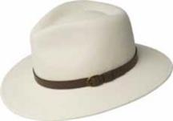 | 7006 BRIAR | S, M, L, XL | Black,Unbleached,Woodland Mix
 | 7034 BLIXEN | S, M, L, XL, XXL | Navy,Nickel,Satin Brass,Silverbelly,Vintage Blue
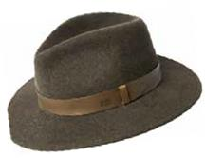 | 70613BH SPERLING | S, M, L, XL | Bluestone,Serpent,Woodland Mix
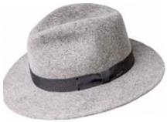 | 7005 CURTIS | S, M, L, XL, XXL | Sea Breeze,Serpent,Speckled Egg Mix,Uniform Green,Vintage Blue
 | 7021 DARRON | S, M, L, XL, XXL | Black,Caramel,Gun Metal,Satin Brass,Soft Khaki
 | 70653BH BURNELL | S, M, L, XL | Natural Mix,Ochre
 | 7002 FEDORA | S, M, L, XL | Black,Graphite,Nickel,Red
 | 70654BH TREPORT | S, M, L, XL | Ink Blue,Olive Mix,Rust
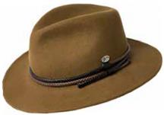 | 70646BH NELLES | S, M, L, XL | Black,Camel,Pale Olive,Whiskey
 | 70652BH MARACK | S, M, L, XL | Black,Oxford Mix
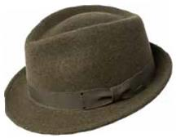 | 7016 WYNN | S, M, L, XL | Oxblood,Pewter,Serpent,Silverbelly
 | 7055 ATMORE | S, M, L, XL | Medium Brown Mix
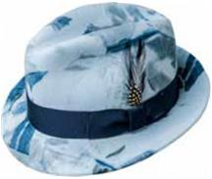 | 7001 TINO | S, M, L, XL, XXL | Contrapposto,Copper,Natural Mix,Navy,Port
 | 38367BH NIALL | S, M, L, XL | Black,Cognac,Fawn
 | 38359BH TROPE | S, M, L, XL | Black,Uniform Green
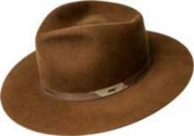 | 38368BH CYD | S, M, L, XL | Avion,Black,Whiskey
 | 38366BH THALER | S, M, L, XL | Black,Nickel,Uniform Green
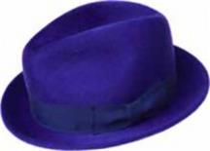 | 7100 RIFF | S, M, L, XL, XXL | Black,Lazuli Blue,Mink,Ochre
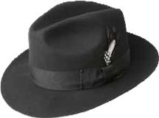 | 3814 GANGSTER | S, M, L, XL, XXL | Black
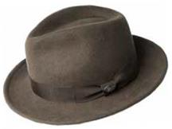 | 38345BH MAGLOR | S, M, L, XL | Black,Chocolate,Forest,Navy
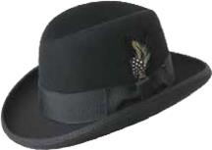 | 3817 GODFATHER | S, M, L, XL, XXL | Black
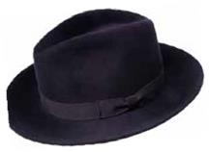 | 71001BH CRISS | S, M, L, XL | Bitter Chocolate,Black,Mink,Night Shade,Navy
 | 38357BH KISNER | S, M, L, XL | Black,Silver Sand
 | 38350BH PISTON | S, M, L, XL | Black,Caramel,Navy,Olive
 | 10001BH BRODNAX | S, M, L, XL | Black,Olive,Oil,Plaza Taupe
 | 38358BH STERNE | S, M, L, XL | Ochre,Soft Khaki
 | 38349BH KLAXON | S, M, L, XL | Black,Navy
 | 1451 JETT | 6 3/4, 6 7/8, 7, 7 1/8, 7 1/4, 7 3/8, 7 1/2, 7 5/8 | Black
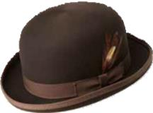 | 3816 DERBY | S, M, L, XL, XXL | Black,Brown,White,Birch,Black,Coconut,Deep Red,Espresso
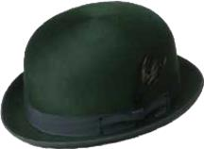 | 1452 HARKER | 6 3/4, 6 7/8, 7, 7 1/8, 7 1/4, 7 3/8, 7 1/2, 7 5/8 | Black,Hemlock
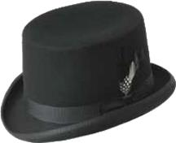 | 3813 ICE | S, M, L, XL | Black
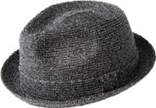 | 81670 BILLY | S, M, L, XL, XXL | Fog,Latte,Navy,Static,Tan
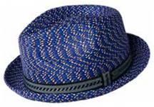 | 81690 MANNES | S, M, L, XL, XXL | Cement Multi,Deep,Red Multi,Light,Grey Multi,Natural Multi,Charcoal Multi,Navy Multi,Nordic Multi,Overcast,Skydiver,Woods Multi
 | 25550BH DERIN | S, M, L, XL | Black,Blue,Bronze
 | 25552BH CLAUD | S, M, L, XL | Black,Blue,Bronze
 | 25553BH ABEL | S, M, L, XL | Copper,Green,Grey
 | 25554BH LOU | S, M, L, XL | Oak,Plaid
 | 25555BH APOSTO | S, M, L, XL | Beige,Stripe,Black,Stripe,Avion,Stripe
 | 25551BH FOSTER | S, M, L, XL | Avion,Black,Oak
 | 25556BH GRIFF | S, M, L, XL | Avion,Plaid,Oak,Twill,Uniform Green,Plaid
 | 25557BH BRUNE | S, M, L, XL | Avion,Grey
 | 25558BH FURMAN | S, M, L, XL | Blue,Plaid,Copper,Plaid,Uniform Green,Plaid
 | 25150BH REFFELL | S, M, L, XL | Black,Copper
 | 25548BH FINNEGAN | S, M, L, XL | Black,Ochre
 | 1365 GRAHAM | S, M, L, XL, XXL | Black,Chino,Navy,Tan
 | 25440 ORMOND | S, M, L, XL, XXL | Black,Paid,Brown,Herringbone
 | 25111 LAZAR | S, M, L, XL | Dark,Coffee
 | 25101 STOCKTON | S, M, L, XL | Black
 | 25102 TAXTEN | S, M, L, XL | Brown
 | 25100 NOCLIN | S, M, L, XL | Black
 | 25141BH BRODIE | S, M, L, XL | Marl,Black,Navy,Plaid
 | 25119 VERNON | S, M, L, XL | Black,Brown
 | 25105 VEGA | S, M, L, XL | Black
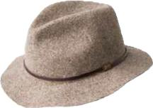 | 1369 JACKMAN | 46-006-55-00 | Charcoal,Dk.,Brown,Navy
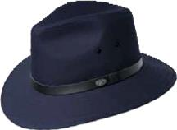 | 1362 DALTON | 46-002-32-00 | Black,Chino,Navy,Tan
 |  | 46-002-55-00
 |  | 81-004-09
 |  | 44-018-12-00
 |  | 44-018-36-00
 |  | 44-018-08-00
 |  | 46-005-14-00
 |  | 44-018-66-00
 |  | 46-004-90-00
 |  | 46-004-90-00
 |  | 46-004-03-00
 |  | 46-004-12-00
 |  | 46-004-09-00
 |  | 60-026-09
 |  | 60-029-05
 |  | 60-029-16
 |  | 44-018-19-00
 |  | 46-003-78-00
 |  | 46-004-05-00
 |  | 60-029-16

