Результат
Photo | Path | Style | Sizes | Colors | New Path
 | Image_001.jpg | 61442BH NILSON | S, M, L, XL | Copper | Image_001.jpg
 |  | 61442BH NILSON | S, M, L, XL | Slate | Image_002.jpg
 |  | 61442BH NILSON | S, M, L, XL | Uniform Green | 0
 | Image_004.png | 61424BH RALAT | S, M, L, XL | Black | Image_004.png
 |  | 61424BH RALAT | S, M, L, XL | Charcoal | Image_005.png
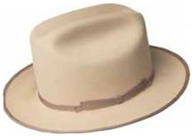 | Image_007.png | 61432BH THE ARCHITECT | S, M, L, XL | Black | Image_007.png
 |  | 61432BH THE ARCHITECT | S, M, L, XL | Buckskin | Image_008.png
 | Image_010.png | 61430BH TRINELL | S, M, L, XL | Black | Image_010.png
 |  | 61430BH TRINELL | S, M, L, XL | Light Mink | Image_011.png
 | Image_013.png | 61428BH GIRVIN | S, M, L, XL | Black | Image_013.png
 |  | 61428BH GIRVIN | S, M, L, XL | Chocolate | Image_014.png
 | Image_016.png | 61433BH CAVALIER | S, M, L, XL | Black | Image_016.png
 |  | 61433BH CAVALIER | S, M, L, XL | Maple | Image_017.png
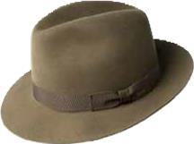 | Image_019.png | 6140 DRAPER III | 6 7/8, 7, 7 1/8, 7 1/4, 7 3/8, 7 1/2, 7 5/8 | Black | Image_019.png
 |  | 6140 DRAPER III | 6 7/8, 7, 7 1/8, 7 1/4, 7 3/8, 7 1/2, 7 5/8 | Charcoal | Image_020.png
 |  | 6140 DRAPER III | 6 7/8, 7, 7 1/8, 7 1/4, 7 3/8, 7 1/2, 7 5/8 | Cognac | 0
 |  | 6140 DRAPER III | 6 7/8, 7, 7 1/8, 7 1/4, 7 3/8, 7 1/2, 7 5/8 | Olive | 0
 | Image_022.png | 47009BH FLUME | S, M, L, XL | Aubergine | Image_022.png
 |  | 47009BH FLUME | S, M, L, XL | Black | Image_023.png
 |  | 47009BH FLUME | S, M, L, XL | Mink | 0
 | Image_025.png | 61426BH AUMAN | S, M, L, XL | Black | Image_025.png
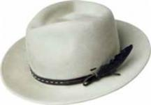 | Image_028.jpg | 37188BH COLBY | S, M, L, XL | Black | Image_028.jpg
 |  | 37188BH COLBY | S, M, L, XL | Nickel | Image_029.jpg
 |  | 37188BH COLBY | S, M, L, XL | Soft Khaki | 0
 |  | 37188BH COLBY | S, M, L, XL | Stucco | 0
 | Image_031.jpg | 37189BH GODWIN | S, M, L, XL | Black | Image_031.jpg
 |  | 37189BH GODWIN | S, M, L, XL | Eggplant | Image_032.jpg
 |  | 37189BH GODWIN | S, M, L, XL | Lazuli Blue | 0
 |  | 37189BH GODWIN | S, M, L, XL | Oak | 0
 |  | 37189BH GODWIN | S, M, L, XL | Taupe | 0
 | Image_034.png | 37190BH TREVEL | S, M, L, XL | Black | Image_034.png
 |  | 37190BH TREVEL | S, M, L, XL | Copper | Image_035.png
 |  | 37190BH TREVEL | S, M, L, XL | Nickel | 0
 | Image_037.png | 20009BH COLTER | S, M, L, XL | Black | Image_037.png
 |  | 20009BH COLTER | S, M, L, XL | Nickel | Image_038.png
 |  | 20009BH COLTER | S, M, L, XL | Oak | 0
 | Image_040.png | 30003BH LANG | S, M, L, XL | Avion | Image_040.png
 |  | 30003BH LANG | S, M, L, XL | Black | Image_041.png
 |  | 30003BH LANG | S, M, L, XL | Uniform Green | 0
 | Image_043.jpg | 37192BH CROFT | S, M, L, XL | Black | Image_043.jpg
 |  | 37192BH CROFT | S, M, L, XL | Copper | Image_044.jpg
 |  | 37192BH CROFT | S, M, L, XL | Taupe | 0
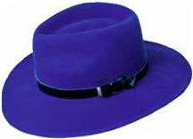 | Image_046.png | 37191BH LEVON | S, M, L, XL | Black | Image_046.png
 |  | 37191BH LEVON | S, M, L, XL | Lazuli Blue | Image_047.png
 |  | 37191BH LEVON | S, M, L, XL | Oak | 0
 | Image_049.png | 37193BH CONLON | S, M, L, XL | Black | Image_049.png
 |  | 37193BH CONLON | S, M, L, XL | Lazuli Blue | Image_050.png
 |  | 37193BH CONLON | S, M, L, XL | Uniform Green | 0
 | Image_052.jpg | 20001BH COLVER | S, M, L, XL | Greige | Image_052.jpg
 |  | 20001BH COLVER | S, M, L, XL | Honey | Image_053.jpg
 |  | 20001BH COLVER | S, M, L, XL | Ochre | 0
 |  | 20001BH COLVER | S, M, L, XL | Silver Lining | 0
 |  | 20001BH COLVER | S, M, L, XL | Avion | 0
 |  | 20001BH COLVER | S, M, L, XL | Black | 0
 |  | 20001BH COLVER | S, M, L, XL | Chestnut | 0
 | Image_056.png | 37172BH BOGAN | S, M, L, XL | Peacoat | Image_056.png
 |  | 37172BH BOGAN | S, M, L, XL | Plaza Taupe | Image_057.png
 |  | 37172BH BOGAN | S, M, L, XL | Saddle | 0
 |  | 37172BH BOGAN | S, M, L, XL | Steel | 0
 |  | 37172BH BOGAN | S, M, L, XL | Almond | 0
 |  | 37172BH BOGAN | S, M, L, XL | Black | 0
 |  | 37172BH BOGAN | S, M, L, XL | Camel | 0
 | Image_060.png | 20007BH CLORINDON | S, M, L, XL | Black | Image_060.png
 |  | 20007BH CLORINDON | S, M, L, XL | Unbleached | Image_061.png
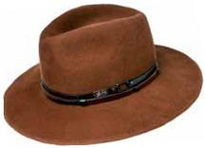 | Image_063.png | 37180BH STEDMAN | S, M, L, XL, XXL | Black | Image_063.png
 |  | 37180BH STEDMAN | S, M, L, XL, XXL | Camel | Image_064.png
 |  | 37180BH STEDMAN | S, M, L, XL, XXL | Oak | 0
 |  | 37180BH STEDMAN | S, M, L, XL, XXL | Stucco | 0
 | Image_066.jpg | 30002BH BARKSDALE | S, M, L, XL | Beech | Image_066.jpg
 |  | 30002BH BARKSDALE | S, M, L, XL | Black | Image_067.jpg
 |  | 30002BH BARKSDALE | S, M, L, XL | Whiskey | 0
 | Image_069.png | 30001BH WALSH | S, M, L, XL | Black | Image_069.png
 |  | 30001BH WALSH | S, M, L, XL | Plaza Taupe | Image_070.png
 | Image_072.jpg | 37186BH ERNEST | S, M, L, XL | Black | Image_072.jpg
 |  | 37186BH ERNEST | S, M, L, XL | Midnight Brown | Image_073.jpg
 |  | 37186BH ERNEST | S, M, L, XL | Unbleached | 0
 | Image_075.jpg | 37185BH ELLETT | S, M, L, XL | Avion | Image_075.jpg
 |  | 37185BH ELLETT | S, M, L, XL | Black | Image_076.jpg
 |  | 37185BH ELLETT | S, M, L, XL | Soft Khaki | 0
 | Image_078.png | 20006BH DEVERS | S, M, L, XL | Ink Blue | Image_078.png
 |  | 20006BH DEVERS | S, M, L, XL | Plaza Taupe | Image_079.png
 | Image_081.png | 37173BH AMMON | S, M, L, XL | Peacoat | Image_081.png
 |  | 37173BH AMMON | S, M, L, XL | Plaza Taupe | Image_082.png
 |  | 37173BH AMMON | S, M, L, XL | Saddle | 0
 |  | 37173BH AMMON | S, M, L, XL | Steel | 0
 |  | 37173BH AMMON | S, M, L, XL | Almond | 0
 |  | 37173BH AMMON | S, M, L, XL | Black | 0
 |  | 37173BH AMMON | S, M, L, XL | Camel | 0
 |  | 37173BH AMMON | S, M, L, XL | Henna | 0
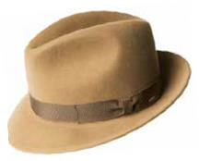 | Image_085.png | 37171BH WINTERS | S, M, L, XL | Peacoat | Image_085.png
 |  | 37171BH WINTERS | S, M, L, XL | Plaza Taupe | Image_086.png
 |  | 37171BH WINTERS | S, M, L, XL | Saddle | 0
 |  | 37171BH WINTERS | S, M, L, XL | Steel | 0
 |  | 37171BH WINTERS | S, M, L, XL | Almond | 0
 |  | 37171BH WINTERS | S, M, L, XL | Black | 0
 |  | 37171BH WINTERS | S, M, L, XL | Camel | 0
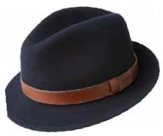 | Image_089.png | 37161BH PERRY | S, M, L, XL | Navy | Image_089.png
 |  | 37161BH PERRY | S, M, L, XL | Serpent | Image_090.png
 |  | 37161BH PERRY | S, M, L, XL | Walnut | 0
 | Image_092.png | 37158BH BRANDT | S, M, L, XL, XXL, XXXL | Black | Image_092.png
 |  | 37158BH BRANDT | S, M, L, XL, XXL, XXXL | Black Mix | Image_093.png
 |  | 37158BH BRANDT | S, M, L, XL, XXL, XXXL | Bluestone | 0
 |  | 37158BH BRANDT | S, M, L, XL, XXL, XXXL | Walnut | 0
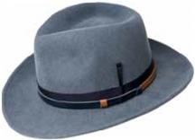 | Image_095.png | 70657BH FALCON | S, M, L, XL | Avion | Image_095.png
 |  | 70657BH FALCON | S, M, L, XL | Black | Image_096.png
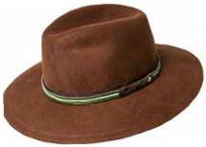 | Image_098.png | 70658BH MOLIN | S, M, L, XL | Black | Image_098.png
 |  | 70658BH MOLIN | S, M, L, XL | Oak | Image_099.png
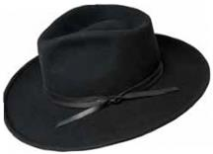 | Image_101.png | 70659BH COLVIN | S, M, L, XL | Black | Image_101.png
 |  | 70659BH COLVIN | S, M, L, XL | Honey | Image_102.png
 |  | 70659BH COLVIN | S, M, L, XL | Uniform Green | 0
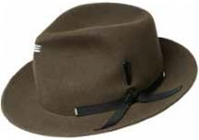 | Image_104.png | 70660BH ERLER | S, M, L, XL | Black | Image_104.png
 |  | 70660BH ERLER | S, M, L, XL | Nickel | Image_105.png
 |  | 70660BH ERLER | S, M, L, XL | Satin Brass | 0
 |  | 70660BH ERLER | S, M, L, XL | Uniform Green | 0
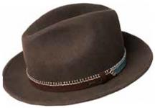 | Image_107.png | 70656BH ACKER | S, M, L, XL | Black | Image_107.png
 |  | 70656BH ACKER | S, M, L, XL | Midnight Brown | Image_108.png
 |  | 70656BH ACKER | S, M, L, XL | Unbleached | 0
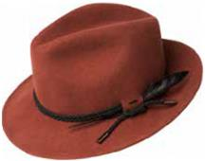 | Image_110.png | 70655BH LUND | S, M, L, XL | Black | Image_110.png
 |  | 70655BH LUND | S, M, L, XL | Ochre | Image_111.png
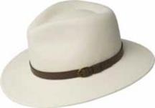 | Image_113.jpg | 7006 BRIAR | S, M, L, XL | Black | Image_113.jpg
 |  | 7006 BRIAR | S, M, L, XL | Unbleached | Image_114.jpg
 |  | 7006 BRIAR | S, M, L, XL | Woodland Mix | 0
 | Image_117.jpg | 7034 BLIXEN | S, M, L, XL, XXL | Navy | Image_117.jpg
 |  | 7034 BLIXEN | S, M, L, XL, XXL | Nickel | Image_118.jpg
 |  | 7034 BLIXEN | S, M, L, XL, XXL | Satin Brass | 0
 |  | 7034 BLIXEN | S, M, L, XL, XXL | Silverbelly | 0
 |  | 7034 BLIXEN | S, M, L, XL, XXL | Vintage Blue | 0
 |  | 7034 BLIXEN | S, M, L, XL, XXL | Black | 0
 |  | 7034 BLIXEN | S, M, L, XL, XXL | Cognac | 0
 |  | 7034 BLIXEN | S, M, L, XL, XXL | Copper | 0
 |  | 7034 BLIXEN | S, M, L, XL, XXL | Medium Brown Mix | 0
 |  | 7034 BLIXEN | S, M, L, XL, XXL | Basalt | 0
 |  | 7034 BLIXEN | S, M, L, XL, XXL | Avion | 0
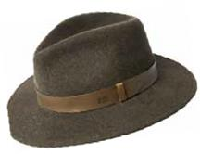 | Image_121.png | 70613BH SPERLING | S, M, L, XL | Bluestone | Image_121.png
 |  | 70613BH SPERLING | S, M, L, XL | Serpent | Image_122.png
 |  | 70613BH SPERLING | S, M, L, XL | Woodland Mix | 0
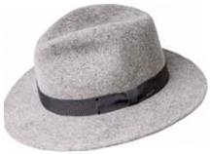 | Image_124.png | 7005 CURTIS | S, M, L, XL, XXL | Sea Breeze | Image_124.png
 |  | 7005 CURTIS | S, M, L, XL, XXL | Serpent | Image_125.png
 |  | 7005 CURTIS | S, M, L, XL, XXL | Speckled Egg Mix | 0
 |  | 7005 CURTIS | S, M, L, XL, XXL | Uniform Green | 0
 |  | 7005 CURTIS | S, M, L, XL, XXL | Vintage Blue | 0
 |  | 7005 CURTIS | S, M, L, XL, XXL | Antique | 0
 |  | 7005 CURTIS | S, M, L, XL, XXL | Black | 0
 |  | 7005 CURTIS | S, M, L, XL, XXL | Contrapposto | 0
 |  | 7005 CURTIS | S, M, L, XL, XXL | Grey | 0
 |  | 7005 CURTIS | S, M, L, XL, XXL | Navy | 0
 | Image_128.png | 7021 DARRON | S, M, L, XL, XXL | Black | Image_128.png
 |  | 7021 DARRON | S, M, L, XL, XXL | Caramel | Image_129.png
 |  | 7021 DARRON | S, M, L, XL, XXL | Gun Metal | 0
 |  | 7021 DARRON | S, M, L, XL, XXL | Satin Brass | 0
 |  | 7021 DARRON | S, M, L, XL, XXL | Soft Khaki | 0
 | Image_131.png | 70653BH BURNELL | S, M, L, XL | Natural Mix | Image_131.png
 |  | 70653BH BURNELL | S, M, L, XL | Ochre | Image_132.png
 | Image_134.png | 7002 FEDORA | S, M, L, XL | Black | Image_134.png
 |  | 7002 FEDORA | S, M, L, XL | Graphite | Image_135.png
 |  | 7002 FEDORA | S, M, L, XL | Nickel | 0
 |  | 7002 FEDORA | S, M, L, XL | Red | 0
 | Image_137.png | 70654BH TREPORT | S, M, L, XL | Ink Blue | Image_137.png
 |  | 70654BH TREPORT | S, M, L, XL | Olive Mix | Image_138.png
 |  | 70654BH TREPORT | S, M, L, XL | Rust | 0
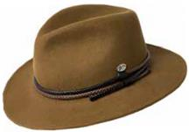 | Image_140.png | 70646BH NELLES | S, M, L, XL | Black | Image_140.png
 |  | 70646BH NELLES | S, M, L, XL | Camel | Image_141.png
 |  | 70646BH NELLES | S, M, L, XL | Pale Olive | 0
 |  | 70646BH NELLES | S, M, L, XL | Whiskey | 0
 | Image_143.png | 70652BH MARACK | S, M, L, XL | Black | Image_143.png
 |  | 70652BH MARACK | S, M, L, XL | Oxford Mix | Image_144.png
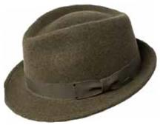 | Image_146.png | 7016 WYNN | S, M, L, XL | Oxblood | Image_146.png
 |  | 7016 WYNN | S, M, L, XL | Pewter | Image_147.png
 |  | 7016 WYNN | S, M, L, XL | Serpent | 0
 |  | 7016 WYNN | S, M, L, XL | Silverbelly | 0
 |  | 7016 WYNN | S, M, L, XL | Black | 0
 |  | 7016 WYNN | S, M, L, XL | Cognac | 0
 |  | 7016 WYNN | S, M, L, XL | Olive Mix | 0
 | Image_150.png | 7055 ATMORE | S, M, L, XL | Medium Brown Mix | Image_150.png
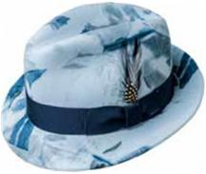 | Image_153.png | 7001 TINO | S, M, L, XL, XXL | Contrapposto | Image_153.png
 |  | 7001 TINO | S, M, L, XL, XXL | Copper | Image_154.png
 |  | 7001 TINO | S, M, L, XL, XXL | Natural Mix | 0
 |  | 7001 TINO | S, M, L, XL, XXL | Navy | 0
 |  | 7001 TINO | S, M, L, XL, XXL | Port | 0
 |  | 7001 TINO | S, M, L, XL, XXL | Red | 0
 |  | 7001 TINO | S, M, L, XL, XXL | Satin Brass | 0
 |  | 7001 TINO | S, M, L, XL, XXL | Sea Breeze | 0
 |  | 7001 TINO | S, M, L, XL, XXL | Unbleached | 0
 |  | 7001 TINO | S, M, L, XL, XXL | Vintage Blue | 0
 |  | 7001 TINO | S, M, L, XL, XXL | Basalt | 0
 |  | 7001 TINO | S, M, L, XL, XXL | Black | 0
 |  | 7001 TINO | S, M, L, XL, XXL | Black Mix | 0
 |  | 7001 TINO | S, M, L, XL, XXL | Brown | 0
 | Image_158.jpg | 38367BH NIALL | S, M, L, XL | Black | Image_158.jpg
 |  | 38367BH NIALL | S, M, L, XL | Cognac | Image_159.jpg
 |  | 38367BH NIALL | S, M, L, XL | Fawn | 0
 | Image_161.png | 38359BH TROPE | S, M, L, XL | Black | Image_161.png
 |  | 38359BH TROPE | S, M, L, XL | Uniform Green | Image_162.png
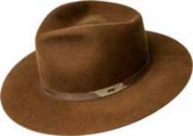 | Image_164.jpg | 38368BH CYD | S, M, L, XL | Avion | Image_164.jpg
 |  | 38368BH CYD | S, M, L, XL | Black | Image_165.jpg
 |  | 38368BH CYD | S, M, L, XL | Whiskey | 0
 | Image_167.png | 38366BH THALER | S, M, L, XL | Black | Image_167.png
 |  | 38366BH THALER | S, M, L, XL | Nickel | Image_168.png
 |  | 38366BH THALER | S, M, L, XL | Uniform Green | 0
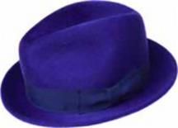 | Image_170.jpg | 7100 RIFF | S, M, L, XL, XXL | Black | Image_170.jpg
 |  | 7100 RIFF | S, M, L, XL, XXL | Lazuli Blue | Image_171.jpg
 |  | 7100 RIFF | S, M, L, XL, XXL | Mink | 0
 |  | 7100 RIFF | S, M, L, XL, XXL | Ochre | 0
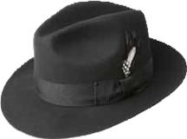 | Image_173.png | 3814 GANGSTER | S, M, L, XL, XXL | Black | Image_173.png
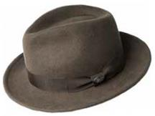 | Image_176.png | 38345BH MAGLOR | S, M, L, XL | Black | Image_176.png
 |  | 38345BH MAGLOR | S, M, L, XL | Chocolate | Image_177.png
 |  | 38345BH MAGLOR | S, M, L, XL | Forest | 0
 |  | 38345BH MAGLOR | S, M, L, XL | Navy | 0
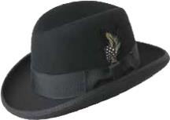 | Image_179.png | 3817 GODFATHER | S, M, L, XL, XXL | Black | Image_179.png
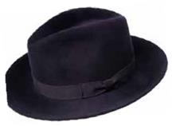 | Image_182.png | 71001BH CRISS | S, M, L, XL | Bitter Chocolate | Image_182.png
 |  | 71001BH CRISS | S, M, L, XL | Black | Image_183.png
 |  | 71001BH CRISS | S, M, L, XL | Mink | 0
 |  | 71001BH CRISS | S, M, L, XL | Night Shade | 0
 |  | 71001BH CRISS | S, M, L, XL | Navy | 0
 | Image_185.jpg | 38357BH KISNER | S, M, L, XL | Black | Image_185.jpg
 |  | 38357BH KISNER | S, M, L, XL | Silver Sand | Image_186.jpg
 | Image_188.png | 38350BH PISTON | S, M, L, XL | Black | Image_188.png
 |  | 38350BH PISTON | S, M, L, XL | Caramel | Image_189.png
 |  | 38350BH PISTON | S, M, L, XL | Navy | 0
 |  | 38350BH PISTON | S, M, L, XL | Olive | 0
 | Image_191.png | 10001BH BRODNAX | S, M, L, XL | Black | Image_191.png
 |  | 10001BH BRODNAX | S, M, L, XL | Olive Oil | Image_192.png
 |  | 10001BH BRODNAX | S, M, L, XL | Plaza Taupe | 0
 | Image_194.jpg | 38358BH STERNE | S, M, L, XL | Ochre | Image_194.jpg
 |  | 38358BH STERNE | S, M, L, XL | Soft Khaki | Image_195.jpg
 | Image_197.png | 38349BH KLAXON | S, M, L, XL | Black | Image_197.png
 |  | 38349BH KLAXON | S, M, L, XL | Navy | Image_198.png
 | Image_200.png | 1451 JETT | 6 3/4, 6 7/8, 7, 7 1/8, 7 1/4, 7 3/8, 7 1/2, 7 5/8 | Black | Image_200.png
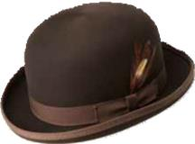 | Image_203.png | 3816 DERBY | S, M, L, XL, XXL | Black | Image_203.png
 |  | 3816 DERBY | S, M, L, XL, XXL | Brown | Image_204.png
 |  | 3816 DERBY | S, M, L, XL, XXL | White | 0
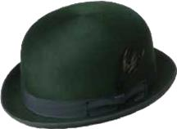 | Image_206.png | 1452 HARKER | 6 3/4, 6 7/8, 7, 7 1/8, 7 1/4, 7 3/8, 7 1/2, 7 5/8 | Black | Image_206.png
 |  | 1452 HARKER | 6 3/4, 6 7/8, 7, 7 1/8, 7 1/4, 7 3/8, 7 1/2, 7 5/8 | Hemlock | Image_207.png
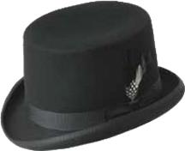 | Image_209.png | 3813 ICE | S, M, L, XL | Black | Image_209.png
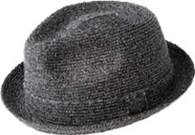 | Image_212.png | 81670 BILLY | S, M, L, XL, XXL | Fog | Image_212.png
 |  | 81670 BILLY | S, M, L, XL, XXL | Latte | Image_213.png
 |  | 81670 BILLY | S, M, L, XL, XXL | Navy | 0
 |  | 81670 BILLY | S, M, L, XL, XXL | Static | 0
 |  | 81670 BILLY | S, M, L, XL, XXL | Tan | 0
 |  | 81670 BILLY | S, M, L, XL, XXL | Birch | 0
 |  | 81670 BILLY | S, M, L, XL, XXL | Black | 0
 |  | 81670 BILLY | S, M, L, XL, XXL | Coconut | 0
 |  | 81670 BILLY | S, M, L, XL, XXL | Deep Red | 0
 |  | 81670 BILLY | S, M, L, XL, XXL | Espresso | 0
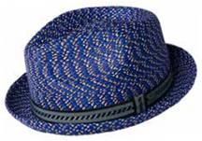 | Image_216.png | 81690 MANNES | S, M, L, XL, XXL | Navy Multi | Image_216.png
 |  | 81690 MANNES | S, M, L, XL, XXL | Nordic Multi | Image_217.png
 |  | 81690 MANNES | S, M, L, XL, XXL | Overcast | 0
 |  | 81690 MANNES | S, M, L, XL, XXL | Skydiver | 0
 |  | 81690 MANNES | S, M, L, XL, XXL | Woods Multi | 0
 |  | 81690 MANNES | S, M, L, XL, XXL | Cement Multi | 0
 |  | 81690 MANNES | S, M, L, XL, XXL | Deep Red | 0
 |  | 81690 MANNES | S, M, L, XL, XXL | Multi Light | 0
 |  | 81690 MANNES | S, M, L, XL, XXL | Grey Multi | 0
 |  | 81690 MANNES | S, M, L, XL, XXL | Natural Multi | 0
 |  | 81690 MANNES | S, M, L, XL, XXL | Brown Multi | 0
 |  | 81690 MANNES | S, M, L, XL, XXL | Charcoal Multi | 0
 | Image_221.png | 25550BH DERIN | S, M, L, XL | Black | Image_221.png
 |  | 25550BH DERIN | S, M, L, XL | Blue | Image_222.png
 |  | 25550BH DERIN | S, M, L, XL | Bronze | 0
 | Image_224.png | 25552BH CLAUD | S, M, L, XL | Black | Image_224.png
 |  | 25552BH CLAUD | S, M, L, XL | Blue | Image_225.png
 |  | 25552BH CLAUD | S, M, L, XL | Bronze | 0
 | Image_227.png | 25553BH ABEL | S, M, L, XL | Copper | Image_227.png
 |  | 25553BH ABEL | S, M, L, XL | Green | Image_228.png
 |  | 25553BH ABEL | S, M, L, XL | Grey | 0
 | Image_230.png | 25554BH LOU | S, M, L, XL | Oak Plaid | Image_230.png
 | Image_233.png | 25555BH APOSTO | S, M, L, XL | Beige Stripe | Image_233.png
 |  | 25555BH APOSTO | S, M, L, XL | Black Stripe | Image_234.png
 |  | 25555BH APOSTO | S, M, L, XL | Avion Stripe | 0
 | Image_236.png | 25551BH FOSTER | S, M, L, XL | Avion | Image_236.png
 |  | 25551BH FOSTER | S, M, L, XL | Black | Image_237.png
 |  | 25551BH FOSTER | S, M, L, XL | Oak | 0
 | Image_239.png | 25556BH GRIFF | S, M, L, XL | Avion Plaid | Image_239.png
 |  | 25556BH GRIFF | S, M, L, XL | Oak Twill | Image_240.png
 |  | 25556BH GRIFF | S, M, L, XL | Uniform Green | 0
 |  | 25556BH GRIFF | S, M, L, XL | Plaid | 0
 | Image_242.png | 25557BH BRUNE | S, M, L, XL | Avion | Image_242.png
 |  | 25557BH BRUNE | S, M, L, XL | Grey | Image_243.png
 | Image_245.png | 25558BH FURMAN | S, M, L, XL | Blue Plaid | Image_245.png
 |  | 25558BH FURMAN | S, M, L, XL | Copper Plaid | Image_246.png
 |  | 25558BH FURMAN | S, M, L, XL | Uniform Green | 0
 |  | 25558BH FURMAN | S, M, L, XL | Plaid | 0
 | Image_248.png | 25150BH REFFELL | S, M, L, XL | Black | Image_248.png
 |  | 25150BH REFFELL | S, M, L, XL | Copper | Image_249.png
 | Image_251.png | 25548BH FINNEGAN | S, M, L, XL | Black | Image_251.png
 |  | 25548BH FINNEGAN | S, M, L, XL | Ochre | Image_252.png
 | Image_254.png | 1365 GRAHAM | S, M, L, XL, XXL | Black | Image_254.png
 |  | 1365 GRAHAM | S, M, L, XL, XXL | Chino | Image_255.png
 |  | 1365 GRAHAM | S, M, L, XL, XXL | Navy | 0
 |  | 1365 GRAHAM | S, M, L, XL, XXL | Tan | 0
 | Image_257.png | 25440 ORMOND | S, M, L, XL, XXL | Black Paid | Image_257.png
 |  | 25440 ORMOND | S, M, L, XL, XXL | Brown Herringbone | Image_258.png
 | Image_260.png | 25111 LAZAR | S, M, L, XL | Dark Coffee | Image_260.png
 | Image_263.png | 25101 STOCKTON | S, M, L, XL | Black | Image_263.png
 | Image_266.png | 25102 TAXTEN | S, M, L, XL | Brown | Image_266.png
 | Image_269.png | 25100 NOCLIN | S, M, L, XL | Black | Image_269.png
 | Image_272.png | 25141BH BRODIE | S, M, L, XL | Marl Black | Image_272.png
 |  | 25141BH BRODIE | S, M, L, XL | Navy Plaid | Image_273.png
 | Image_275.png | 25119 VERNON | S, M, L, XL | Black | Image_275.png
 |  | 25119 VERNON | S, M, L, XL | Brown | Image_276.png
 | Image_278.png | 25105 VEGA | S, M, L, XL | Black | Image_278.png
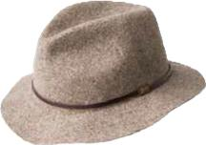 | Image_281.png | 1369 JACKMAN | S, M, L, XL, XXL | Charcoal | Image_281.png
 |  | 1369 JACKMAN | S, M, L, XL, XXL | Dk. Brown | Image_282.png
 |  | 1369 JACKMAN | S, M, L, XL, XXL | Navy | 0
 |  | 1369 JACKMAN | S, M, L, XL, XXL | Black | 0
 |  | 1369 JACKMAN | S, M, L, XL, XXL | Burgundy | 0
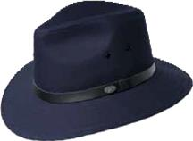 | Image_285.png | 1362 DALTON | S, M, L, XL, XXL | Black | Image_285.png
 |  | 1362 DALTON | S, M, L, XL, XXL | Chino | Image_286.png
 |  | 1362 DALTON | S, M, L, XL, XXL | Navy | 0
 |  | 1362 DALTON | S, M, L, XL, XXL | Tan | 0

