63495_02-12-2021_15h39m9s
Photos | Urls | Images
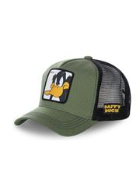 | https://www.wildberries.ru/catalog/45286012/detail.aspx?targetUrl=EX | https://images.wbstatic.net/big/new/45280000/45286012-1.jpg
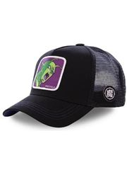 | https://www.wildberries.ru/catalog/36135185/detail.aspx?targetUrl=EX | https://images.wbstatic.net/big/new/36130000/36135185-1.jpg
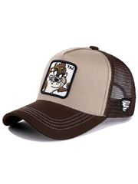 | https://www.wildberries.ru/catalog/36135187/detail.aspx?targetUrl=EX | https://images.wbstatic.net/big/new/36130000/36135187-1.jpg
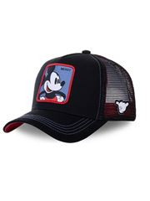 | https://www.wildberries.ru/catalog/45287365/detail.aspx?targetUrl=EX | https://images.wbstatic.net/big/new/45280000/45287365-1.jpg
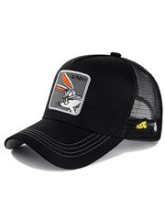 | https://www.wildberries.ru/catalog/36135184/detail.aspx?targetUrl=EX | https://images.wbstatic.net/big/new/36130000/36135184-1.jpg
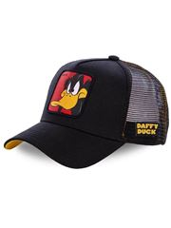 | https://www.wildberries.ru/catalog/36135186/detail.aspx?targetUrl=EX | https://images.wbstatic.net/big/new/36130000/36135186-1.jpg
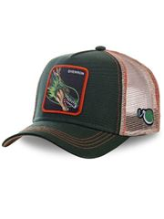 | https://www.wildberries.ru/catalog/36135188/detail.aspx?targetUrl=EX | https://images.wbstatic.net/big/new/36130000/36135188-1.jpg
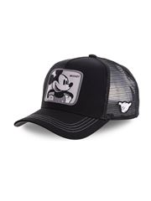 | https://www.wildberries.ru/catalog/45286011/detail.aspx?targetUrl=EX | https://images.wbstatic.net/big/new/45280000/45286011-1.jpg

