258859_02-12-2021_15h53m40s
Photos | Urls | Images
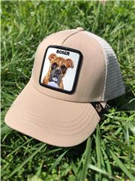 | https://www.wildberries.ru/catalog/33907187/detail.aspx?targetUrl=EX | https://images.wbstatic.net/big/new/33900000/33907187-1.jpg
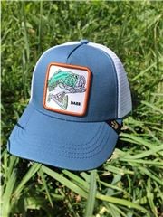 | https://www.wildberries.ru/catalog/33907186/detail.aspx?targetUrl=EX | https://images.wbstatic.net/big/new/33900000/33907186-1.jpg
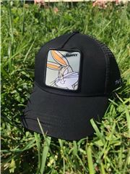 | https://www.wildberries.ru/catalog/33907188/detail.aspx?targetUrl=EX | https://images.wbstatic.net/big/new/33900000/33907188-1.jpg
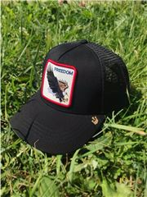 | https://www.wildberries.ru/catalog/33907189/detail.aspx?targetUrl=EX | https://images.wbstatic.net/big/new/33900000/33907189-1.jpg
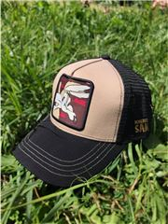 | https://www.wildberries.ru/catalog/33907190/detail.aspx?targetUrl=EX | https://images.wbstatic.net/big/new/33900000/33907190-1.jpg

