luxe-belt_02-12-2021_17h38m33s
Photos | Urls | Images
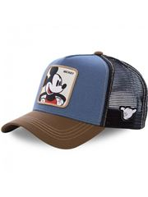 | https://www.wildberries.ru/catalog/46327295/detail.aspx?targetUrl=BP | https://images.wbstatic.net/big/new/46320000/46327295-1.jpg
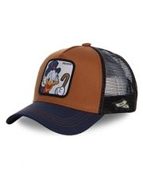 | https://www.wildberries.ru/catalog/46327296/detail.aspx?targetUrl=BP | https://images.wbstatic.net/big/new/46320000/46327296-1.jpg
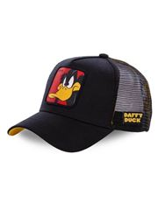 | https://www.wildberries.ru/catalog/46327029/detail.aspx?targetUrl=BP | https://images.wbstatic.net/big/new/46320000/46327029-1.jpg

