107885_02-12-2021_15h42m11s
Photos | Urls | Images
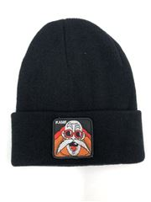 | https://www.wildberries.ru/catalog/45166805/detail.aspx?targetUrl=EX | https://images.wbstatic.net/big/new/45160000/45166805-1.jpg
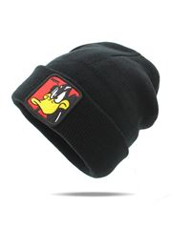 | https://www.wildberries.ru/catalog/45166803/detail.aspx?targetUrl=EX | https://images.wbstatic.net/big/new/45160000/45166803-1.jpg
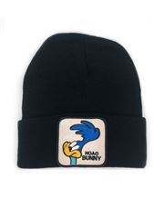 | https://www.wildberries.ru/catalog/45166804/detail.aspx?targetUrl=EX | https://images.wbstatic.net/big/new/45160000/45166804-1.jpg
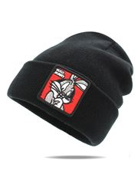 | https://www.wildberries.ru/catalog/45166806/detail.aspx?targetUrl=EX | https://images.wbstatic.net/big/new/45160000/45166806-1.jpg
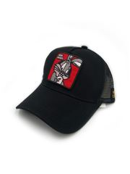 | https://www.wildberries.ru/catalog/45163196/detail.aspx?targetUrl=EX | https://images.wbstatic.net/big/new/45160000/45163196-1.jpg
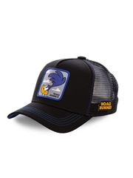 | https://www.wildberries.ru/catalog/45163194/detail.aspx?targetUrl=EX | https://images.wbstatic.net/big/new/45160000/45163194-1.jpg
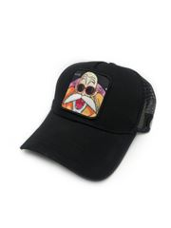 | https://www.wildberries.ru/catalog/45163195/detail.aspx?targetUrl=EX | https://images.wbstatic.net/big/new/45160000/45163195-1.jpg
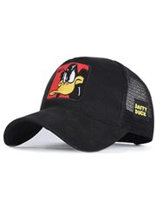 | https://www.wildberries.ru/catalog/45163197/detail.aspx?targetUrl=EX | https://images.wbstatic.net/big/new/45160000/45163197-1.jpg

