shopshop_02-12-2021_17h49m21s
Photos |  | Urls | Images
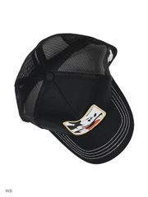 | 1 | https://www.wildberries.ru/catalog/37784493/detail.aspx?targetUrl=BP | https://images.wbstatic.net/big/new/37780000/37784493-1.jpg
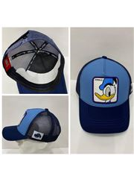 | 1 | https://www.wildberries.ru/catalog/27445386/detail.aspx?targetUrl=BP | https://images.wbstatic.net/big/new/27440000/27445386-1.jpg
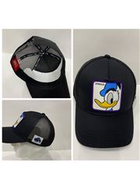 | 1 | https://www.wildberries.ru/catalog/26895474/detail.aspx?targetUrl=BP | https://images.wbstatic.net/big/new/26890000/26895474-1.jpg
 | 1 | https://www.wildberries.ru/catalog/26859561/detail.aspx?targetUrl=BP | https://images.wbstatic.net/big/new/26850000/26859561-1.jpg

