southtrade_02-12-2021_16h45m54s
Photos | Urls | Images
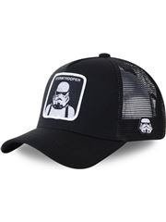 | https://www.wildberries.ru/catalog/40483528/detail.aspx?targetUrl=BP | https://images.wbstatic.net/big/new/40480000/40483528-1.jpg
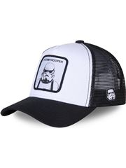 | https://www.wildberries.ru/catalog/40483529/detail.aspx?targetUrl=BP | https://images.wbstatic.net/big/new/40480000/40483529-1.jpg

