sparkgood_02-12-2021_16h56m59s
Photos | Urls | Images
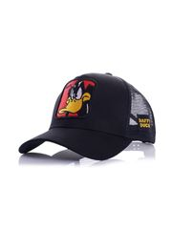 | https://www.wildberries.ru/catalog/38247473/detail.aspx?targetUrl=BP | https://images.wbstatic.net/big/new/38240000/38247473-1.jpg
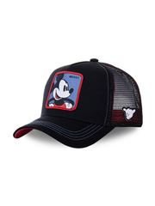 | https://www.wildberries.ru/catalog/38247470/detail.aspx?targetUrl=BP | https://images.wbstatic.net/big/new/38240000/38247470-1.jpg
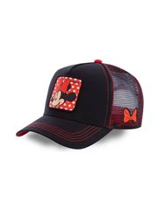 | https://www.wildberries.ru/catalog/38247472/detail.aspx?targetUrl=BP | https://images.wbstatic.net/big/new/38240000/38247472-1.jpg
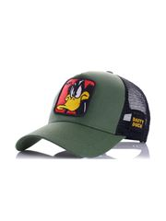 | https://www.wildberries.ru/catalog/38247474/detail.aspx?targetUrl=BP | https://images.wbstatic.net/big/new/38240000/38247474-1.jpg
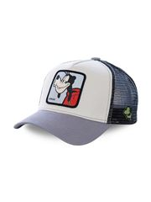 | https://www.wildberries.ru/catalog/38247475/detail.aspx?targetUrl=BP | https://images.wbstatic.net/big/new/38240000/38247475-1.jpg
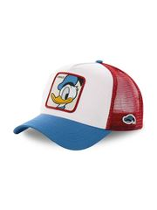 | https://www.wildberries.ru/catalog/38247476/detail.aspx?targetUrl=BP | https://images.wbstatic.net/big/new/38240000/38247476-1.jpg
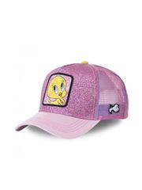 | https://www.wildberries.ru/catalog/38247478/detail.aspx?targetUrl=BP | https://images.wbstatic.net/big/new/38240000/38247478-1.jpg
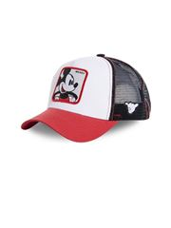 | https://www.wildberries.ru/catalog/38247469/detail.aspx?targetUrl=BP | https://images.wbstatic.net/big/new/38240000/38247469-1.jpg
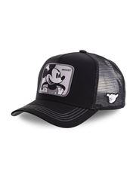 | https://www.wildberries.ru/catalog/38247471/detail.aspx?targetUrl=BP | https://images.wbstatic.net/big/new/38240000/38247471-1.jpg
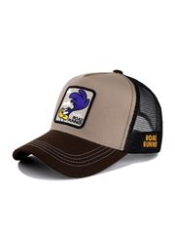 | https://www.wildberries.ru/catalog/38247477/detail.aspx?targetUrl=BP | https://images.wbstatic.net/big/new/38240000/38247477-1.jpg

