104857_02-12-2021_15h34m19s
Photos | Urls | Images
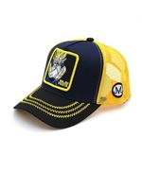 | https://www.wildberries.ru/catalog/33404665/detail.aspx?targetUrl=EX | https://images.wbstatic.net/big/new/33400000/33404665-1.jpg | https://www.capslab.fr/en/casquette-junior/548-boy-s-capslab-dragon-ball-z-majin-vegeta-junior-cap.html
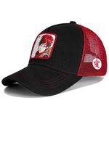 | https://www.wildberries.ru/catalog/33404663/detail.aspx?targetUrl=EX | https://images.wbstatic.net/big/new/33400000/33404663-1.jpg
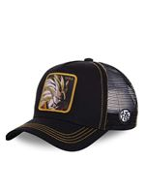 | https://www.wildberries.ru/catalog/33404664/detail.aspx?targetUrl=EX | https://images.wbstatic.net/big/new/33400000/33404664-1.jpg

