Presentations
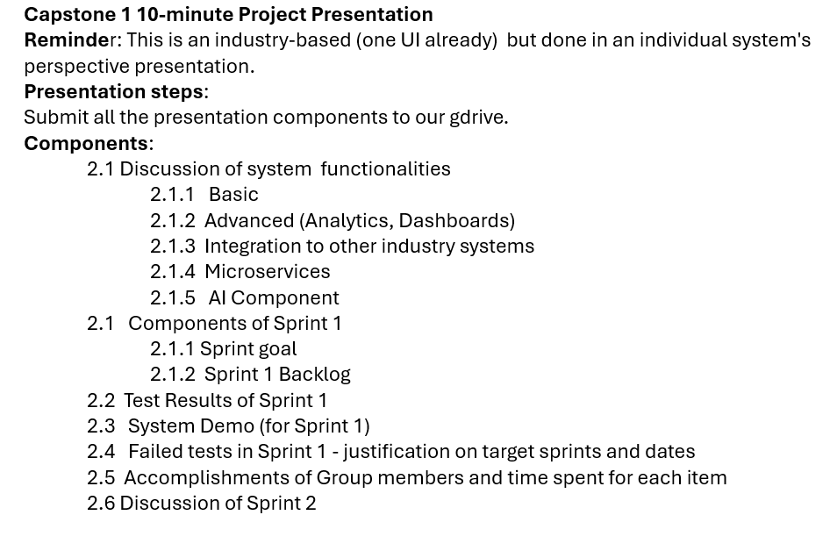

BSIT 3-1 | 7:00-7:40 | Transpo | 4 groups
BSIT 3-2 | 7:41 - 8:21 | Education | 4 groups
BSIT 3-1 | 8:22 - 8:52 | Retail | 3 groups
BSIT 3-2 | 8:53- 9:23 | Retail | 3 groups
BSIT 3-1 | 9:24-10:04 | Retail | 4 groups

