Incidents
Step 1: Convert outage date to epoch
SELECT
DATE_PART(EPOCH_MILLISECOND, '2025-12-16 00:00:00'::TIMESTAMP_NTZ) AS outage_start,
TO_TIMESTAMP_LTZ(1712234103824/1000) AS sample_old_file, -- April 2024
TO_TIMESTAMP_LTZ(1734307200000/1000) AS dec_16_2025;
-- outage_start: 1734307200000 (prefix "17343072")
Step 2: Analyze actual file epochs
LIST @pd_policy_raw.peak_v5.%auto_peak_policy_api_response;
SELECT "name", TRY_TO_NUMBER(SPLIT_PART(SPLIT_PART(SPLIT_PART("name", '/', -1), '.json', 1), '', 3)) AS file_epoch, TO_TIMESTAMP_LTZ(TRY_TO_NUMBER(SPLIT_PART(SPLIT_PART(SPLIT_PART("name", '/', -1), '.json', 1), '', 3))/1000) AS timestamp FROM TABLE(RESULT_SCAN(LAST_QUERY_ID())) WHERE file_epoch >= 1734307200000
-- Only Dec 16+ files ORDER BY file_epoch DESC;
COPY INTO pd_policy_raw.peak_v5.auto_peak_policy_api_response (RECORD_METADATA, RECORD_CONTENT)
FROM (
SELECT $1:meta, $1:content
FROM @pd_policy_raw.peak_v5.%auto_peak_policy_api_response
)
-- Match: offset_offset_17343072XXXXX.json.gz
PATTERN = '.*_[0-9]+_[0-9]+_17343072[0-9]{5}\.json\.gz'
FILE_FORMAT = (TYPE = 'JSON')
ON_ERROR = CONTINUE;
Step 4: Load ALL Dec 16+ files WITH PURGE=TRUE
COPY INTO pd_policy_raw.peak_v5.auto_peak_policy_api_response (RECORD_METADATA, RECORD_CONTENT)
FROM (
SELECT $1:meta, $1:content
FROM @pd_policy_raw.peak_v5.%auto_peak_policy_api_response
)
-- Match ALL Dec 16 files (epoch 1734300000000 - 1734399999999)
PATTERN = '.*_[0-9]+_[0-9]+_17343[0-9]{8}\.json\.gz'
FILE_FORMAT = (TYPE = 'JSON')
ON_ERROR = CONTINUE
PURGE = TRUE;
Step 5: Clean up test files
REMOVE @pd_policy_raw.peak_v5.%auto_peak_policy_api_response
PATTERN = '.*_[0-9]+_[0-9]+_17343072[0-9]{5}\.json\.gz';

 | Case
 | 1282892

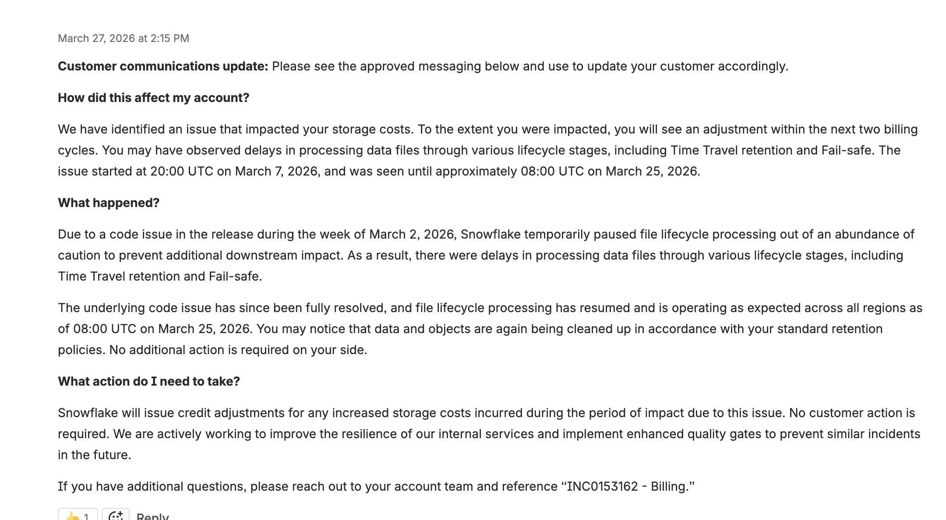

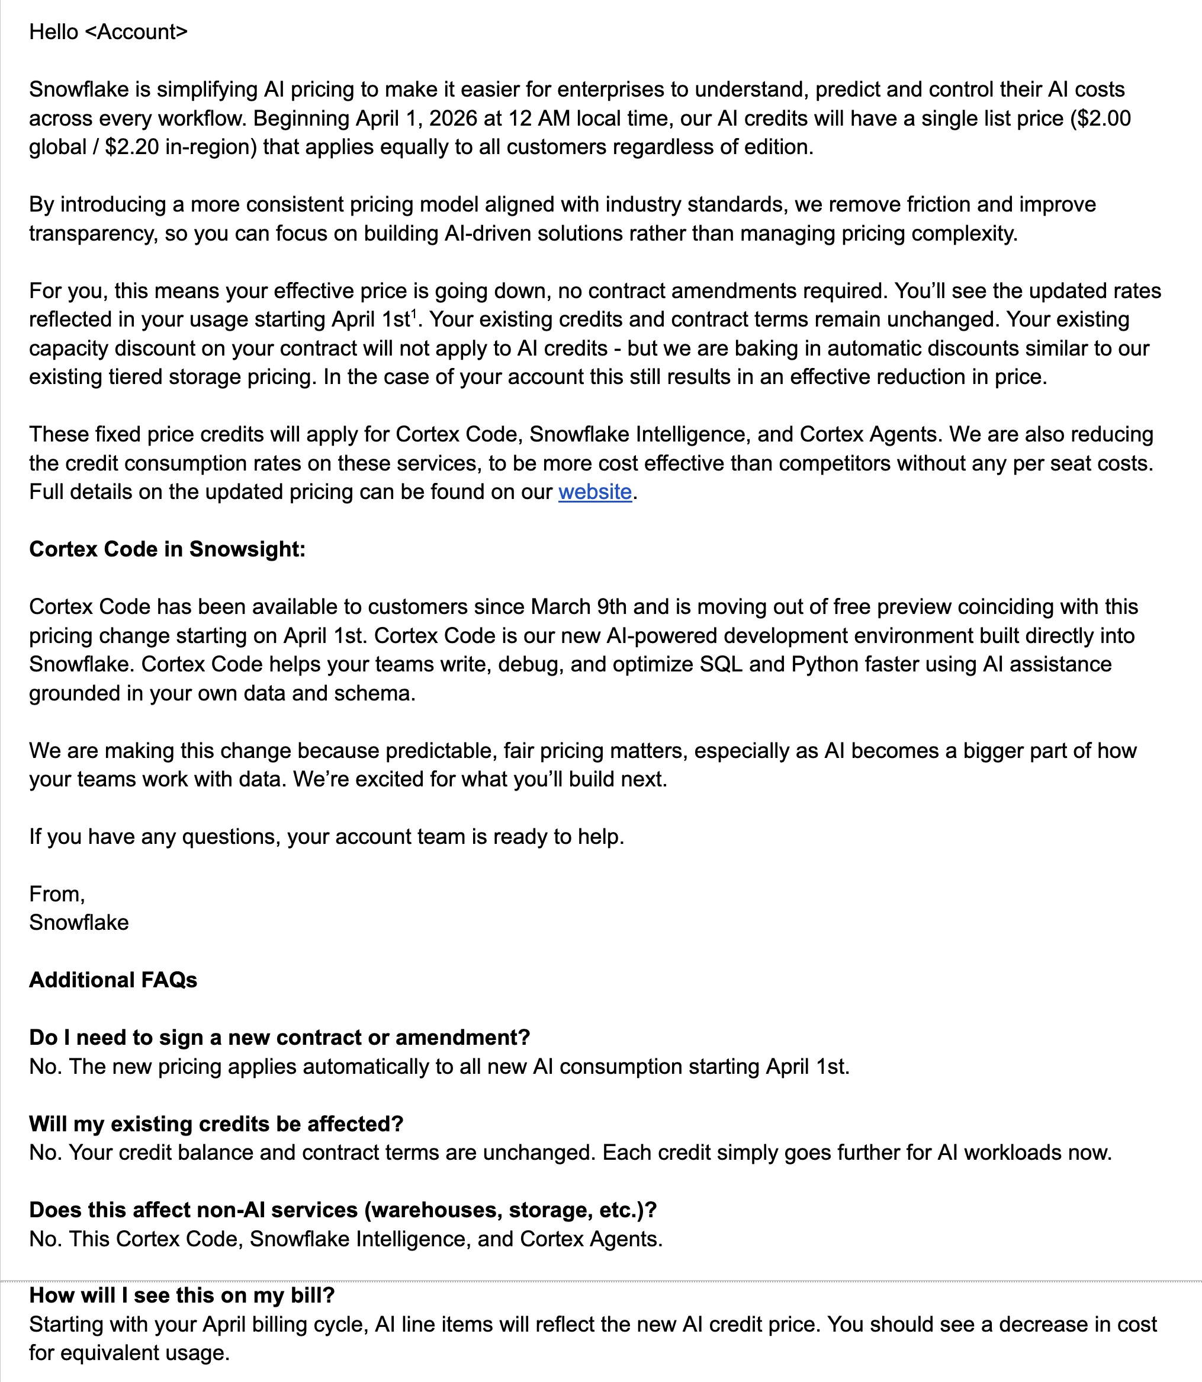

 | Review 4/14

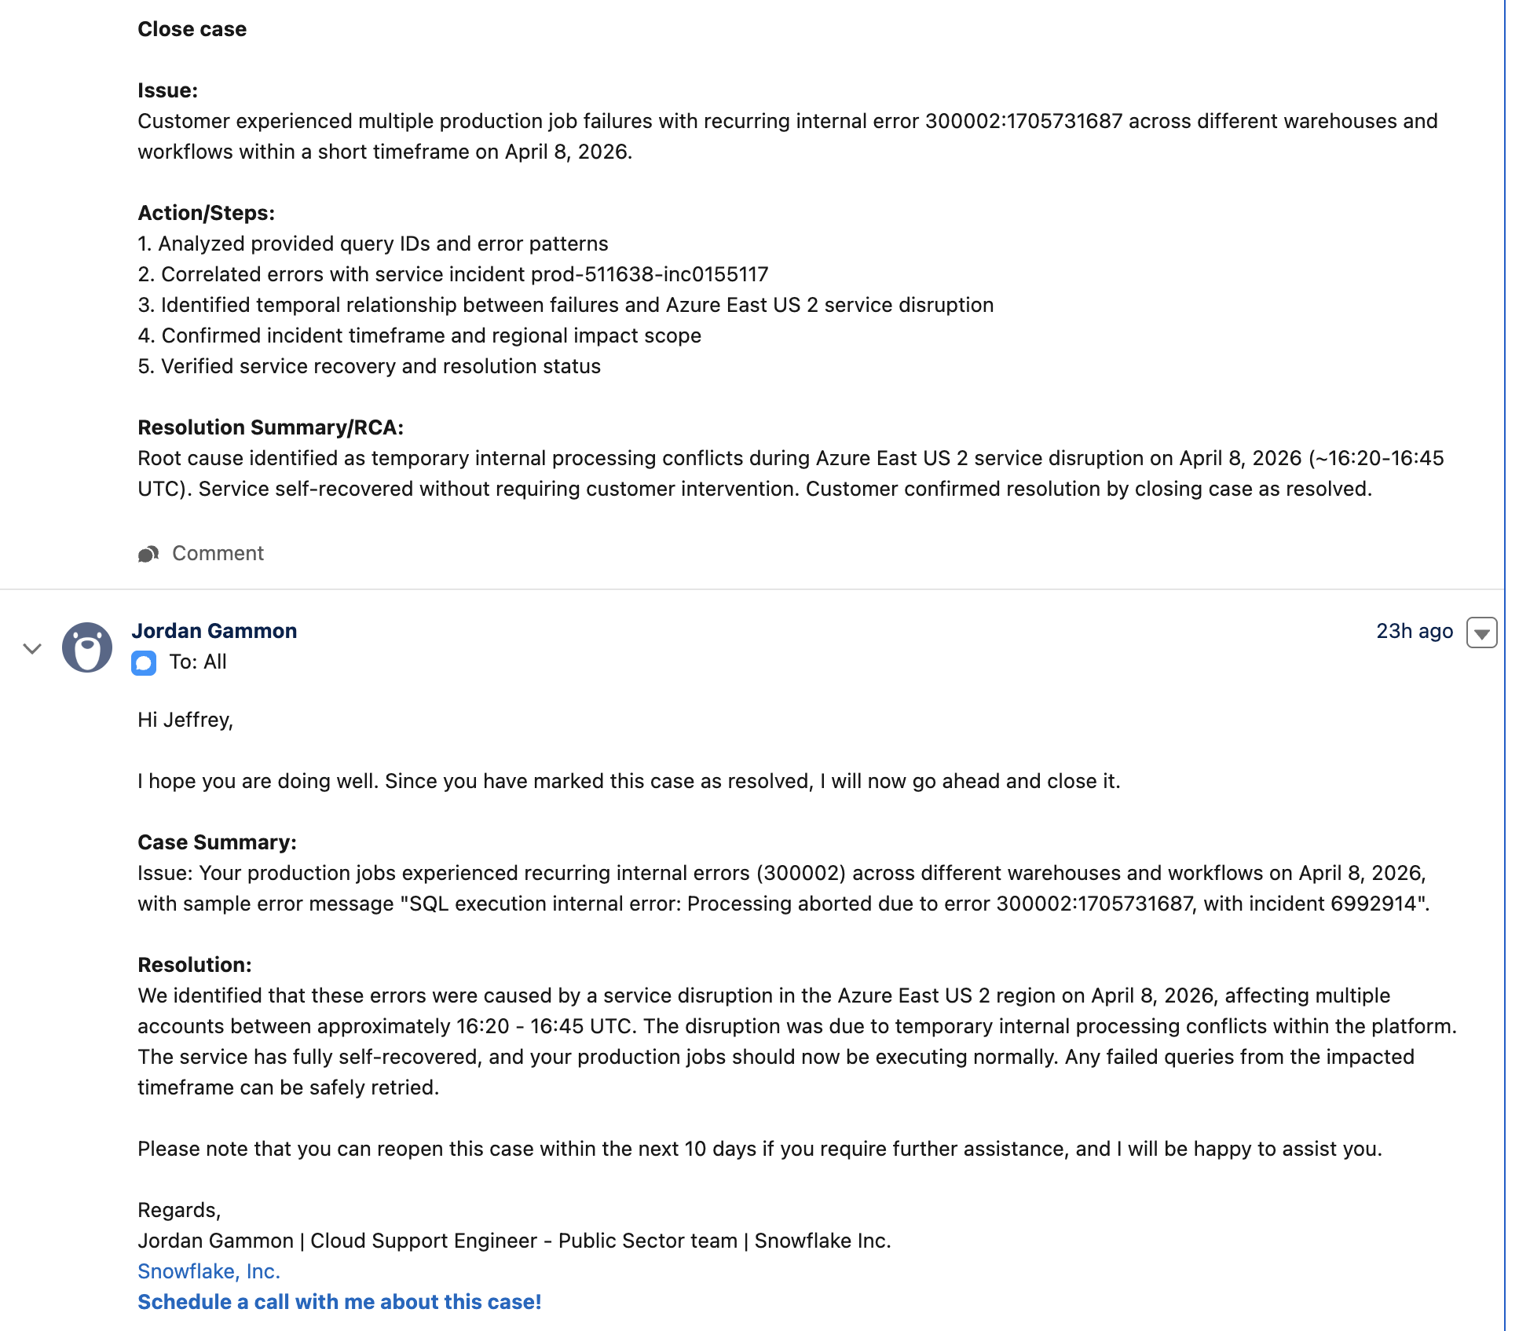

 | The code 300002:1705731687 means a Snowflake internal engine/cloud‑services error, not a user error. It indicates an unexpected failure during compilation and/or execution, and incidents with this signature are automatically logged for internal investigation.

 | What 300002:1705731687 Represents
 | 300002
 | Snowflake classifies this as a general internal error in the compiler or cloud services.
 | It’s not a normal SQL, permission, or resource‑limit error.

 | 1705731687 (the signature)
 | This is an internal signature that helps engineering correlate occurrences of the same underlying engine issue across customers and workloads.

 | Across multiple cases, the same pattern appears:
 | Share refresh failing in the ApplyEntitlementsOrchestrator / ApplyViewsBatch during CREATESECUREVIEW, with error SQL execution internal error: Processing aborted due to error 300002:1705731687.
 | Spark/Snowpark save operations failing (“create stage” commands) with the same 300002:1705731687 signature, later confirmed as a transient platform issue that stopped by itself and was being investigated by engineering.
 | dbt models altering metadata on thousands of columns hitting 300002:1705731687, treated as an internal SQL execution error investigated and tracked by engineering.
 | Multiple production jobs and queries across different customers failing with SQL execution internal error: Processing aborted due to error 300002:1705731687; incident … and later linked to service disruptions or engine bugs, not customer misconfiguration.

 | From Snowflake Support language on these cases:

 | “This error code 300002 indicates an unexpected failure in the code path during compilation and/or execution. These incidents are automatically reported to Snowflake so we can work to resolve the underlying issues.”
 | Customers are often advised that these are internal / transient engine issues, not something they caused, and engineering is engaged for RCA.

 | How to Handle It Practically
 | Given an error message like:
 | SQL execution internal error: Processing aborted due to error 300002:1705731687; incident XXXXXXX

 | You should:
 | Treat it as an internal/transient platform issue first, not a SQL bug in your code. 300002 is explicitly documented internally as a generic internal compiler/cloud‑services error.

 | Retry the operation
 | Many cases show that simply retrying after a short time window succeeds once the transient condition clears.

 | Capture key details for Support
 | Snowflake Support typically asks for:

 | Approximate start time and frequency of the failures.
 | Query IDs / task IDs that hit the error.
 | Whether the issue is isolated (e.g., only certain shares, tables, or jobs) or broad across workloads.

 | Open / reference a Support case
 | Because 1705731687 is a specific engine signature, support can correlate your incidents with known internal incidents (e.g., infrastructure disruptions or engine regressions) and confirm whether you were impacted by an active incident.

 | Limitations / What We Can’t See Here
 | The snippets do not expose the exact root cause of 1705731687 in source code; they only show it’s used consistently as an internal engine/metadata failure signature and that Snowflake engineering tracks it via incident IDs.
 | The guidance is therefore operational (how to interpret and act on it), not a detailed RCA.

 | If you share the exact error line you’re seeing (including the incident ID and roughly when/where it occurred), I can suggest a short customer‑facing explanation and what specifically to attach when you open or update a Support case.

Features
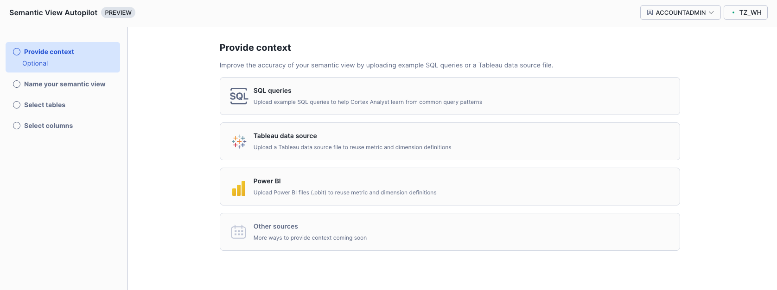
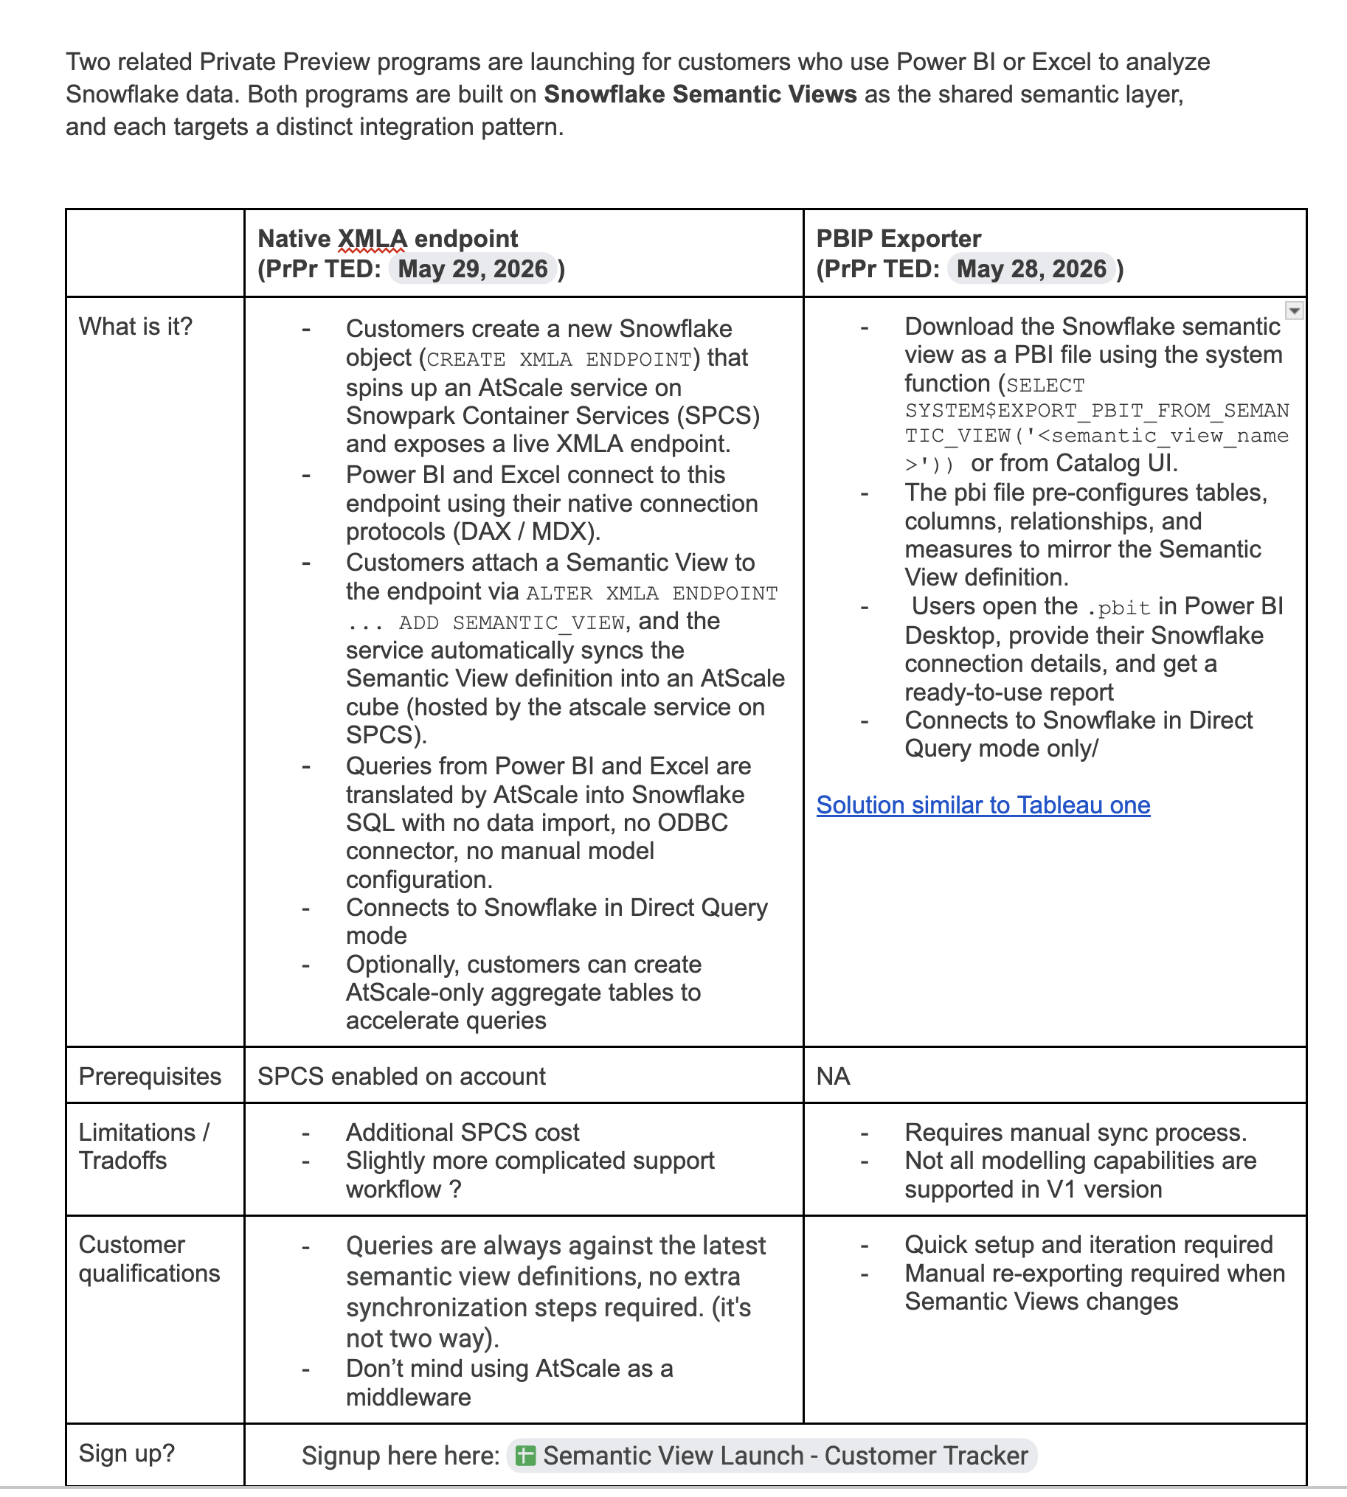

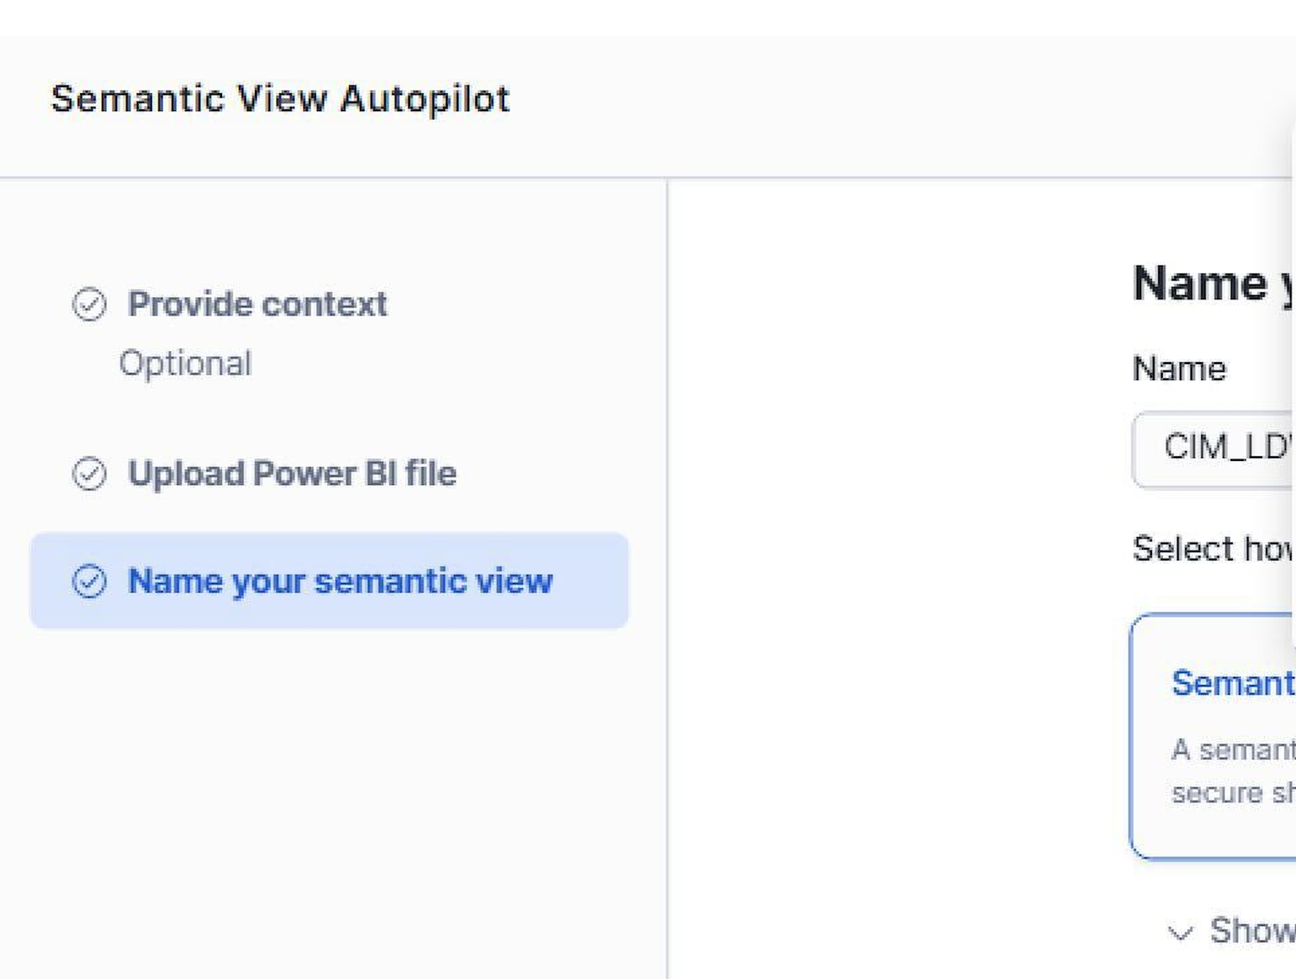

PBIT Import

