Sheet1
机器人激光焊接清单
No. | Item | Description | Sample Photo | Note
1 | Robot | Includes the robot control cabinet, manual teaching pendant, dry-type transformer, terminal block, etc.
2 | Laser Welding Control System | Includes touch screen and laser control box. Features include laser welding process database, welding head oscillation control, stepper wire feeder control
3 | Laser source | The core component that generates the laser | 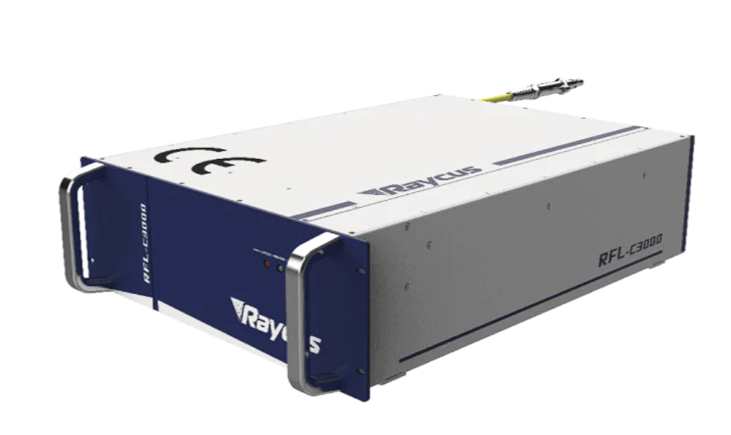
4 | BF03S Welding Head | Suitable for 3000-watt welding power range, contains 8 types of oscillation welding patterns
5 | Chiller | The core component that used for cooling the laser source and laser cutting head | 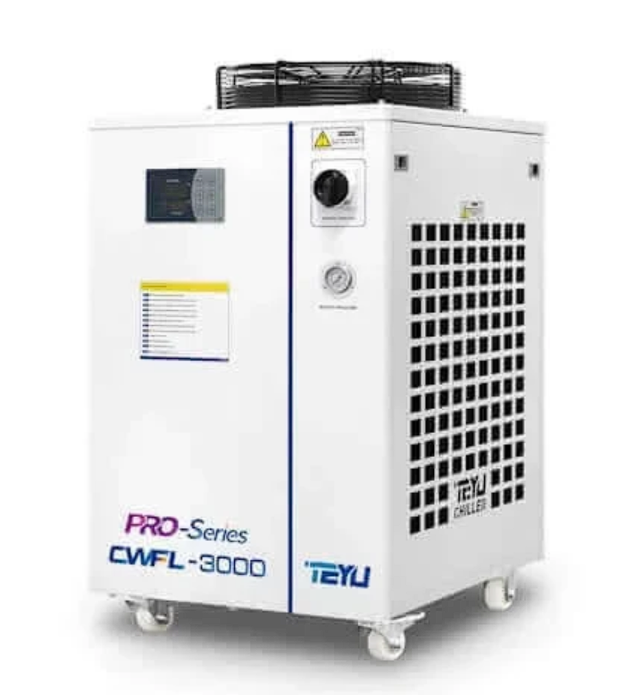
6 | CCD Vision Component | Includes 24V power supply, blue light, C-mount camera, display screen, etc
7 | Stepper Wire Feeder | Includes wire spool, feed wheel, feed tube, feed bracket, and feed nozzle
8 | Electrical Materials | Includes 15V power cable for welding head, internal/external control signal cables, robot power cable, wire feeder signal cable
9 | Additional consumables or custom tooling jigs | 1. Various types and sizes of connecting water tubes and tube fittings 2. Gas tubes of various types/sizes with solenoid valves and pressure regulators 3. Welding wires of different materials and series 4. Custom welding jigs/fixtures and welding templates
10 | Consumable parts | Includes welding head protective lens, coaxial gas nozzle, wire feed nozzle, feed bracket, welding nozzle

