ds bndry
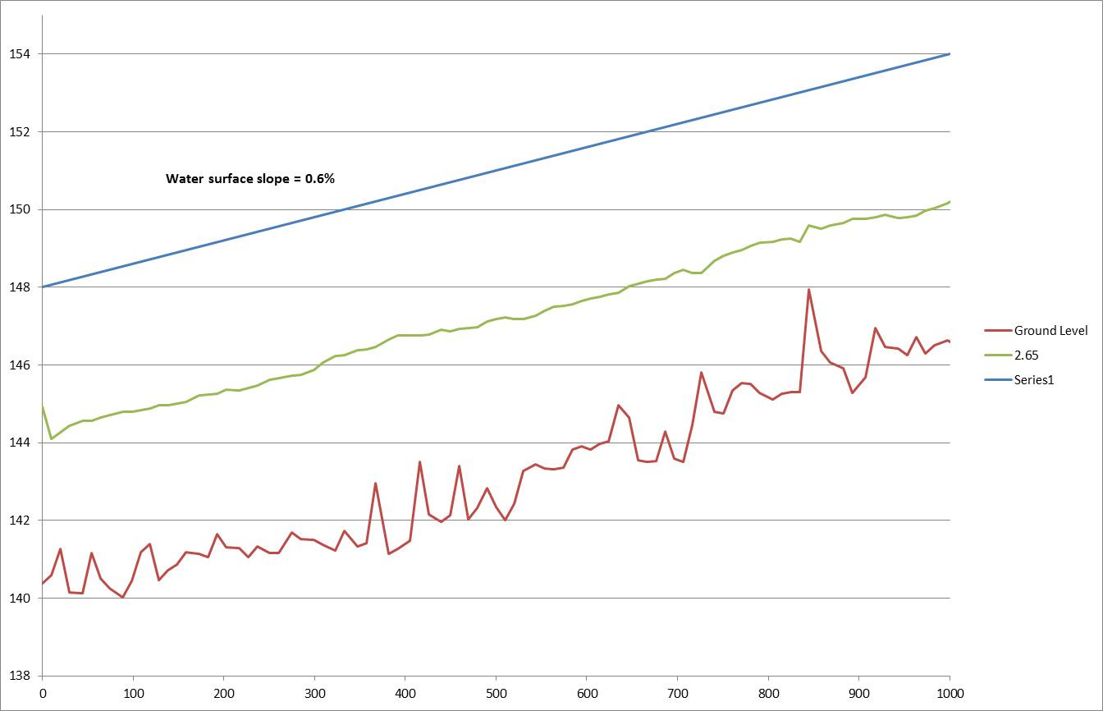
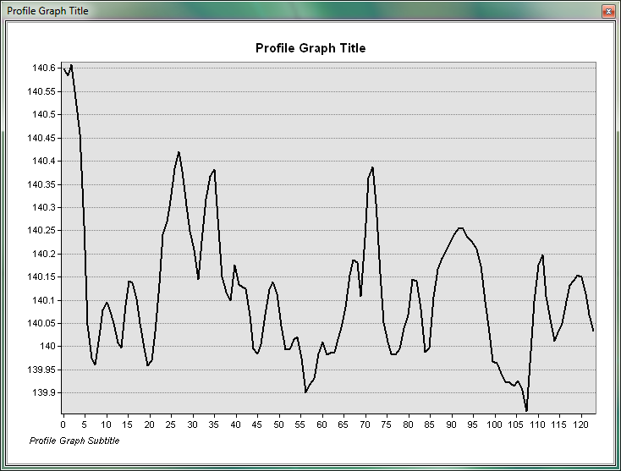

slope | 0.50% | initial estimate (above)

slope | 0.60% | Final estimate after first run (below

