Pictures
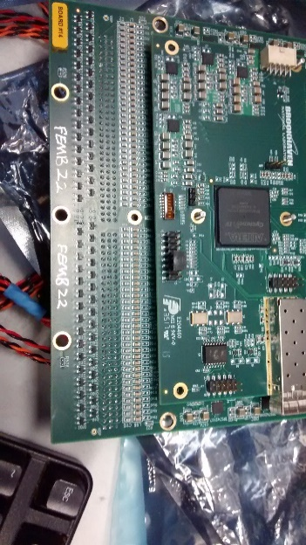
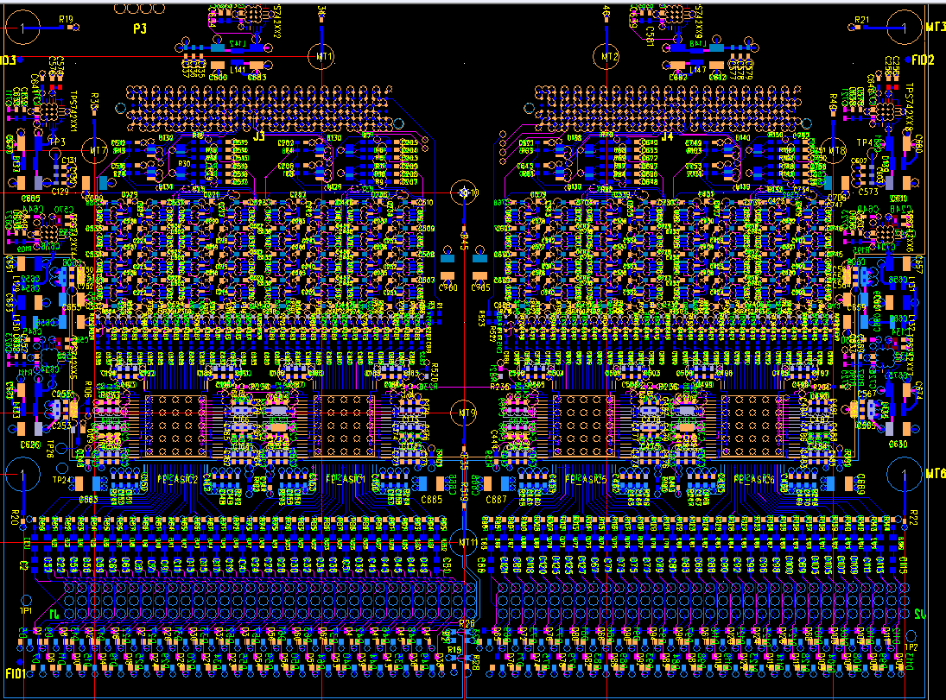
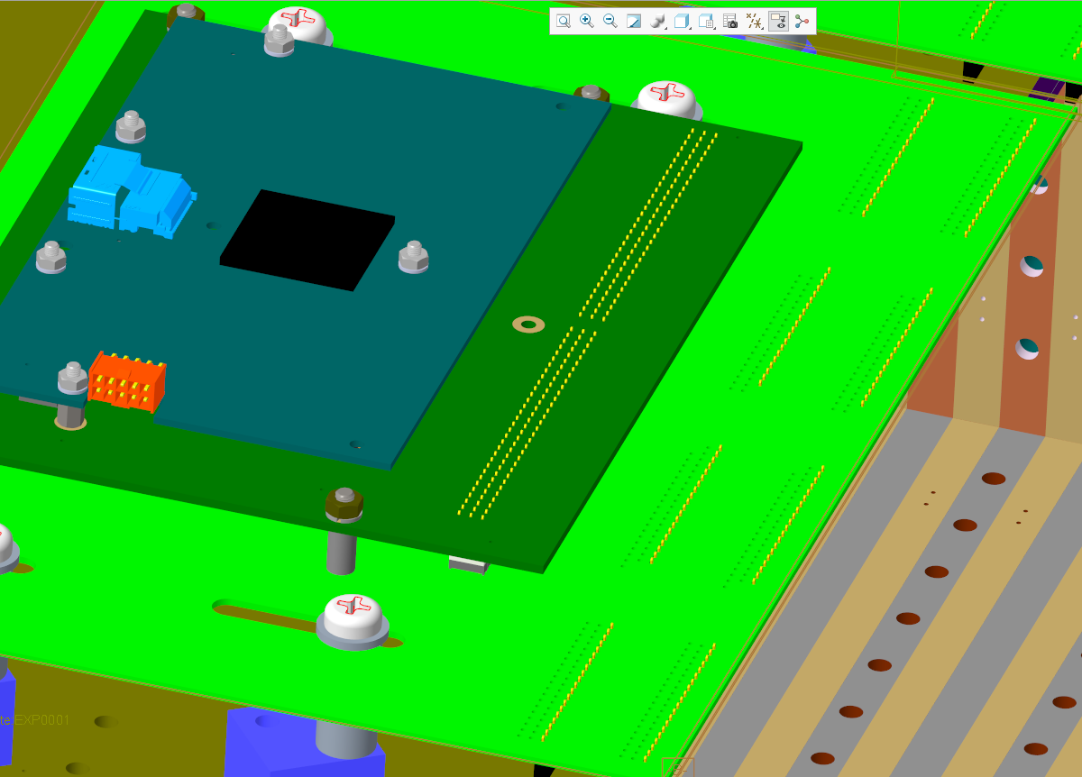

etc
9,8,7

6,5,4
3,2,1
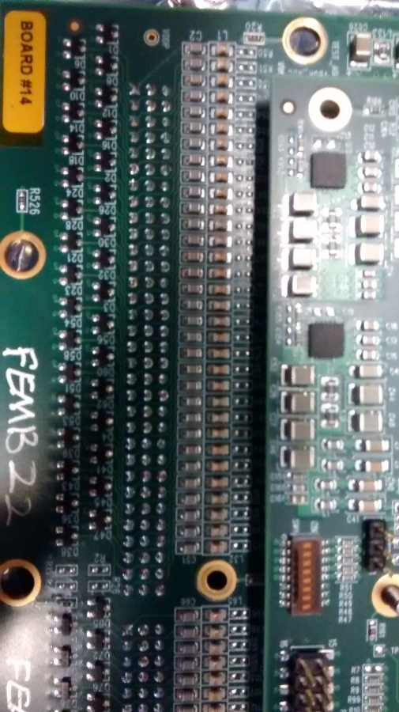
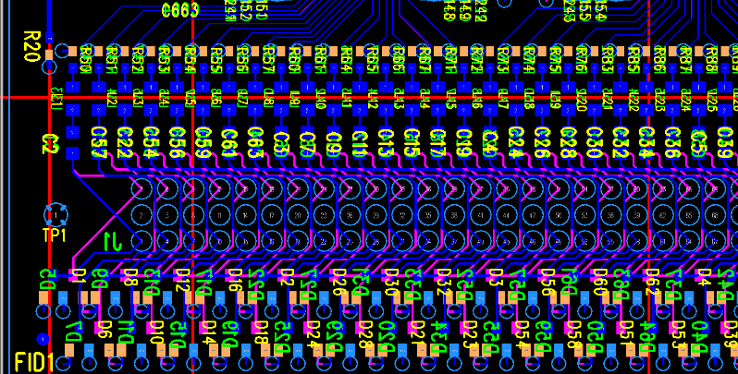
J5, J8, J11, J14, J17, J20, J23, J26
J4, J7, J10, J13, J16, J19, J22, J25
J3, J6, J9, J12, J15, J18, J21, J24

Uses top 3 connectors, J8, J14, J20
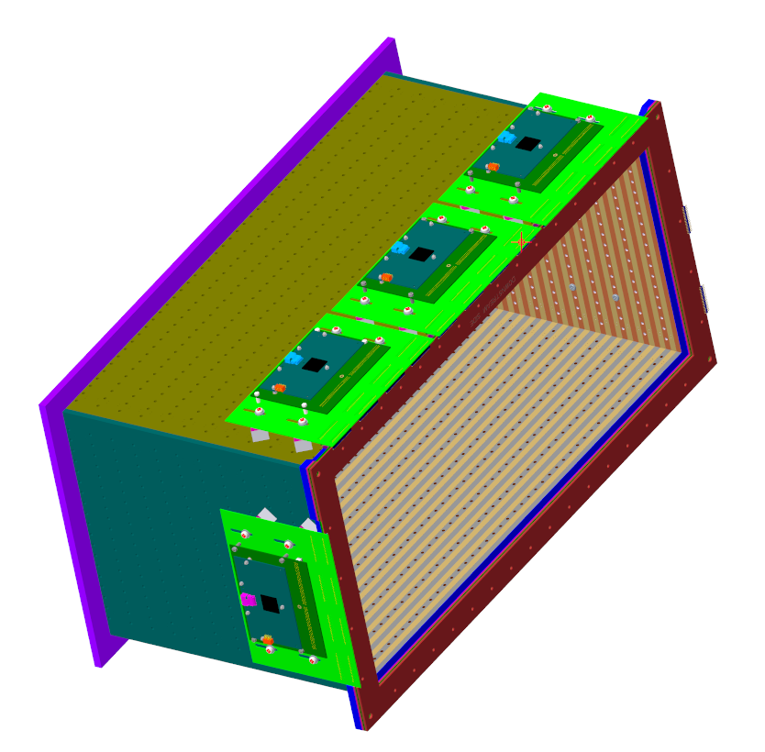
4

3

2
J3, J6, J9, J12, J15, J18, J21, J24

1
J4, J7, J10, J13, J16, J19, J22, J25

J5, J8, J11, J14, J17, J20, J23, J26

0
Uses top 3 connectors, J24, J18, J12

