HEX1
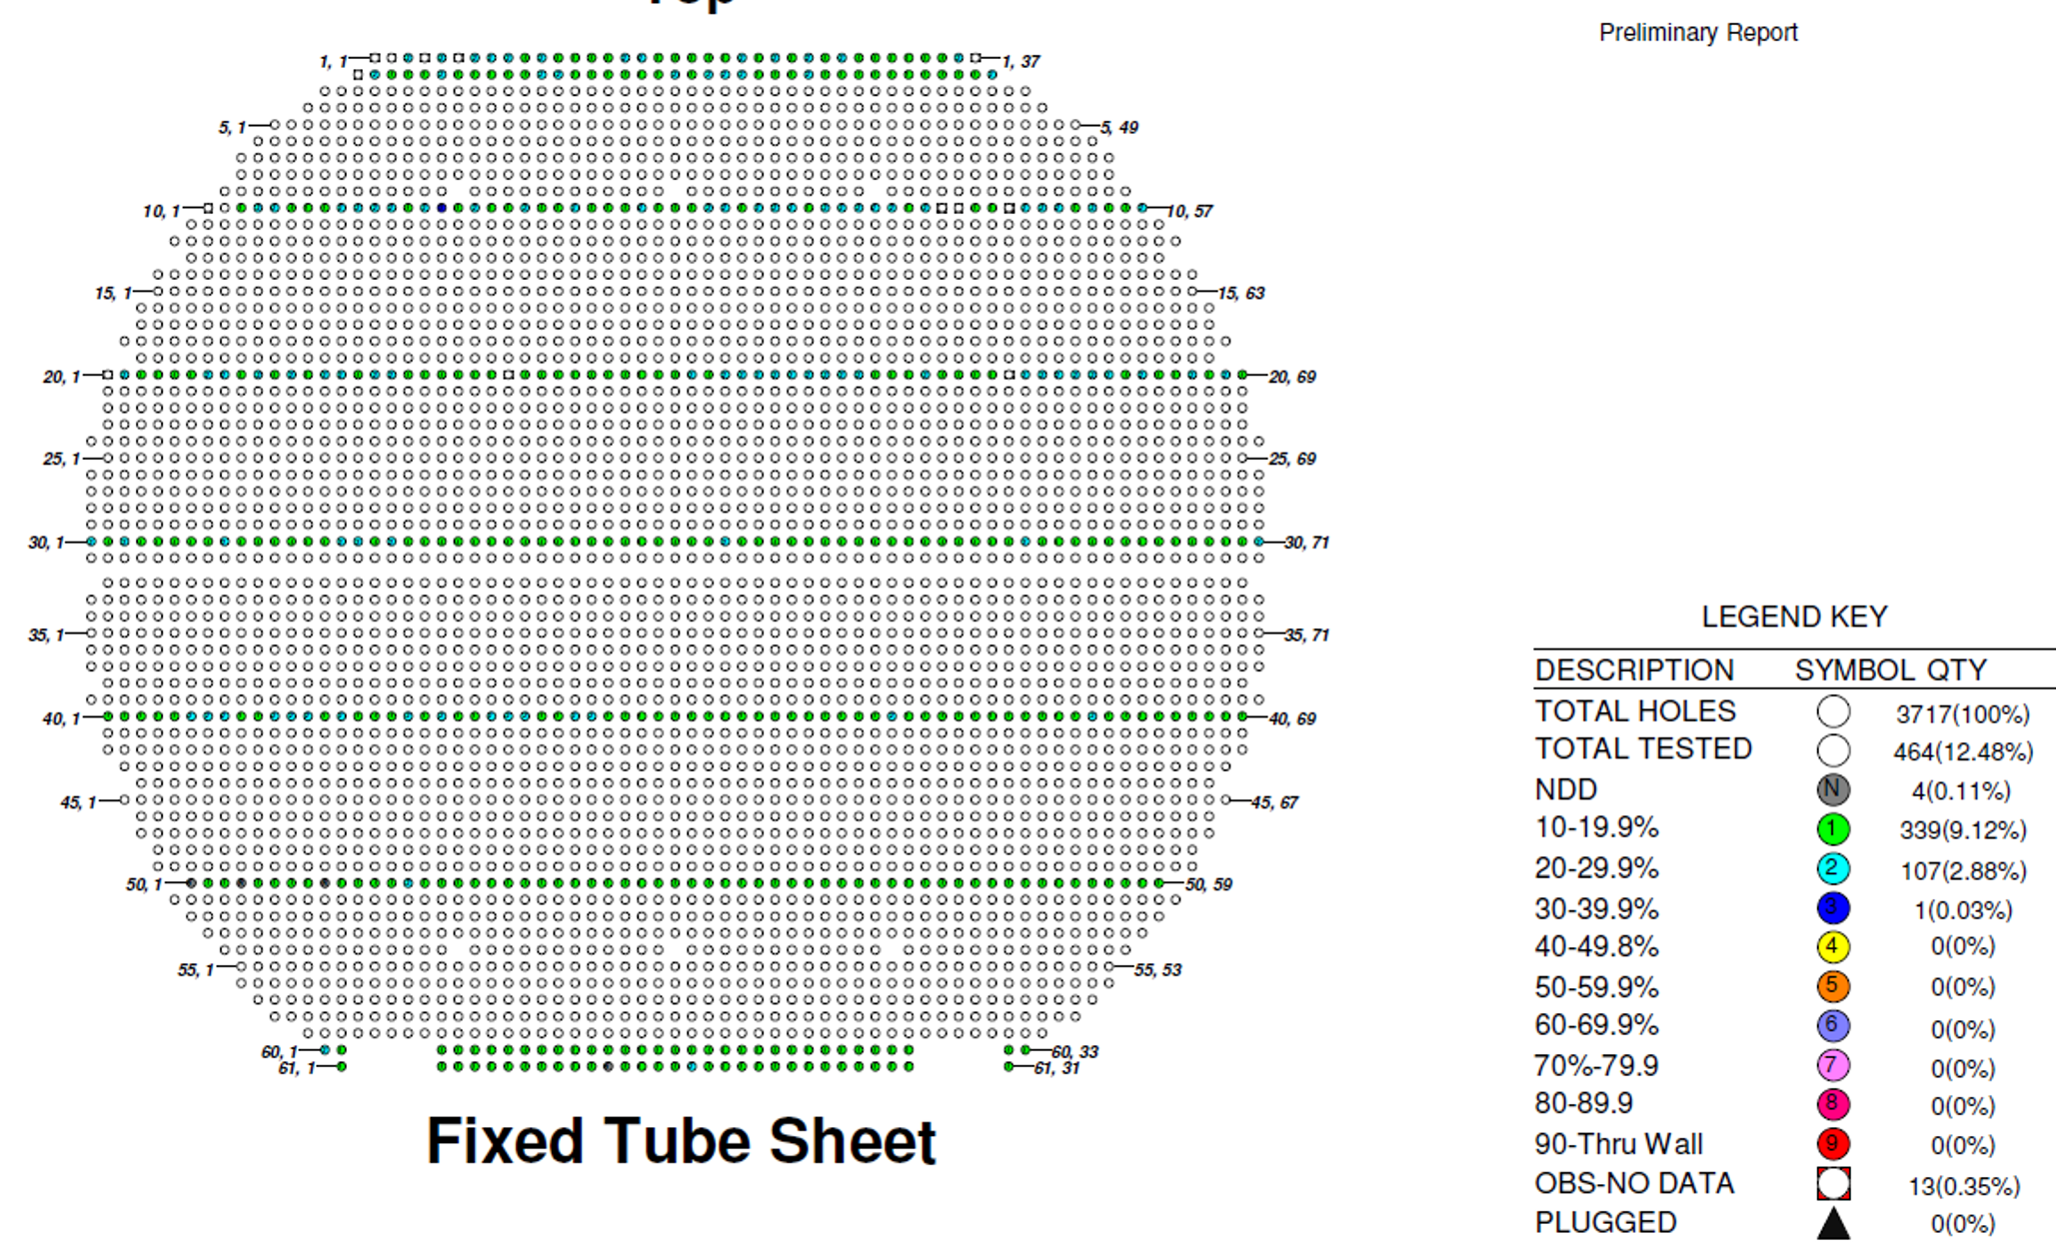
tube | percent | wallloss (in) | nominal | 0.083"
1 | 35% | 0.029 | Sample Size | 451
2 | 30% | 0.025 | Population Size | 3717
3 | 27% | 0.023
4 | 27% | 0.022
5 | 27% | 0.022
6 | 26% | 0.022
7 | 26% | 0.022
8 | 26% | 0.021
9 | 26% | 0.021
10 | 26% | 0.021
11 | 25% | 0.021
12 | 25% | 0.021
13 | 25% | 0.021
14 | 25% | 0.020
15 | 25% | 0.020
16 | 24% | 0.020
17 | 24% | 0.020
18 | 24% | 0.020
19 | 24% | 0.020
20 | 24% | 0.020
21 | 24% | 0.020
22 | 24% | 0.020
23 | 24% | 0.020
24 | 24% | 0.020
25 | 24% | 0.020
26 | 24% | 0.020
27 | 23% | 0.019
28 | 23% | 0.019
29 | 23% | 0.019
30 | 23% | 0.019
31 | 23% | 0.019
32 | 23% | 0.019
33 | 23% | 0.019
34 | 23% | 0.019
35 | 23% | 0.019
36 | 23% | 0.019
37 | 23% | 0.019
38 | 23% | 0.019
39 | 22% | 0.019
40 | 22% | 0.019
41 | 22% | 0.019
42 | 22% | 0.018
43 | 22% | 0.018
44 | 22% | 0.018
45 | 22% | 0.018
46 | 22% | 0.018
47 | 22% | 0.018
48 | 22% | 0.018
49 | 22% | 0.018
50 | 22% | 0.018
51 | 22% | 0.018
52 | 22% | 0.018
53 | 22% | 0.018
54 | 22% | 0.018
55 | 22% | 0.018
56 | 22% | 0.018
57 | 22% | 0.018
58 | 22% | 0.018
59 | 22% | 0.018
60 | 21% | 0.018
61 | 21% | 0.018
62 | 21% | 0.018
63 | 21% | 0.018
64 | 21% | 0.018
65 | 21% | 0.018
66 | 21% | 0.018
67 | 21% | 0.018
68 | 21% | 0.018
69 | 21% | 0.018
70 | 21% | 0.018
71 | 21% | 0.018
72 | 21% | 0.017
73 | 21% | 0.017
74 | 21% | 0.017
75 | 21% | 0.017
76 | 21% | 0.017
77 | 21% | 0.017
78 | 21% | 0.017
79 | 21% | 0.017
80 | 21% | 0.017
81 | 21% | 0.017
82 | 21% | 0.017
83 | 21% | 0.017
84 | 21% | 0.017
85 | 21% | 0.017
86 | 21% | 0.017
87 | 21% | 0.017
88 | 21% | 0.017
89 | 21% | 0.017
90 | 21% | 0.017
91 | 20% | 0.017
92 | 20% | 0.017
93 | 20% | 0.017
94 | 20% | 0.017
95 | 20% | 0.017
96 | 20% | 0.017
97 | 20% | 0.017
98 | 20% | 0.017
99 | 20% | 0.017
100 | 20% | 0.017
101 | 20% | 0.017
102 | 20% | 0.017
103 | 20% | 0.017
104 | 20% | 0.017
105 | 20% | 0.017
106 | 20% | 0.017
107 | 20% | 0.017
108 | 20% | 0.017
109 | 20% | 0.017
110 | 20% | 0.017
111 | 20% | 0.016
112 | 20% | 0.016
113 | 20% | 0.016
114 | 20% | 0.016
115 | 20% | 0.016
116 | 20% | 0.016
117 | 20% | 0.016
118 | 20% | 0.016
119 | 20% | 0.016
120 | 20% | 0.016
121 | 20% | 0.016
122 | 20% | 0.016
123 | 20% | 0.016
124 | 20% | 0.016
125 | 20% | 0.016
126 | 20% | 0.016
127 | 19% | 0.016
128 | 19% | 0.016
129 | 19% | 0.016
130 | 19% | 0.016
131 | 19% | 0.016
132 | 19% | 0.016
133 | 19% | 0.016
134 | 19% | 0.016
135 | 19% | 0.016
136 | 19% | 0.016
137 | 19% | 0.016
138 | 19% | 0.016
139 | 19% | 0.016
140 | 19% | 0.016
141 | 19% | 0.016
142 | 19% | 0.016
143 | 19% | 0.016
144 | 19% | 0.016
145 | 19% | 0.016
146 | 19% | 0.016
147 | 19% | 0.016
148 | 19% | 0.016
149 | 19% | 0.016
150 | 19% | 0.016
151 | 19% | 0.016
152 | 19% | 0.016
153 | 19% | 0.016
154 | 19% | 0.016
155 | 19% | 0.016
156 | 19% | 0.016
157 | 19% | 0.016
158 | 19% | 0.016
159 | 19% | 0.016
160 | 19% | 0.016
161 | 19% | 0.016
162 | 19% | 0.016
163 | 19% | 0.016
164 | 19% | 0.016
165 | 19% | 0.016
166 | 19% | 0.016
167 | 19% | 0.016
168 | 19% | 0.016
169 | 19% | 0.016
170 | 19% | 0.015
171 | 19% | 0.015
172 | 19% | 0.015
173 | 19% | 0.015
174 | 19% | 0.015
175 | 19% | 0.015
176 | 18% | 0.015
177 | 18% | 0.015
178 | 18% | 0.015
179 | 18% | 0.015
180 | 18% | 0.015
181 | 18% | 0.015
182 | 18% | 0.015
183 | 18% | 0.015
184 | 18% | 0.015
185 | 18% | 0.015
186 | 18% | 0.015
187 | 18% | 0.015
188 | 18% | 0.015
189 | 18% | 0.015
190 | 18% | 0.015
191 | 18% | 0.015
192 | 18% | 0.015
193 | 18% | 0.015
194 | 18% | 0.015
195 | 18% | 0.015
196 | 18% | 0.015
197 | 18% | 0.015
198 | 18% | 0.015
199 | 18% | 0.015
200 | 18% | 0.015
201 | 18% | 0.015
202 | 18% | 0.015
203 | 18% | 0.015
204 | 18% | 0.015
205 | 18% | 0.015
206 | 18% | 0.015
207 | 18% | 0.015
208 | 18% | 0.015
209 | 18% | 0.015
210 | 18% | 0.015
211 | 18% | 0.015
212 | 18% | 0.015
213 | 18% | 0.015
214 | 18% | 0.015
215 | 18% | 0.015
216 | 18% | 0.015
217 | 18% | 0.015
218 | 18% | 0.015
219 | 18% | 0.015
220 | 18% | 0.015
221 | 18% | 0.015
222 | 18% | 0.015
223 | 18% | 0.015
224 | 17% | 0.014
225 | 17% | 0.014
226 | 17% | 0.014
227 | 17% | 0.014
228 | 17% | 0.014
229 | 17% | 0.014
230 | 17% | 0.014
231 | 17% | 0.014
232 | 17% | 0.014
233 | 17% | 0.014
234 | 17% | 0.014
235 | 17% | 0.014
236 | 17% | 0.014
237 | 17% | 0.014
238 | 17% | 0.014
239 | 17% | 0.014
240 | 17% | 0.014
241 | 17% | 0.014
242 | 17% | 0.014
243 | 17% | 0.014
244 | 17% | 0.014
245 | 17% | 0.014
246 | 17% | 0.014
247 | 17% | 0.014
248 | 17% | 0.014
249 | 17% | 0.014
250 | 17% | 0.014
251 | 17% | 0.014
252 | 17% | 0.014
253 | 17% | 0.014
254 | 17% | 0.014
255 | 17% | 0.014
256 | 17% | 0.014
257 | 17% | 0.014
258 | 17% | 0.014
259 | 17% | 0.014
260 | 17% | 0.014
261 | 17% | 0.014
262 | 17% | 0.014
263 | 17% | 0.014
264 | 17% | 0.014
265 | 17% | 0.014
266 | 17% | 0.014
267 | 17% | 0.014
268 | 17% | 0.014
269 | 17% | 0.014
270 | 17% | 0.014
271 | 17% | 0.014
272 | 17% | 0.014
273 | 17% | 0.014
274 | 17% | 0.014
275 | 17% | 0.014
276 | 17% | 0.014
277 | 17% | 0.014
278 | 17% | 0.014
279 | 16% | 0.014
280 | 16% | 0.014
281 | 16% | 0.014
282 | 16% | 0.014
283 | 16% | 0.014
284 | 16% | 0.014
285 | 16% | 0.014
286 | 16% | 0.014
287 | 16% | 0.014
288 | 16% | 0.014
289 | 16% | 0.014
290 | 16% | 0.013
291 | 16% | 0.013
292 | 16% | 0.013
293 | 16% | 0.013
294 | 16% | 0.013
295 | 16% | 0.013
296 | 16% | 0.013
297 | 16% | 0.013
298 | 16% | 0.013
299 | 16% | 0.013
300 | 16% | 0.013
301 | 16% | 0.013
302 | 16% | 0.013
303 | 16% | 0.013
304 | 16% | 0.013
305 | 16% | 0.013
306 | 16% | 0.013
307 | 16% | 0.013
308 | 16% | 0.013
309 | 16% | 0.013
310 | 16% | 0.013
311 | 16% | 0.013
312 | 16% | 0.013
313 | 16% | 0.013
314 | 16% | 0.013
315 | 16% | 0.013
316 | 16% | 0.013
317 | 16% | 0.013
318 | 16% | 0.013
319 | 16% | 0.013
320 | 16% | 0.013
321 | 16% | 0.013
322 | 16% | 0.013
323 | 16% | 0.013
324 | 16% | 0.013
325 | 16% | 0.013
326 | 16% | 0.013
327 | 16% | 0.013
328 | 16% | 0.013
329 | 16% | 0.013
330 | 16% | 0.013
331 | 16% | 0.013
332 | 16% | 0.013
333 | 16% | 0.013
334 | 16% | 0.013
335 | 16% | 0.013
336 | 16% | 0.013
337 | 16% | 0.013
338 | 16% | 0.013
339 | 16% | 0.013
340 | 16% | 0.013
341 | 16% | 0.013
342 | 16% | 0.013
343 | 16% | 0.013
344 | 16% | 0.013
345 | 16% | 0.013
346 | 16% | 0.013
347 | 16% | 0.013
348 | 16% | 0.013
349 | 16% | 0.013
350 | 16% | 0.013
351 | 16% | 0.013
352 | 16% | 0.013
353 | 16% | 0.013
354 | 16% | 0.013
355 | 16% | 0.013
356 | 16% | 0.013
357 | 15% | 0.013
358 | 15% | 0.013
359 | 15% | 0.013
360 | 15% | 0.013
361 | 15% | 0.013
362 | 15% | 0.013
363 | 15% | 0.013
364 | 15% | 0.013
365 | 15% | 0.013
366 | 15% | 0.013
367 | 15% | 0.013
368 | 15% | 0.013
369 | 15% | 0.013
370 | 15% | 0.013
371 | 15% | 0.013
372 | 15% | 0.013
373 | 15% | 0.013
374 | 15% | 0.013
375 | 15% | 0.013
376 | 15% | 0.013
377 | 15% | 0.013
378 | 15% | 0.013
379 | 15% | 0.013
380 | 15% | 0.013
381 | 15% | 0.013
382 | 15% | 0.013
383 | 15% | 0.013
384 | 15% | 0.013
385 | 15% | 0.013
386 | 15% | 0.012
387 | 15% | 0.012
388 | 15% | 0.012
389 | 15% | 0.012
390 | 15% | 0.012
391 | 15% | 0.012
392 | 15% | 0.012
393 | 15% | 0.012
394 | 15% | 0.012
395 | 15% | 0.012
396 | 15% | 0.012
397 | 15% | 0.012
398 | 15% | 0.012
399 | 15% | 0.012
400 | 15% | 0.012
401 | 15% | 0.012
402 | 15% | 0.012
403 | 15% | 0.012
404 | 15% | 0.012
405 | 15% | 0.012
406 | 15% | 0.012
407 | 15% | 0.012
408 | 15% | 0.012
409 | 15% | 0.012
410 | 15% | 0.012
411 | 15% | 0.012
412 | 15% | 0.012
413 | 15% | 0.012
414 | 15% | 0.012
415 | 15% | 0.012
416 | 15% | 0.012
417 | 14% | 0.012
418 | 14% | 0.012
419 | 14% | 0.012
420 | 14% | 0.012
421 | 14% | 0.012
422 | 14% | 0.012
423 | 14% | 0.012
424 | 14% | 0.012
425 | 14% | 0.012
426 | 14% | 0.012
427 | 14% | 0.012
428 | 14% | 0.012
429 | 14% | 0.012
430 | 14% | 0.012
431 | 14% | 0.012
432 | 14% | 0.012
433 | 14% | 0.012
434 | 14% | 0.012
435 | 14% | 0.011
436 | 14% | 0.011
437 | 14% | 0.011
438 | 13% | 0.011
439 | 13% | 0.011
440 | 13% | 0.011
441 | 13% | 0.011
442 | 13% | 0.011
443 | 13% | 0.011
444 | 13% | 0.010
445 | 13% | 0.010
446 | 12% | 0.010
447 | 12% | 0.010
448 | 0% | 0.000
449 | 0% | 0.000
450 | 0% | 0.000
451 | 0% | 0.000

HEX2
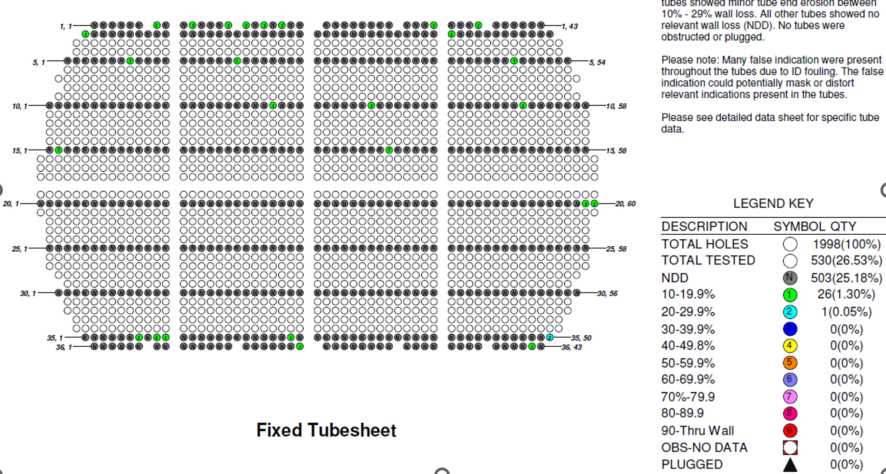
tube | percent | wallloss (in) | nominal | 0.083"
1 | 25% | 0.021 | Sample Size | 530
2 | 20% | 0.016 | Population Size | 1998
3 | 19% | 0.016
4 | 19% | 0.015
5 | 19% | 0.015
6 | 18% | 0.015
7 | 18% | 0.015
8 | 18% | 0.015
9 | 18% | 0.015
10 | 18% | 0.015
11 | 18% | 0.015
12 | 16% | 0.013
13 | 16% | 0.013
14 | 15% | 0.012
15 | 15% | 0.012
16 | 15% | 0.012
17 | 15% | 0.012
18 | 15% | 0.012
19 | 14% | 0.012
20 | 14% | 0.011
21 | 14% | 0.011
22 | 14% | 0.011
23 | 14% | 0.011
24 | 13% | 0.011
25 | 13% | 0.011
26 | 13% | 0.011
27 | 13% | 0.010
28 | 0% | 0.000
29 | 0% | 0.000
30 | 0% | 0.000
31 | 0% | 0.000
32 | 0% | 0.000
33 | 0% | 0.000
34 | 0% | 0.000
35 | 0% | 0.000
36 | 0% | 0.000
37 | 0% | 0.000
38 | 0% | 0.000
39 | 0% | 0.000
40 | 0% | 0.000
41 | 0% | 0.000
42 | 0% | 0.000
43 | 0% | 0.000
44 | 0% | 0.000
45 | 0% | 0.000
46 | 0% | 0.000
47 | 0% | 0.000
48 | 0% | 0.000
49 | 0% | 0.000
50 | 0% | 0.000
51 | 0% | 0.000
52 | 0% | 0.000
53 | 0% | 0.000
54 | 0% | 0.000
55 | 0% | 0.000
56 | 0% | 0.000
57 | 0% | 0.000
58 | 0% | 0.000
59 | 0% | 0.000
60 | 0% | 0.000
61 | 0% | 0.000
62 | 0% | 0.000
63 | 0% | 0.000
64 | 0% | 0.000
65 | 0% | 0.000
66 | 0% | 0.000
67 | 0% | 0.000
68 | 0% | 0.000
69 | 0% | 0.000
70 | 0% | 0.000
71 | 0% | 0.000
72 | 0% | 0.000
73 | 0% | 0.000
74 | 0% | 0.000
75 | 0% | 0.000
76 | 0% | 0.000
77 | 0% | 0.000
78 | 0% | 0.000
79 | 0% | 0.000
80 | 0% | 0.000
81 | 0% | 0.000
82 | 0% | 0.000
83 | 0% | 0.000
84 | 0% | 0.000
85 | 0% | 0.000
86 | 0% | 0.000
87 | 0% | 0.000
88 | 0% | 0.000
89 | 0% | 0.000
90 | 0% | 0.000
91 | 0% | 0.000
92 | 0% | 0.000
93 | 0% | 0.000
94 | 0% | 0.000
95 | 0% | 0.000
96 | 0% | 0.000
97 | 0% | 0.000
98 | 0% | 0.000
99 | 0% | 0.000
100 | 0% | 0.000
101 | 0% | 0.000
102 | 0% | 0.000
103 | 0% | 0.000
104 | 0% | 0.000
105 | 0% | 0.000
106 | 0% | 0.000
107 | 0% | 0.000
108 | 0% | 0.000
109 | 0% | 0.000
110 | 0% | 0.000
111 | 0% | 0.000
112 | 0% | 0.000
113 | 0% | 0.000
114 | 0% | 0.000
115 | 0% | 0.000
116 | 0% | 0.000
117 | 0% | 0.000
118 | 0% | 0.000
119 | 0% | 0.000
120 | 0% | 0.000
121 | 0% | 0.000
122 | 0% | 0.000
123 | 0% | 0.000
124 | 0% | 0.000
125 | 0% | 0.000
126 | 0% | 0.000
127 | 0% | 0.000
128 | 0% | 0.000
129 | 0% | 0.000
130 | 0% | 0.000
131 | 0% | 0.000
132 | 0% | 0.000
133 | 0% | 0.000
134 | 0% | 0.000
135 | 0% | 0.000
136 | 0% | 0.000
137 | 0% | 0.000
138 | 0% | 0.000
139 | 0% | 0.000
140 | 0% | 0.000
141 | 0% | 0.000
142 | 0% | 0.000
143 | 0% | 0.000
144 | 0% | 0.000
145 | 0% | 0.000
146 | 0% | 0.000
147 | 0% | 0.000
148 | 0% | 0.000
149 | 0% | 0.000
150 | 0% | 0.000
151 | 0% | 0.000
152 | 0% | 0.000
153 | 0% | 0.000
154 | 0% | 0.000
155 | 0% | 0.000
156 | 0% | 0.000
157 | 0% | 0.000
158 | 0% | 0.000
159 | 0% | 0.000
160 | 0% | 0.000
161 | 0% | 0.000
162 | 0% | 0.000
163 | 0% | 0.000
164 | 0% | 0.000
165 | 0% | 0.000
166 | 0% | 0.000
167 | 0% | 0.000
168 | 0% | 0.000
169 | 0% | 0.000
170 | 0% | 0.000
171 | 0% | 0.000
172 | 0% | 0.000
173 | 0% | 0.000
174 | 0% | 0.000
175 | 0% | 0.000
176 | 0% | 0.000
177 | 0% | 0.000
178 | 0% | 0.000
179 | 0% | 0.000
180 | 0% | 0.000
181 | 0% | 0.000
182 | 0% | 0.000
183 | 0% | 0.000
184 | 0% | 0.000
185 | 0% | 0.000
186 | 0% | 0.000
187 | 0% | 0.000
188 | 0% | 0.000
189 | 0% | 0.000
190 | 0% | 0.000
191 | 0% | 0.000
192 | 0% | 0.000
193 | 0% | 0.000
194 | 0% | 0.000
195 | 0% | 0.000
196 | 0% | 0.000
197 | 0% | 0.000
198 | 0% | 0.000
199 | 0% | 0.000
200 | 0% | 0.000
201 | 0% | 0.000
202 | 0% | 0.000
203 | 0% | 0.000
204 | 0% | 0.000
205 | 0% | 0.000
206 | 0% | 0.000
207 | 0% | 0.000
208 | 0% | 0.000
209 | 0% | 0.000
210 | 0% | 0.000
211 | 0% | 0.000
212 | 0% | 0.000
213 | 0% | 0.000
214 | 0% | 0.000
215 | 0% | 0.000
216 | 0% | 0.000
217 | 0% | 0.000
218 | 0% | 0.000
219 | 0% | 0.000
220 | 0% | 0.000
221 | 0% | 0.000
222 | 0% | 0.000
223 | 0% | 0.000
224 | 0% | 0.000
225 | 0% | 0.000
226 | 0% | 0.000
227 | 0% | 0.000
228 | 0% | 0.000
229 | 0% | 0.000
230 | 0% | 0.000
231 | 0% | 0.000
232 | 0% | 0.000
233 | 0% | 0.000
234 | 0% | 0.000
235 | 0% | 0.000
236 | 0% | 0.000
237 | 0% | 0.000
238 | 0% | 0.000
239 | 0% | 0.000
240 | 0% | 0.000
241 | 0% | 0.000
242 | 0% | 0.000
243 | 0% | 0.000
244 | 0% | 0.000
245 | 0% | 0.000
246 | 0% | 0.000
247 | 0% | 0.000
248 | 0% | 0.000
249 | 0% | 0.000
250 | 0% | 0.000
251 | 0% | 0.000
252 | 0% | 0.000
253 | 0% | 0.000
254 | 0% | 0.000
255 | 0% | 0.000
256 | 0% | 0.000
257 | 0% | 0.000
258 | 0% | 0.000
259 | 0% | 0.000
260 | 0% | 0.000
261 | 0% | 0.000
262 | 0% | 0.000
263 | 0% | 0.000
264 | 0% | 0.000
265 | 0% | 0.000
266 | 0% | 0.000
267 | 0% | 0.000
268 | 0% | 0.000
269 | 0% | 0.000
270 | 0% | 0.000
271 | 0% | 0.000
272 | 0% | 0.000
273 | 0% | 0.000
274 | 0% | 0.000
275 | 0% | 0.000
276 | 0% | 0.000
277 | 0% | 0.000
278 | 0% | 0.000
279 | 0% | 0.000
280 | 0% | 0.000
281 | 0% | 0.000
282 | 0% | 0.000
283 | 0% | 0.000
284 | 0% | 0.000
285 | 0% | 0.000
286 | 0% | 0.000
287 | 0% | 0.000
288 | 0% | 0.000
289 | 0% | 0.000
290 | 0% | 0.000
291 | 0% | 0.000
292 | 0% | 0.000
293 | 0% | 0.000
294 | 0% | 0.000
295 | 0% | 0.000
296 | 0% | 0.000
297 | 0% | 0.000
298 | 0% | 0.000
299 | 0% | 0.000
300 | 0% | 0.000
301 | 0% | 0.000
302 | 0% | 0.000
303 | 0% | 0.000
304 | 0% | 0.000
305 | 0% | 0.000
306 | 0% | 0.000
307 | 0% | 0.000
308 | 0% | 0.000
309 | 0% | 0.000
310 | 0% | 0.000
311 | 0% | 0.000
312 | 0% | 0.000
313 | 0% | 0.000
314 | 0% | 0.000
315 | 0% | 0.000
316 | 0% | 0.000
317 | 0% | 0.000
318 | 0% | 0.000
319 | 0% | 0.000
320 | 0% | 0.000
321 | 0% | 0.000
322 | 0% | 0.000
323 | 0% | 0.000
324 | 0% | 0.000
325 | 0% | 0.000
326 | 0% | 0.000
327 | 0% | 0.000
328 | 0% | 0.000
329 | 0% | 0.000
330 | 0% | 0.000
331 | 0% | 0.000
332 | 0% | 0.000
333 | 0% | 0.000
334 | 0% | 0.000
335 | 0% | 0.000
336 | 0% | 0.000
337 | 0% | 0.000
338 | 0% | 0.000
339 | 0% | 0.000
340 | 0% | 0.000
341 | 0% | 0.000
342 | 0% | 0.000
343 | 0% | 0.000
344 | 0% | 0.000
345 | 0% | 0.000
346 | 0% | 0.000
347 | 0% | 0.000
348 | 0% | 0.000
349 | 0% | 0.000
350 | 0% | 0.000
351 | 0% | 0.000
352 | 0% | 0.000
353 | 0% | 0.000
354 | 0% | 0.000
355 | 0% | 0.000
356 | 0% | 0.000
357 | 0% | 0.000
358 | 0% | 0.000
359 | 0% | 0.000
360 | 0% | 0.000
361 | 0% | 0.000
362 | 0% | 0.000
363 | 0% | 0.000
364 | 0% | 0.000
365 | 0% | 0.000
366 | 0% | 0.000
367 | 0% | 0.000
368 | 0% | 0.000
369 | 0% | 0.000
370 | 0% | 0.000
371 | 0% | 0.000
372 | 0% | 0.000
373 | 0% | 0.000
374 | 0% | 0.000
375 | 0% | 0.000
376 | 0% | 0.000
377 | 0% | 0.000
378 | 0% | 0.000
379 | 0% | 0.000
380 | 0% | 0.000
381 | 0% | 0.000
382 | 0% | 0.000
383 | 0% | 0.000
384 | 0% | 0.000
385 | 0% | 0.000
386 | 0% | 0.000
387 | 0% | 0.000
388 | 0% | 0.000
389 | 0% | 0.000
390 | 0% | 0.000
391 | 0% | 0.000
392 | 0% | 0.000
393 | 0% | 0.000
394 | 0% | 0.000
395 | 0% | 0.000
396 | 0% | 0.000
397 | 0% | 0.000
398 | 0% | 0.000
399 | 0% | 0.000
400 | 0% | 0.000
401 | 0% | 0.000
402 | 0% | 0.000
403 | 0% | 0.000
404 | 0% | 0.000
405 | 0% | 0.000
406 | 0% | 0.000
407 | 0% | 0.000
408 | 0% | 0.000
409 | 0% | 0.000
410 | 0% | 0.000
411 | 0% | 0.000
412 | 0% | 0.000
413 | 0% | 0.000
414 | 0% | 0.000
415 | 0% | 0.000
416 | 0% | 0.000
417 | 0% | 0.000
418 | 0% | 0.000
419 | 0% | 0.000
420 | 0% | 0.000
421 | 0% | 0.000
422 | 0% | 0.000
423 | 0% | 0.000
424 | 0% | 0.000
425 | 0% | 0.000
426 | 0% | 0.000
427 | 0% | 0.000
428 | 0% | 0.000
429 | 0% | 0.000
430 | 0% | 0.000
431 | 0% | 0.000
432 | 0% | 0.000
433 | 0% | 0.000
434 | 0% | 0.000
435 | 0% | 0.000
436 | 0% | 0.000
437 | 0% | 0.000
438 | 0% | 0.000
439 | 0% | 0.000
440 | 0% | 0.000
441 | 0% | 0.000
442 | 0% | 0.000
443 | 0% | 0.000
444 | 0% | 0.000
445 | 0% | 0.000
446 | 0% | 0.000
447 | 0% | 0.000
448 | 0% | 0.000
449 | 0% | 0.000
450 | 0% | 0.000
451 | 0% | 0.000
452 | 0% | 0.000
453 | 0% | 0.000
454 | 0% | 0.000
455 | 0% | 0.000
456 | 0% | 0.000
457 | 0% | 0.000
458 | 0% | 0.000
459 | 0% | 0.000
460 | 0% | 0.000
461 | 0% | 0.000
462 | 0% | 0.000
463 | 0% | 0.000
464 | 0% | 0.000
465 | 0% | 0.000
466 | 0% | 0.000
467 | 0% | 0.000
468 | 0% | 0.000
469 | 0% | 0.000
470 | 0% | 0.000
471 | 0% | 0.000
472 | 0% | 0.000
473 | 0% | 0.000
474 | 0% | 0.000
475 | 0% | 0.000
476 | 0% | 0.000
477 | 0% | 0.000
478 | 0% | 0.000
479 | 0% | 0.000
480 | 0% | 0.000
481 | 0% | 0.000
482 | 0% | 0.000
483 | 0% | 0.000
484 | 0% | 0.000
485 | 0% | 0.000
486 | 0% | 0.000
487 | 0% | 0.000
488 | 0% | 0.000
489 | 0% | 0.000
490 | 0% | 0.000
491 | 0% | 0.000
492 | 0% | 0.000
493 | 0% | 0.000
494 | 0% | 0.000
495 | 0% | 0.000
496 | 0% | 0.000
497 | 0% | 0.000
498 | 0% | 0.000
499 | 0% | 0.000
500 | 0% | 0.000
501 | 0% | 0.000
502 | 0% | 0.000
503 | 0% | 0.000
504 | 0% | 0.000
505 | 0% | 0.000
506 | 0% | 0.000
507 | 0% | 0.000
508 | 0% | 0.000
509 | 0% | 0.000
510 | 0% | 0.000
511 | 0% | 0.000
512 | 0% | 0.000
513 | 0% | 0.000
514 | 0% | 0.000
515 | 0% | 0.000
516 | 0% | 0.000
517 | 0% | 0.000
518 | 0% | 0.000
519 | 0% | 0.000
520 | 0% | 0.000
521 | 0% | 0.000
522 | 0% | 0.000
523 | 0% | 0.000
524 | 0% | 0.000
525 | 0% | 0.000
526 | 0% | 0.000
527 | 0% | 0.000
528 | 0% | 0.000
529 | 0% | 0.000
530 | 0% | 0.000

