Recommendation
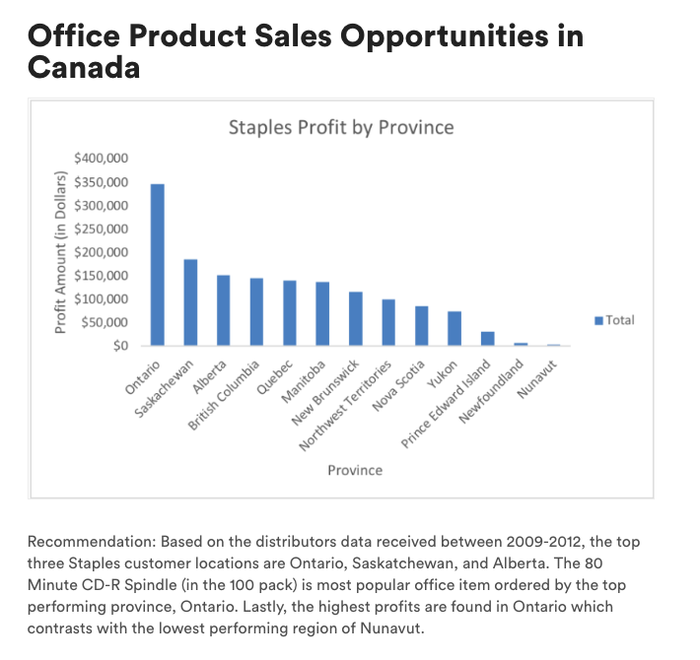
Based on the distributors data received between 2009-2012, the top three Staples customer locations are Ontario, Saskatchewan, and Alberta. The 80 Minute CD-R Spindle (in the 100 pack) is most popular office item ordered by the top performing province, Ontario. Lastly, the highest profits are found in Ontario which contrasts with the lowest performng region of Nunavut.
Staples Product Orders by Province
 | Total
Ontario | $46,685
British Columbia | $28,769
Saskachewan | $23,453
Alberta | $22,654
Manitoba | $20,279
Quebec | $19,589
Yukon | $13,596
Nova Scotia | $11,874
Northwest Territories | $9,722
New Brunswick | $8,437
Prince Edward Island | $5,821
Nunavut | $1,962
Newfoundland | $1,936

Ontario Province Staples Office Product Items
 | Total
Staples Gold Paper Clips | 3
Staples #10 Colored Envelopes | 7
Staples Metal Binder Clips | 10
Staples Vinyl Coated Paper Clips | 13
*Staples* Letter Opener | 14
Staples Colored Bar Computer Paper | 29
*Staples* vLetter Openers, 2/Pack | 30
Staples Surge Protector 6 outlet | 33
Staples Pushpins | 36
Staples Pen Style Liquid Stix; Assorted (yellow, pink, green, blue, orange), 5/Pack | 36
Staples 1 Part Blank Computer Paper | 37
Staples 10" Round Wall Clock | 42
Staples #10 Laser & Inkjet Envelopes, 4 1/8" x 9 1/2", 100/Box | 45
Staples File Caddy | 46
DS/HD IBM Formatted Diskettes, 10/Pack - Staples | 47
Staples Standard Envelopes | 64
DS/HD IBM Formatted Diskettes, 200/Pack - Staples | 65
Staples Battery-Operated Desktop Pencil Sharpener | 70
Staples® General Use 3-Ring Binders | 72
80 Minute Slim Jewel Case CD-R , 10/Pack - Staples | 76
Staples Colored Interoffice Envelopes | 79
Staples Copy Paper (20Lb. and 84 Bright) | 85
*Staples* Highlighting Markers | 97
Staples 6 Outlet Surge | 103
Staples Bulldog Clip | 122
Staples Plastic Wall Frames | 122
Staples SlimLine Pencil Sharpener | 130
Staples Bulk Pack Metal Binder Clips | 133
Staples 4 Outlet Surge Protector | 143
80 Minute CD-R Spindle, 100/Pack - Staples | 159

Staples Profit by Province
 | Total
Ontario | $346,869
Saskachewan | $184,733
Alberta | $151,947
British Columbia | $145,062
Quebec | $140,427
Manitoba | $136,427
New Brunswick | $115,352
Northwest Territories | $100,653
Nova Scotia | $85,362
Yukon | $73,849
Prince Edward Island | $31,362
Newfoundland | $6,885
Nunavut | $2,841

PivotTable
Product Name | (All) |  | Province | Ontario | Product Total | Product Name | (All)
Product Name for Staples | (All) |  |  |  |  | Product Name for Staples | (All)
 |  |  | Sum of Order Quantity
Sum of Order Quantity |  |  | Product Name for Staples | Product Name | Total | Sum of Profit
Province | Total |  | TRUE | Staples Gold Paper Clips | 3 | Province | Total
Ontario | $46,685 |  |  | Staples #10 Colored Envelopes | 7 | Ontario | $346,869
British Columbia | $28,769 |  |  | Staples Metal Binder Clips | 10 | Saskachewan | $184,733
Saskachewan | $23,453 | s |  | Staples Vinyl Coated Paper Clips | 13 | Alberta | $151,947
Alberta | $22,654 |  |  | *Staples* Letter Opener | 14 | British Columbia | $145,062
Manitoba | $20,279 |  |  | Staples Colored Bar Computer Paper | 29 | Quebec | $140,427
Quebec | $19,589 |  |  | *Staples* vLetter Openers, 2/Pack | 30 | Manitoba | $136,427
Yukon | $13,596 |  |  | Staples Surge Protector 6 outlet | 33 | New Brunswick | $115,352
Nova Scotia | $11,874 |  |  | Staples Pushpins | 36 | Northwest Territories | $100,653
Northwest Territories | $9,722 |  |  | Staples Pen Style Liquid Stix; Assorted (yellow, pink, green, blue, orange), 5/Pack | 36 | Nova Scotia | $85,362
New Brunswick | $8,437 |  |  | Staples 1 Part Blank Computer Paper | 37 | Yukon | $73,849
Prince Edward Island | $5,821 |  |  | Staples 10" Round Wall Clock | 42 | Prince Edward Island | $31,362
Nunavut | $1,962 |  |  | Staples #10 Laser & Inkjet Envelopes, 4 1/8" x 9 1/2", 100/Box | 45 | Newfoundland | $6,885
Newfoundland | $1,936 |  |  | Staples File Caddy | 46 | Nunavut | $2,841
Grand Total | $214,777 |  |  | DS/HD IBM Formatted Diskettes, 10/Pack - Staples | 47 | Grand Total | $1,521,768
 |  |  |  | Staples Standard Envelopes | 64
 |  |  |  | DS/HD IBM Formatted Diskettes, 200/Pack - Staples | 65
 |  |  |  | Staples Battery-Operated Desktop Pencil Sharpener | 70
Staples Profit by Province
 |  |  |  | Staples® General Use 3-Ring Binders | 72
Staples Product Orders by Province
 |  |  |  | 80 Minute Slim Jewel Case CD-R , 10/Pack - Staples | 76
 |  |  |  | Staples Colored Interoffice Envelopes | 79
 |  |  |  | Staples Copy Paper (20Lb. and 84 Bright) | 85
 |  |  |  | *Staples* Highlighting Markers | 97
 |  |  |  | Staples 6 Outlet Surge | 103
 |  |  |  | Staples Bulldog Clip | 122
 |  |  |  | Staples Plastic Wall Frames | 122
 |  |  |  | Staples SlimLine Pencil Sharpener | 130
 |  |  |  | Staples Bulk Pack Metal Binder Clips | 133
 |  |  |  | Staples 4 Outlet Surge Protector | 143
 |  |  |  | 80 Minute CD-R Spindle, 100/Pack - Staples | 159
 |  |  | TRUE Total |  | 1,948
 |  |  | Grand Total |  | 1,948

Ontario Province Staples Office Product Items

