Sheet1
Top 15 subjects from test sample (by total in sample)
subject | Chem Count | Nonchem Count | Total | Model Correct? | Model Accuracy
Telecommunications | 11 | 218 | 229 | 223 | 97.38%
Power Engineering | 51 | 88 | 139 | 117 | 84.17%
Computing | 0 | 106 | 106 | 105 | 99.06%
Semiconductor Techniques | 84 | 12 | 96 | 81 | 84.38%
Software | 0 | 82 | 82 | 82 | 100.00%
Control | 1 | 57 | 58 | 56 | 96.55%
Biophysics | 0 | 56 | 56 | 56 | 100.00%
Nuclear and particle physics | 5 | 38 | 43 | 40 | 93.02%
Optics | 23 | 14 | 37 | 30 | 81.08%
Circuits | 18 | 18 | 36 | 29 | 80.56%
Geophysics | 5 | 29 | 34 | 28 | 82.35%
Condensed Matter | 31 | 1 | 32 | 29 | 90.63%
Production engineering | 7 | 20 | 27 | 25 | 92.59%
Astronomy | 1 | 22 | 23 | 20 | 86.96%
Instrumentation | 9 | 11 | 20 | 18 | 90.00%
Microwaves | 8 | 10 | 18 | 14 | 77.78%
Hardware | 3 | 15 | 18 | 14 | 77.78%
Dielectrics and Superconductors | 11 | 5 | 16 | 12 | 75.00%
Mechanical Engineering | 1 | 11 | 12 | 10 | 83.33%
Applied Physics | 3 | 7 | 10 | 8 | 80.00%
Applied Optics | 7 | 2 | 9 | 8 | 88.89%
Electronic and electronic materials | 7 | 2 | 9 | 6 | 66.67%
Materials Science | 6 | 0 | 6 | 5 | 83.33%
Fluid dynamics and plasmas | 1 | 5 | 6 | 2 | 33.33%
Atomic and molecular physics | 1 | 1 | 2 | 1 | 50.00%
Molecular Biophysics | 0 | 2 | 2 | 2 | 100.00%
Engineering Instrumentation | 0 | 1 | 1 | 1 | 100.00%
Totals | 294 | 833 | 1127 | 1022 | 90.68%

Sheet3
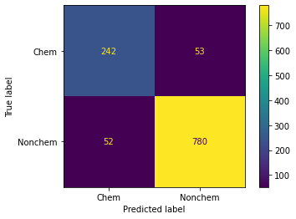
 | Total | Correct | Incorrect | Precision
NonChem | 833 | 780 | 53 | 0.93637454982
Chem | 294 | 242 | 52 | 0.8231292517
Total | 1127 | 1022 | 105 | 0.90683229814

