Sheet1
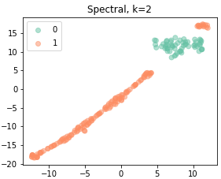
 | 0_mu | 0_ci_l | 0_ci_h | 1_mu | 1_ci_l | 1_ci_h | p-value
n | 59 | 0 | 0 | 141 | 0 | 0 | 0
Sex_1 | 16 | 27.118644068 | 0 | 48 | 34.042553191 | 0 | 0.33842206283
Sex_2 | 43 | 72.881355932 | 0 | 93 | 65.957446809 | 0 | 0.33842206283
CKD stage_1 | 3 | 5.0847457627 | 0 | 13 | 9.219858156 | 0 | 0.17406606496
CKD stage_2 | 21 | 35.593220339 | 0 | 45 | 31.914893617 | 0 | 0.17406606496
CKD stage_3 | 20 | 33.898305085 | 0 | 55 | 39.007092199 | 0 | 0.17406606496
CKD stage_4 | 6 | 10.169491525 | 0 | 20 | 14.184397163 | 0 | 0.17406606496
CKD stage_5 | 9 | 15.254237288 | 0 | 8 | 5.6737588652 | 0 | 0.17406606496
smoke_0 | 55 | 93.220338983 | 0 | 124 | 87.943262411 | 0 | 0.26690561705
smoke_1 | 4 | 6.7796610169 | 0 | 17 | 12.056737589 | 0 | 0.26690561705
DM_0 | 26 | 44.06779661 | 0 | 62 | 43.971631206 | 0 | 0.99003108628
DM_1 | 33 | 55.93220339 | 0 | 79 | 56.028368794 | 0 | 0.99003108628
Insulin_0 | 50 | 84.745762712 | 0 | 107 | 75.886524823 | 0 | 0.16428784371
Insulin_1 | 9 | 15.254237288 | 0 | 34 | 24.113475177 | 0 | 0.16428784371
AF_0 | 32 | 54.237288136 | 0 | 94 | 66.666666667 | 0 | 0.096844680901
AF_1 | 27 | 45.762711864 | 0 | 47 | 33.333333333 | 0 | 0.096844680901
wide PP_0 | 37 | 62.711864407 | 0 | 79 | 56.028368794 | 0 | 0.38247533206
wide PP_1 | 22 | 37.288135593 | 0 | 62 | 43.971631206 | 0 | 0.38247533206
ACE-i_0 | 52 | 88.13559322 | 0 | 118 | 83.687943262 | 0 | 0.42178179308
ACE-i_1 | 7 | 11.86440678 | 0 | 23 | 16.312056738 | 0 | 0.42178179308
ARB_0 | 40 | 67.796610169 | 0 | 103 | 73.04964539 | 0 | 0.45294870323
ARB_1 | 19 | 32.203389831 | 0 | 38 | 26.95035461 | 0 | 0.45294870323
ARNI_0 | 59 | 100 | 0 | 136 | 96.453900709 | 0 | 0.1429563349
ARNI_1 | 0 | 0 | 0 | 5 | 3.5460992908 | 0 | 0.1429563349
betablocker_0 | 17 | 28.813559322 | 0 | 56 | 39.716312057 | 0 | 0.14413250885
betablocker_1 | 42 | 71.186440678 | 0 | 85 | 60.283687943 | 0 | 0.14413250885
Aspirin_0 | 31 | 52.542372881 | 0 | 72 | 51.063829787 | 0 | 0.84868170446
Aspirin_1 | 28 | 47.457627119 | 0 | 69 | 48.936170213 | 0 | 0.84868170446
SGLT2i_0 | 54 | 91.525423729 | 0 | 134 | 95.035460993 | 0 | 0.34047906695
SGLT2i_1 | 5 | 8.4745762712 | 0 | 7 | 4.9645390071 | 0 | 0.34047906695
MRA_0 | 55 | 93.220338983 | 0 | 129 | 91.489361702 | 0 | 0.68070372857
MRA_1 | 4 | 6.7796610169 | 0 | 12 | 8.5106382979 | 0 | 0.68070372857
MI_0 | 41 | 69.491525424 | 0 | 81 | 57.446808511 | 0 | 0.11123906381
MI_1 | 18 | 30.508474576 | 0 | 60 | 42.553191489 | 0 | 0.11123906381
stroke_0 | 56 | 94.915254237 | 0 | 113 | 80.141843972 | 0 | 0.0084700446896
stroke_1 | 3 | 5.0847457627 | 0 | 28 | 19.858156028 | 0 | 0.0084700446896
COPD_0 | 57 | 96.610169492 | 0 | 130 | 92.19858156 | 0 | 0.24844873794
COPD_1 | 2 | 3.3898305085 | 0 | 11 | 7.8014184397 | 0 | 0.24844873794
NYHA_1 | 20 | 33.898305085 | 0 | 53 | 37.588652482 | 0 | 0.46150296168
NYHA_2 | 30 | 50.847457627 | 0 | 70 | 49.645390071 | 0 | 0.46150296168
NYHA_3 | 8 | 13.559322034 | 0 | 18 | 12.765957447 | 0 | 0.46150296168
NYHA_4 | 1 | 1.6949152542 | 0 | 0 | 0 | 0 | 0.46150296168
edema_0 | 47 | 79.661016949 | 0 | 104 | 73.758865248 | 0 | 0.37612240238
edema_1 | 12 | 20.338983051 | 0 | 37 | 26.241134752 | 0 | 0.37612240238
Death_0 | 55 | 93.220338983 | 0 | 114 | 80.85106383 | 0 | 0.027503284859
Death_1 | 4 | 6.7796610169 | 0 | 27 | 19.14893617 | 0 | 0.027503284859
CV death_0 | 59 | 100 | 0 | 130 | 92.19858156 | 0 | 0.027315992657
CV death_1 | 0 | 0 | 0 | 11 | 7.8014184397 | 0 | 0.027315992657
Major cardiac events_0 | 45 | 76.271186441 | 0 | 54 | 38.29787234 | 0 | 9.6639427732E-07
Major cardiac events_1 | 14 | 23.728813559 | 0 | 87 | 61.70212766 | 0 | 9.6639427732E-07
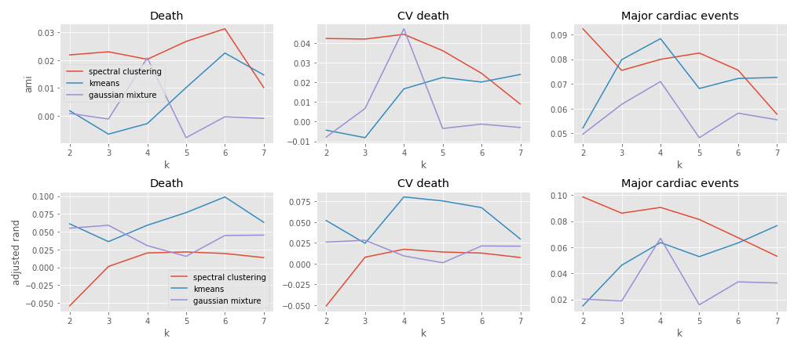
LVH_0 | 14 | 23.728813559 | 0 | 16 | 11.34751773 | 0 | 0.22387217484
LVH_1 | 9 | 15.254237288 | 0 | 31 | 21.985815603 | 0 | 0.22387217484
LVH_2 | 8 | 13.559322034 | 0 | 22 | 15.602836879 | 0 | 0.22387217484
LVH_3 | 3 | 5.0847457627 | 0 | 15 | 10.638297872 | 0 | 0.22387217484
LVH_4 | 20 | 33.898305085 | 0 | 39 | 27.659574468 | 0 | 0.22387217484
LVH_5 | 1 | 1.6949152542 | 0 | 7 | 4.9645390071 | 0 | 0.22387217484
LVH_6 | 1 | 1.6949152542 | 0 | 6 | 4.2553191489 | 0 | 0.22387217484
LVH_7 | 3 | 5.0847457627 | 0 | 5 | 3.5460992908 | 0 | 0.22387217484
Age | 72.288135593 | 69.550538316 | 75.02573287 | 71.943262411 | 70.010214508 | 73.876310315 | 0.84593808226
Cr | 1.973559322 | 1.5009129586 | 2.4462056854 | 1.6012765957 | 1.3746362963 | 1.8279168952 | 0.11796333217
GFR | 49.350677966 | 42.739488775 | 55.961867157 | 53.524539007 | 49.419382942 | 57.629695072 | 0.28633444244
BMI | 26.670149657 | 24.932932387 | 28.407366928 | 26.767568281 | 25.680116657 | 27.855019906 | 0.92486205383
BSA | 1.6261522 | 1.5624397329 | 1.689864667 | 1.6358367362 | 1.5995935328 | 1.6720799395 | 0.78515564871
SBP | 132.40677966 | 127.39824952 | 137.4153098 | 136.57446809 | 133.7127614 | 139.43617477 | 0.13779524065
DBP | 71.525423729 | 68.197676804 | 74.853170653 | 71.588652482 | 69.448785442 | 73.728519522 | 0.97498226444
MAP | 91.81920904 | 88.573197802 | 95.065220277 | 93.250591017 | 91.343203461 | 95.157978572 | 0.4391600183
PP | 60.881355932 | 56.040373624 | 65.722338241 | 64.985815603 | 61.879440257 | 68.092190948 | 0.16211222764
1/2SBP | 66.203389831 | 63.699124761 | 68.7076549 | 68.287234043 | 66.856380699 | 69.718087386 | 0.13779524065
HR | 77.542372881 | 74.512700729 | 80.572045033 | 76.787234043 | 74.23512111 | 79.339346975 | 0.73737068848
NTProBNP | 0.14101694915 | -0.1353711924 | 0.4174050907 | 6760.6924823 | 5049.1045202 | 8472.2804443 | 1.256634442E-06
medial a' | 5.3510169492 | 4.3082790689 | 6.3937548294 | 6.095106383 | 5.455661281 | 6.7345514849 | 0.22437465115
medial E' | 5.3522033898 | 4.7970656033 | 5.9073411764 | 4.8414184397 | 4.4849486204 | 5.1978882591 | 0.12958770759
lateral E' | 6.7020338983 | 5.8523104942 | 7.5517573024 | 6.4179432624 | 5.9109682897 | 6.9249182352 | 0.56138918552
average e/E' | 15.204322034 | 13.412466703 | 16.996177365 | 14.156808511 | 12.867684533 | 15.445932488 | 0.37435501789
lateral e/E' | 12.822033898 | 11.234071682 | 14.409996115 | 12.706241135 | 11.576389405 | 13.836092865 | 0.91095238842
E/A | 0.60050847458 | 0.47226360082 | 0.72875334833 | 0.8005964539 | 0.69532613212 | 0.90586677569 | 0.033091032305
Mitral E/e' | 17.932542373 | 15.834124996 | 20.03095975 | 17.036241135 | 15.588573539 | 18.483908731 | 0.5029572705
TR Vmax | 1.5769491525 | 1.1955295872 | 1.9583687178 | 2.0211347518 | 1.7889847829 | 2.2532847207 | 0.046948408199
RWT | 0.62740677966 | 0.52044131157 | 0.73437224775 | 0.65704964539 | 0.59498426765 | 0.71911502313 | 0.62379036885
LV mass index | 111.16949153 | 95.384611556 | 126.95437149 | 117.51198582 | 109.48970124 | 125.53427039 | 0.43970561946
LAVI | 41.808474576 | 35.447306024 | 48.169643129 | 7.2269240872 | -2.1778018073 | 16.631649982 | 1.2564319593E-05
LACI | 3.5280424211 | 2.6073126971 | 4.4487721451 | 3.0792392997 | 2.3954223986 | 3.7630562007 | 0.46944929835
LA diameter | 21.149077726 | 16.32454494 | 25.973610513 | 14.977042553 | 12.074420518 | 17.879664589 | 0.028000045115
LVEF | 60.540677966 | 57.907526274 | 63.173829659 | 61.808510638 | 60.571179374 | 63.045841902 | 0.33278199598

