IdentifierNames
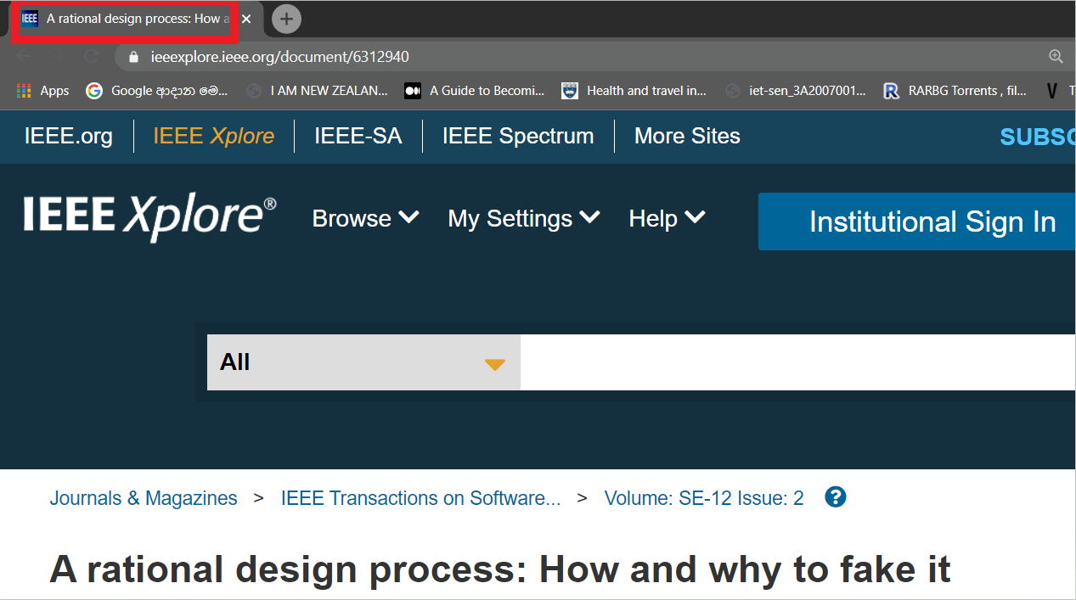
Entity | Term | Explanation
Browser Viewer | Property Title | Title of the browser. Marked in red in the image.

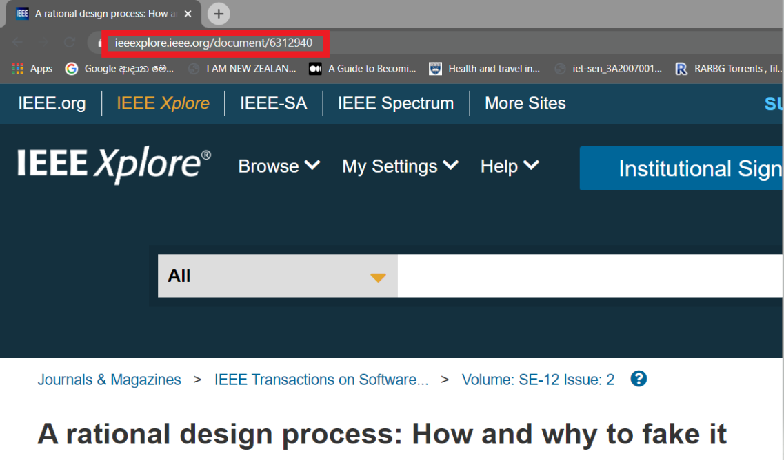
 | Max History | Maximum number of web pages that can be saved in he history of the browser
 | Clipboard | When we copy something in the computer, it gets copied to an invisible clipboard and when you paste it somewhere else, the copied object is retrieved from the clipboard and pasted where you pasted.
 | URL | The link to a web page. Marked in red in the image.

Query Handler | Logger | An entity responsible of logging error messages.
 | Response Header | Two computers communicate by exchanging messages. These messages have two parts: 1) message's header which includes details of the computer that the message is sent from so that the recepient computer knows where it was sent from.
 |  | 2) message's content that includes information and instructions on what needs to be done by the receipient computer.
 | Obeservable | An entity that can be observed and based on its changes, other activities are automatically triggered.
 | Transition | To go from one token to another.
 | Token | A messag sent from one computer to another can be splitted to several "tokens" (pieces of the message) that can be processed by the recepient computer.
 | Parse | To go through and analyze.
Http Future | Object Reference | A reference to any object that can exist.
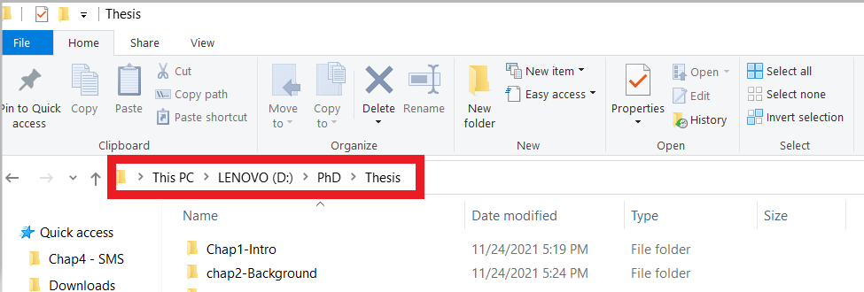
UI Label | Icon URI | The "path" to the image shown in an icon. A "path" is marked in red in the image. The path can also look like "D:\PhD\Thesis".

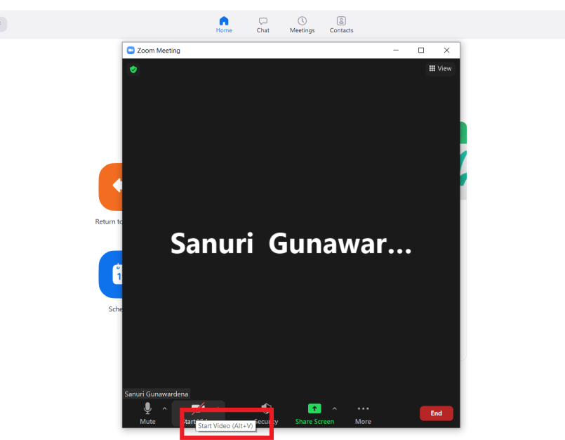
 | Label | Any text or image that you see on the computer screen is placed inside an invisible box or a place holder. This place holder is called a "Label".
 | Tooltip | A message that appears when you bring your cursor on to some buttons on the computer screen. The tooltip is marked in red in the image.

