1. Title Page
Grocery Basket Analysis

6/1/24
Noah Manneville

Contents:
Population Flow
Consistency checks
Wrangling steps
Column derivations
Visualizations
Recommendations

2. Population Flow
Title page

Population flow

Exclusion flag
Condition: max_order < 5
Obervations to be removed: 3,101,049
Final total count of order_products_all: 29,298,683

Orders_products_combined
Orders_products_merged
Orders_products_all

Total: 32,399,732
Total: 32,434,489
Total: 32,399,732

1.) The grey boxes in the first row of the population flow represent the original data sets as they were when you downloaded them. In the Total fields you need to add the count of the rows when you imported the data set into Jupyter.
2.) The second row of boxes (coloured) represents the data sets after you manipulated them, e.g., removed missing values and duplicates. In the Total fields you need to add the count of the rows after conducting these operations. This offers a visual oveview of how the data flows throughout the data consistency checks.
3.) The third row, where also the arrows are coloured, represents the merges you performed between the datasets. In the Total fields you need to add the count of the rows in the merged datasets, so that you end up with the final dataset (in the red box). Keep in mind the final dataset should be without exclusions (based on the exclusion flag).

3. Consistency checks
 |  |  |  | Title page
Consistency checks

Dataset | Missing values | Missing values treatment | Duplicates
orders.csv | 206,209 NaN from 'days_since_prior_order' | Kept rows. These datapoints represent a large portion of data. They could also represent new customers with no prior order. | None
products.csv | 16 values in "product_name" | Dropped. Small portion of data. | 5 duplicates. Also dropped
orders_products_prior.csv | None | n/a | none
customers.csv | 11,259 values missing from "first_name" column | None. This represents >5% of data. From this point on names will be ignored and only user_id will be addressed for stat analysis. This also addresses any PII concerns with this portion of the data. | none

4. Wrangling steps
 |  |  |  | Title page
Wrangling steps

Columns dropped | Columns renamed | Columns' type changed | Comment/Reason
eval_set' column |  |  | Non-relevant information. System detail that had no impact on analysis
 | order_dow' renamed to 'orders_day_of_the_week' |  | Terminology change for ease of understanding
 |  | order_id -> string | The data is not continuous and does not represent any chronological order - these are identifying numbers for customers
 |  | user_id -> string | ""
 | days_since_prior_order' renamed to 'days_since_previous_order' |  | Not permanent. Practice exercise
_merge |  |  | Created and dropped after each merge. Used as boolean to ensure success of merges in each row
 | Surnam' renamed to 'Surname' |  | Spelling

5. Column derivations
 |  |  |  | Title page

Column derivations and aggregations

In this tab you should add tables below that the frequences of flags/label variables that you produced after deriving them. NB: don't do this for continuous variables, only for flags.
Dataset | New column | Column/s it was derived from | Conditions
ords_prods_merge | price_range_loc | prices | breaks prices into three groups. <5 low, 5-14 mid, 15+ high
 | busiest_day | orders_day_of_week | lists days of the week based on number of orders. High, mid, low
 | busiest_period_of_day | orders_day_of_week | lists hours of the day based on number of orders. Busiest day, Regularly busy, Least Buy
 | loyalty_flag_spending | spending_level | breaks customers into groups based on amount spent per order. <10 = low_spender, >10 = high_spender
 | loyalty_flag_freq | median_days_since_prior | breaks customers into groups based on frequency of orders . Days since prior order >20 = non-frequent, <= 20 = regular_customer, <10 = frequent_customer
 | Region |  | Groups States into geographical regions.

6. Visualizations
 |  | Title page

Visualisations

In this tab you should include all the visualtions from Exercises 4.9 and 4.10, alongside the questions from the project brief that they answer. Include any commentary on the relationship between different variables.

4.9. |  |  |  |  | 4.10.

 | 3. You need to provide the Instacart senior stakeholders with descriptive findings about sales. Create a histogram of the “order_hour_of_day” column. |  |  |  |  |  | 3. Determine whether there’s a difference in spending habits between the different U.S. regions
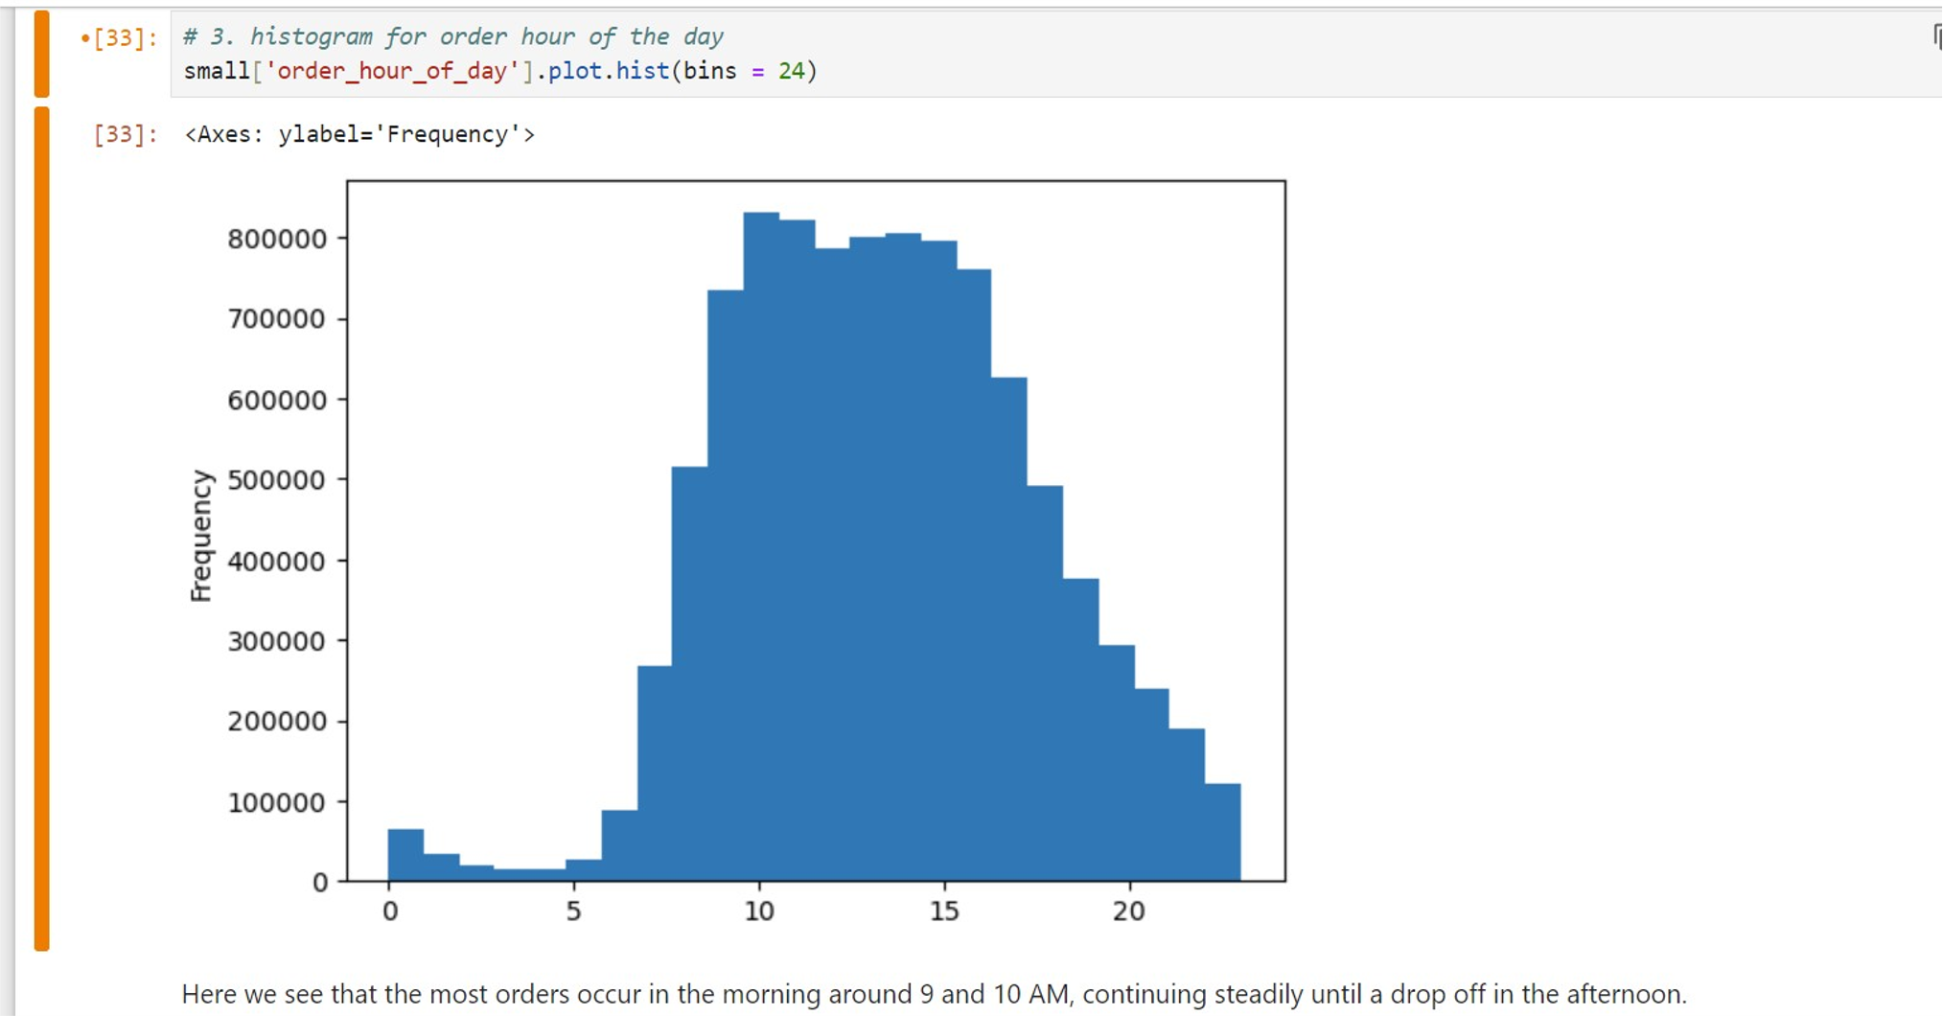

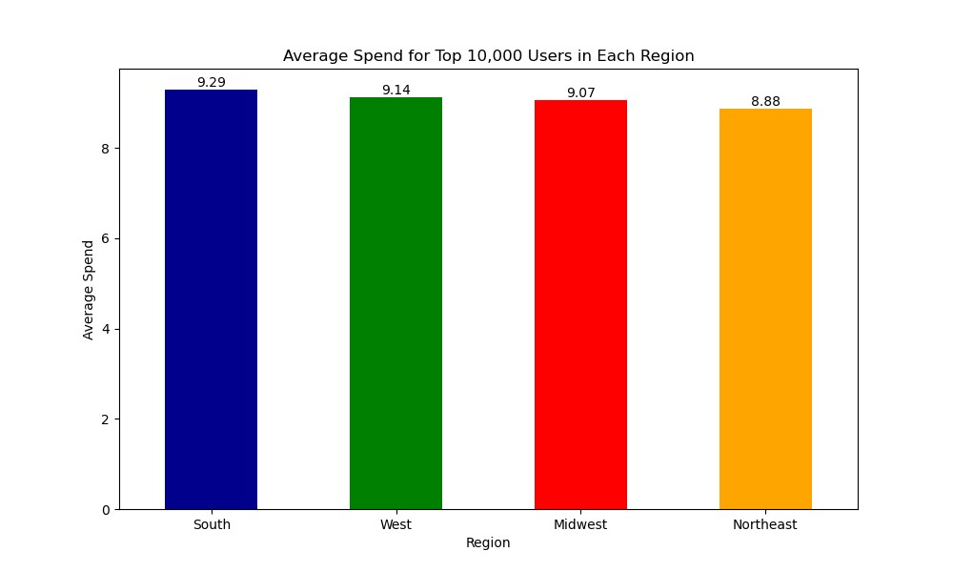

 | 4. The marketing team is curious about the distribution of orders among customers in terms of loyalty

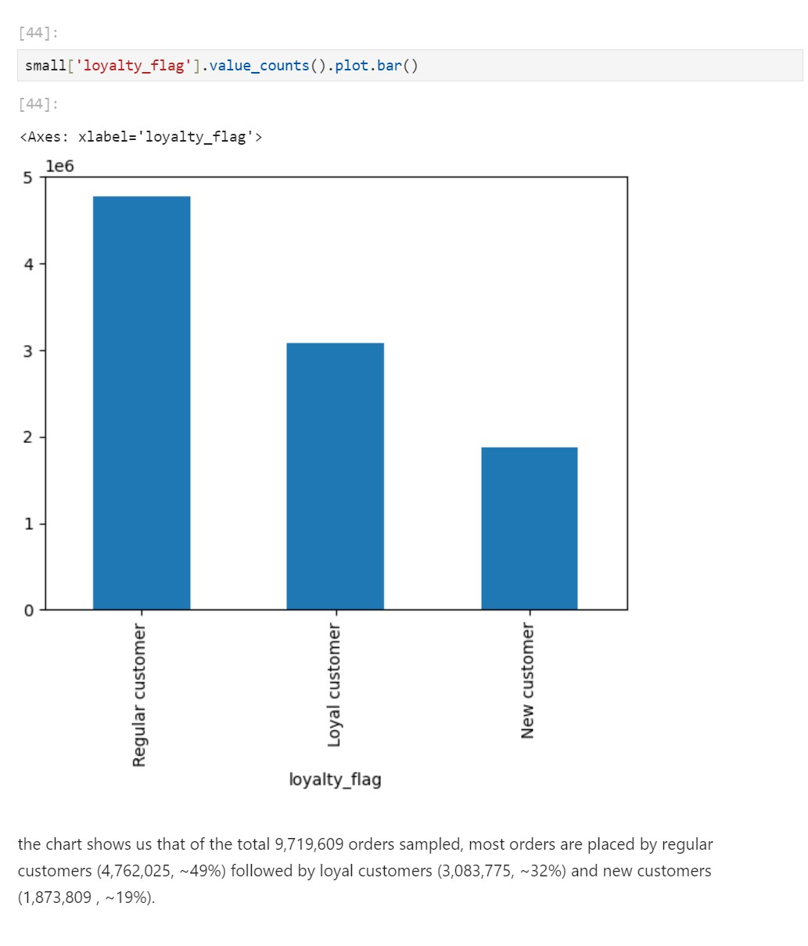

 |  |  |  |  |  |  |  | Among top 10,000 users from each region those in the South spend the most while top users in the Northeast spend the least.

 |  |  |  |  |  |  | 5/6. The marketing and business strategy units at Instacart want to create more-relevant marketing strategies for different products and are, thus, curious about customer profiling in their database. Create a profiling variable based on age, income, certain goods in the “department_id” column, and number of dependents. You might also use the “orders_day_of_week” and “order_hour_of_day” columns if you can think of a way they would impact customer profiles. Create an appropriate visualization to show the distribution of profiles.

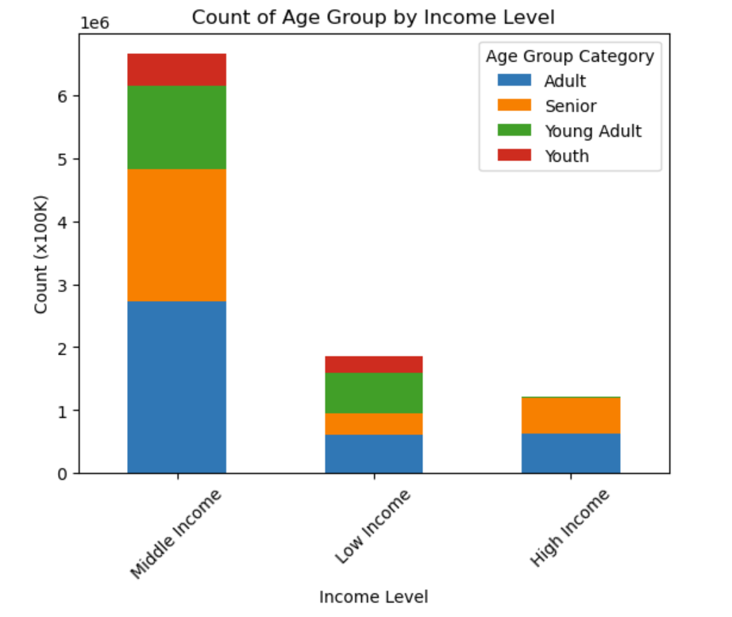
 |  |  |  |  |  |  |  |  | AGE

 | 5. Check whether there’s a difference in expenditure (the “prices” column) depending on the hour of the day

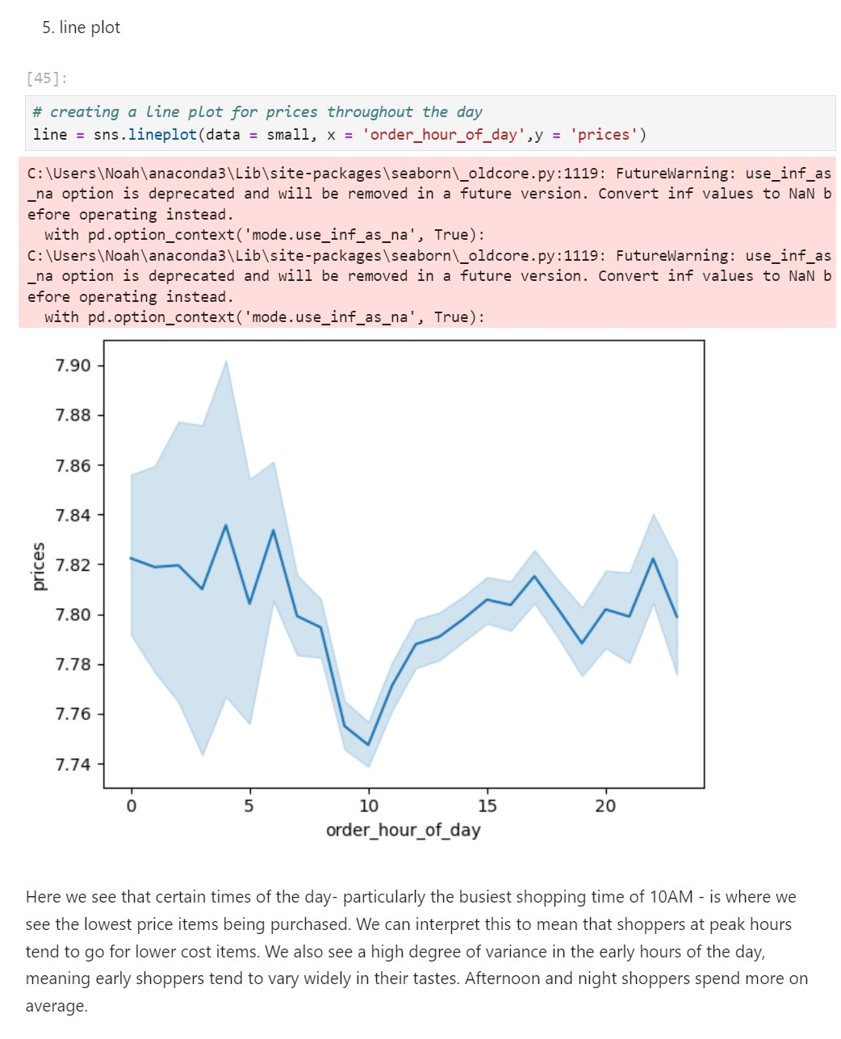

 |  |  |  |  |  |  |  |  |  | The income level of Instacart customers fall mostly within the middle income - 60-150K.
 |  |  |  |  |  |  |  |  |  | Adults and seniors represent nearly all of the high income customers.
 |  |  |  |  |  |  |  |  |  | Young adults and youths are more likely to be low income than any other age group

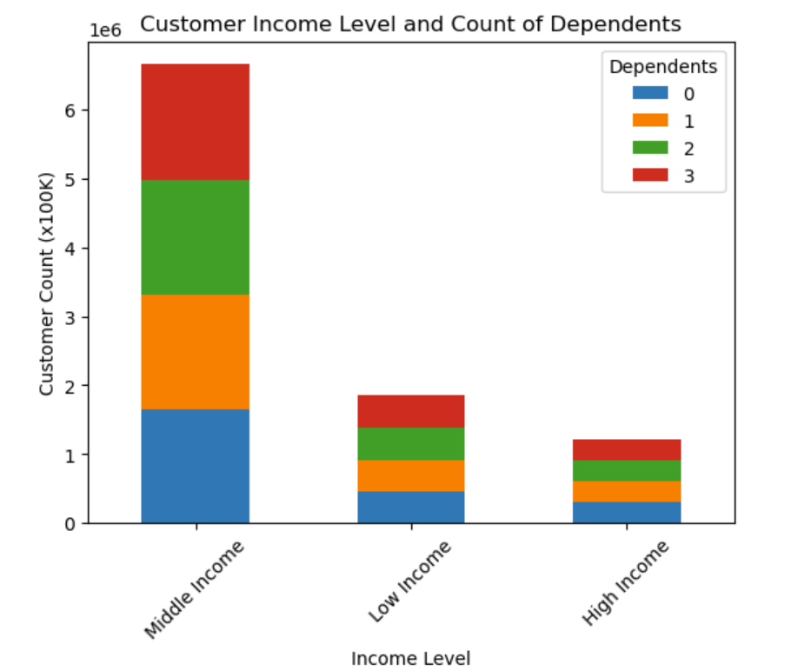
 |  |  |  | INCOME

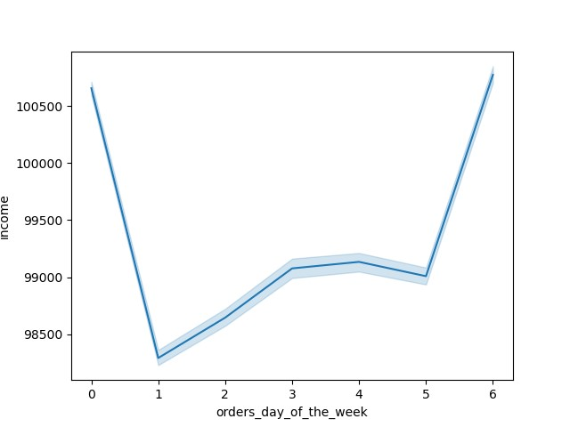
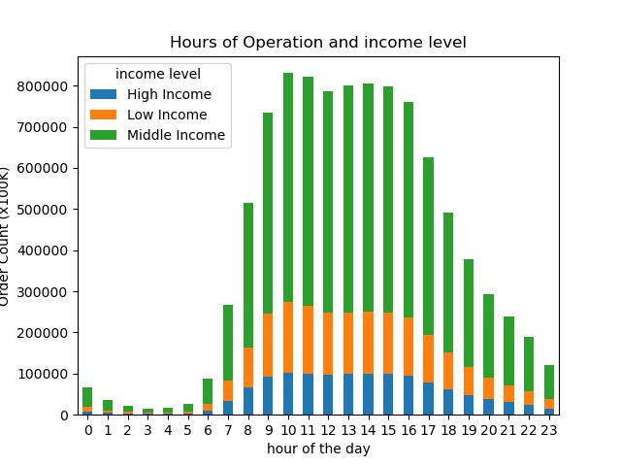

 |  |  |  |  |  |  |  |  |  |  |  |  |  |  | Middle income customers spike tremendously through the busiest hours of the day. High and low income customers also jump up during these hours.

 |  |  |  |  |  |  |  |  |  |  |  | People with higher income shop on Sunday and Saturday. Lower income customers purchase the most on Monday.
 |  |  |  |  |  | Most of our customers are from the middle income bracket.

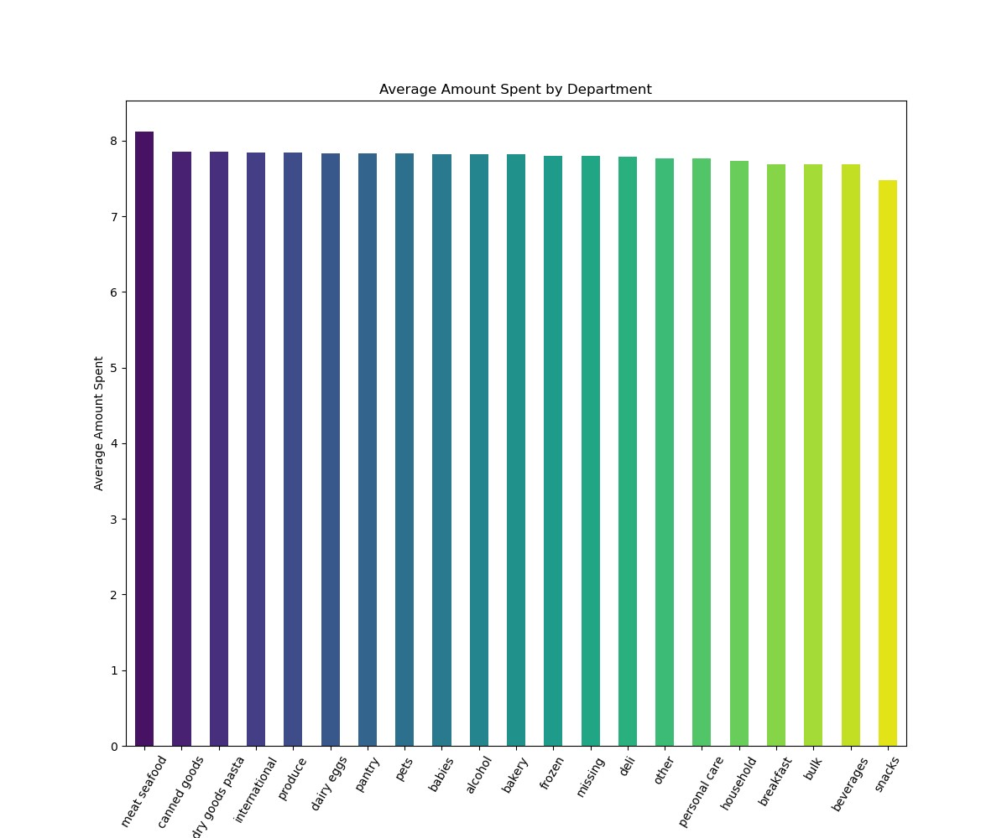
 |  |  |  | DEPARTMENT
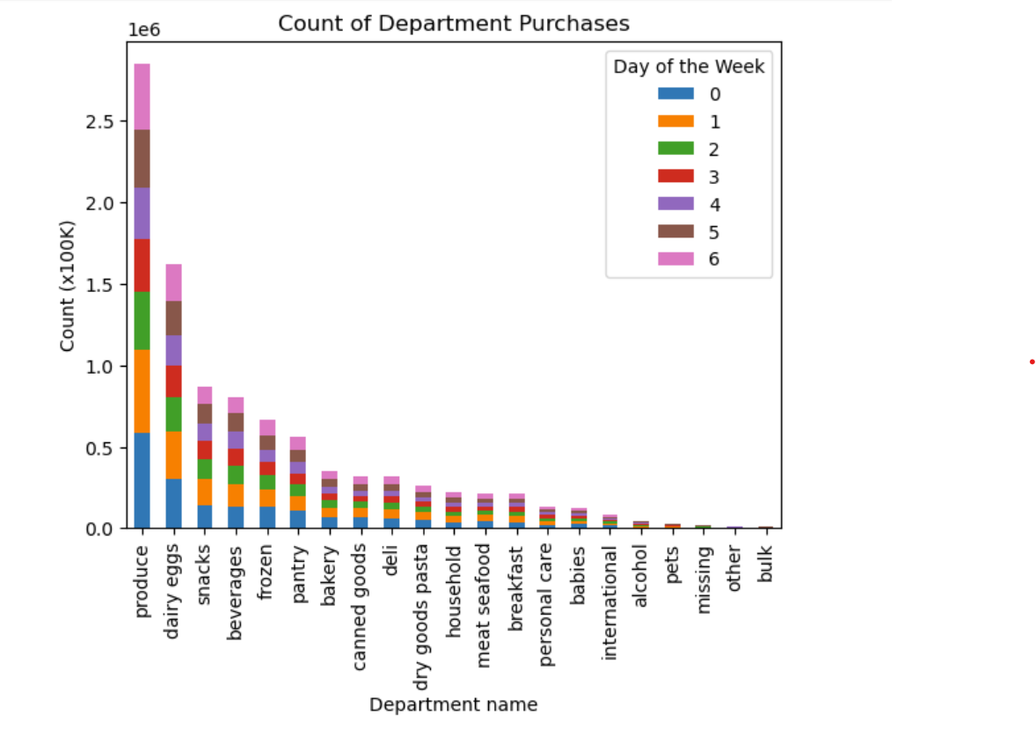

 | 6. Determine whether there’s a connection between age and family situation by creating a line chart exploring the connections between age and number of dependents:

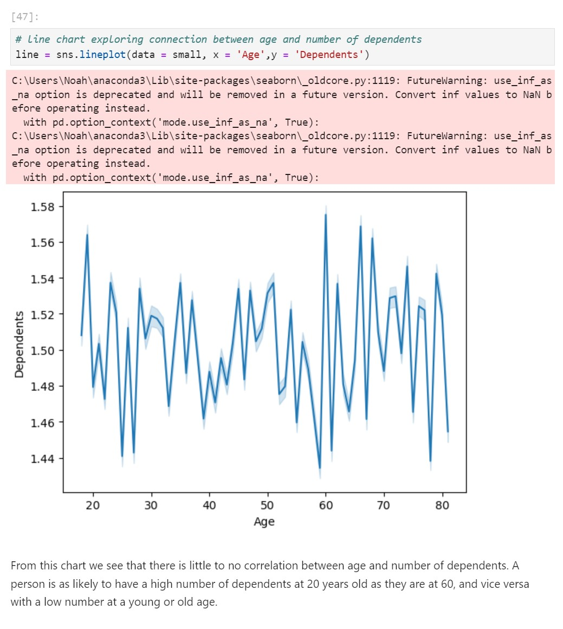

 |  |  |  |  |  |  | Produce is by far the most popular department for purchases. High sales in the produce department coupled with the "dairy eggs" department tells us that most Instacart orders are for staple foods.

 |  |  |  |  |  |  |  |  |  |  |  |  | Customers on average spend the most in the "meat seafood" department and the least in the "snacks" department

 |  |  | DEPENDENTS

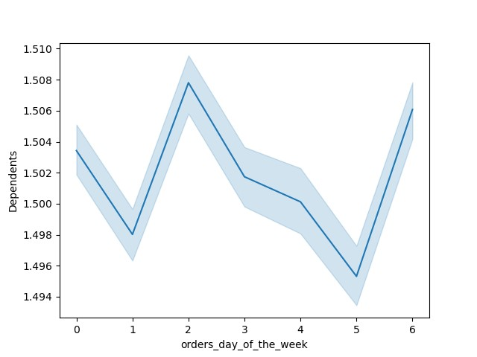

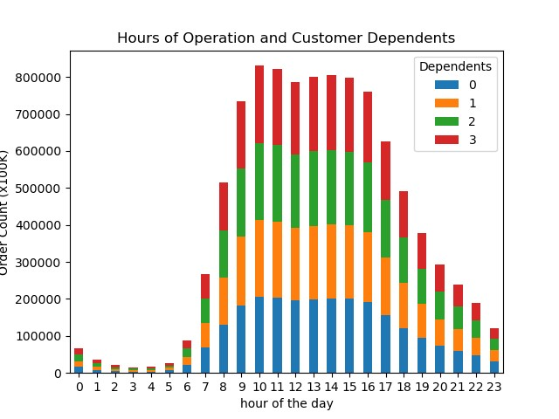

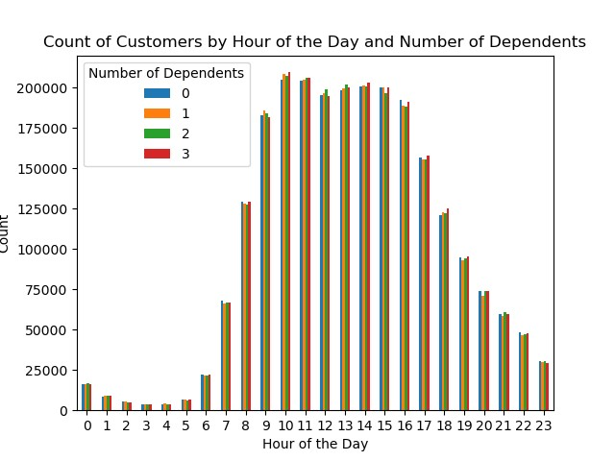

 |  |  |  |  |  | It appears that customers unanimously favor the late morning and early afternoon hours regardless of dependents.
 |  |  |  |  |  |  |  |  |  |  |  | This chart shows us that people with more dependents tend to shop on Tuesday and Saturday, with Friday being the day where the least number of customers with dependents shop.

 | 7. Explore whether there’s a connection between age and spending power (income) |  |  |  |  |  |  |  |  |  |  |  |  | Number of dependents is not a significant factor in when customers shop.

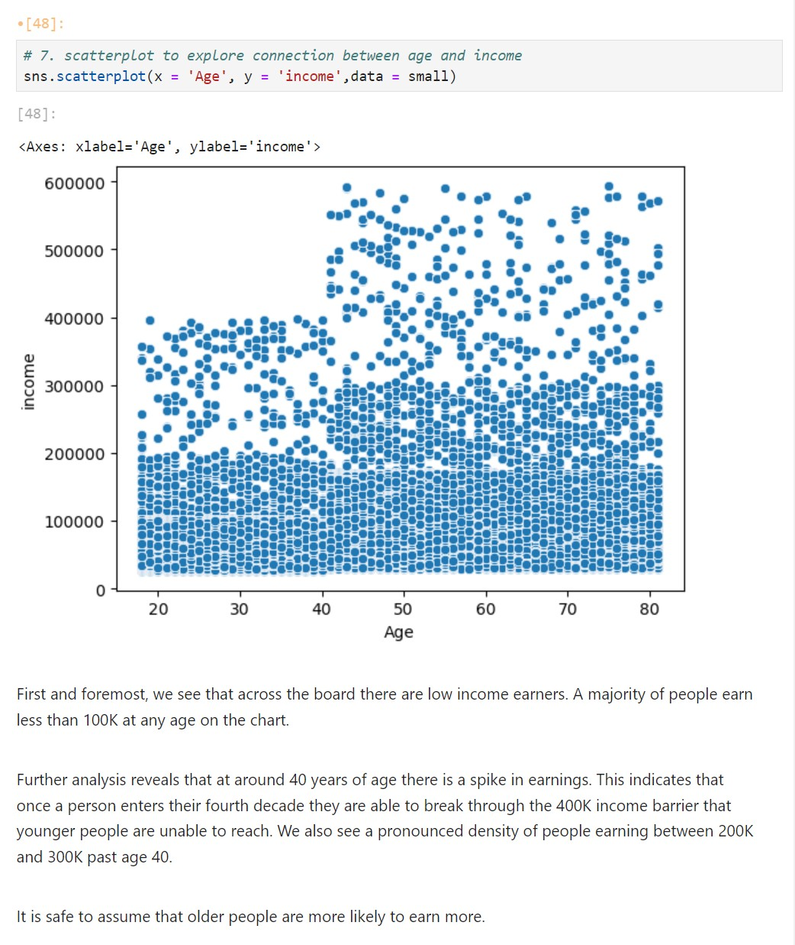

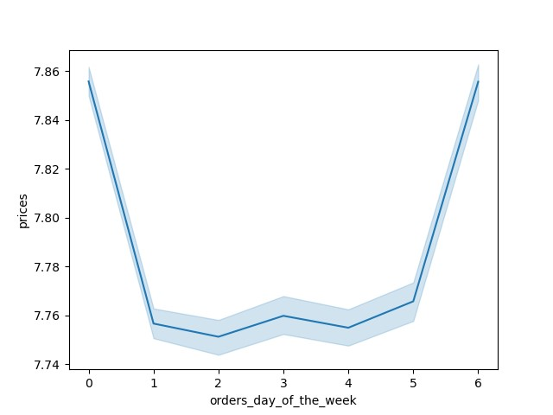
 |  |  | ADDITIONAL VISUALIZATIONS

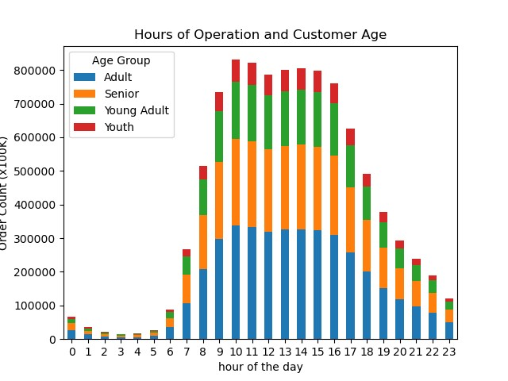

 |  |  |  |  | All customer groups purchase along lines of general population- more in the midday and less in off hours.

 |  |  |  |  |  |  |  |  |  |  | Prices of goods purchased go up on the same days that customers with higher incomes make purchases. We can infer a correlation between customers with higher incomes and more expensive goods being purchased.

7. Recommendations
 |  |  | Title page

Recommendations

In this tab you should include any recommendations you would made to Instcart in terms of their marketing strategy based on the questions posed in the brief. Every key question has been covered in the Tasks of the Exercises - here you need to add an item - a visualisation or table/crosstable that is showing the answer in the data, acompanied by a comment from you. Please, list the questions below and add the answer underneath.

Question |  | Answer
Key Question 1: "The sales team needs to know what the busiest days of the week and hours of the day are (i.e., the days and times with the most orders) in order to schedule ads at times when there are fewer orders".
Key Question 2: "They also want to know whether there are particular times of the day when people spend the most money, as this might inform the type of products they advertise at these times".
Key Question 3: "Instacart has a lot of products with different price tags. Marketing and sales want to use simpler price range groupings to help direct their efforts".
Key Question 4: "Are there certain types of products that are more popular than others? The marketing and sales teams want to know which departments have the highest frequency of product orders."
Key Question 5: "What’s the distribution among users in regards to their brand loyalty (i.e., how often do they return to Instacart)"?
Key Question 6: "Are there differences in ordering habits based on a customer's loyalty status"?
Key Question 7: "Are there differences in ordering habits based on a customer's region"?
Key Question 8: "What different classifications does the demographic information suggest"?
Key Question 9: "Is there a connection between age and family status in terms of ordering habits"?
Key Question 10: "What differences can you find in ordering habits of different customer profiles? consider the price of orders, frequency of orders, products customers are ordering, and anything else you can think of".

Key Question 1: "The sales team needs to know what the busiest days of the week and hours of the day are (i.e., the days and times with the most orders) in order to schedule ads at times when there are fewer orders".
Answer: | The busiest hours of the day are mid-morning through early afternoon. The busiest days of the week are Saturday (0) and Sunday (1)



Key Question 2: "They also want to know whether there are particular times of the day when people spend the most money, as this might inform the type of products they advertise at these times".
Answer: | It appears that people spend the most money in the early morning and late evening. There is a very low degree of confidence in the sales numbers for the morning but the evening averages are far more consistent.

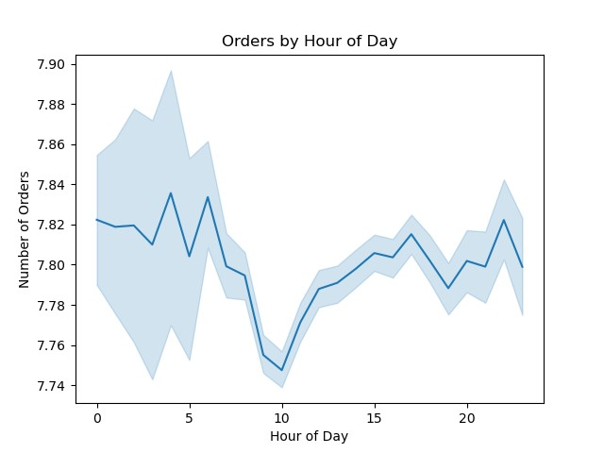

Key Question 3: "Instacart has a lot of products with different price tags. Marketing and sales want to use simpler price range groupings to help direct their efforts".
ANSWER: | The aggregation of prices is as follows:
 | Items less than $5 are considered "low cost", $5 to less than $15 is "middle cost", and anything $15 or higher is "high cost".

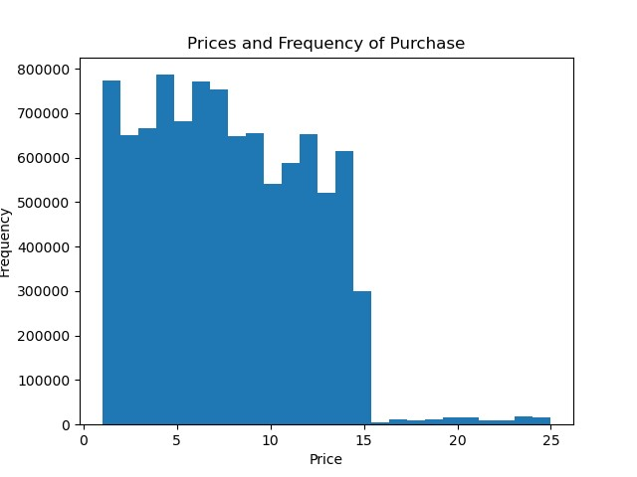

Key Question 4: "Are there certain types of products that are more popular than others? The marketing and sales teams want to know which departments have the highest frequency of product orders."
ANSWER: | Produce is the most popular department by far.

Key Question 5: "What’s the distribution among users in regards to their brand loyalty (i.e., how often do they return to Instacart)"?
ANSWER:
Customers are grouped in three groups here:
New customers: users with less than or equal to 10 orders
Regular customers - users with more than 10 and up to 40 orders
Loyal customers - customers with more than 40 orders.
The largest proportion of users are regular customers.

Key Question 6: "Are there differences in ordering habits based on a customer's loyalty status"?
ANSWER: | Customers of different loyalties tend to spend nearly the same amount per order

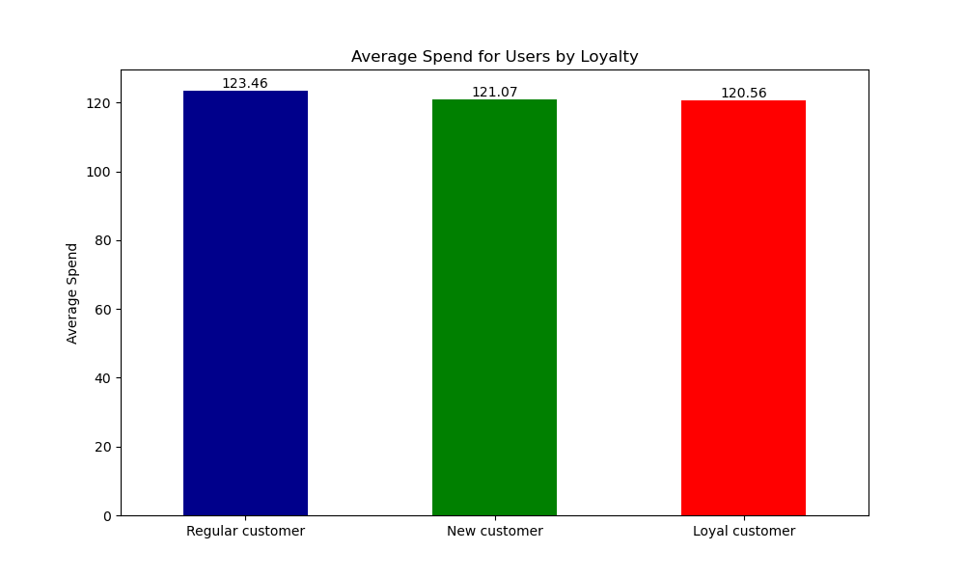

Key Question 7: "Are there differences in ordering habits based on a customer's region"?
ANSWER: | Customers in the South spend slightly more on average per item than other customers. Northeast users spend less

Key Question 8: "What different classifications does the demographic information suggest"?
ANSWER: | Customers are mostly of the middle income level. The overall customer base is adult. Number of dependents is fairly uniform through all ages and incomes.

Key Question 9: "Is there a connection between age and family status in terms of ordering habits"?
ANSWER: | In terms of when users order, there is no correlation based on age. In terms of the family status of a user and when they order, there appears to be no significant correlation to days of the week.

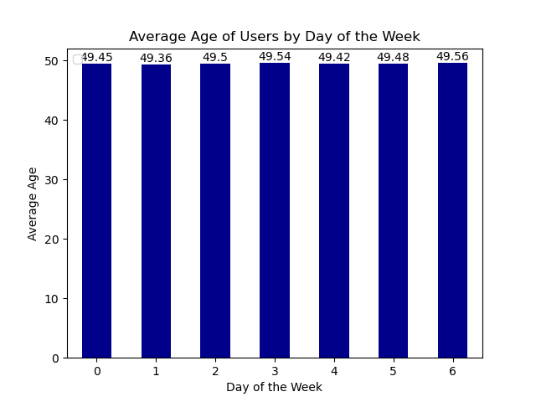
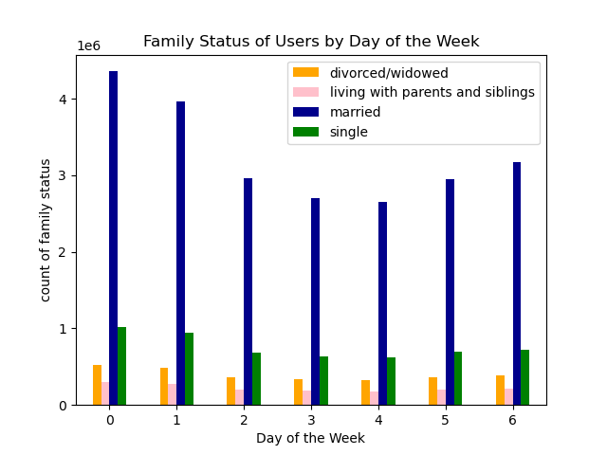

Key Question 10: "What differences can you find in ordering habits of different customer profiles? consider the price of orders, frequency of orders, products customers are ordering, and anything else you can think of".
ANSWER: | A. I found that customers with higher incomes tend to buy more on Saturday and Friday, and prices purchased increased at these times. This indicates that higher income earners spend more.
 | B. I also found that the products purchased in certain departments are higher on average than others. Meat and seafood are the most expensive, while snacks are on average the cheapest products.
 | C. People with more dependents tend to shop a lot on Monday and Friday but significantly less on Thursdays.
 | D. I investigated the hours of the day to see if there were any correlations between number of dependents, age or income. These groups all seem to favor the same times of the day for their orders.

A

B

C



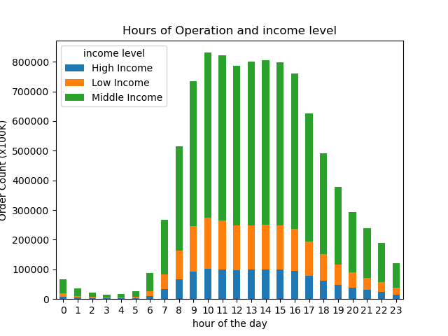
D

