Chart 1
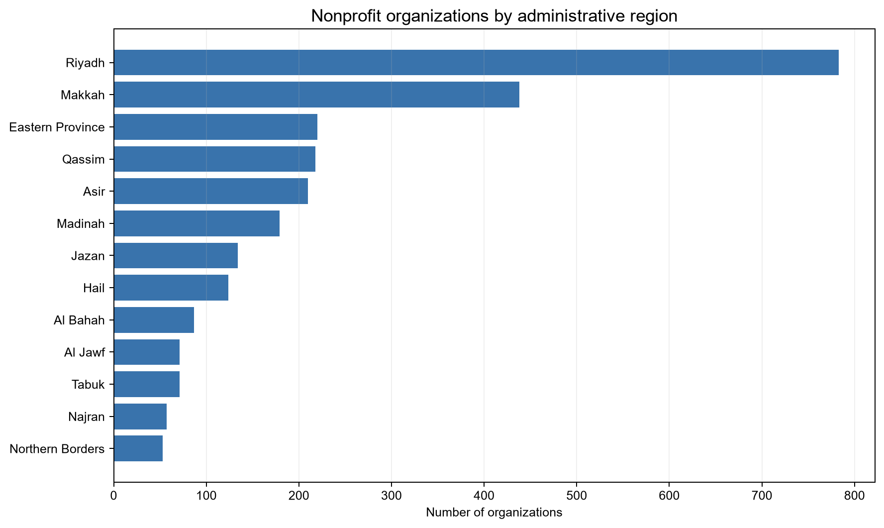
Organizations by region

Chart 2
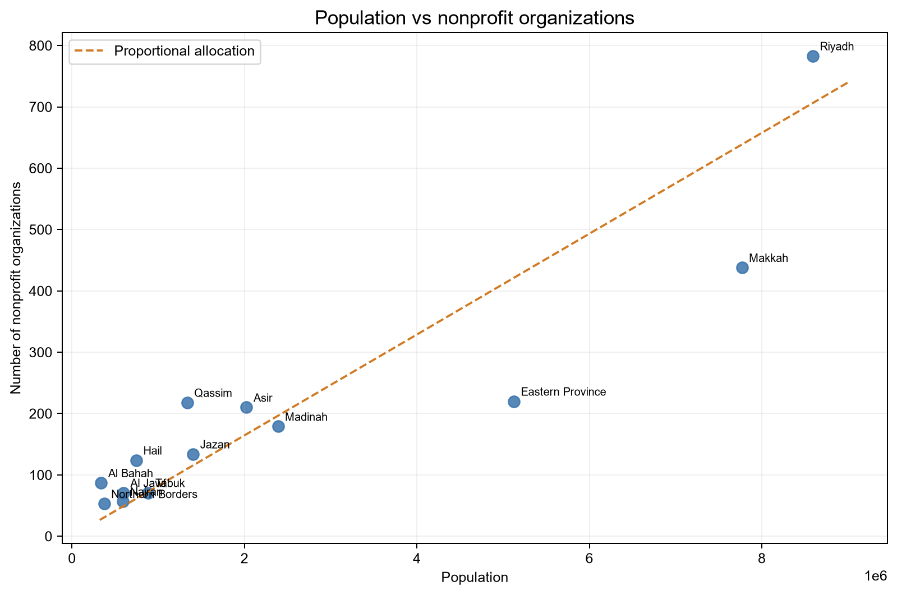
Population vs nonprofit organizations

Chart 3
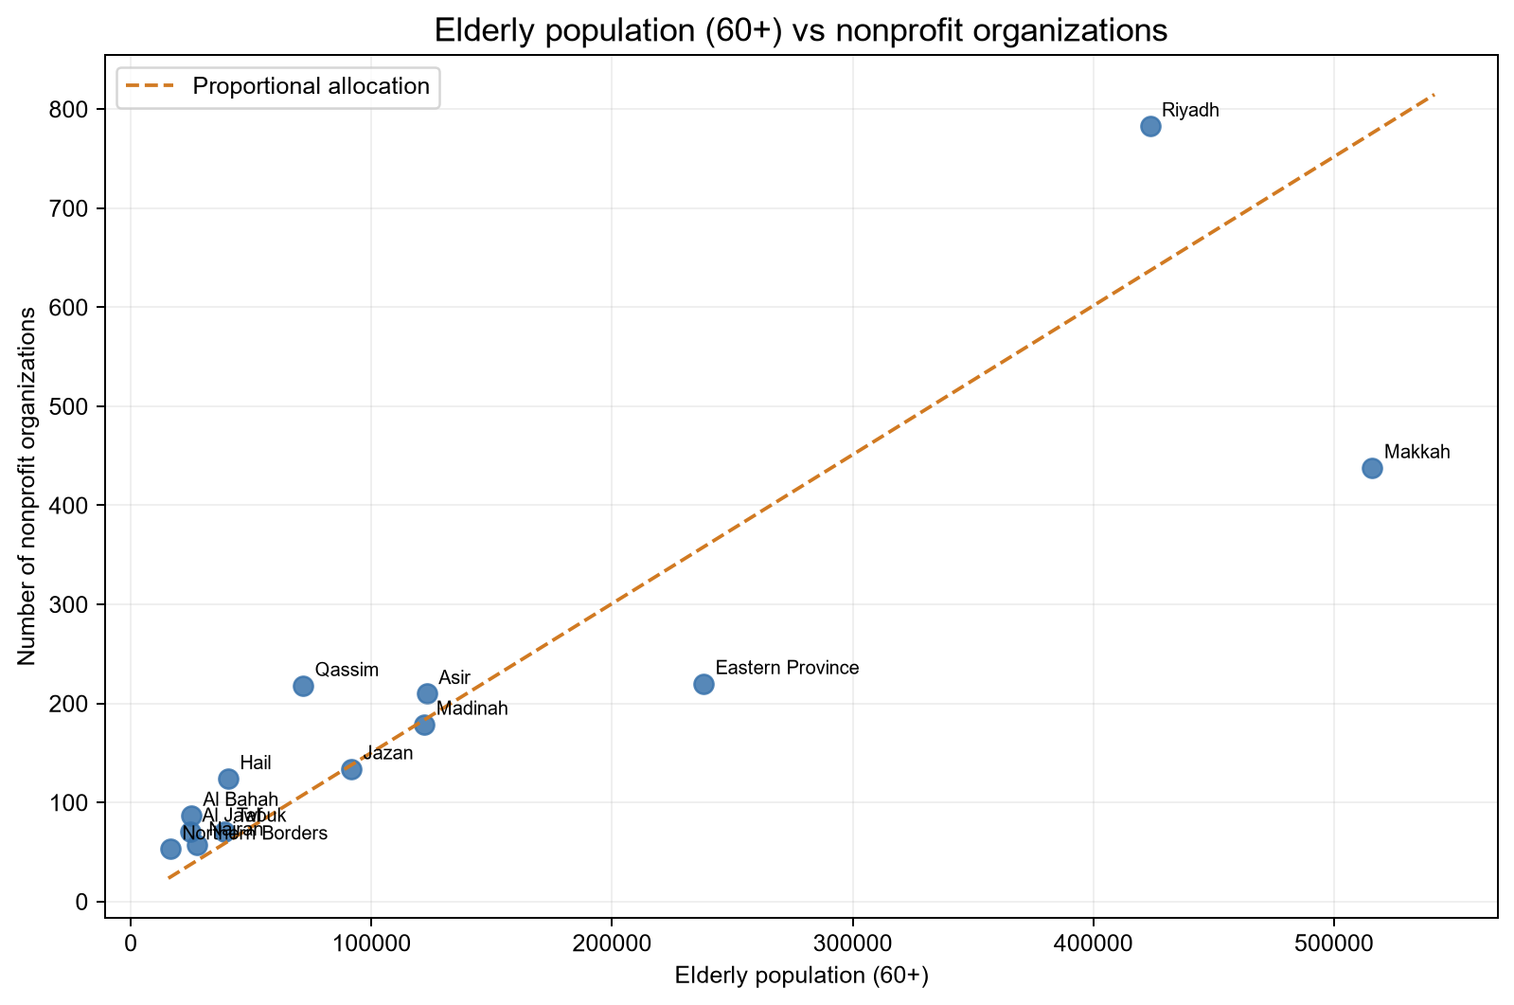
Elderly population (60+) vs nonprofit organizations

Chart 4
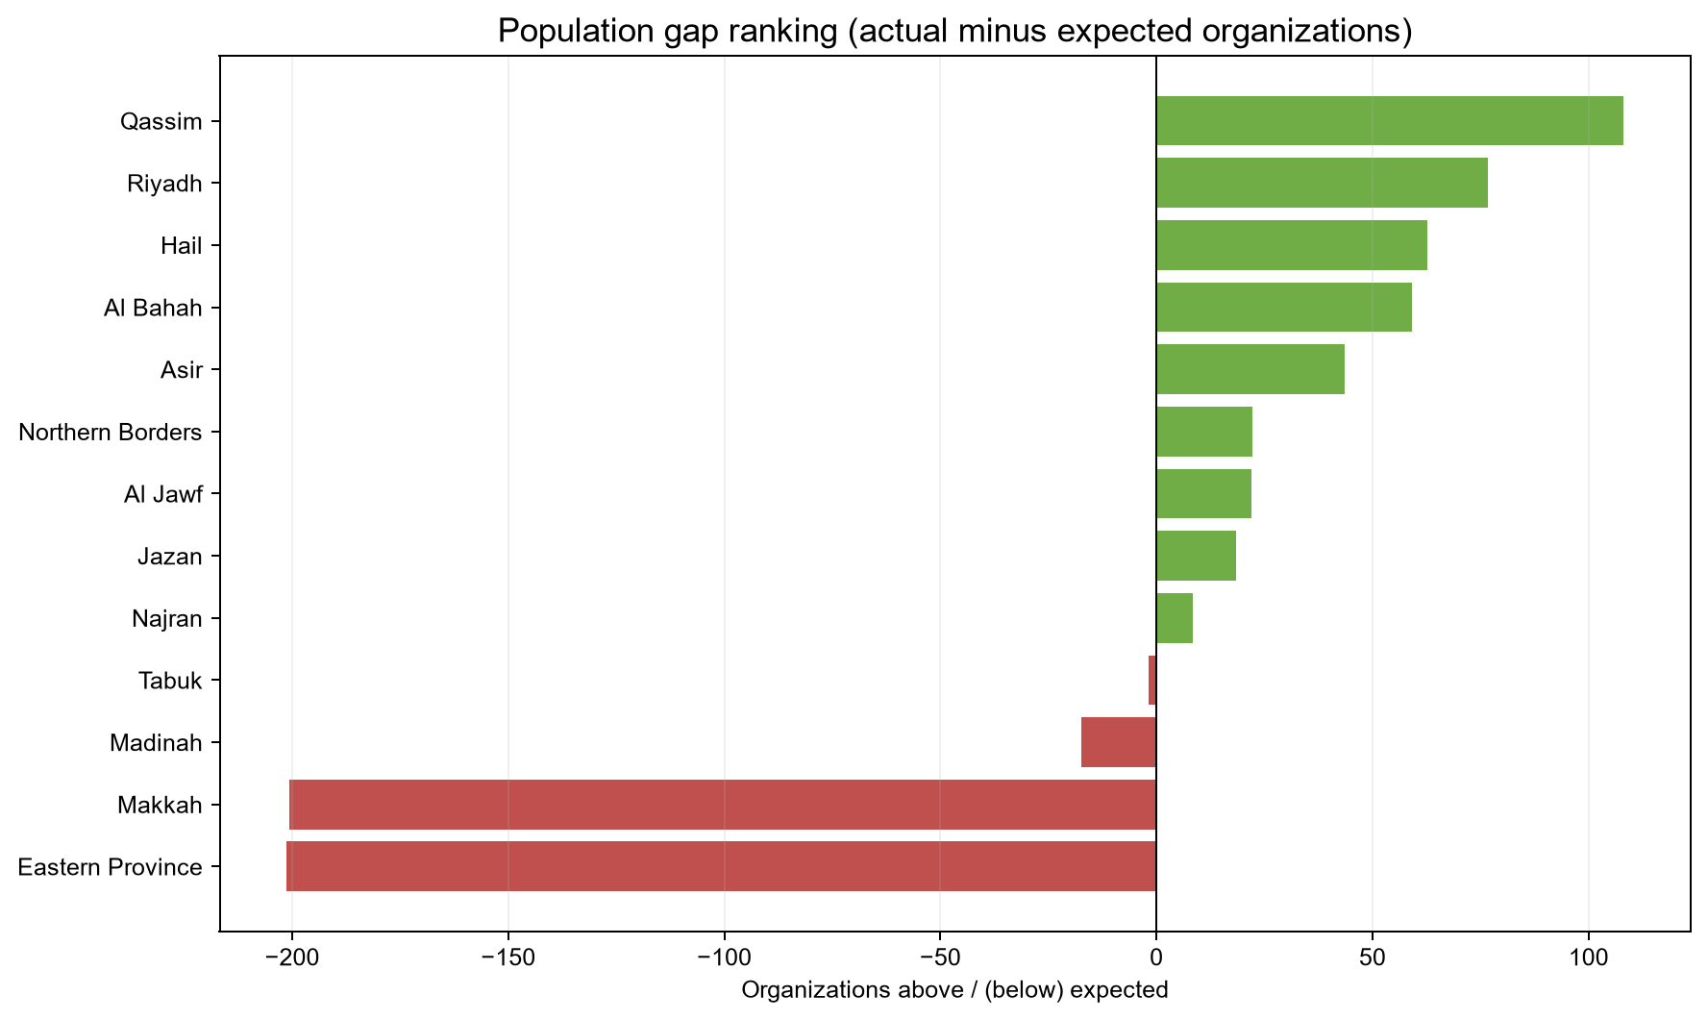
Population gap ranking

Chart 5
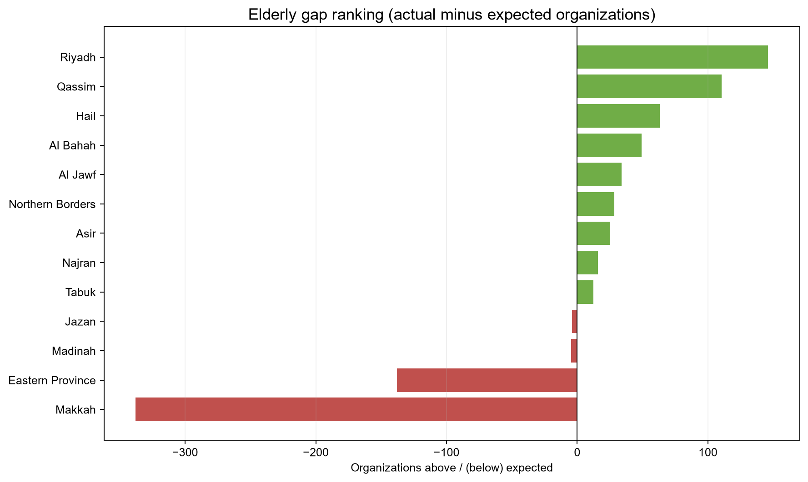
Elderly gap ranking

