Sheet1
Find the characterization factor of the crude on the whole basis if sp gravity of crude is given as 0.857. Also mention it's base. |  |  |  |  |  |  |  | Name | Belal Khan
Note: in the equation, R is given in molal average B.P. |  |  |  |  |  |  |  | F.No. | 20PKB359
 | K = R^(1/3)/(0.827*P) |  |  |  |  |  |  | E. No. | GL9733

Steps:
1. Calculate volume avg. boiling pt. of crude oil |  |  |  | Equation TBP=> y = 0.0012*x3 - 0.1633*x2 +9.9376*x + 60.698
2. Calculate TBP slope of given equation
3. Calculate delta T
4. Calculate MABP |  |  |  | MABP = VABP + Delta(T)
5. Use formula to find K
6. Using K mention it's base

Step 1: | Calculation of VABP |  | Step 2: | Calculation of Slope |  | Step 3: | Finding Delta(T) |  | Step 4: | Calculation of MABP | Step 5: | Characterisation Factor | Step 6: | Base of crude
S.No. | Vol% | TBP Temp (oC) | S.No. | Vol% | TBP Temp(oC) | From Graph Delta(T) is found to be -30 |  |  | MABP = VABP + Delta(T)
1 | 30 | 244.256 | 1 | 10 | 144.944 |  |  |  |  |  |  |  | K value | Base
2 | 50 | 299.328 | 2 | 70 | 367.76 | Delta(T) | -30 |  | MABP | 273.78133333 | K | 6.7288873403 | 6.7288873403 | Aromatic
3 | 70 | 367.76
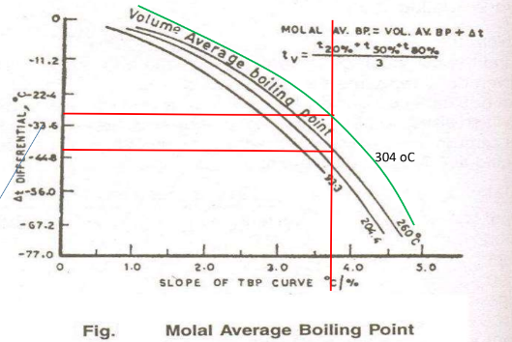
 | VABP | 303.78133333 |  | Slope | 3.7136

