Лист1
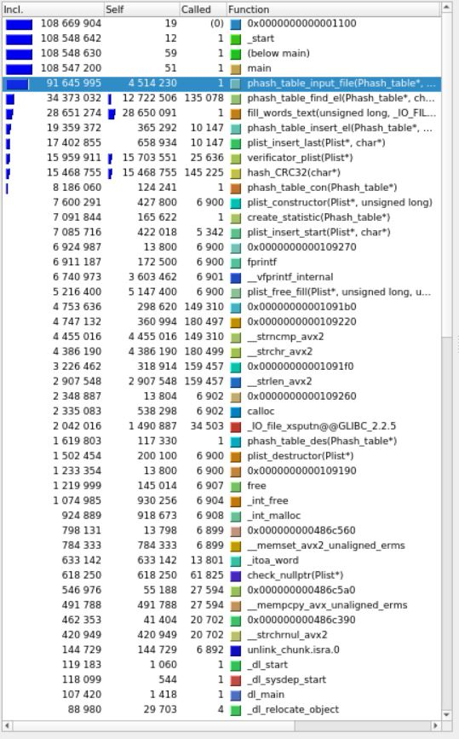
 | Incl. (no optimization no -O2) self. | Incl. (no optimization with -O2) self. | Incl. (with optimization) self.

phash_table_input_file | 4,514,230
phash_table_find_el | 12,722,506
fill_words_text | 28,650,091
verificator_plist | 15,703,551
hash_CRC32 | 15,468,755

Ʃ strlen strcmp strchr | 11748754

